1
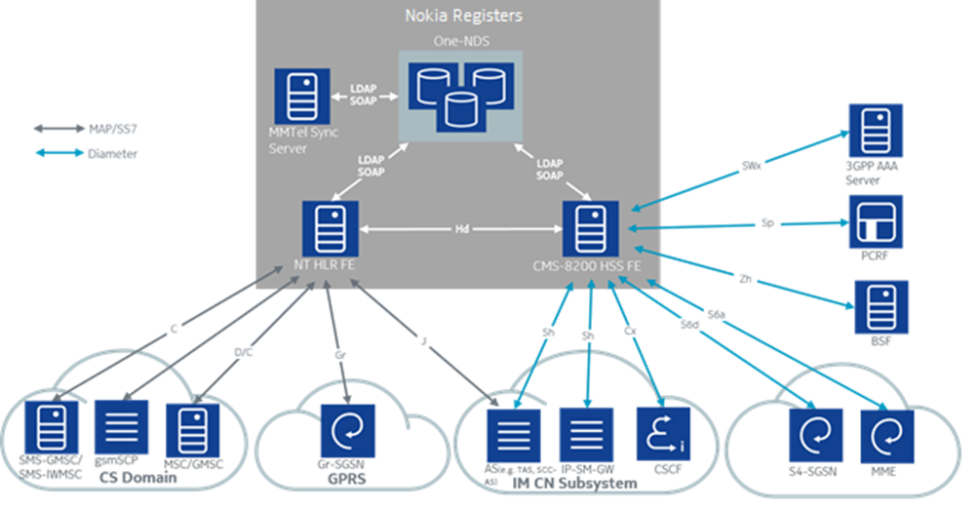
 | Solution Design
Architecture Overview
One-NDS

 | Network Connectivity

Hardware Security Modules

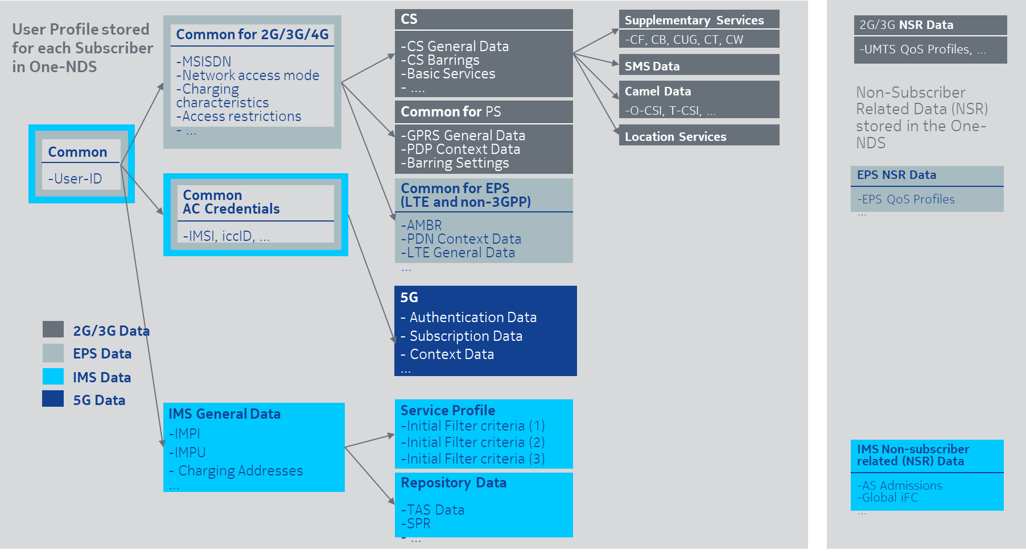
 | CS/PS/EPS/5G/IMS Subscriber Profile
HLR Subscription -1
HLR Subscription -2
HLR Subscription -3
HLR Subscription -4

LTE and IMS Subscriptions
LTE Subscription
IMS Subscription

 | Nokia Registers Cloud VNF Structure
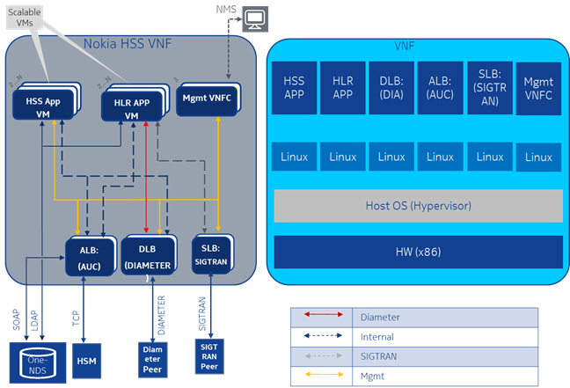

 | Nokia CMRepo VNF
CMRepo

 | Registers/CMRepo VNFs Network Layout and Bandwidth Requirements

Network Interfaces

 | Nokia Registers Signalling Topology

NT HLR Interfaces
C Interface (GMSC/SMSC)
D Interface (VLR)
Gr (SGSN)
gsmSCF-HLR interface

HSS Interfaces
S6a (MME)
S6d (S4 SGSN)
SWx (AAA Server)
Cx (CSCF)
Sh (TAS,GMLC)
Zh (BSF)

 | Registers Integration Point
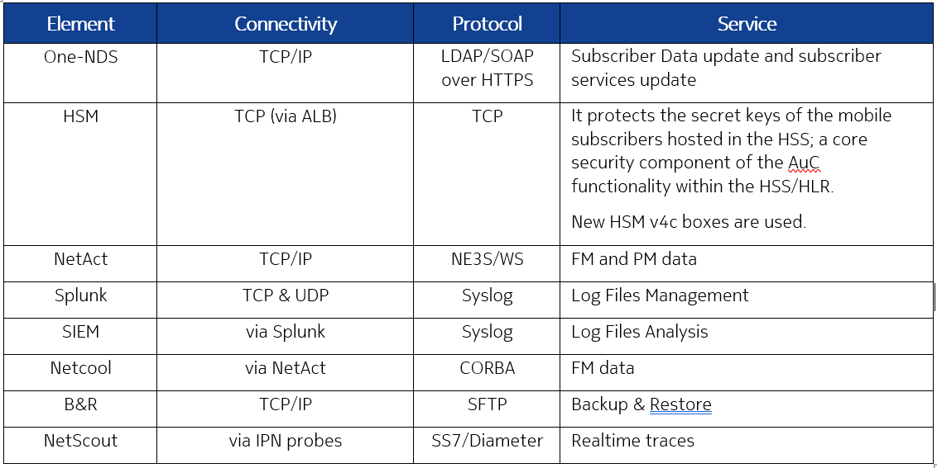

 | HSS Integration Point
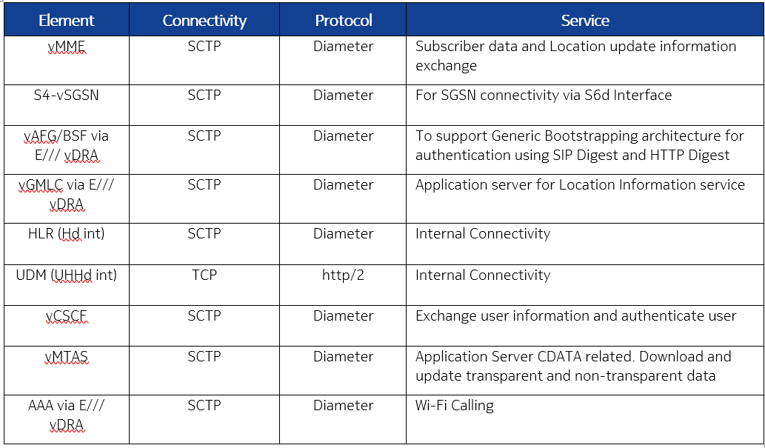

 | HLR Integration Point
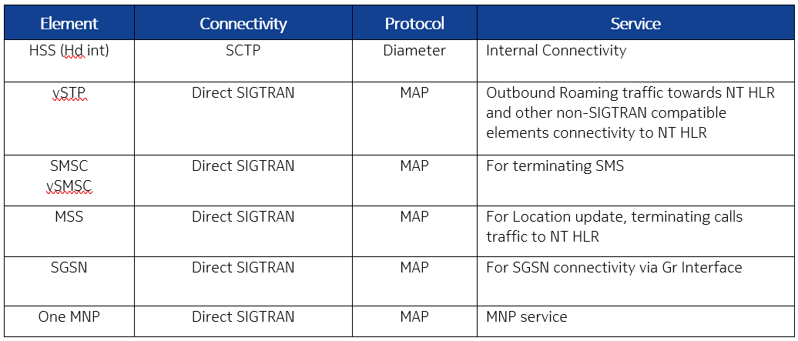

 | HSM Box Integration Point

8
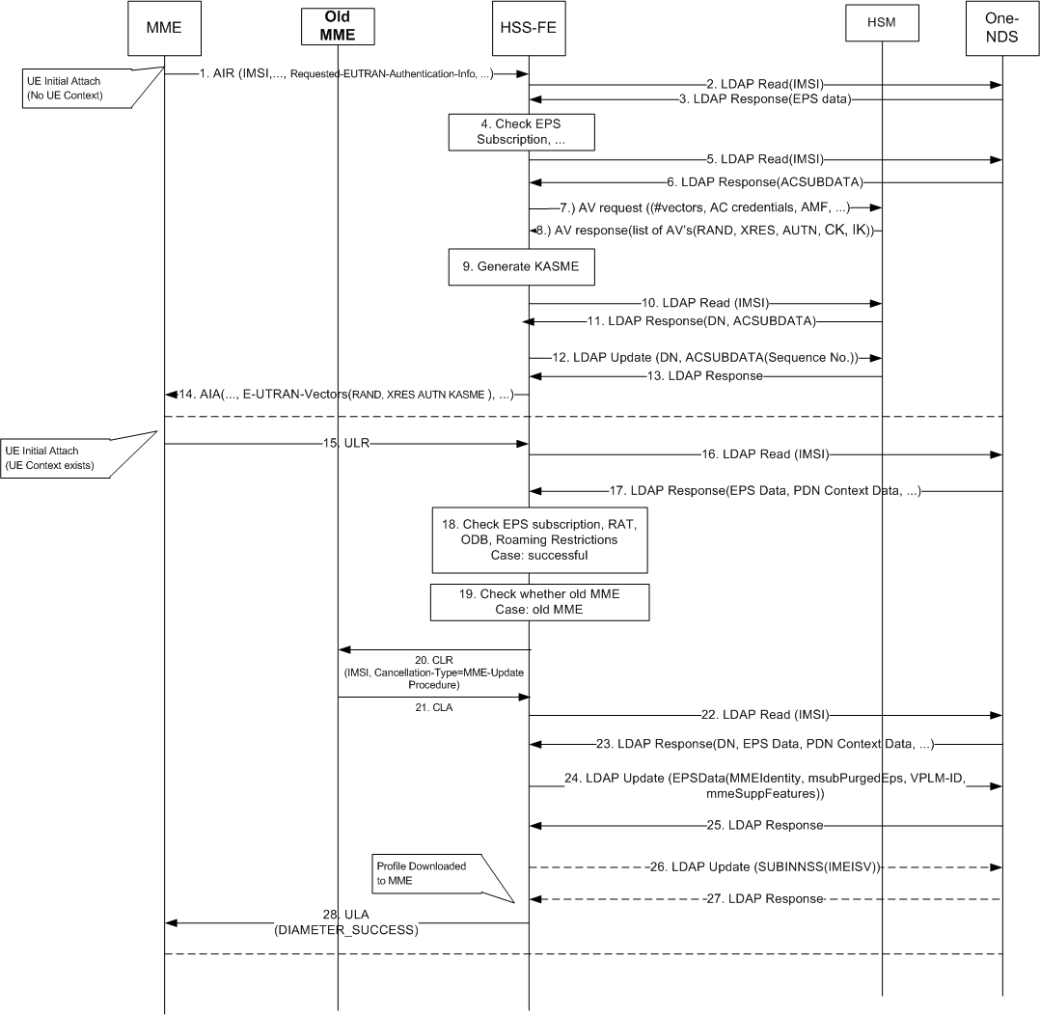
 | Mobility Management Procedures
CS and GPRS domain mobility management procedures
Update Location (CS)
Update Location (GPRS)
Cancel Location
Purge MS
Send Authentication Info
Insert Subscriber Data

EPS domain mobility management procedures
Update Location
Cancel Location
Purge UE
Insert Subscriber Data
Delete Subscriber Data
Authentication Info Retrieval
Reset
Notification

 | Inter-Domain mobility

IMS domain mobility
User registration status query
Authentication procedure
S-CSCF registration/deregistration notification
Network initiated de-registration by the HSS
User location query
HSS initiated update of User Information

 | Initial Attach without CL (Cancel Location)
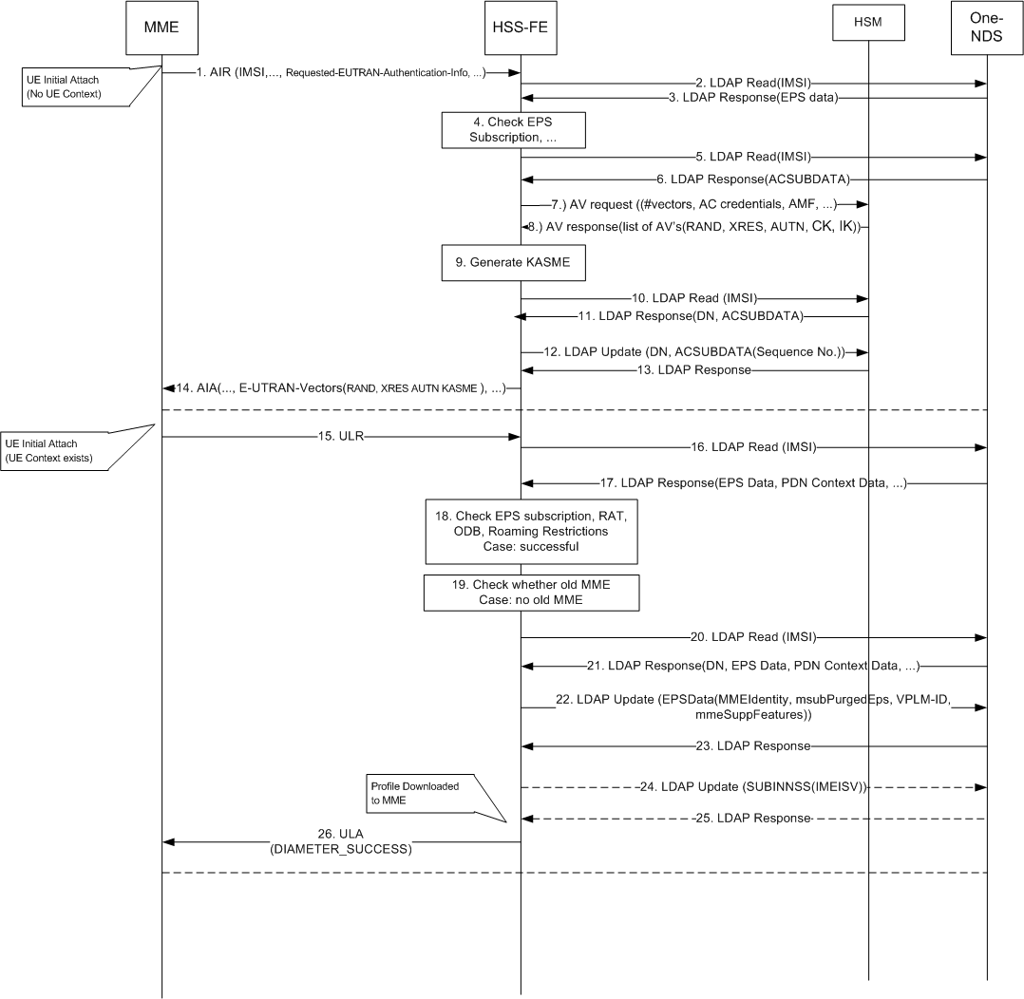

 | Initial Attach with MME update

