TestPlan
Project Name | CHILD ALERT SYSTEM |  |  |  | Total No Test Cases | Pass | Fail
Module Name | AWS_IOT_MODULE |  |  |  | 11 | 11 | 0
Test Case Exeuted By | PRITHVI
Release Name | Child_alert_1_0
Date

Testing Environment Prerequisite | Description
Raspberry Pi Board With Pyhon Code | Pyhon Code Containing server Connection and Algorithm
AWS IOT | AWS IOT login

Test Case No | Test Objective | Test Procedure | Expected Result | Actual Result | Test Case Result
1 | AWS IOT Topic and Certificate creation ECE574_Project | 1.Create a AWS IOT Account. 2. Register Thing In AWS IOT Console. 3. While Registering Thing,Download Certificates and Keys. 4. Save the Thing ARN for further process. | AWS IOT TOPIC ECE574_Project and Certificate (a407f17540af4eff9cea03e3cc1b63b8555b3bfb90bd61d32311944b8267349b) Should be created and visible in AWS Console. |  | Pass | 1
2 | AWS IOT policy creation ECE574_Project | 1. Create Policy in AWS IoT Console 2. Save the Policy ARN. | AWS IoT POLICY ECE574_Policy Should be created and visible in AWS Console | 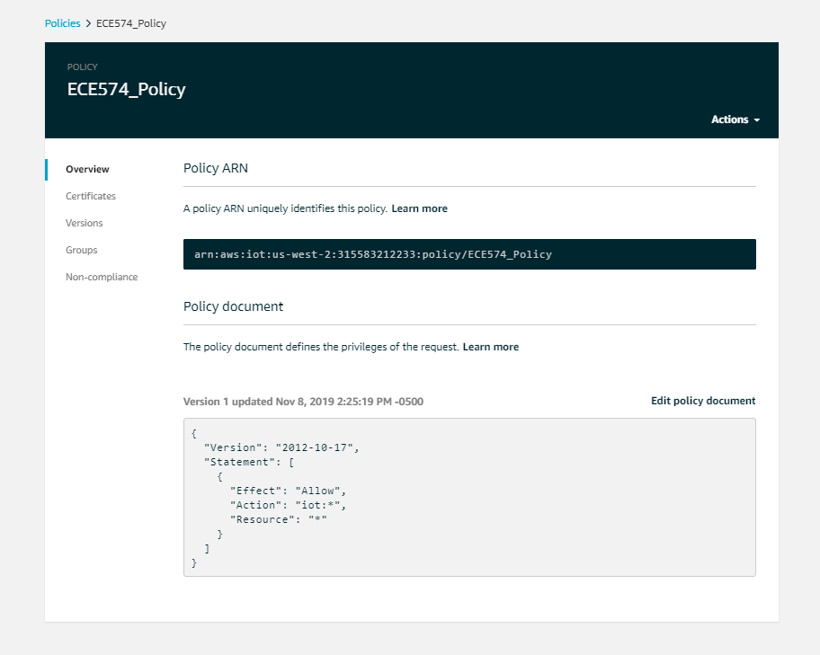 | Pass | 1
3 | Attaching the Thing and Policy to Certificates | 1. Open the Generated Certificate in AWS IoT Console. 2. In Actions select Attach Thing. 3.Then again In Actions select Attach Policy | The Policy ECE574_Policy and Thing ECE574_Project should be Attached and visible In the Certificate Console. |  | Pass | 1
4 | Subscribe and Publish a message to the created Topic using AWS MQTT Client | 1. In test Console Enter the Topic ECE574_Project under Subscription Topic. 2. Click on Scbscribe to Topic. 3.Specify a topic and a message to publish with a QoS of 0. 4.Click on Publish to Topic | The Published message Should be visible on subscriptions under Thing ECE574_Project. | 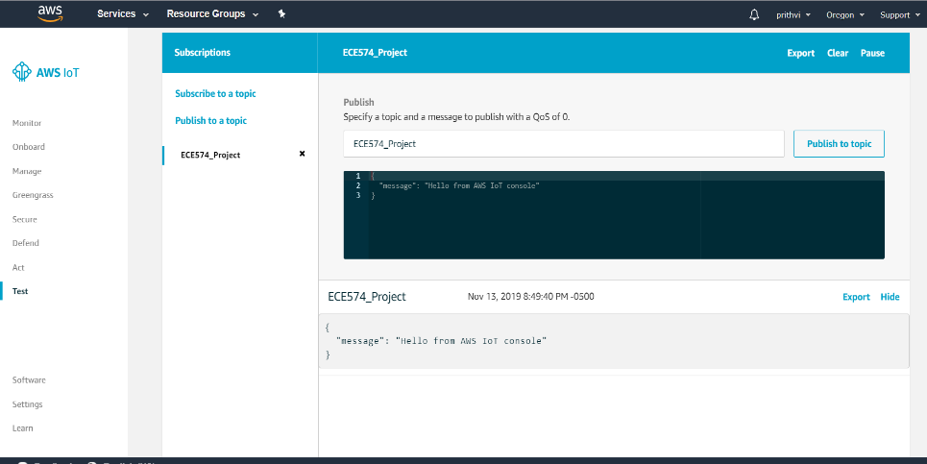 | Pass | 1
5 | Creation of SNS topic in Amazon SNS | 1. Open Amazon SNS Console. 2. Create a Topic ChildAlertSystem. 3.copy and save the topic ARN | 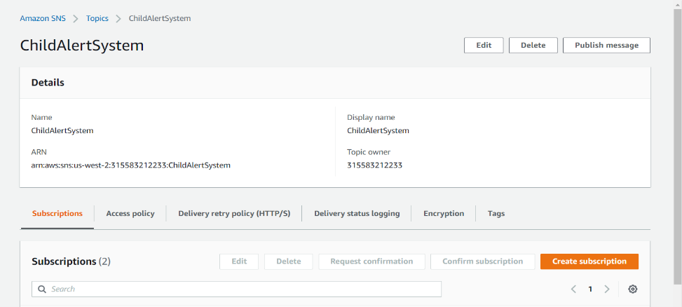 The Topic Child Alert System should be created and visible in Amazon SNS |  | Pass | 1
6 | Creation of SNS topic Subscription in Amazon SNS | 1.Open the created SNS topic. 2. Click on Create Subscription. 3.Select the Protocol type and enter the endpoint(Mobile Numer). 4.Click on Create Subscription. | The SNS Subscriptions should be created and visible under SNS topic | 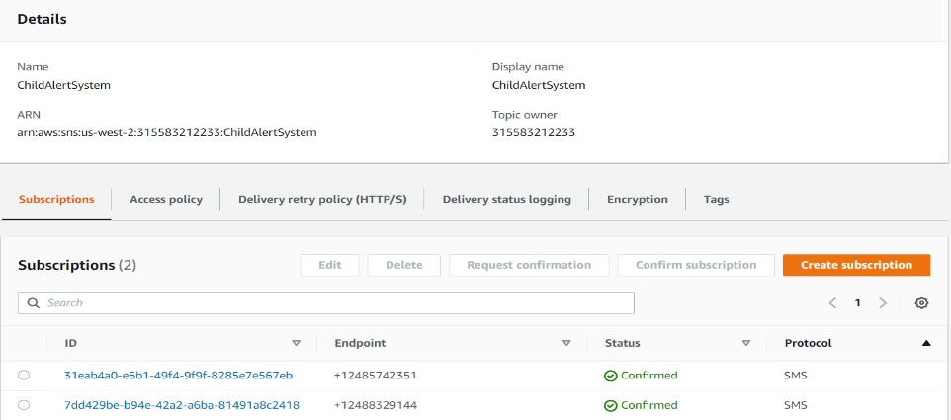 | Pass | 1
7 | Publishing a message in SNS topic | 1. click on Publish Message. 2.Fill the Message Details and Body and Attributes. 3.Click on publish message. | The Published message should be visible in provided End Point Mobile. |  | Pass | 1
8 | creation of rule in AWS_IOT console(Act) | 1.Click on create 2. In create a Rule page enter the name and description for rule. 3. Select the SQL version in rule query statement. 4. Edit the rule query statement according to conditions and IoT topic. 5. Clik on add actionin set one or more actions. 6. select an action that must be performed. 7. Configure the selected action. 8. To configue the action provide SNS target on which the action to be performed. 9. Select the message format. 10. Create a role to grant AWS IoT access to perform the action. 11. Add the action to the rule. 12.Click on Create Rule | 1. The rule name MyIoTRule and Description A Rule for AWS IoT Getting Started should be entered. 2.The SQL version 2016-03-23 should be selected. 3. The rule query statement is edited and the IoT thing ECE574_Project is added from which data should be reterived. 4.The action Send a message as a SNS push notification is added. 5. In order to perform the action The SNS target SNS Topic ChildAlertSystem is selected. 6.Raw message format is selected. 7. Role MySNSRole is created and granted acess to perform action. 8. The selected action is added to the Rule. 9. The rule with MyIoTRule should be created and visible on AWS_IoT console. | 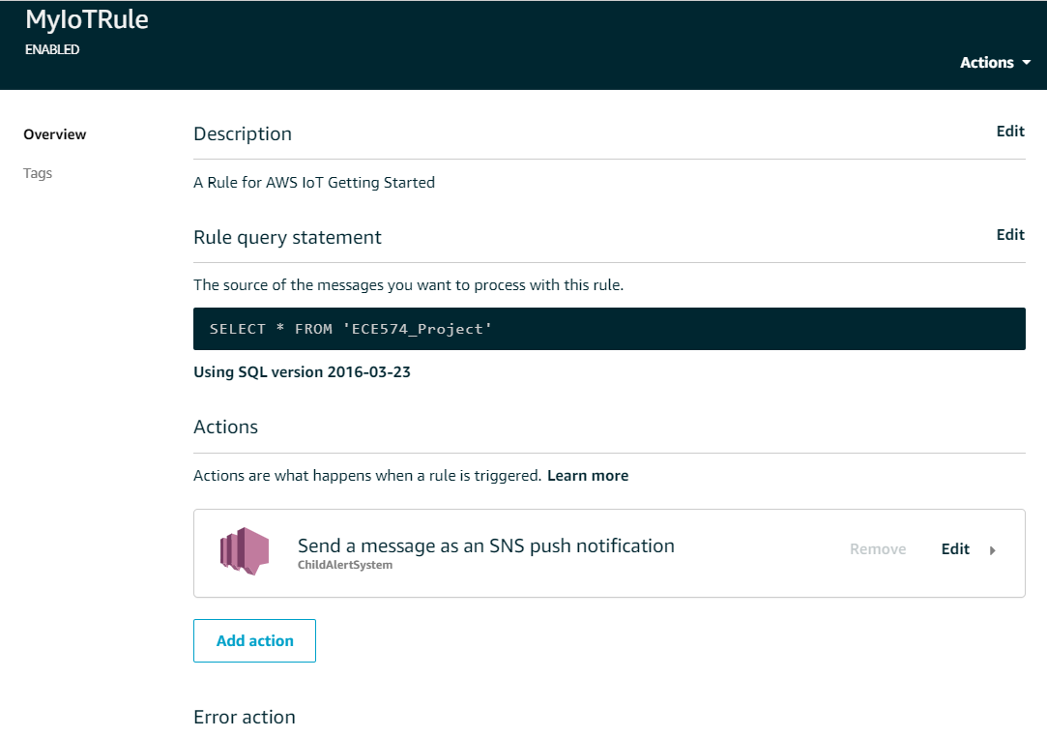 | Pass | 1
9 | Testing wether the message published to the Thing ECE574_Project is delivered to SNS subscribers. | 1. Open the MQTT client in AWS_IoT console and subscribe to the topic to which the message should publish. 2. write a message and publish to the topic. | The message should be published on the Topic console and the same message should be deliverd to the SNS Subscribers |  | Pass | 1
10 | Testing a connection to AWS_IoT Thing ECE574_Project from computer. | 1. Open the Spyder Python IDE 2. Open a new file. 3. Import the required Libraries. 4. Assign the IoT Protocol name and AWS IoT End Point which was saved while creating the IoT thing ECE574_Project to variables. 5. Read the path of the files, Root CA Certificate, Thing Certificate and Private key which are downloaded and saved while creating the certificate. 6. Write the topic name ECE574_Project. 7. Give a proper Port to connect 8. Print the message to send 9.Run the Code 10. Try to connect. | 1. Conncetion Should happen if all the details given are correct. 2. If connection happens it prints connetion success. 3. The connection should be visible on Sucessful connections (Monitor) in AWS IoT console. | Conneccted to AWS_IoT Thing ECE574_Project from system server, the system server printed connection success. Connection visibled in AWS IoT Console | Pass | 1
11 | Sending a message to AWS_IoT Thing ECE574_Project from computer. | 1. Print the message to send 2.Run the Code | 4. The message should be visible in ECE574_Project Thing on AWs IoT Console. 5.The Thing Should Transfer the Message to SNS Subscribers. | Message visibled on AWS IoT Thing and transferd the message to SNS Subscribers | Pass | 1

