TestPlan
Project Name | CHILD ALERT SYSTEM |  |  |  | Total No Test Cases | Pass | Fail
Module Name | AWS_IOT_MODULE |  |  |  | 7 | 7 | 0
Test Case Exeuted By | PRITHVI
Release Name | Child_alert_1_0
Date

Testing Environment Prerequisite | Description
Raspberry Pi Board With Pyhon Code | Pyhon Code Containing server Connection and Algorithm
AWS IOT | AWS IOT login

Test Case No | Test Objective | Test Procedure | Expected Result | Actual Result | Test Case Result
1 | AWS IOT Topic and Certificate creation ECE574_Project | 1.Create a AWS IOT Account. 2. Register Thing In AWS IOT Console. 3. While Registering Thing,Download Certificates and Keys. 4. Save the Thing ARN for further process. | AWS IOT TOPIC ECE574_Project and Certificate (a407f17540af4eff9cea03e3cc1b63b8555b3bfb90bd61d32311944b8267349b) Should be created and visible in AWS Console. |  | Pass | 1
2 | AWS IOT policy creation ECE574_Project | 1. Create Policy in AWS IoT Console 2. Save the Policy ARN. | AWS IoT POLICY ECE574_Policy Should be created and visible in AWS Console | 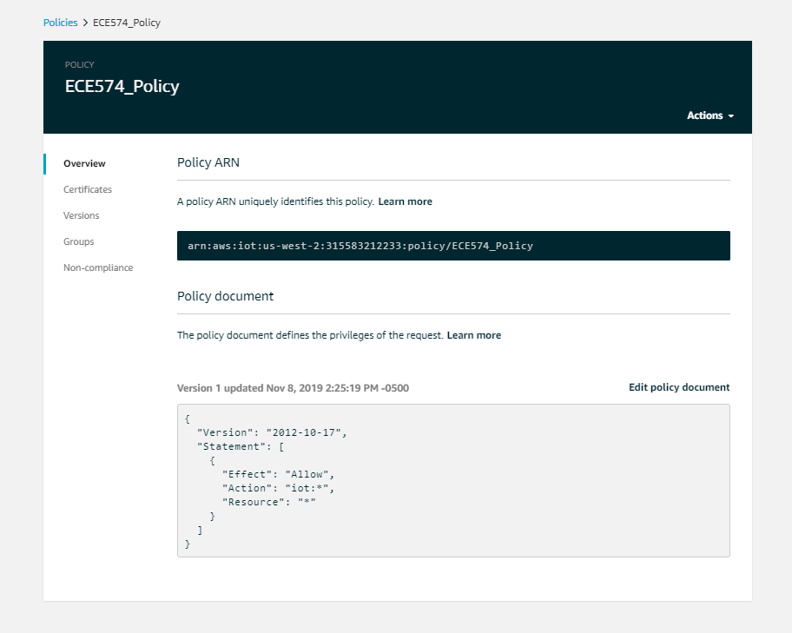 | Pass | 1
3 | Attaching the Thing and Policy to Certificates | 1. Open the Generated Certificate in AWS IoT Console. 2. In Actions select Attach Thing. 3.Then again In Actions select Attach Policy | The Policy ECE574_Policy and Thing ECE574_Project should be Attached and visible In the Certificate Console. |  | Pass | 1
4 | Subscribe and Publish a message to the created Topic using AWS MQTT Client | 1. In test Console Enter the Topic ECE574_Project under Subscription Topic. 2. Click on Scbscribe to Topic. 3.Specify a topic and a message to publish with a QoS of 0. 4.Click on Publish to Topic | The Published message Should be visible on subscriptions under Thing ECE574_Project. | 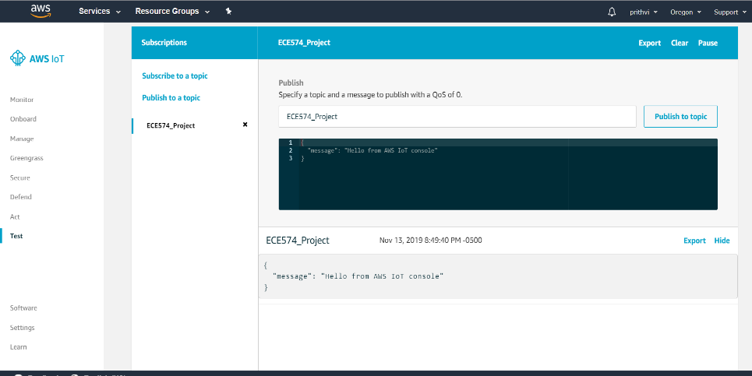 | Pass | 1
5 | Creation of SNS topic in Amazon SNS | 1. Open Amazon SNS Console. 2. Create a Topic ChildAlertSystem. 3.copy and save the topic ARN | 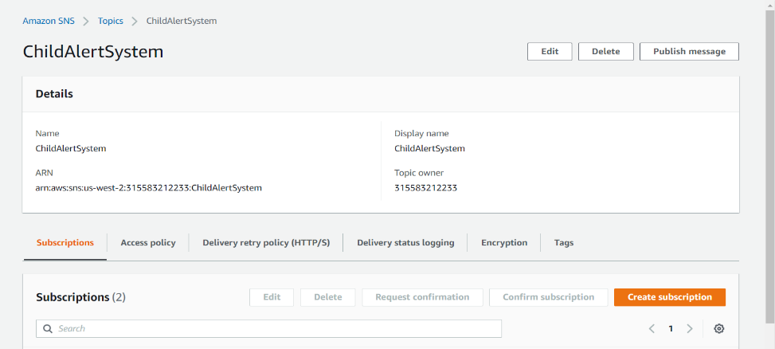 The Topic Child Alert System should be created and visible in Amazon SNS |  | Pass | 1
6 | Creation of SNS topic Subscription in Amazon SNS | 1.Open the created SNS topic. 2. Click on Create Subscription. 3.Select the Protocol type and enter the endpoint(Mobile Numer). 4.Click on Create Subscription. | The SNS Subscriptions should be created and visible under SNS topic | 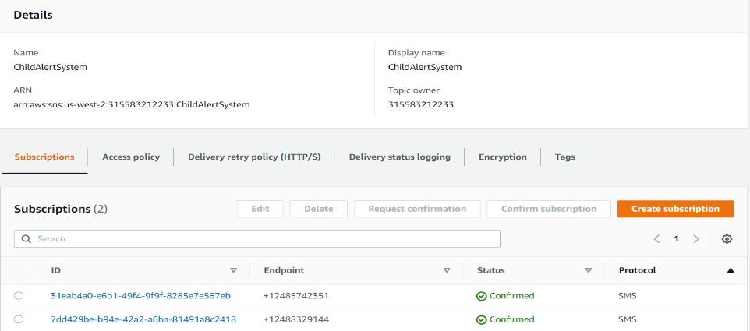 | Pass | 1
7 | Publishing a message in SNS topic | 1. click on Publish Message. 2.Fill the Message Details and Body and Attributes. 3.Click on publish message. | The Published message should be visible in provided End Point Mobile. |  | Pass | 1
8 |  |  |  |  |  | 1
 |  |  |  |  |  | 1

