ConditionalStatements
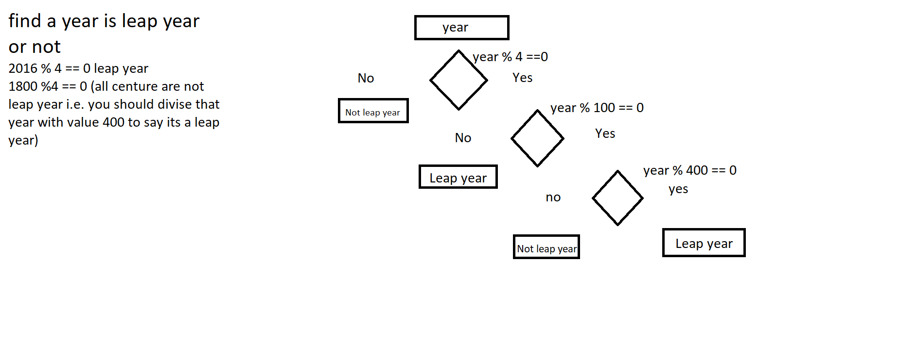
Blocks | {} |  | Relational/Conditional Operator | > | True/False | Arithmetic Operator | + | 5+6 | 11
Statements | ; |  |  | < |  |  | -
 |  |  |  | >= |  |  | /
Conditional Statement | If | True/False |  | <= |  |  | *
 | If Else |  |  | == |  |  | %
 | Else If | Whenever you want multiple statements (more than 2 ) to be handled |  | !=
 | Nested/Ladder If
 | Switch | break; | Logical Operator | && | And
 |  |  | When you have multiple conditions to be handled | || | Or
break |  |  |  | ! | Not
continue

