processes
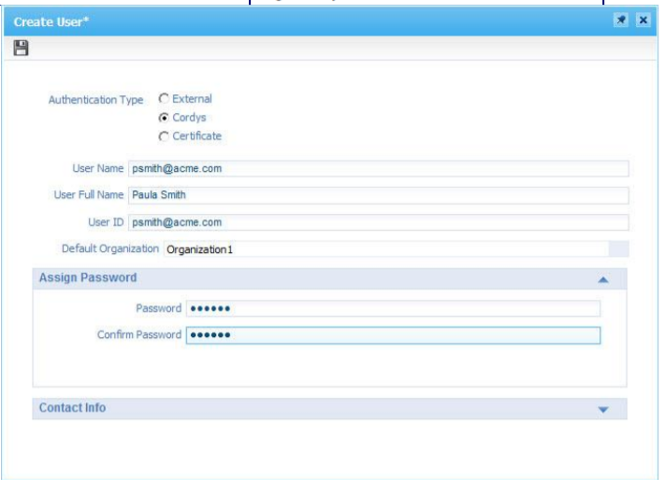
sl no | Process | Roll required | To do
1 | shortcut bar |  | click on blue drop down beside artifact> chose coppy to Shortcutbar -pin icon to show or hide shortcut bar |  | fundamental configuration.
2 | custome tag |  | below copy to task bar,in the box, write a text.(do this to all the artifact you want in your tag) - chose search tag from search bar from top of application pallet. Chose 'make currsnt selection as personalised view ' from blue dropdown |  | Make Changes Available to Others ( icon) | Adminstrator Devloper Analyst
3 | Creating user | Adminstrator | User Manager> Select: Users – Roles>new(+) Authentication Type: Cordys User Name : User Full Name: User ID : Password : **User Name,User ID is given the email id so it can be used while sending email.
4 | Creating roles |  | User Manager> Select: Roles – Roles>new(+)>enter name> add to role to some user. **The role you have just created exists only in your organization and can be assigned to users in your organization only. Select>user- roll or roll-user. Select roll/ user on right(can select multiple). right click and select assign
5 | fundamental configuration. | Devloper
6 | Copying SVN | Devloper | Open fundamental configuration.>Application management tab> coppy svn url
7 | Creating work space | Devloper | 1.Workspace document> (+) > 2. Name: Description : Software Configuration Management type : SVN for team development No source control : if for practice 3. SVN URL copied before 4.Enter your username and password |  | Process instance manager(pim) Case instance manager
8 | Creating project | Devloper | Name of the project: Application project Package Owner : CompanyX Name of the product: Application
9 | folder structure |  | Right click on project> new>folder>giv name. ex: Roles>com>company>application (right click on Roles> set start point of qualified name.) ** while packeged,com>company>application is packages. But Roles will not
10 | Business Process Model |  | New > Other> Business Process Model
11 | System Resource Manager | Analyst
12 | Case model |  | New > Other > case model Initial State> State entry(can be multiple. One for each group)> connector of groups can be solved or complex(transaction is performed on complex or solved) Final state
13 | transaction |  | open properties of complex / solved connector.> general>
14 | Runtime Reference |  | Add Runtime Reference > Other > Web Service Interface
15 | process specific message |  | BPM>Message map> Create Message > (giv name)
16 | xml scema |  | Target Namespace URI+Namespace prefix.> rightclick+ add schema fragment > add elements(with case sensitive name + data type) | ui
17 | ui(xform) |  | folder as start point of quelifiedname(com.company.application)> new web library defination (web content folder)> in folder, new user interface.(give details)> can drag drop/insert models/webservices.> generate ui for input/output msg.>
18 | service container |  | goto container properties> jre configuration>(from fundamental configuration artifact> web service and soa gread,copy HRM utilityes classpath.)>pest it on jre> classpath.

