Sheet1
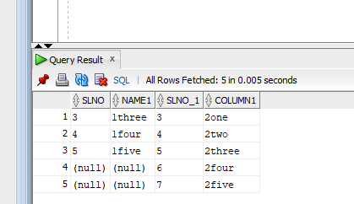
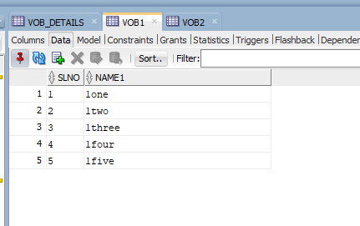
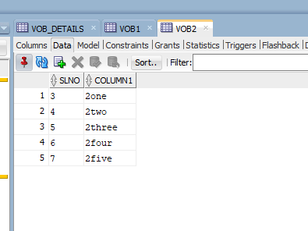

select VOB1.*,VOB2.* from VOB1 inner join VOB2 on vob1.slno = vob2.slno;

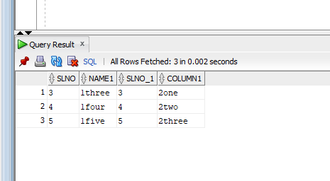

select VOB1.*,VOB2.* from VOB1 left join VOB2 on vob1.slno = vob2.slno;

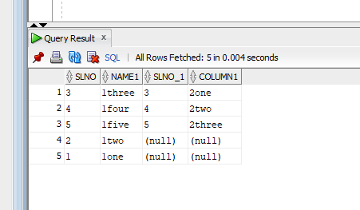

select VOB1.*,VOB2.* from VOB1 right join VOB2 on vob1.slno = vob2.slno;

