Outlier
Type Of Outlier
Univariate outliers | Univariate outliers are those data points in a variable whose values lie beyond the range of expected values. | 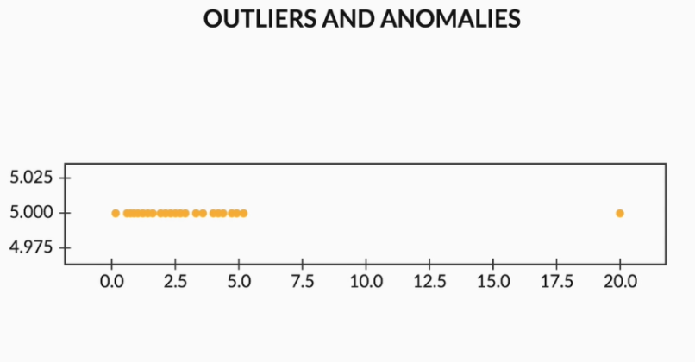
Multivariate outliers | While plotting data, some values of one variable may not lie beyond the expected range, but when you plot the data with some other variable, these values may lie far from the expected value. | 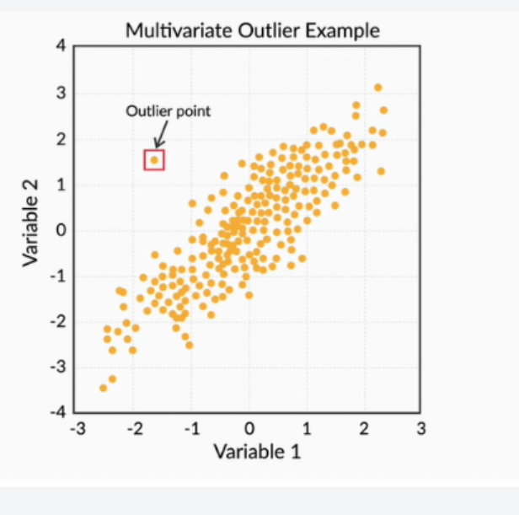

the major approaches to the treatment of outliers can include:
Imputation
Deletion of outliers
Binning of values
Capping the outliers

