Default Settings
 | train | test | Happy_train | Happy_test | train + 3000 test | train + 6000
 | 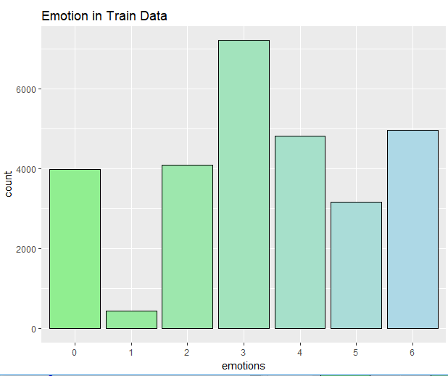 | 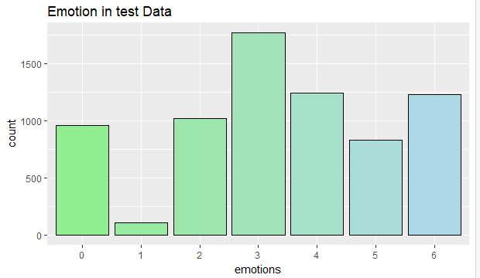 | 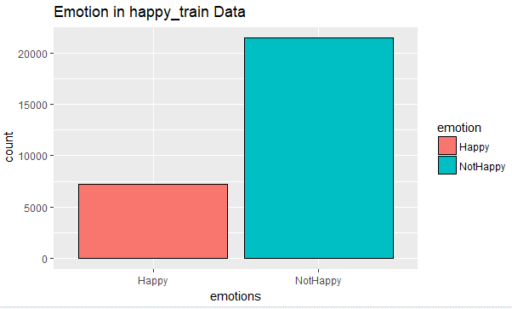 | 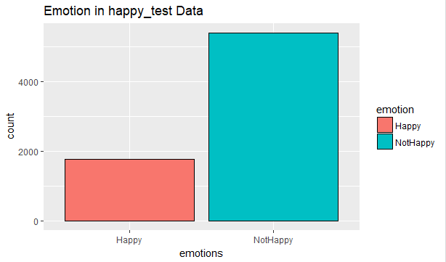 | 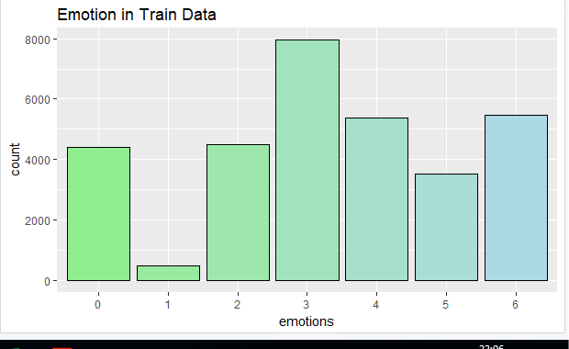 | 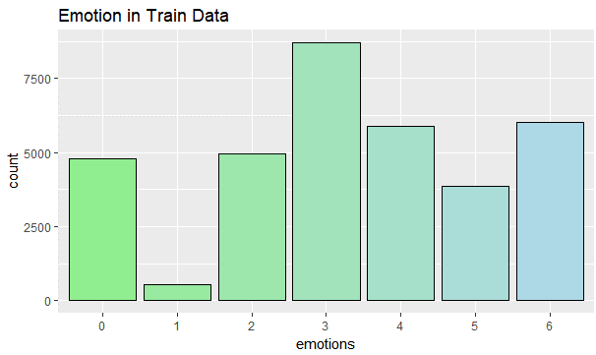
Total Records | 0 1 2 3 4 5 6 3995 436 4097 7215 4830 3171 4965 | 0 1 2 3 4 5 6 958 111 1024 1774 1247 831 1233 | Happy NotHappy 7215 21494 | Happy NotHappy 1774 5404 | 0 1 2 3 4 5 6 4397 484 4510 7966 5363 3517 5472 | 0 1 2 3 4 5 6 4776 532 4953 8715 5873 3854 6006
Unique Records | 0 1 2 3 4 5 6 3849 381 3909 7087 4733 2682 4874 | 0 1 2 3 4 5 6 946 109 1014 1767 1241 794 1225 | Happy NotHappy 7087 20388 | Happy NotHappy 1767 5326 | 0 1 2 3 4 5 6 4222 417 4280 7812 5243 2929 5364 | 0 1 2 3 4 5 6 4576 450 4682 8541 5733 3170 5872
PCA plot | 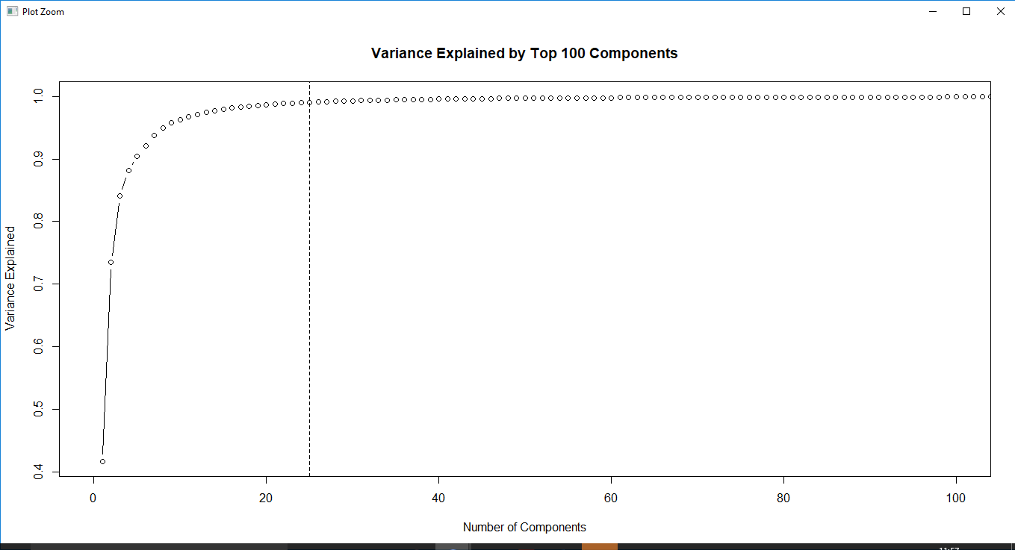 | 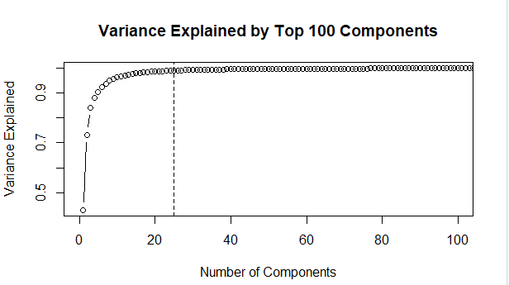 | 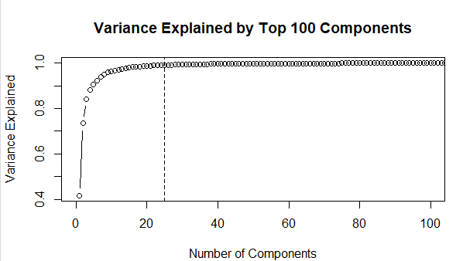 | 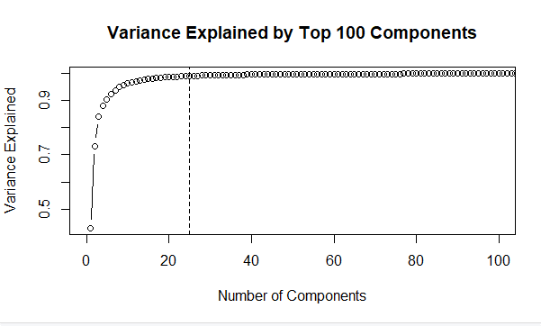 | 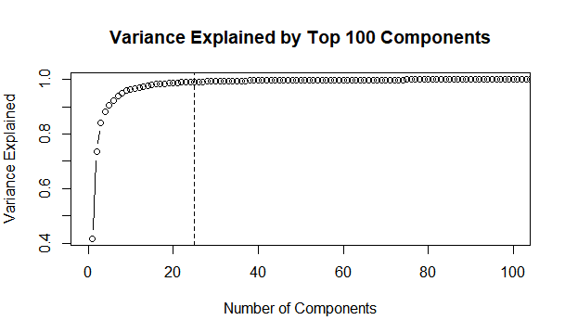 | 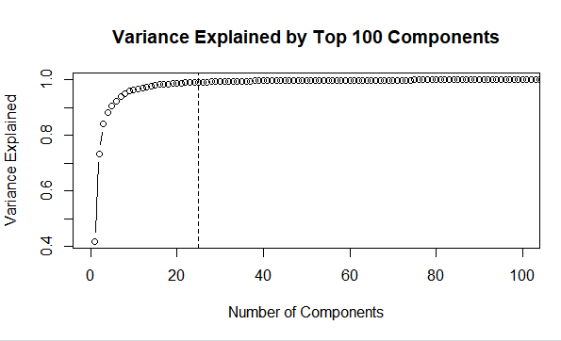
First 2 principal components | 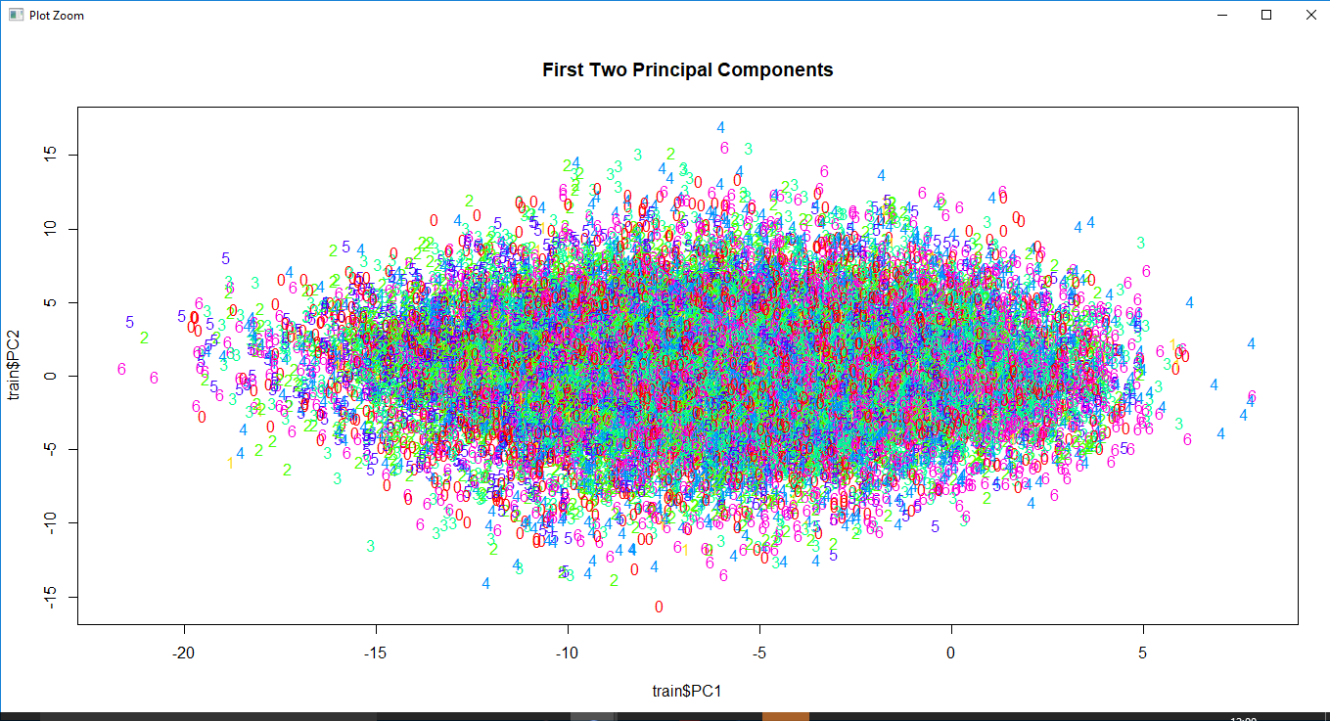 | 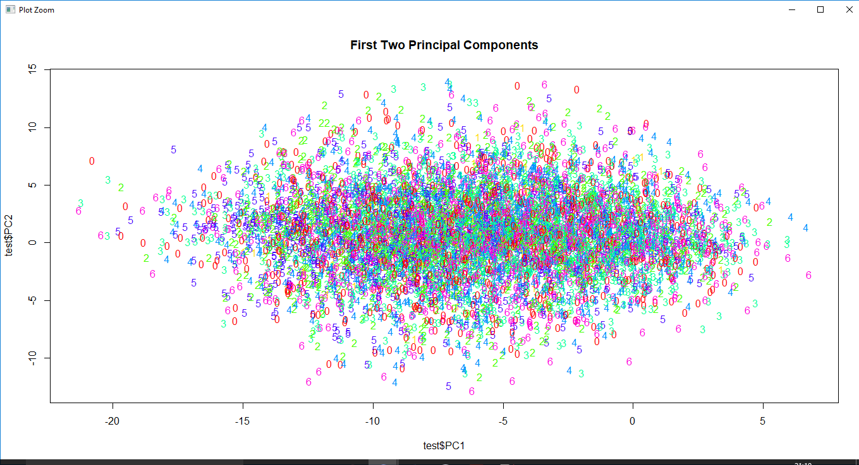 | 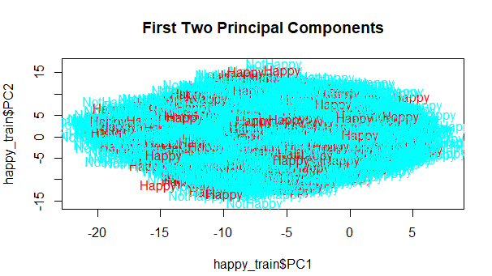 | 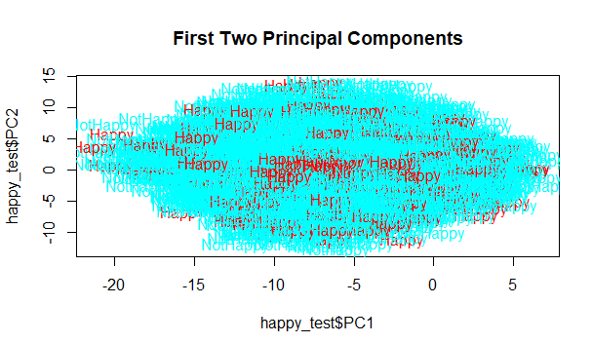 | 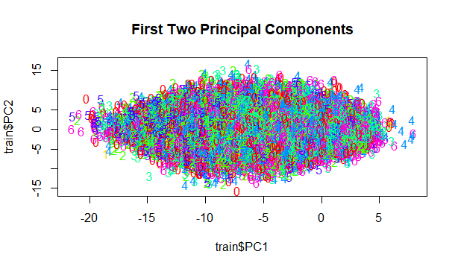 | 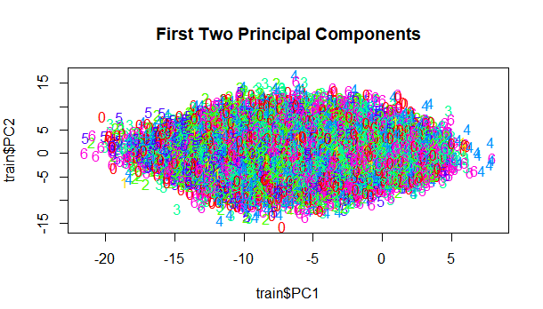
summary - J48 using R | === Summary === Correctly Classified Instances 24485 88.9878 % Incorrectly Classified Instances 3030 11.0122 % Kappa statistic 0.8662 Mean absolute error 0.0444 Root mean squared error 0.149 Relative absolute error 18.8731 % Root relative squared error 43.4434 % Total Number of Instances 27515 | === Summary === Correctly Classified Instances 6283 88.5428 % Incorrectly Classified Instances 813 11.4572 % Kappa statistic 0.8613 Mean absolute error 0.0465 Root mean squared error 0.1525 Relative absolute error 19.7028 % Root relative squared error 44.3886 % Total Number of Instances 7096 | === Summary === Correctly Classified Instances 22394 81.5068 % Incorrectly Classified Instances 5081 18.4932 % Kappa statistic 0.4089 Mean absolute error 0.2751 Root mean squared error 0.3709 Relative absolute error 71.8573 % Root relative squared error 84.7697 % Total Number of Instances 27475 | === Summary === Correctly Classified Instances 5892 83.0678 % Incorrectly Classified Instances 1201 16.9322 % Kappa statistic 0.4459 Mean absolute error 0.2624 Root mean squared error 0.3622 Relative absolute error 70.1393 % Root relative squared error 83.7532 % Total Number of Instances 7093 | === Summary === Correctly Classified Instances 26878 88.803 % Incorrectly Classified Instances 3389 11.197 % Kappa statistic 0.8639 Mean absolute error 0.0453 Root mean squared error 0.1505 Relative absolute error 19.2691 % Root relative squared error 43.8968 % Total Number of Instances 30267 | '=== Summary === Correctly Classified Instances 29356 88.8929 % Incorrectly Classified Instances 3668 11.1071 % Kappa statistic 0.8649 Mean absolute error 0.0451 Root mean squared error 0.1502 Relative absolute error 19.1972 % Root relative squared error 43.8148 % Total Number of Instances 33024
Confusion Matrix - J48 using R | === Confusion Matrix === a b c d e f g <-- classified as 3489 3 55 112 86 38 66 | a = 0 25 293 6 20 6 13 18 | b = 1 109 29 3492 84 74 50 71 | c = 2 139 27 150 6541 94 55 81 | d = 3 141 19 118 144 4195 29 87 | e = 4 70 19 96 102 91 2243 61 | f = 5 | === Confusion Matrix === a b c d e f g <-- classified as 850 0 18 31 18 9 20 | a = 0 10 65 7 10 11 2 4 | b = 1 31 6 897 33 15 15 17 | c = 2 31 6 27 1640 24 11 28 | d = 3 26 10 34 32 1107 8 24 | e = 4 18 3 23 29 19 683 19 | f = 5 39 5 37 44 36 23 1041 | g = 6 | === Confusion Matrix === a b <-- classified as 2561 4526 | a = Happy 555 19833 | b = NotHappy | === Confusion Matrix === a b <-- classified as 682 1085 | a = Happy 116 5210 | b = NotHappy | === Confusion Matrix === a b c d e f g <-- classified as 3810 4 73 101 96 43 95 | a = 0 25 316 14 21 20 8 13 | b = 1 122 20 3758 133 111 67 69 | c = 2 142 22 146 7227 108 47 120 | d = 3 130 23 154 160 4652 50 74 | e = 4 91 18 97 106 101 2453 63 | f = 5 140 32 118 189 155 68 4662 | g = 6 | === Confusion Matrix === a b c d e f g <-- classified as 4146 7 70 126 79 53 95 | a = 0 30 335 17 34 14 5 15 | b = 1 140 19 4137 123 110 60 93 | c = 2 174 28 162 7860 135 50 132 | d = 3 133 18 129 180 5106 43 124 | e = 4 103 26 106 127 82 2675 51 | f = 5 137 21 149 223 161 84 5097 | g = 6
summary - J48 using Weka | === Summary === Correctly Classified Instances 6870 24.9682 % Incorrectly Classified Instances 20645 75.0318 % Kappa statistic 0.0896 Mean absolute error 0.2158 Root mean squared error 0.4389 Relative absolute error 91.753 % Root relative squared error 127.98 % Total Number of Instances 27515 | === Summary === Correctly Classified Instances 1635 23.0411 % Incorrectly Classified Instances 5461 76.9589 % Kappa statistic 0.0703 Mean absolute error 0.2209 Root mean squared error 0.4435 Relative absolute error 93.5364 % Root relative squared error 129.0689 % Total Number of Instances 7096 | === Summary === Correctly Classified Instances 20021 72.8699 % Incorrectly Classified Instances 7454 27.1301 % Kappa statistic 0.1293 Mean absolute error 0.353 Root mean squared error 0.4575 Relative absolute error 92.2034 % Root relative squared error 104.5818 % Total Number of Instances 27475 | === Summary === Correctly Classified Instances 5197 73.2694 % Incorrectly Classified Instances 1896 26.7306 % Kappa statistic 0.0726 Mean absolute error 0.3491 Root mean squared error 0.458 Relative absolute error 93.2978 % Root relative squared error 105.8963 % Total Number of Instances 7093 | === Summary === Correctly Classified Instances 7618 25.1693 % Incorrectly Classified Instances 22649 74.8307 % Kappa statistic 0.0916 Mean absolute error 0.215 Root mean squared error 0.4376 Relative absolute error 91.4245 % Root relative squared error 127.6252 % Total Number of Instances 30267 | === Summary === Correctly Classified Instances 8456 25.6056 % Incorrectly Classified Instances 24568 74.3944 % Kappa statistic 0.0966 Mean absolute error 0.2138 Root mean squared error 0.4364 Relative absolute error 90.9709 % Root relative squared error 127.3086 % Total Number of Instances 33024
Detailed Accuracy By Class - J48 using Weka | === Detailed Accuracy By Class === TP Rate FP Rate Precision Recall F-Measure MCC ROC Area PRC Area Class 0.211 0.142 0.195 0.211 0.202 0.067 0.538 0.156 0 0.092 0.014 0.083 0.092 0.087 0.074 0.557 0.024 1 0.212 0.141 0.199 0.212 0.206 0.069 0.540 0.159 2 0.334 0.227 0.338 0.334 0.336 0.107 0.558 0.292 3 0.226 0.154 0.233 0.226 0.229 0.072 0.543 0.194 4 0.245 0.077 0.254 0.245 0.249 0.170 0.599 0.149 5 0.227 0.154 0.240 0.227 0.233 0.074 0.539 0.196 6 Weighted Avg. 0.250 0.160 0.251 0.250 0.250 0.090 0.551 0.202 | === Detailed Accuracy By Class === TP Rate FP Rate Precision Recall F-Measure MCC ROC Area PRC Area Class 0.168 0.135 0.161 0.168 0.164 0.032 0.519 0.142 0 0.037 0.020 0.028 0.037 0.031 0.014 0.515 0.017 1 0.186 0.143 0.178 0.186 0.182 0.043 0.518 0.154 2 0.310 0.226 0.312 0.310 0.311 0.084 0.547 0.278 3 0.226 0.160 0.231 0.226 0.229 0.067 0.537 0.193 4 0.262 0.088 0.272 0.262 0.267 0.176 0.596 0.165 5 0.202 0.157 0.211 0.202 0.206 0.045 0.522 0.183 6 Weighted Avg. 0.230 0.160 0.232 0.230 0.231 0.071 0.538 0.194 | === Detailed Accuracy By Class === TP Rate FP Rate Precision Recall F-Measure MCC ROC Area PRC Area Class 0.189 0.084 0.440 0.189 0.264 0.147 0.598 0.343 Happy 0.916 0.811 0.765 0.916 0.834 0.147 0.598 0.778 NotHappy Weighted Avg. 0.729 0.623 0.681 0.729 0.687 0.147 0.598 0.666 | === Detailed Accuracy By Class === TP Rate FP Rate Precision Recall F-Measure MCC ROC Area PRC Area Class 0.120 0.064 0.383 0.120 0.183 0.090 0.590 0.319 Happy 0.936 0.880 0.762 0.936 0.840 0.090 0.590 0.792 NotHappy Weighted Avg. 0.733 0.677 0.668 0.733 0.676 0.090 0.590 0.674 | === Detailed Accuracy By Class === TP Rate FP Rate Precision Recall F-Measure MCC ROC Area PRC Area Class 0.210 0.143 0.193 0.210 0.201 0.065 0.537 0.156 0 0.101 0.014 0.091 0.101 0.096 0.083 0.569 0.027 1 0.214 0.137 0.205 0.214 0.209 0.076 0.543 0.162 2 0.333 0.224 0.341 0.333 0.337 0.110 0.562 0.295 3 0.230 0.163 0.229 0.230 0.229 0.067 0.539 0.191 4 0.254 0.072 0.276 0.254 0.265 0.190 0.609 0.158 5 0.226 0.156 0.238 0.226 0.232 0.072 0.542 0.198 6 Weighted Avg. 0.252 0.160 0.254 0.252 0.252 0.092 0.553 0.205 | === Detailed Accuracy By Class === TP Rate FP Rate Precision Recall F-Measure MCC ROC Area PRC Area Class 0.206 0.140 0.191 0.206 0.198 0.064 0.539 0.156 0 0.093 0.015 0.081 0.093 0.087 0.073 0.567 0.026 1 0.223 0.137 0.212 0.223 0.217 0.084 0.548 0.164 2 0.342 0.225 0.346 0.342 0.344 0.117 0.568 0.298 3 0.234 0.157 0.238 0.234 0.236 0.077 0.542 0.195 4 0.250 0.073 0.266 0.250 0.258 0.182 0.610 0.154 5 0.234 0.156 0.245 0.234 0.240 0.080 0.542 0.200 6 Weighted Avg. 0.256 0.159 0.258 0.256 0.257 0.097 0.556 0.206
Confusion Matrix - J48 using Weka | === Confusion Matrix === a b c d e f g <-- classified as 0 0 0 3849 0 0 0 | a = 0 0 0 0 381 0 0 0 | b = 1 0 0 0 3909 0 0 0 | c = 2 0 0 0 7087 0 0 0 | d = 3 0 0 0 4733 0 0 0 | e = 4 0 0 0 2682 0 0 0 | f = 5 0 0 0 4874 0 0 0 | g = 6 | === Confusion Matrix === a b c d e f g <-- classified as 159 23 128 235 155 81 165 | a = 0 14 4 22 22 23 8 16 | b = 1 140 19 189 216 157 143 150 | c = 2 246 36 213 547 287 140 298 | d = 3 190 25 193 264 281 85 203 | e = 4 85 17 136 158 99 208 91 | f = 5 156 21 178 309 214 100 247 | g = 6 | === Confusion Matrix === a b <-- classified as 1339 5748 | a = Happy 1706 18682 | b = NotHap | === Confusion Matrix === a b <-- classified as 212 1555 | a = Happy 341 4985 | b = NotHappy | === Confusion Matrix === a b c d e f g <-- classified as 888 67 561 1059 740 279 628 | a = 0 68 42 60 96 63 36 52 | b = 1 659 61 918 827 709 414 692 | c = 2 1089 94 993 2603 1265 512 1256 | d = 3 778 86 739 1197 1208 338 897 | e = 4 345 31 498 568 388 745 354 | f = 5 775 80 715 1290 913 377 1214 | g = 6 | === Confusion Matrix === a b c d e f g <-- classified as 941 66 676 1063 804 322 704 | a = 0 61 42 70 109 63 31 74 | b = 1 693 70 1044 968 741 494 672 | c = 2 1180 124 1050 2920 1275 582 1410 | d = 3 870 82 817 1308 1341 355 960 | e = 4 393 55 505 638 378 793 408 | f = 5 785 82 764 1424 1035 407 1375 | g = 6
J48 classification Tree |  | 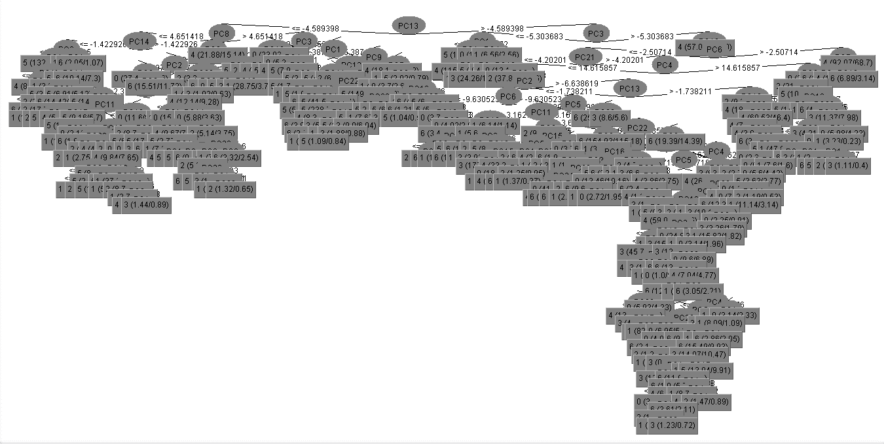 | 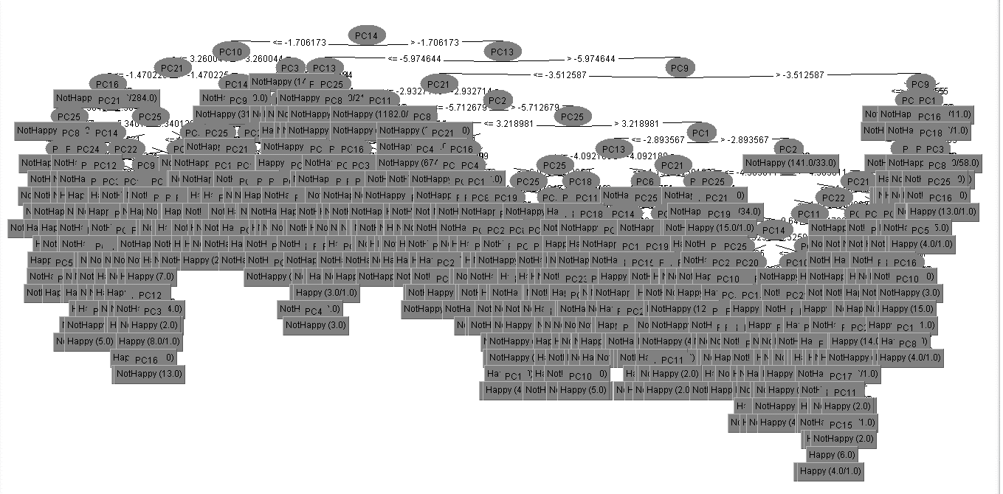 | 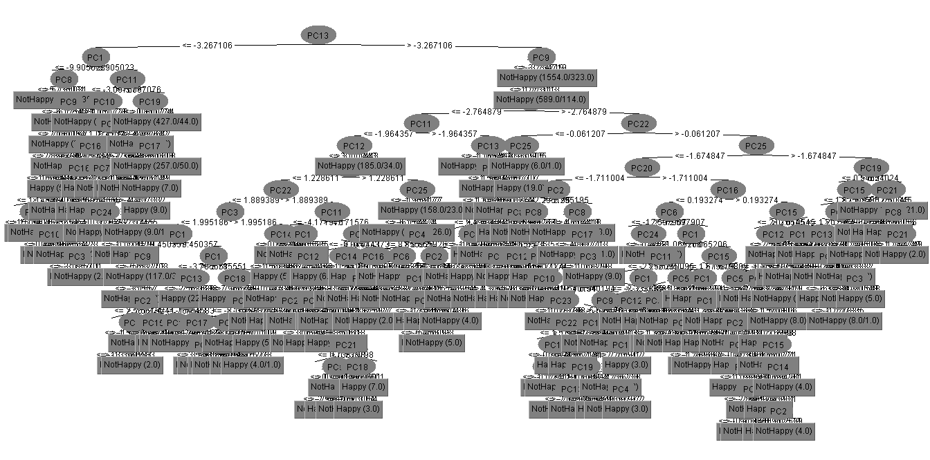 | 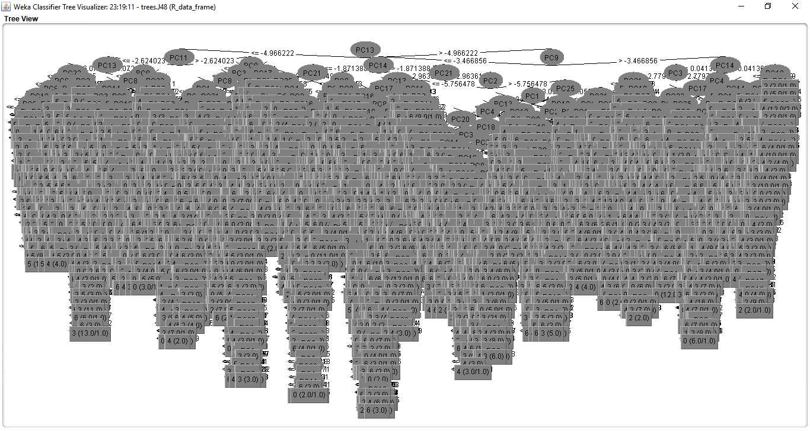
summary - User Classifier using Weka | === Stratified cross-validation === === Summary === Correctly Classified Instances 4670 65.8396 % Incorrectly Classified Instances 2423 34.1604 % Kappa statistic 0.0808 Mean absolute error 0.3415 Root mean squared error 0.5843 Relative absolute error 91.2621 % Root relative squared error 135.0947 % Total Number of Instances 7093 | === Stratified cross-validation === === Summary === Correctly Classified Instances 1767 24.9014 % Incorrectly Classified Instances 5329 75.0986 % Kappa statistic 0 Mean absolute error 0.2362 Root mean squared error 0.3436 Relative absolute error 99.996 % Root relative squared error 100 % Total Number of Instances 7096 | === Summary === Correctly Classified Instances 20388 74.2056 % Incorrectly Classified Instances 7087 25.7944 % Kappa statistic 0 Mean absolute error 0.3828 Root mean squared error 0.4375 Relative absolute error 99.9975 % Root relative squared error 100 % Total Number of Instances 27475 | === Summary === Correctly Classified Instances 5326 75.0881 % Incorrectly Classified Instances 1767 24.9119 % Kappa statistic 0 Mean absolute error 0.3741 Root mean squared error 0.4325 Relative absolute error 99.9895 % Root relative squared error 100 % Total Number of Instances 7093 | === Stratified cross-validation === === Summary === Correctly Classified Instances 7812 25.8103 % Incorrectly Classified Instances 22455 74.1897 % Kappa statistic 0 Mean absolute error 0.2351 Root mean squared error 0.3429 Relative absolute error 99.9989 % Root relative squared error 100 % Total Number of Instances 30267 | === Summary === Correctly Classified Instances 8541 25.863 % Incorrectly Classified Instances 24483 74.137 % Kappa statistic 0 Mean absolute error 0.235 Root mean squared error 0.3428 Relative absolute error 99.999 % Root relative squared error 100 % Total Number of Instances 33024
Detailed Accuracy By Class - User Classifier using Weka | === Detailed Accuracy By Class === TP Rate FP Rate Precision Recall F-Measure MCC ROC Area PRC Area Class 0.304 0.224 0.311 0.304 0.308 0.081 0.540 0.268 Happy 0.776 0.696 0.771 0.776 0.773 0.081 0.540 0.766 NotHappy Weighted Avg. 0.658 0.578 0.656 0.658 0.657 0.081 0.540 0.642 | === Detailed Accuracy By Class === TP Rate FP Rate Precision Recall F-Measure MCC ROC Area PRC Area Class 0.000 0.000 0.000 0.000 0.000 0.000 0.499 0.133 0 0.000 0.000 0.000 0.000 0.000 0.000 0.496 0.015 1 0.000 0.000 0.000 0.000 0.000 0.000 0.499 0.143 2 1.000 1.000 0.249 1.000 0.399 0.000 0.499 0.248 3 0.000 0.000 0.000 0.000 0.000 0.000 0.499 0.175 4 0.000 0.000 0.000 0.000 0.000 0.000 0.498 0.111 5 0.000 0.000 0.000 0.000 0.000 0.000 0.499 0.172 6 Weighted Avg. 0.249 0.249 0.062 0.249 0.099 0.000 0.499 0.173 | === Detailed Accuracy By Class === TP Rate FP Rate Precision Recall F-Measure MCC ROC Area PRC Area Class 0.000 0.000 0.000 0.000 0.000 0.000 0.500 0.258 Happy 1.000 1.000 0.742 1.000 0.852 0.000 0.500 0.742 NotHappy Weighted Avg. 0.742 0.742 0.551 0.742 0.632 0.000 0.500 0.617 | === Detailed Accuracy By Class === TP Rate FP Rate Precision Recall F-Measure MCC ROC Area PRC Area Class 0.000 0.000 0.000 0.000 0.000 0.000 0.499 0.249 Happy 1.000 1.000 0.751 1.000 0.858 0.000 0.499 0.751 NotHappy Weighted Avg. 0.751 0.751 0.564 0.751 0.644 0.000 0.499 0.626 | === Detailed Accuracy By Class === TP Rate FP Rate Precision Recall F-Measure MCC ROC Area PRC Area Class 0.000 0.000 0.000 0.000 0.000 0.000 0.500 0.139 0 0.000 0.000 0.000 0.000 0.000 0.000 0.497 0.014 1 0.000 0.000 0.000 0.000 0.000 0.000 0.500 0.141 2 1.000 1.000 0.258 1.000 0.410 0.000 0.500 0.258 3 0.000 0.000 0.000 0.000 0.000 0.000 0.500 0.173 4 0.000 0.000 0.000 0.000 0.000 0.000 0.500 0.097 5 0.000 0.000 0.000 0.000 0.000 0.000 0.500 0.177 6 Weighted Avg. 0.258 0.258 0.067 0.258 0.106 0.000 0.500 0.177 | === Detailed Accuracy By Class === TP Rate FP Rate Precision Recall F-Measure MCC ROC Area PRC Area Class 0.000 0.000 0.000 0.000 0.000 0.000 0.500 0.138 0 0.000 0.000 0.000 0.000 0.000 0.000 0.500 0.014 1 0.000 0.000 0.000 0.000 0.000 0.000 0.500 0.142 2 1.000 1.000 0.259 1.000 0.411 0.000 0.500 0.259 3 0.000 0.000 0.000 0.000 0.000 0.000 0.500 0.174 4 0.000 0.000 0.000 0.000 0.000 0.000 0.500 0.096 5 0.000 0.000 0.000 0.000 0.000 0.000 0.500 0.178 6 Weighted Avg. 0.259 0.259 0.067 0.259 0.106 0.000 0.500 0.177
Confusion Matrix - User Classifier using Weka | === Confusion Matrix === a b <-- classified as 538 1229 | a = Happy 1194 4132 | b = NotHappy | === Confusion Matrix === a b c d e f g <-- classified as 0 0 0 946 0 0 0 | a = 0 0 0 0 109 0 0 0 | b = 1 0 0 0 1014 0 0 0 | c = 2 0 0 0 1767 0 0 0 | d = 3 0 0 0 1241 0 0 0 | e = 4 0 0 0 794 0 0 0 | f = 5 0 0 0 1225 0 0 0 | g = 6 | === Confusion Matrix === a b <-- classified as 0 7087 | a = Happy 0 20388 | b = NotHappy | === Confusion Matrix === a b <-- classified as 0 1767 | a = Happy 0 5326 | b = NotHappy | === Confusion Matrix === a b c d e f g <-- classified as 0 0 0 4222 0 0 0 | a = 0 0 0 0 417 0 0 0 | b = 1 0 0 0 4280 0 0 0 | c = 2 0 0 0 7812 0 0 0 | d = 3 0 0 0 5243 0 0 0 | e = 4 0 0 0 2929 0 0 0 | f = 5 0 0 0 5364 0 0 0 | g = 6 | === Confusion Matrix === a b c d e f g <-- classified as 0 0 0 4576 0 0 0 | a = 0 0 0 0 450 0 0 0 | b = 1 0 0 0 4682 0 0 0 | c = 2 0 0 0 8541 0 0 0 | d = 3 0 0 0 5733 0 0 0 | e = 4 0 0 0 3170 0 0 0 | f = 5 0 0 0 5872 0 0 0 | g = 6
summary - Random forest using Weka | === Summary === Correctly Classified Instances 6614 24.0378 % Incorrectly Classified Instances 20901 75.9622 % Kappa statistic 0.0788 Mean absolute error 0.217 Root mean squared error 0.4657 Relative absolute error 92.2696 % Root relative squared error 135.8096 % Total Number of Instances 27515 | === Summary === Correctly Classified Instances 1672 23.5626 % Incorrectly Classified Instances 5424 76.4374 % Kappa statistic 0.0761 Mean absolute error 0.2183 Root mean squared error 0.4672 Relative absolute error 92.4365 % Root relative squared error 135.9519 % Total Number of Instances 7096 | === Summary === Correctly Classified Instances 18024 65.6015 % Incorrectly Classified Instances 9451 34.3985 % Kappa statistic 0.1097 Mean absolute error 0.344 Root mean squared error 0.5865 Relative absolute error 89.854 % Root relative squared error 134.0534 % Total Number of Instances 27475 | === Stratified cross-validation === === Summary === Correctly Classified Instances 4670 65.8396 % Incorrectly Classified Instances 2423 34.1604 % Kappa statistic 0.0808 Mean absolute error 0.3415 Root mean squared error 0.5843 Relative absolute error 91.2621 % Root relative squared error 135.0947 % Total Number of Instances 7093 | === Summary === Correctly Classified Instances 7421 24.5185 % Incorrectly Classified Instances 22846 75.4815 % Kappa statistic 0.0836 Mean absolute error 0.2157 Root mean squared error 0.4642 Relative absolute error 91.7151 % Root relative squared error 135.3884 % Total Number of Instances 30267 | === Summary === Correctly Classified Instances 8384 25.3876 % Incorrectly Classified Instances 24640 74.6124 % Kappa statistic 0.0948 Mean absolute error 0.2132 Root mean squared error 0.4615 Relative absolute error 90.69 % Root relative squared error 134.6289 % Total Number of Instances 33024
 | === Detailed Accuracy By Class === TP Rate FP Rate Precision Recall F-Measure MCC ROC Area PRC Area Class 0.187 0.136 0.183 0.187 0.185 0.051 0.526 0.148 0 0.110 0.014 0.097 0.110 0.103 0.090 0.548 0.023 1 0.203 0.137 0.197 0.203 0.200 0.065 0.533 0.153 2 0.318 0.226 0.328 0.318 0.323 0.093 0.546 0.280 3 0.219 0.161 0.220 0.219 0.220 0.058 0.529 0.183 4 0.243 0.085 0.237 0.243 0.240 0.156 0.579 0.131 5 0.229 0.162 0.233 0.229 0.231 0.067 0.533 0.190 6 Weighted Avg. 0.240 0.162 0.242 0.240 0.241 0.079 0.539 0.193 | === Detailed Accuracy By Class === TP Rate FP Rate Precision Recall F-Measure MCC ROC Area PRC Area Class 0.166 0.121 0.174 0.166 0.170 0.046 0.522 0.140 0 0.092 0.018 0.074 0.092 0.082 0.066 0.537 0.021 1 0.188 0.141 0.182 0.188 0.185 0.047 0.524 0.150 2 0.308 0.225 0.312 0.308 0.310 0.084 0.542 0.269 3 0.224 0.165 0.224 0.224 0.224 0.059 0.530 0.186 4 0.251 0.093 0.254 0.251 0.252 0.159 0.580 0.148 5 0.239 0.162 0.236 0.239 0.238 0.077 0.539 0.188 6 Weighted Avg. 0.236 0.160 0.236 0.236 0.236 0.076 0.538 0.189 | === Detailed Accuracy By Class === TP Rate FP Rate Precision Recall F-Measure MCC ROC Area PRC Area Class 0.347 0.237 0.338 0.347 0.343 0.110 0.555 0.286 Happy 0.763 0.653 0.771 0.763 0.767 0.110 0.555 0.764 NotHappy Weighted Avg. 0.656 0.545 0.659 0.656 0.658 0.110 0.555 0.641 | === Detailed Accuracy By Class === TP Rate FP Rate Precision Recall F-Measure MCC ROC Area PRC Area Class 0.304 0.224 0.311 0.304 0.308 0.081 0.540 0.268 Happy 0.776 0.696 0.771 0.776 0.773 0.081 0.540 0.766 NotHappy Weighted Avg. 0.658 0.578 0.656 0.658 0.657 0.081 0.540 0.642 | === Detailed Accuracy By Class === TP Rate FP Rate Precision Recall F-Measure MCC ROC Area PRC Area Class 0.195 0.132 0.193 0.195 0.194 0.063 0.531 0.150 0 0.137 0.013 0.130 0.137 0.133 0.121 0.562 0.030 1 0.212 0.134 0.206 0.212 0.209 0.077 0.539 0.155 2 0.316 0.231 0.323 0.316 0.319 0.086 0.543 0.279 3 0.224 0.161 0.225 0.224 0.225 0.063 0.531 0.185 4 0.258 0.080 0.258 0.258 0.258 0.178 0.590 0.139 5 0.230 0.166 0.230 0.230 0.230 0.064 0.532 0.189 6 Weighted Avg. 0.245 0.162 0.246 0.245 0.246 0.083 0.541 0.194 | === Detailed Accuracy By Class === TP Rate FP Rate Precision Recall F-Measure MCC ROC Area PRC Area Class 0.207 0.132 0.202 0.207 0.204 0.074 0.538 0.152 0 0.096 0.014 0.085 0.096 0.090 0.077 0.541 0.020 1 0.209 0.132 0.207 0.209 0.208 0.077 0.539 0.156 2 0.327 0.221 0.341 0.327 0.334 0.108 0.553 0.286 3 0.235 0.163 0.233 0.235 0.234 0.072 0.536 0.188 4 0.265 0.082 0.255 0.265 0.260 0.180 0.592 0.138 5 0.245 0.162 0.246 0.245 0.246 0.083 0.541 0.195 6 Weighted Avg. 0.254 0.159 0.255 0.254 0.255 0.095 0.547 0.198
Confusion Matrix - Random tree using Weka | === Confusion Matrix === a b c d e f g <-- classified as 721 53 555 875 676 331 638 | a = 0 58 42 55 84 43 51 48 | b = 1 547 53 794 853 645 409 608 | c = 2 902 98 937 2255 1133 566 1196 | d = 3 692 69 657 1104 1036 364 811 | e = 4 338 43 398 542 340 651 370 | f = 5 675 73 638 1163 830 380 1115 | g = 6 | === Confusion Matrix === a b c d e f g <-- classified as 157 14 149 217 173 87 149 | a = 0 9 10 14 26 22 9 19 | b = 1 112 15 191 227 171 133 165 | c = 2 231 44 241 544 277 142 288 | d = 3 170 22 177 278 278 106 210 | e = 4 75 15 132 153 102 199 118 | f = 5 149 15 145 296 219 108 293 | g = 6 | === Confusion Matrix === a b <-- classified as 2462 4625 | a = Happy 4826 15562 | b = NotHappy | === Confusion Matrix === a b <-- classified as 538 1229 | a = Happy 1194 4132 | b = NotHappy | === Confusion Matrix === a b c d e f g <-- classified as 824 54 589 1023 738 328 666 | a = 0 52 57 57 87 64 28 72 | b = 1 549 46 907 930 707 458 683 | c = 2 1058 108 995 2471 1204 594 1382 | d = 3 751 74 751 1212 1174 357 924 | e = 4 340 38 457 540 394 755 405 | f = 5 696 61 641 1393 930 410 1233 | g = 6 | === Confusion Matrix === a b c d e f g <-- classified as 946 67 608 1058 819 381 697 | a = 0 60 43 69 102 70 38 68 | b = 1 602 84 979 1047 743 500 727 | c = 2 1126 100 1048 2793 1368 668 1438 | d = 3 821 74 815 1254 1346 391 1032 | e = 4 351 49 478 606 414 840 432 | f = 5 782 87 730 1333 1026 477 1437 | g = 6
Random tree classification Tree |  | 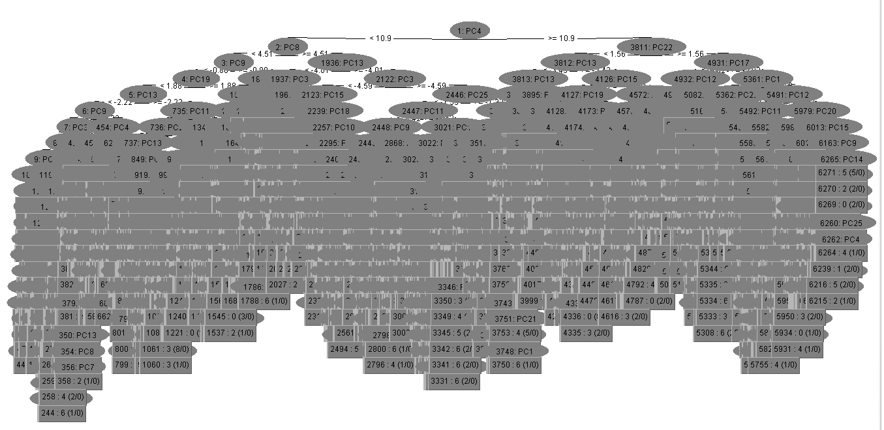 | 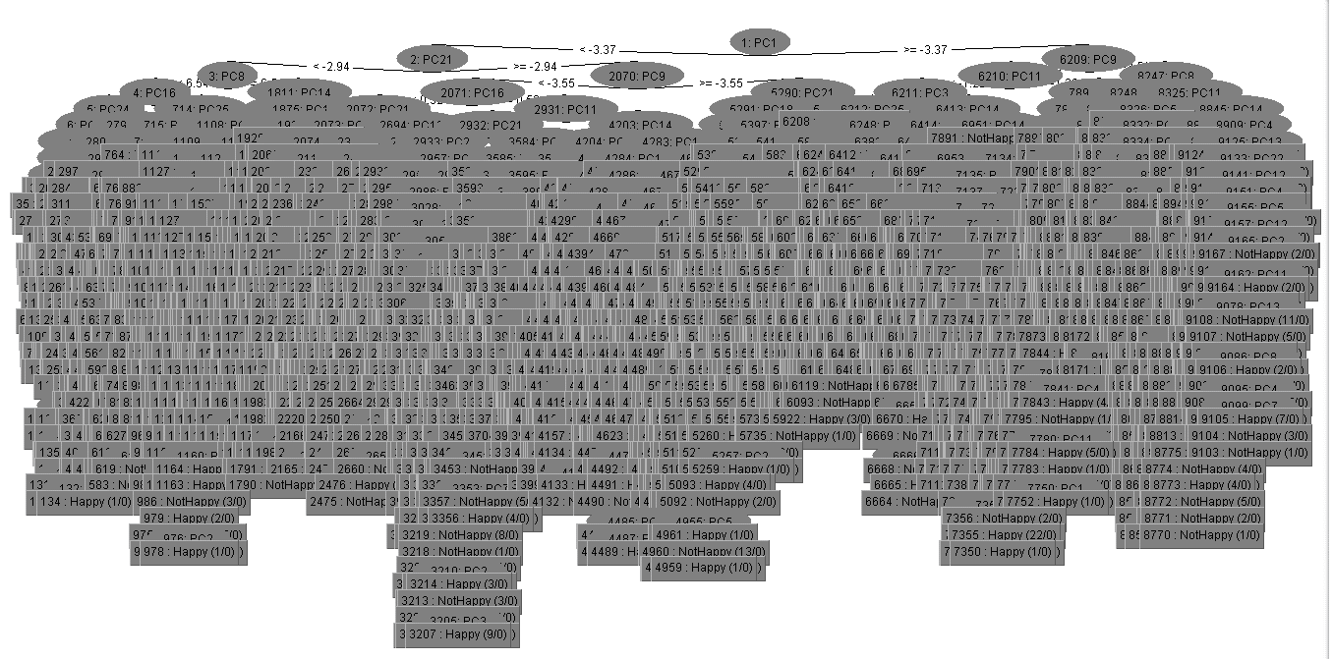 | 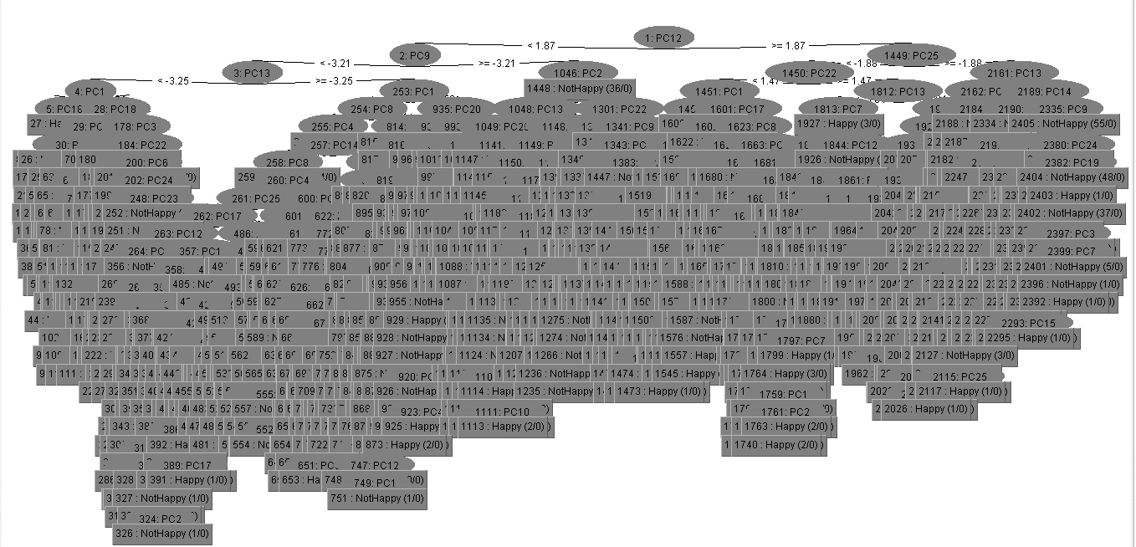 | 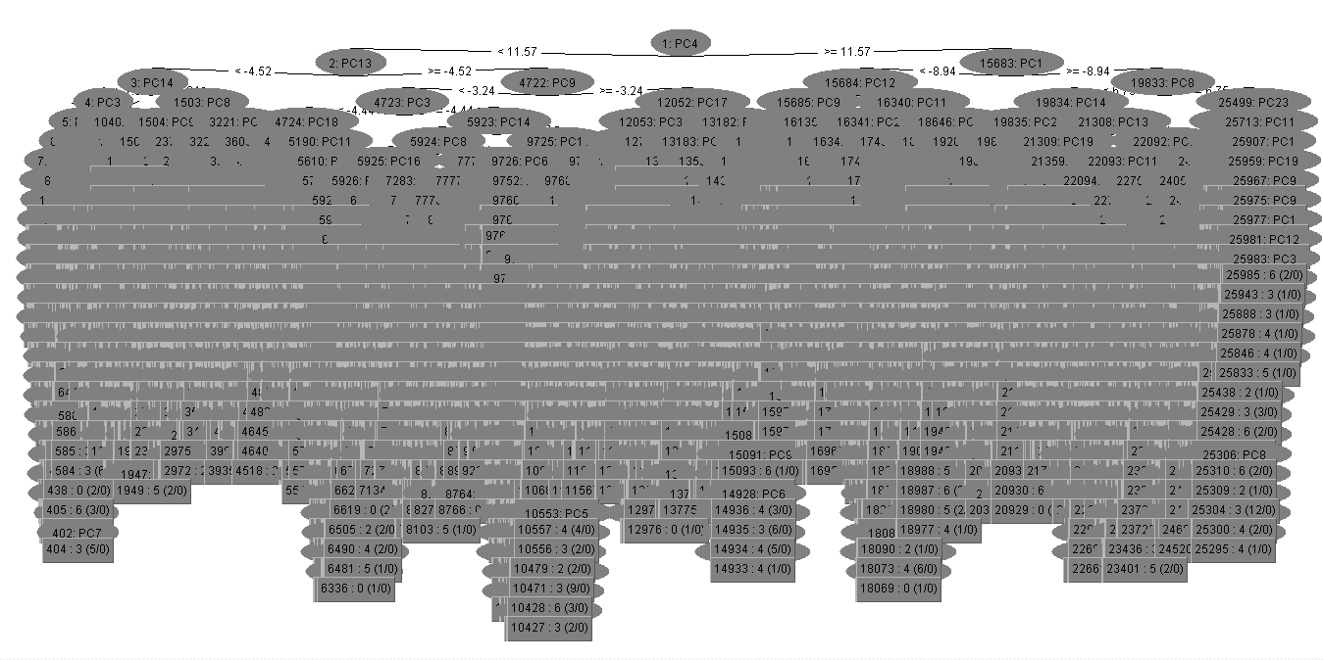
summary-MultiLayer Perceptron | === Summary === Correctly Classified Instances 10336 34.1494 % Incorrectly Classified Instances 19931 65.8506 % Kappa statistic 0.1787 Mean absolute error 0.2186 Root mean squared error 0.3327 Relative absolute error 92.9583 % Root relative squared error 97.0379 % Total Number of Instances 30267 | === Stratified cross-validation === === Summary === Correctly Classified Instances 2232 31.4543 % Incorrectly Classified Instances 4864 68.5457 % Kappa statistic 0.1482 Mean absolute error 0.2186 Root mean squared error 0.3425 Relative absolute error 92.5354 % Root relative squared error 99.663 % Total Number of Instances 7096 |  |  | === Summary === Correctly Classified Instances 10336 34.1494 % Incorrectly Classified Instances 19931 65.8506 % Kappa statistic 0.1787 Mean absolute error 0.2186 Root mean squared error 0.3327 Relative absolute error 92.9583 % Root relative squared error 97.0379 % Total Number of Instances 30267 | === Summary === Correctly Classified Instances 11302 34.2236 % Incorrectly Classified Instances 21722 65.7764 % Kappa statistic 0.1769 Mean absolute error 0.2178 Root mean squared error 0.3325 Relative absolute error 92.6705 % Root relative squared error 96.9827 % Total Number of Instances 33024
Detail Accuracy by Class - MultiLayer Perceptron | === Detailed Accuracy By Class === TP Rate FP Rate Precision Recall F-Measure MCC ROC Area PRC Area Class 0.108 0.052 0.253 0.108 0.152 0.082 0.608 0.201 0 0.000 0.000 0.000 0.000 0.000 0.000 0.614 0.021 1 0.088 0.050 0.226 0.088 0.127 0.059 0.597 0.189 2 0.670 0.348 0.401 0.670 0.502 0.285 0.723 0.484 3 0.311 0.165 0.283 0.311 0.296 0.140 0.637 0.262 4 0.407 0.078 0.357 0.407 0.380 0.310 0.761 0.332 5 0.270 0.128 0.312 0.270 0.289 0.150 0.655 0.282 6 Weighted Avg. 0.341 0.163 0.310 0.341 0.308 0.174 0.664 0.308 | === Detailed Accuracy By Class === TP Rate FP Rate Precision Recall F-Measure MCC ROC Area PRC Area Class 0.081 0.040 0.236 0.081 0.121 0.066 0.570 0.181 0 0.000 0.000 0.000 0.000 0.000 0.000 0.536 0.018 1 0.086 0.054 0.211 0.086 0.122 0.048 0.571 0.177 2 0.637 0.352 0.375 0.637 0.472 0.250 0.685 0.413 3 0.305 0.190 0.254 0.305 0.277 0.108 0.623 0.239 4 0.359 0.077 0.369 0.359 0.364 0.285 0.735 0.286 5 0.227 0.138 0.255 0.227 0.240 0.093 0.603 0.240 6 Weighted Avg. 0.315 0.167 0.285 0.315 0.282 0.145 0.632 0.268 |  |  | === Detailed Accuracy By Class === TP Rate FP Rate Precision Recall F-Measure MCC ROC Area PRC Area Class 0.108 0.052 0.253 0.108 0.152 0.082 0.608 0.201 0 0.000 0.000 0.000 0.000 0.000 0.000 0.614 0.021 1 0.088 0.050 0.226 0.088 0.127 0.059 0.597 0.189 2 0.670 0.348 0.401 0.670 0.502 0.285 0.723 0.484 3 0.311 0.165 0.283 0.311 0.296 0.140 0.637 0.262 4 0.407 0.078 0.357 0.407 0.380 0.310 0.761 0.332 5 0.270 0.128 0.312 0.270 0.289 0.150 0.655 0.282 6 Weighted Avg. 0.341 0.163 0.310 0.341 0.308 0.174 0.664 0.308 | === Detailed Accuracy By Class === TP Rate FP Rate Precision Recall F-Measure MCC ROC Area PRC Area Class 0.079 0.033 0.277 0.079 0.123 0.081 0.595 0.197 0 0.000 0.000 0.000 0.000 0.000 0.000 0.614 0.021 1 0.066 0.042 0.207 0.066 0.100 0.041 0.597 0.187 2 0.667 0.350 0.399 0.667 0.499 0.280 0.722 0.488 3 0.301 0.160 0.284 0.301 0.292 0.138 0.643 0.265 4 0.370 0.067 0.369 0.370 0.369 0.302 0.764 0.329 5 0.347 0.172 0.304 0.347 0.324 0.167 0.660 0.288 6 Weighted Avg. 0.342 0.166 0.310 0.342 0.304 0.172 0.665 0.309
Confusion Matrix - MultiLayer Perceptron | === Confusion Matrix === a b c d e f g <-- classified as 457 0 272 1560 944 358 631 | a = 0 21 0 29 195 60 49 63 | b = 1 308 0 377 1479 852 688 576 | c = 2 329 0 240 5236 909 373 725 | d = 3 341 0 267 1819 1628 324 864 | e = 4 127 0 222 764 287 1191 338 | f = 5 224 0 260 2001 1080 352 1447 | g = 6 | === Confusion Matrix === a b c d e f g <-- classified as 77 0 58 361 225 79 146 | a = 0 4 0 5 52 21 8 19 | b = 1 43 0 87 338 241 150 155 | c = 2 69 0 64 1126 247 88 173 | d = 3 63 0 59 443 379 83 214 | e = 4 32 0 80 194 97 285 106 | f = 5 38 0 60 488 281 80 278 | g = 6 |  |  | === Confusion Matrix === a b c d e f g <-- classified as 457 0 272 1560 944 358 631 | a = 0 21 0 29 195 60 49 63 | b = 1 308 0 377 1479 852 688 576 | c = 2 329 0 240 5236 909 373 725 | d = 3 341 0 267 1819 1628 324 864 | e = 4 127 0 222 764 287 1191 338 | f = 5 224 0 260 2001 1080 352 1447 | g = 6 | == Confusion Matrix === a b c d e f g <-- classified as 362 0 247 1722 1006 353 886 | a = 0 20 0 19 202 72 39 98 | b = 1 224 0 309 1608 952 690 899 | c = 2 245 0 234 5694 1017 375 976 | d = 3 239 0 240 2007 1726 272 1249 | e = 4 83 0 220 852 291 1173 551 | f = 5 133 0 226 2179 1018 278 2038 | g = 6

