POP
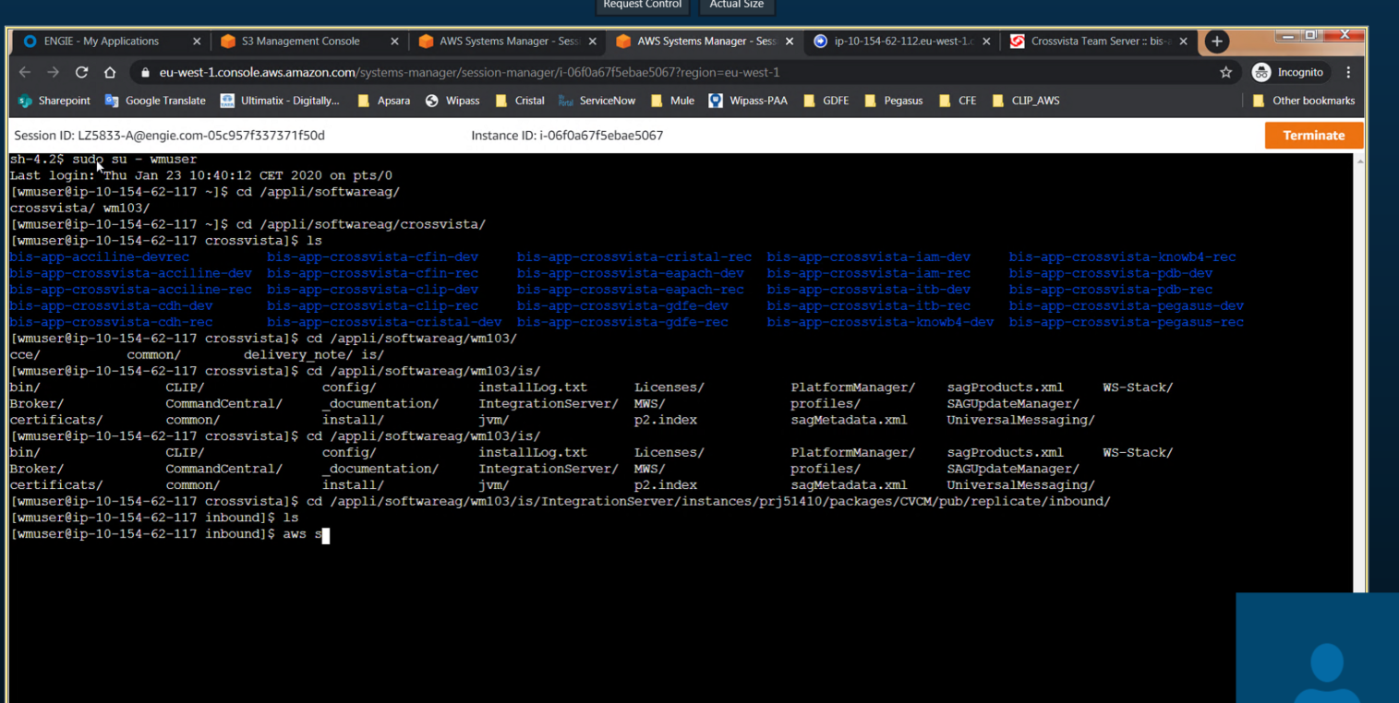
 | TMP POP DEV | POP DEV | POP REC | POP PPROD | POP PROD
IS | https://ip-10-154-63-79.eu-west-1.compute.internal:51211 | https://ip-10-154-62-120.eu-west-1.compute.internal:51411/ | https://ip-10-154-62-71.eu-west-1.compute.internal:51411
 | Administrator | Administrator | Administrator | Administrator | Administrator
 | 2lT:C7ehyt | lTt0VVgv2SAC:qv~sNBz | gw?(zZnR1FJMZrRX7hMu | maaDXR4_AGmZCJYLHy*3 | UOG%RxK23QV,mywuvcCB

 |  |  |  | CROSS-VISTA
 |  |  |  | Jv5R.I@s9bZUYcEQRDmV | https://internal-clip-prod-tools-admin-lb-1659118918.eu-west-1.elb.amazonaws.com:51411
 |  |  |  |  | 2x:rP+8xUpbmFfEvlpBp

 |  |  |  | frmk51410_pop_preprod_eai | frmk51410_pop_prod_eai
 |  |  |  | KX5d4GEBdP | 4bWUxAkQLT8jc72R

 | ROCK DEV | ROCK REC | ROCK PREPROD | ROCK PROD
IS | https://ip-10-154-62-112.eu-west-1.compute.internal:51411/ | https://ip-10-154-62-80.eu-west-1.compute.internal:51411/ | ip-10-154-60-106.eu-west-1.compute.internal:51411 | ip-10-195-255-100.eu-west-1.compute.internal
 | Administrator | Administrator | Administrator | Administrator
 | znu5C1_n+tUvXSvkgebl | @pSKkUF9uyeOul | uufoa@i0iGwK | ,jsxWKcPC,6ZDja7OtZi

Sheet1
