Results
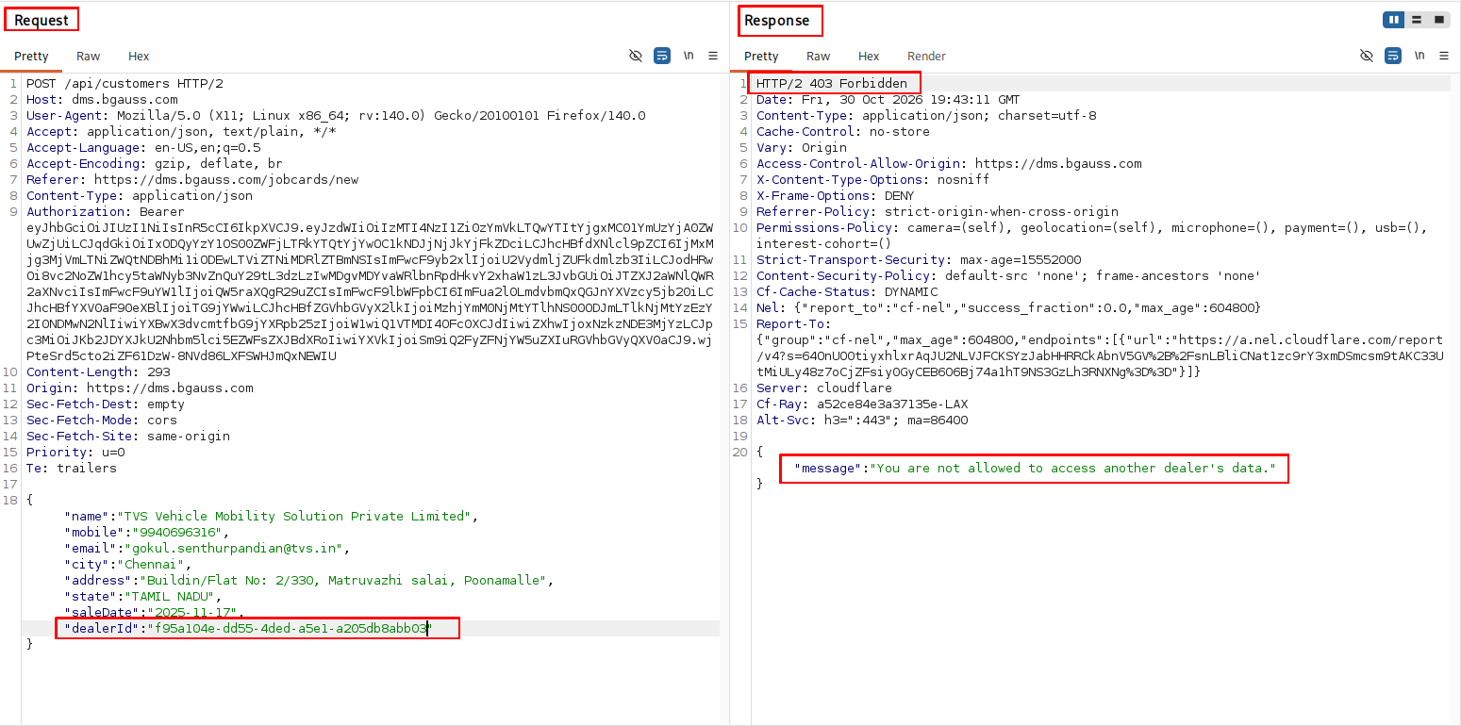
ID | Name | Severity | Status | Remark | BGauss response / justification (31.10.2026) | Fix made | How to verify
DMS-01 | ‘DealerAdmin’ can self-promote to SystemAdmin (Vertical Privilege Escalation) | High | FIXED |  | Confirmed - no further action.
DMS-02 | DealerAdmin can download the entire corporate staff list. | High | FIXED |  | Confirmed - no further action.
DMS-03 | A dealer can create customer records inside another dealer's Job Card. | High | Partially-Fixed | A dealer is allowed to search other dealer’s customer through Chassis No. But a dealer is not allowed to create the customer record | Thank you. Your evidence of 30.10.2026 (POST /api/customers with another dealerId -> HTTP 403 'You are not allowed to access another dealer's data.') confirms that creating a customer under another dealer is blocked. The remaining point - searching another dealer's customer by chassis number - was valid. Cause: the New Job Card wizard's chassis lookup (GET /api/jobcards/vehicle-lookup) first searches the sale bills of the caller's own dealer only; when that found nothing it fell back to an older sales table (DMS_VehicleSales) by chassis number alone, which has no dealer filter, and returned the customer of a vehicle sold by another dealer. This was a defect, not intended behaviour. A second cause was found while re-testing on the live site: the lookup is scoped by a dealerId parameter, and our ownership filter forced that parameter to the caller's dealer only when it was present in the request - when it was left out, the lookup ran with no dealer filter at all. | 1. The fallback now ignores a sale row that belongs to another dealer (matched on dealer code, or the location code that starts with it) - the same rule the main lookup already applied. A vehicle sold by another dealer is not found and the wizard falls back to manual entry. 2. A dealer login whose dealer has no BAPL dealer code used to be searched with no dealer filter; it now gets 'not found' / an empty list. 3. A dealerId that is left out, empty or null is now forced to the caller's own dealer for every action, and another dealer's id is refused with HTTP 403 (the filter used to handle only a dealerId that was present). 4. CorporateAdmin and SystemAdmin are unchanged. Deployed on [DD.MM.YYYY HH:MM IST]. | As the Captain test account: GET /api/jobcards/vehicle-lookup?value=<chassis of a vehicle sold by another dealer> -> HTTP 404, no customer fields. GET /api/jobcards/vehicle-suggestions?q=<that chassis> -> the list does not contain it. POST /api/customers with another dealerId stays HTTP 403.
DMS-04 | Privileged configuration writes reachable by dealer roles | High | FIXED |  | Confirmed - no further action.
DMS-05 | ‘DealerAdmin’ can mint unlimited SystemAdmin accounts | High | FIXED |  | Confirmed - no further action.
DMS-06 | Stored XSS via photo upload | High | FIXED |  | Confirmed - no further action.
DMS-07 | Any dealer can Modify another dealer's job cards | High | Partially-Fixed | Job Card of other dealer is non-searchable, but it is able to edit by providing the UUID of the Job Card Directly in the request | Thank you for the evidence of 30.10.2026. The search GET /api/jobcards?q=JC/288/26-27/0273 returns no job card, yet PUT /api/jobcards/fb931c93-7c01-46f3-b1cf-950e3f211fa6 returns HTTP 200. The job card number carries dealer code 288 - the same dealer as the test login (Delhi; its Work Area is the single location CUS0288W4). Cause: the job card list, the search and the card page hide a card outside the login's Work Area, but the write routes (PUT, stage, inspections, photos, worklogs, suggestions, estimate e-mail) checked only the dealer. A card at another location of the same dealer was therefore invisible but editable by its id - the 'read blocked, write not' inconsistency of this finding. We also closed three further gaps found in the same review: the job card id written without hyphens or in braces (the route accepts these forms), the worklog end route, and a job card id sent in the query string or the body. | The ownership filter now applies BOTH rules - dealer and Work Area - to every request that names a job card, in every GUID format, including worklogs/{id}/end, photos, part and labour suggestions by their own id, and any jobCardId in the query string or body. A card of another dealer, or outside the login's Work Area, answers HTTP 403 'You are not allowed to access another dealer's data.'. A login with no Work Area restriction still reaches every card of its dealer; CorporateAdmin / SystemAdmin are unchanged. Deployed on [DD.MM.YYYY HH:MM IST]. | As the Captain test account (Work Area CUS0288W4): GET and PUT /api/jobcards/fb931c93-7c01-46f3-b1cf-950e3f211fa6 -> HTTP 403 (the PUT was 200). The same with the id written without hyphens or in capitals -> 403. A job card of another dealer -> 403. A job card at the login's own location -> unchanged (200).
DMS-08 | Repair bills accept negative prices and absurd tax rates | Medium | FIXED |  | Confirmed - no further action.
DMS-09 | A workshop Supervisor can edit the company-wide service catalog & warranty schemes | Medium | FIXED |  | Confirmed - no further action.
DMS-10 | A Low privileged user can inject workflow stages | Medium | FIXED |  | Confirmed - no further action.
DMS-11 | No rate limiting, throttling or account lockout on authentication endpoints | Medium | FIXED |  | Confirmed - no further action.
DMS-12 | The OTP screen reveals which mobile numbers are registered customers | Medium | FIXED |  | Confirmed - no further action.
DMS-13 | Missing HTTP security headers | Medium | FIXED |  | Confirmed - no further action.
DMS-14 | Job-card photos served without authentication | Low | FIXED |  | Confirmed - no further action.
DMS-15 | Information disclosure to all authenticated users (role matrix, cross-dealer contacts) | Low | Not Fixed | Reproducible with the same given steps | Thank you for the evidence of 30.10.2026: GET /api/dealers answered HTTP 200 with every dealer (name, state, city, address, GSTIN, rep code ...). Our earlier fix removed only the e-mail / phone / contact fields of other dealers, so the list itself still named every dealer and carried their other details. That was not enough for the finding, which asks that a dealer login cannot retrieve other dealers' data at all. | 1. A dealer login now gets ONLY ITS OWN dealer from GET /api/dealers (a list of one) and from the dealer picker /api/bapl-dms/dealers. GET /api/dealers/{id} of another dealer answers HTTP 403. A row that cannot be recognised as the caller's own dealer is dropped (fail closed). /api/bapl-dms/workshops stays a location picker with the contact fields removed. 2. The role matrix (GET /api/menu-access, /role-modes) shows a dealer login only its own role and its own designation; Captain and ViceCaptain are no longer shown to everyone. 3. If the filter itself ever fails, the API now answers an error instead of the unfiltered data. 4. CorporateAdmin / SystemAdmin are unchanged. Deployed on [DD.MM.YYYY HH:MM IST]. | As the Captain test account: GET /api/dealers -> a list with one dealer, the caller's own (Delhi, CUS0288); GET /api/dealers/{id of another dealer} -> HTTP 403; GET /api/bapl-dms/dealers -> one row; GET /api/menu-access and /api/menu-access/role-modes -> only the caller's own role (and designation).
DMS-16 | Login tokens are stored where any injected script can steal them | Low | FIXED |  | Confirmed - no further action.

