Sheet1
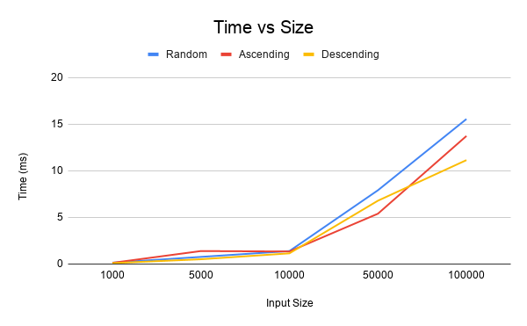
Size | Random | Ascending | Descending
1000 | 0.143 | 0.125 | 0.096
5000 | 0.762 | 1.39 | 0.51
10000 | 1.388 | 1.343 | 1.144
50000 | 7.911 | 5.397 | 6.791
100000 | 15.553 | 13.734 | 11.146

