Sheet1
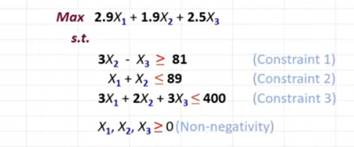
 | x1 | x2 | x3 | z
solution | 0 | 89 | 186 | 634.1
objective function | 2.9 | 1.9 | 2.5

constraint 1 |  | 3 | -1 | 81 | >= | 81
constraint 2 | 1 | 1 |  | 89 | <= | 89
constraint 3 | 3 | 2 | 3 | 275 | <= | 400

