Schedules
Property, Plant and Equipment
(IN thousand) | 2023(Given) | 2024(Given) | 2025(Given) | 2026(Forcast) | 2027(Forcast) | 2028(Forcast)
Beginning Balance |  | $1,491,444 | $1,593,756 | $2,004,350.00 | $2,320,828.26 | $2,622,480.55
add: Capex |  | $431,226 | $743,983 | $743,983 | $743,983 | $743,983 | Assumption : | Capex Constant
less: Depreciation | 356,947 | $328,914 | $333,389 | $427,505 | $442,331 | $453,165
Closing Balance | $1,491,444 | $1,593,756 | $2,004,350.00 | $2,320,828.26 | $2,622,480.55 | $2,913,298.36

Useful Life |  | 5.85 | 7.01 | 6.43 | 6.93 | 7.43 |  |  | Notes
 |  |  |  |  |  |  |  |  |  | usefullife/Depriciatiomn
Content Assets
Beginning Balance |  | $31,658,056.00 | $32,452,462.00 | $32,778,392.00 | $33,333,027.28 | $33,706,315.87
add: Addition |  | $16,095,923.00 | $16,748,096.00 | $16,748,096 | $16,748,096 | $16,748,096
less: Amortisation |  | $15,301,517.00 | $16,422,166.00 | $16,193,461 | $16,374,807 | $16,496,860
Closing Balance | $31,658,056 | $32,452,462.00 | $32,778,392.00 | $33,333,027.28 | $33,706,315.87 | $33,957,551.92

Useful life |  | 3.12 | 3.00 | 3.06 | 3.06 | 3.06

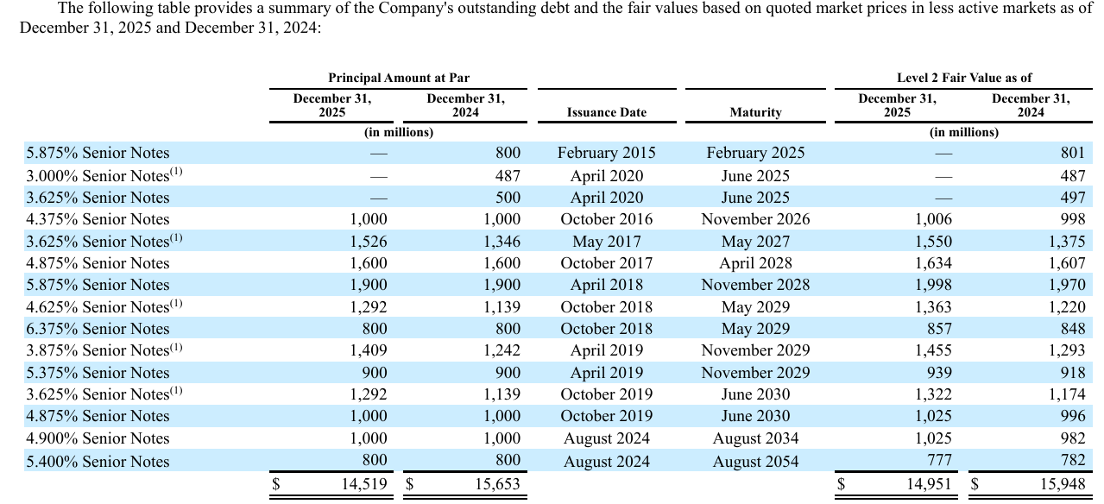
Debt Schedule
Beginning Balance |  | $14,143,417.00 | $13,798,351.00 | $13,463,971.00 | $13,462,965.00 | $13,461,415.00
add: Dedt Took |  | 0 | 0
less: Dedt paid |  | $-345,066.00 | $-334,380.00 | $-1,006.00 | $-1,550.00 | $-3,632.00
Closing Balance | $14,143,417.00 | $13,798,351.00 | $13,463,971.00 | $13,462,965.00 | $13,461,415.00 | $13,457,783.00

Interest Expense | $-699,826.00 | $-718,733.00 | $-776,510.00 | $-714,624.02 | $-714,541.74 | $-714,348.95
Interest Rate | -5% | -5% | -6% | -5% | -5% | -5%

