Overview-EPIC
ADMINISTRATIVE/DISPATCH/PUBLISHING TOOL for the AUTOMOTIVE SUPPORT GROUP
to be shown in our EBRS data

The following information is regarding the agile stories to create an administrative/dispatch tool for the Automotive Support Group (Library, Tech-Assist, EBRS Data Dev).
Current systems/applications that these teams access and input data:
· ALLDATA Community
· AMS COOL
· AMS Online Support Tool
· Feedback Manager tool
· Message Center – (Future)
· Repair & Collison products – (Future)
· ALLDATA Tech-Assist Pay-Per-Use website – (Future)
EPIC STORY:
As a member of the Automotive Support Group, we want to have a web-based tool that we can manage and track our entire case-load from one location, while also being able to have a uniformed style of online form that each team can effectively utilize during the process from the inception of a Tech-Assist call (or Community case), through the workflow and details of that case, to the verified repair information of that case, to the submission to the EBRS data development team, through the editing and publishing process, to the process of displaying in our EBRS database. This tool needs to interact with ALLDATA Repair & Collision products, Community, Feedback Manager, AMS COOL & OST, Message Center and Tech-Assist Pay-Per-Use website:
· By displaying data taken from those tools (as well as inserted into those tools)
· with the ability to dispatch/assign/claim cases to primary and secondary team member(s)
· with the ability to access specific case information directly from this tool back to other applications we use (such as a customer’s post in Community, or COOL ticket, or a customer feedback request)
· with the ability for an admin (manager level) to add/revise techs into the system for managing dispatch/reporting functions
· with the ability for a supervisor to manage caseload dispatch criteria and types to techs
We will also need some pages and dashboards that have reporting and hierarchy functionality such as:
· 3 levels of hierarchy (tech, supervisor, admin)
· Caseload for entire team and each tech; with the ability to group techs on separate teams
· Status of cases for each tech, each team of techs, or entire group
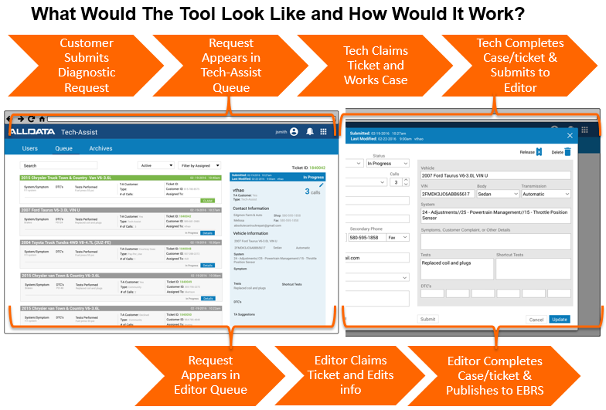
Here is a rudimentary display of a template for the dispatch queue and ticket for this type of format (similar to our current Library Feedback Manager):

1
2
3
4

6
5
7

AGILE STORIES
HIGH LEVEL FUNCTIONALITY -
All of the following stories are based on the premise of “As a tech from the Automotive Support Group”…
· We want to: Have a web-based application that we can use to display all repair case activity that our team handles within Community and Tech-Assist.
o So we can: Identify, dispatch, manage and review each and every repair case that our team touches (or may touch).
· We want to: have this tool gather all caseload information from Community, AUTOEX call-types from Heat tickets in COOL(as well as load new info into a Heat ticket), obtain new Tech-Assist case ticket info from cloud-based product format, and any escalated tickets from the Library Feedback manager. (Details of these stories are shown in the "Home-Queue" and "TA_Ticket” tabs in categories of “From/To Community”, “From/To COOL”, “From T-A website” and “From FB Manager”)
o So we can: Identify and effectively manage each and every repair case that our team touches (or may touch).
· We want to: have a “Home" page that will function as our dispatch page and be our dashboard for a summary for all activities in this tool (more story info in “Home Queue page”). This will need to have two levels of views depending on which team is using it (Tech-Assist or EBRS data dev teams) based on the workflow of each team. The T-A team will have case inception and throughput while the EBRS team will have case edit/publish view.
o So we can: monitor and review activities and caseload from one screen for each team
· We want to: have a page that will show all case ticket activity. (more story info in “TA_Ticket" tab)
o So we can: identify incoming cases and show status of all cases
· We want to: log in to this application under different levels of permissions such as technician, supervisor, administrator (more story info in “Mgmt" tab)
o So we can: assign specific types of tasks and cases to specific skillsets of techs
o So we can: effectively manage workload
· We want to: have a reporting page that shows results of several measurable categories including cases and technicians. (more story info in “Results” page)
o So we can: review and evaluate data for products, individual tech and team productivity.
· We want to: have an administrative page that can set different types of user profiles and administrative settings. (more story info in “Admin” tab)
o So we can: revise how user settings are displayed and accessed
· We want to: have a programs settings page that can have several types of settings for specific choices and display options. (more story info in “Settings” tab)
o So we can: set and revise specific settings of how pages are displayed.
· We want to: have the system perform a customer database check to verify whether they are either an ALLDATA customer, prospect, Tech-Assist subscriber and/or Tech-Assist pay-per-use user (details in "TA_Ticket" tab)
o So we can: quickly identify if they eligible to receive our support
· We want to: have the ability to search our own EBRS database directly from a keyword search within a case ticket (details on "TA_Ticket" tab)
o So we can: streamline our tech’s workflow to find related repair data
· We want to: have a uniformed symptom chart within a case ticket using drop-down menus for category, sub-category and symptom (details in "TA_Ticket" tab)
o So we can: manage system-based repair info effectively
· We want to:
o So we can:

The following tabs include more details and examples of stories for each requirement.

· We want to: (MORE STORIES TBD)

Submit Tkt
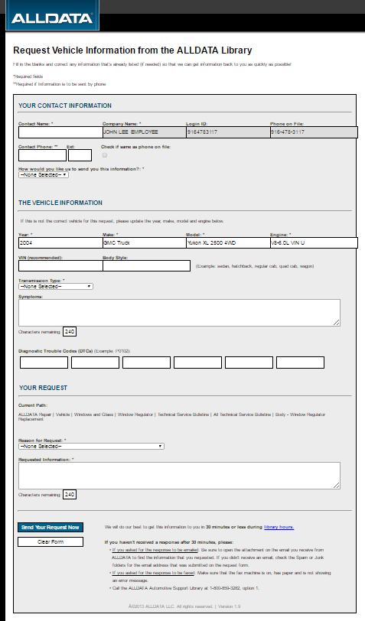
AGILE STORIES
CUSTOMER SUBMITS A CASE VIA ALLDATA REPAIR PRODUCT (or WEBSITE)
All of the following stories are based on the premise of “As a tech from the Automotive Support Group”…
Request Diagnostic/Repair Assistance from the ALLDATA TECH-ASSIST hotline
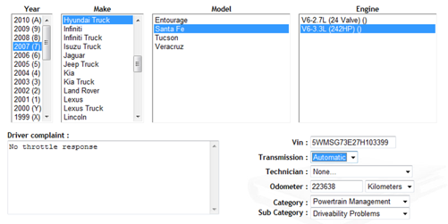
· We want to: Have a customer be able to submit a ticket either through the ALLDATA Repair/Collision/Mobile product (existing customer) or from a stand-alone Tech-Assist website (non-customers).
o So we can: streamline how new cases come into our dispatch system.
If submitting a ticket through our products:
· We want to: have this process replicate a similar workflow as submitting a ticket through the Library Feedback manager and posting a question in Community.
o So we can: keep some uniformity with the customer experience of Automotive Support
· We want to: have the system display the customer (shop) info automatically (just like in the Library Feedback tool). This should also display whether they are currently subscribing to Tech-Assist.
o So we can: streamline our workflow
· We want to: make sure that the YMME is automatically uploaded from the product (just like Library Feedback request from)
o So we can: keep some uniformity with the customer experience of Automotive Support
· We want to: include other required and optional criteria in the form that is used in a Tech-Assist ticket (shown in agile stories below for "web-based" submission)
o So we can: have uniformity within submission formats
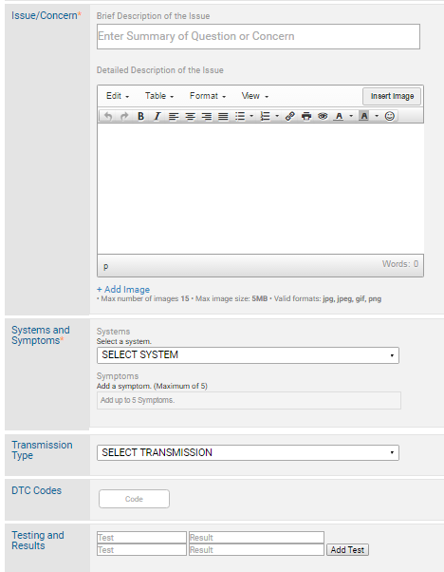
If submitting a ticket through a dedicated Tech-Assist website:
· We want to:
o So we can:
· We want to:
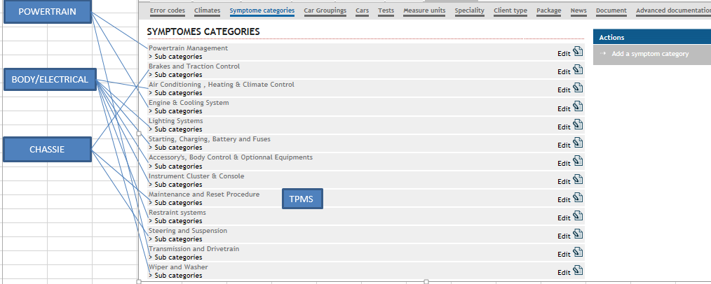
o So we can:
Request should have the following information:
Move to bottom
· We want to: have YMME drop-down menu for each area (similar to how our product works)
o So we can: keep some uniformity with the customer experience of Automotive Support
· We want to: have a uniformed system "Category" and "Sub-Category" chart that integrated with our repair product standardized chart(new)
o So we can: locate information more quickly
· We want to: use a uniformed "Symptom" chart using drop-down menu. The last choice on that menu would be "Other" with the ability to add a free form response.
o So we can: have uniformity and flexibility
· We want to: have an area for the customer to input DTC info
o So we can: streamline workflow
· We want to: have an area for the customer to insert tests performed and results (similar to Community)
Need uniformed "System" category (with sub-category) chart using drop-down menu for each
o So we can: have uniformity and flexibility
· We want to: display a "Submit your request" button at the bottom
o So we can: have the customer complete this submission
· We want to: have the system confirm their submission and send an error message if there any "required" fields that have not been completed properly
o So we can: confirm fields have been completed
· We want to: have an email sent to the customer confirming their submission (similar to Library feedback and Community)
o So we can: have uniformity

· We want to:
o So we can:
· We want to:
o So we can:
· We want to: (MORE STORIES TBD)

Home-Queue
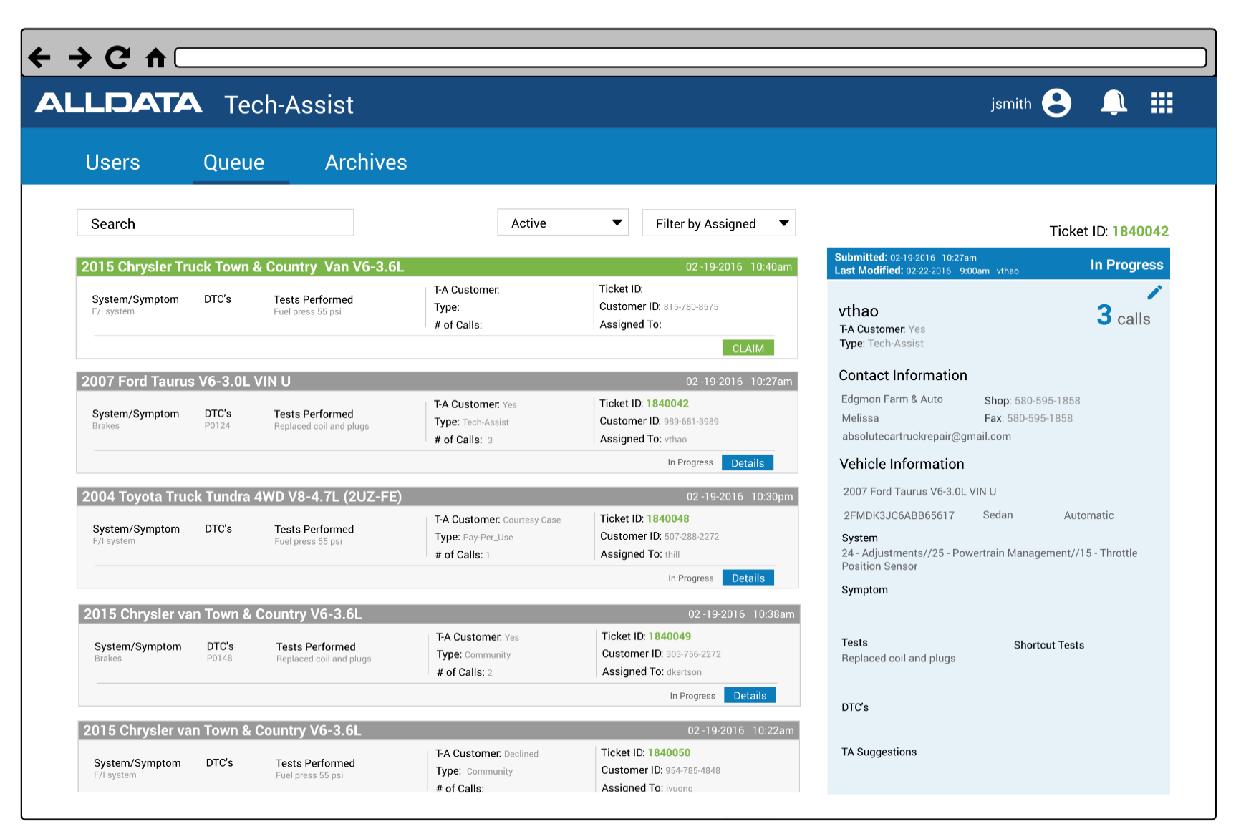
AGILE STORIES
TECH-ASSIST AND COMMUNITY CASES ARE DISPLAYED IN A QUEUE ENVIRONMENT
All of the following stories are based on the premise of “As a tech from the Automotive Support Group”…
· We want to: have ALL tickets from Tech-Assist and Community be displayed in a "Dispatch-Home" queue menu. (similar to the Library feedback menu)
o So we can: streamline and effectively manage how new cases come into our dispatch system.
· We want to: have every new ticket be assigned a case number. Community cases are usually already assigned a question number so that number be migrated over. However, a Tech-Assist case needs to be assigned a new case number.
o So we can: manage caseload effectively
· We want to: have the ability to set filters for what criteria we want displayed (such as by tech, team, vehicle make, newest, oldest, assigned, etc)
o So we can: manage caseload effectively
· We want to: have the ability to preview ticket info by selecting the header of each ticket. The preview should appear on the right side of the page (as shown)
o So we can: streamline workflow
· We want to: have the dispatch ticket display only high level info (such as YMME, system, symptom, tests, type of case(TA or Comm), customer SBT, are they a TA subsciber, etc) and a "Claim" button for the tech to select it to work the ticket.
o So we can: streamline workflow
· We want to: show tickets in specific modes of readyness (such as unassigned, open, follow-up, unresolved, verified, editing, published)
o So we can: streamline workflow
· We want to: (if the ticket is from a Community case) have the ability to link directly back to that specific case in Community as well as link any repair information provided by our tech within the ticket by posted back into Community.
o So we can: streamline workflow
· We want to: have all cases that are more than 60 days old be automatically "Archived" into a repair database. We should be able to select the "Archives" database and search for a ticket.
o So we can: manage caseload effectively
· We want to: have a "Users" menu on this page to go to an administrative section (see "Admin" tab) that is restricted to certain users (leadership)
o So we can: administer access and settings for each user
· We want to: have a dashboard of how many tickets are in each status that affects the T-A group such "Waiting room" or "In-progress"
o So we can: have the ability to manage workflow
· We want to:
o So we can:
· We want to:
o So we can:
· We want to:
o So we can:
· We want to: (MORE STORIES TBD)

TA_Ticket
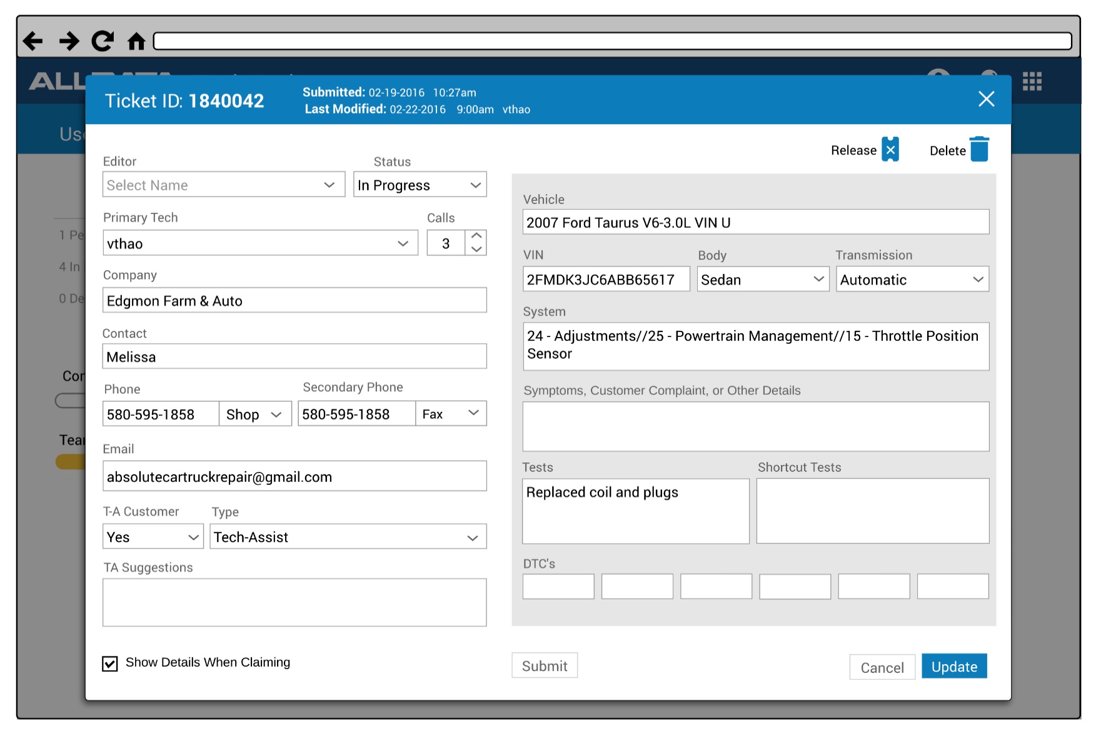
AGILE STORIES
SPECIFIC TICKET DISPLAY FROM QUEUE ENVIRONMENT
All of the following stories are based on the premise of “As a tech from the Automotive Support Group”…
Once the ticket is selected by a tech:
· We want to: have all of the info for the customer, vehicle, problem and tech(s) working this case (details for each in following stories)
o So we can: effectively manage each ticket.
· We want to: show the name of the Tech-Assist tech that is assigned as the "Primary Tech". This is the person that initially claims the ticket when first opened. The system should automatically assign the primary tech to the 1st tech that claims this new case.
o So we can: effectively manage tickets.
· We want to: have a box marked as "Status" to show the progress of each ticket. This should have a drop-down menu with choices such as: Waiting Room, in progress, update, waiting for customer info, needs follow-up, unresolved, verified, waiting for editing, editing, and published. A new unassigned ticket (or re-opened ticket that goes back into the queue for a call-back should automatically appear as "Waiting Room". Once a ticket has been claimed by a tech, it should automatically update to "in progress". All other choices are selected manually.
o So we can: effectively manage tickets.
· We want to: show the name of a Tech-Assist tech that has provided additional help on this ticket as the "Secondary Tech" (not shown in this example). This is the person that claims this ticket when re-opened. The system should automatically assign the secondary tech to any subsequent tech that claims this re-opened case that is NOT the primary tech. NOTE: There may be more than one secondary tech. The system should the flexibilty to show more than one secondary tech.
o So we can: effectively manage tickets.
· We want to: have the option to manually assign a specific tech (or team of specific techs)
o So we can: streamline our workflow for better customer support
· We want to: show the name of the Editor that is assigned to this ticket(please see "EditPublishTkt" tab for details.
o So we can: effectively manage tickets.
· We want to: have a call counter drop-down menu that shows how many times this ticket has been opened by the customer. This field to automatically be highlighted when the ticket is opened(except for on a new ticket) so that the tech is required to update on all subsequent calls. A new ticket should always start with the number 1.
o So we can: effectively manage tickets.
· We want to: have customer information shown including the name of the shop, contact person, primary and secondary phone numbers, and email address. If this is a current ALLDATA customer, this information should be pulled from either our data warehouse.
o So we can: effectively identify a customer's info
· We want to: Have the abilty to search all tickets that this customer has opened (including archived) - see example to the right. There should be a button (shown as "Other Cases") to open this additional info.
o So we can: view other cases this customer has opened
· We want to: have the sytem automatically identify the type of customer this is. Both fields to indentify this info are a drop-down field that automatically identifies whether this customer currently subscribes to T-A or not (either YES or NO). If this selection is "Yes", then the following field of "Type" should have the following drop-down menu : 1) ALLDATA customer that is already a Tech-Assist monthly subscriber (shown as "T-A monthly"), 2) ALLDATA customer that is not currently subscribing to T-A and has not opened more than 2 courtesy cases (shown as "Courtesy Case"), 3) ALLDATA customer that is not currently subscribing to T-A and HAS opened 3 or more courtesy cases (shown as "AD customer/PPU") - in this case, the system would have to send a notice to the customer that they have exceeded their 2 courtesy case allowanxce and would need to either purchase the monthly T-A subscription or purchase a per-per-use case at a discounted rate; and 4) shown if this ticket is from a post in Community (shown as "Community). If "NO" is selected, then the "Type" drop-down selection would be either 1) Pay-per-use one time use and payment (shown as "PPU-single"), or 2) Pay-per-use multiple case package (shown as "PPU-multi"). In this case, the system would need to keep track of how many cases they have used within their allowance of multiple cases paid. | 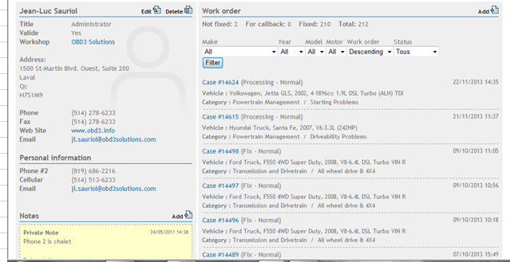
o So we can: effectively identify customers
· We want to: have a field for our tech to write notes about the customer for this ticket (not shown in example) titled as "Notes regarding customer"
o So we can: effectively manage tickets.
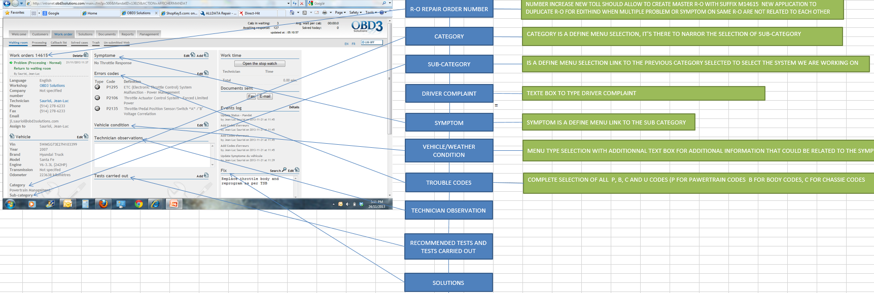
· We want to: have the ability to "unclaim" the ticket by having a button marked "Release". This action would reinsert this ticket back into the queue. We would also like to have to button marked "Delete" so that we have the abilty to delete a specific ticket. NOTE: only a person with this permission(from admin settings) would have the ability to delete a ticket.
o So we can: effectively manage tickets.
· We want to: have the ticket all of the vehicle info the customer has chosen including YMME, VIN, Body, Trans, System Category and sub-category (not shown), Symptom(s), Tests performed (from a drop-down list-provided) with the ability to add tests not provided), Short-cut tests wrtten by tech, T-A suggestions about this repair, Media files(that the tech can add to help with editorial content), and DTC(s)
o So we can: effectively work this ticket
· We want to: have supplemental functionality that includes performing an automatic search of our own repair database when we add DTCs and symptoms (see detailed story below)
o So we can: streamline our workflow
· We want to: have the ability to edit the content of each vehicle repair field
o So we can: effectively manage this ticket for editing
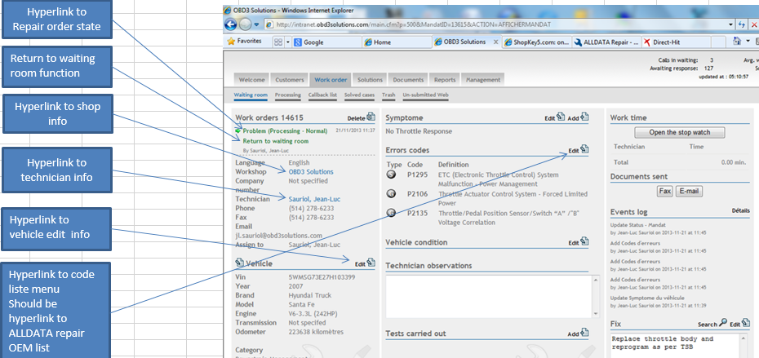
· We want to: have a time counter option shown as a "Work-Time" button with "start" and "stop" and a time counter. The start and stop buttons can be set-up with either manual or automatic functionality based on how it is set in the "settings" selection. If started manually, there should be a button marked "Start the stop watch" that is automatically highlighted when opening a ticket so that it must be selected when opening the ticket. The stop watch can be stopped by either selecting the stop watch button or by selecting "Save & Close" or "Submit for editing".
o So we can: effectively manage our cases
· We want to: have the ability to email the customer a document. We should be able to upload a document and have a button to send the document to the email listed
o So we can: provide better support and streamline workflow process
· We want to: have an events log that shows each time the case has been opened and by which tech edited any content of the ticket
o So we can: effectively manage our cases
· We want to: have a field where we have the ability to type in the verified repair information (shown as "What fixed it?").
o So we can: effectively manage a ticket
· We want to: have a hyperlink directly to a Community case (if ticket is from Community)
o So we can: go directly post repair info into that case
· We want to: have the abilty to hyperlink media files from other websites
o So we can: provide better support within a ticket
· We want to: have a field that shows the results of the search from DTC(s) and symptoms (see a "Search Workflow" to the right)
o So we can: effectively manage case workflow
· We want to: have the option to add a specific language such as spanish or french (would default to english)
o So we can: provide better customer support | SEARCH WORKFLOW
· We want to: have a couple of buttons that close the ticket such as: "UPDATE" (to update the ticket info but keep open, "SAVE & CLOSE" (to update the ticket info and close), "SUBMIT FOR EDITING"(to be updated and closed and then sent to the editing queue for further editing and publishing work). NOTE: the "Submit for editing" button should be gray and not usable for all Community tickets.
o So we can: effectively manage case workflow
· We want to:
o So we can:
· We want to: (MORE STORIES TBD)

EditPublishTkt
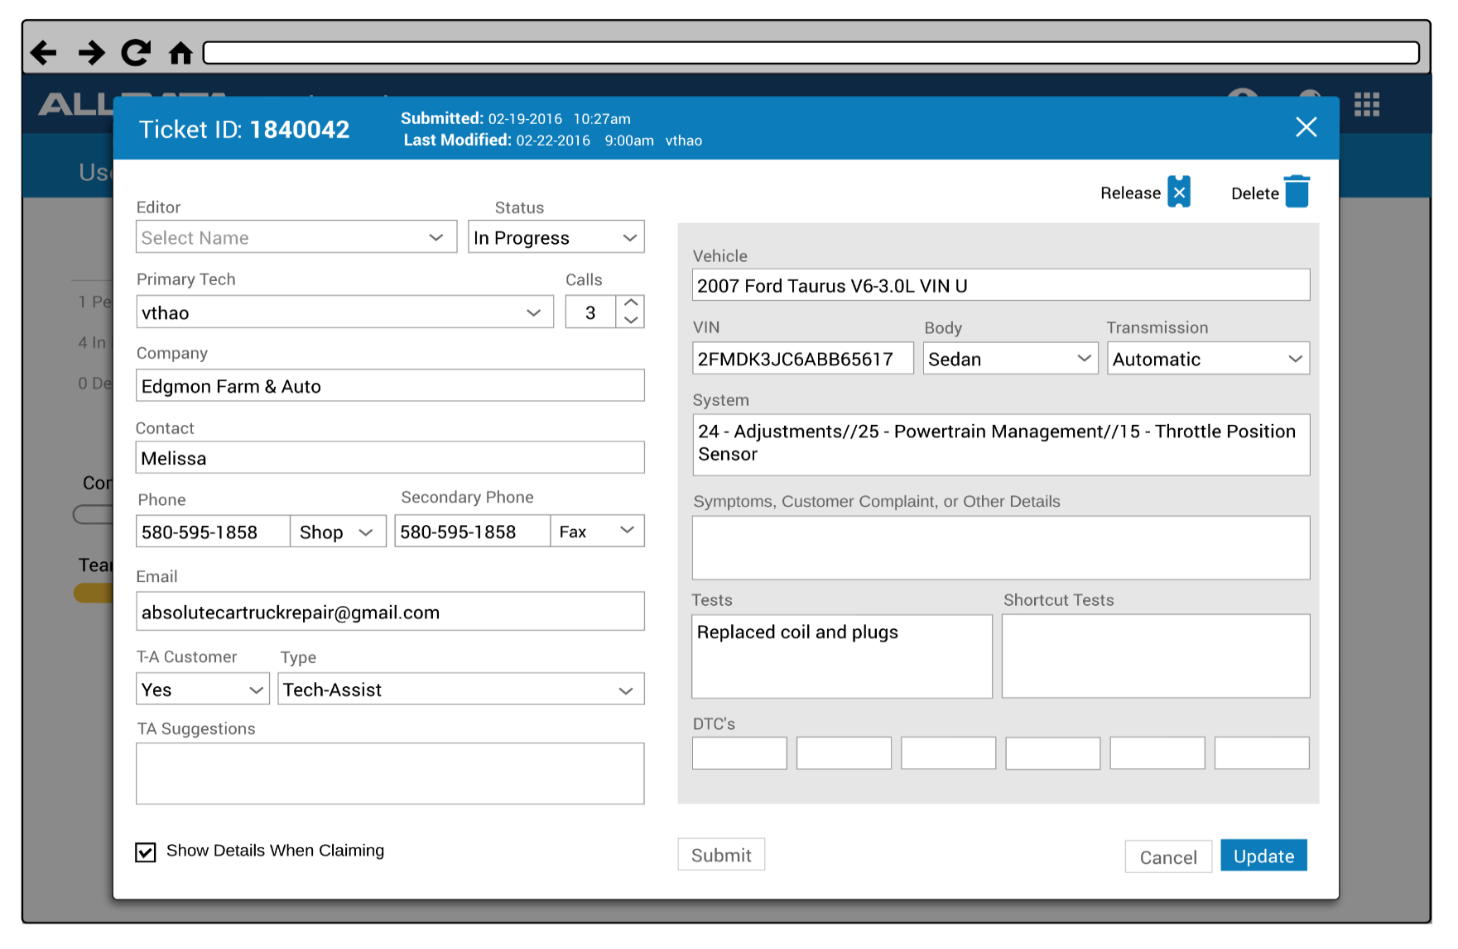
AGILE STORIES
ALL CASES SUBMITTED FOR EDITING ARE DISPLAYED IN A SEPARATE EDITING QUEUE ENVIRONMENT
All of the following stories are based on the premise of “As a tech from the Automotive Support Group”…
· We want to: have ALL tickets that have been "Submitted for Editing" from the Tech-Assist techs should be displayed in a "Dispatch-Home" queue menu. (similar to the Tech-Assist menu)
o So we can: streamline how tickets for editing come into our dispatch system.
· We want to: have the same functionality as the Tech-Assist dispatch queue (see functionality for TA_Ticket)
o So we can: streamline how tickets for editing come into our dispatch system.
· We want to: have the system assign the "Editor" name for whom selects the claim the ticket for editing.
o So we can: streamline our workflow process
· We want to: have the ability to manually assign an editor (only doen by someone with resticted user access)
o So we can: effectlively manage our workflow
· We want to: have button showing "Publish to EBRS" (instead of "Submit for editing").
o So we can: effectlively manage our workflow
· We want to: have this ticket status automatically update to "Waiting for Editing" (when coming into the editing queue), "Editing" (when in an editor has claimed the ticket for editing), and "Published" (when an editor has submitted for to published to EBRS)
o So we can: effectlively manage our workflow
· We want to: have a dashboard of how many tickets are in each status that affects the editors group such "Waiting room" or "In-progress"
o So we can: have the ability to manage workflow
· We want to:
o So we can:
· We want to:
o So we can:
· We want to: (MORE STORIES TBD)

EBRSview
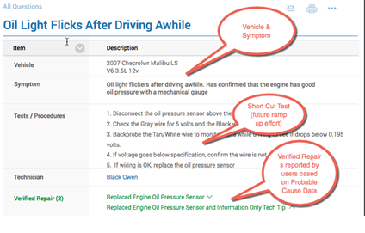
AGILE STORIES
ALL CASES SUBMITTED FOR PUBLISHING ARE DISPLAYED INTO THE EBRS ENVIRONMENT
All of the following stories are based on the premise of “As a tech from the Automotive Support Group”…
· We want to: have ALL tickets from Tech-Assist cases that have been edited and submitted for publishing be displayed to the EBRS environment within a specific format (designated by product strategy dept)
o So we can: streamline how new cases are displayed into our EBRS
· We want to: (MORE STORIES TBD)
o So we can:
· We want to:
o So we can:
· We want to:
o So we can:
· We want to:
o So we can:
· We want to:
o So we can:

Results
AGILE STORIES
DASHBOARD TO DISPLAY RESULTS & KEY PERFORMANCE INDICATORS FOR TICKETS AND TECHS |  |  |  |  |  |  |  |  | FILTER BY:
All of the following stories are based on the premise of “As a tech from the Automotive Support Group”… |  |  |  |  |  |  |  |  | DATE | People | Product
· We want to: have a separate "Results" page that displays several types of KPIs for techs, team, groups, tickets, and groups of tickets. |  |  |  |  |  |  |  |  | Date Range | ALL | ALL
o So we can: have the ability to measure how our team, techs, processes, and products perform over a giver period of time. | TASK TRACKER REPORT FOR: |  | ALL |  | FY16 - TOTAL |  |  |  | this week | TEAM | ALL TA
· We want to: have date filter button so that we have the ability to search by a date range. |  | T-A Cases | PPU Cases | PPU + T-A | Comm Cases | Total Cases | Other/ CLSD | Open _UNV | last week | GROUP | TA-SUB
o So we can: review certain KPIs effectively | New Cases Ttl | 7744 | 182 | 7926 | 3615 | 11765 | 224 | 873 | this period | TECH(NAMES) | TA-PPU
· We want to: have a filter to be able to search by either All, team, group, tech, and editor. We also want the ability to add an additional layer of filter (similar to how excel works when sorting) | New Cases VER | 4156 | 110 | 4266 | 1030 |  |  |  | last period |  | TA-CC
o So we can: review certain KPIs effectively | Historical Ttl | 241 | 11 | 252 | 136 | 398 | 10 | 76 | this qtr |  | COMMUNITY
· We want to: have an additional filter by product such as ALL, TA-ALL, TA-sub, TA_PPU, TA-CC, and Community. We also want the ability to add an additional layer of filter (similar to how excel works when sorting) | Historical VER | 251 | 7 | 258 | 130 |  |  |  | last qtr
o So we can: review certain KPIs effectively | Combined Ttl | 7985 | 193 | 8178 | 3751 | 12163 | 234 | 949 | this fiscal year
· We want to: have specific tickets indentified and counted such as # of each type of TA tickets (with a total for all TA tickets), # of Community tickets; each of which need to have a field that identifies whether they are in the status of either Open, Unresolved, Verified, V-editing, U-editing. U-published or V-published (will provide direction for each) | Combined VER | 4407 | 117 | 4524 | 1160 |  |  |  | last fiscal year
o So we can: review certain KPIs effectively | Combined VER % | 55% | 61% | 55% | 31% |  | Closed Case %= | 67%
· We want to: have KPIs identified for each category with a total for groups and all
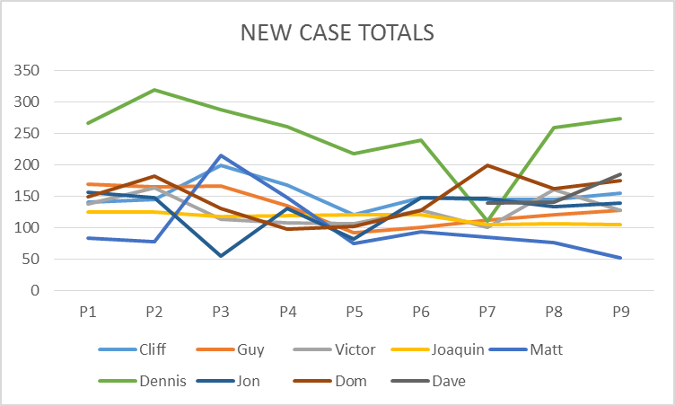
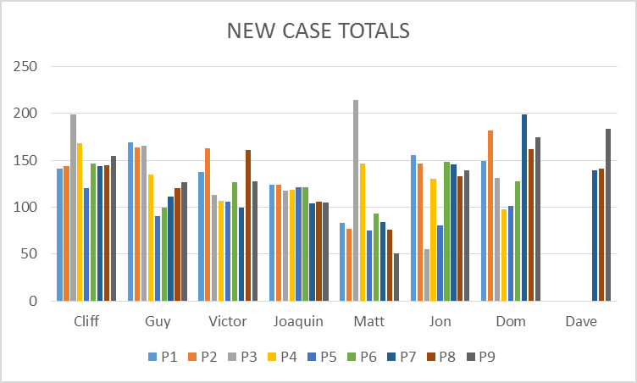
o So we can: review certain KPIs effectively
· We want to: have graphs showing trends for specific KPIs (TBD later)
o So we can: review certain KPIs effectively
· We want to:
o So we can:

· We want to: (MORE STORIES TBD)

Admin
AGILE STORIES
ADMINISTRATIVE FUNCTIONS FOR QUEUE ENVIRONMENT | Administrative User Profiles
All of the following stories are based on the premise of “As a tech from the Automotive Support Group”… | Last name | first name | Edit | Delete | Type
· We want to: have a separate administrative page that has multiple functions for the ways the entire queue and ticketing environment displays data including user set-up and permissions, and program settings | Peerson | Cliff | edit | delete | Level 1
o So we can: streamline how new cases come into our dispatch system. | Simons | Guy | Edit | Delete | Level 1
· We want to: have each of the administrative functions be in a separate area (either by page or field) | Hibbs | Curtis | Edit | Delete | Level 1
o So we can: effectively manage the admin functions | Maning | Kyle | Edit | Delete | Level 2
· We want to: have of the following areas within the Admin section such as: "User Mgmt" (management of the user accoutns and permissions ), and "Prgm Settings" (for program settings of how specific fields are displayed within the queue environment) | Diegle | Richard | Edit | Delete | Level 2
o So we can: effectively manage the admin functions | Lee | John | Edit | Delete | Level 3
For User Management:
· We want to: have | Add New users |  |  |  | User Permissions - Step 2 of 2
o So we can: | Last Name |  |  |  | Email customer |  | Yes | Edit
· We want to: | First name |  |  |  | Edit customer secondary phone # |  | Yes | Edit
o So we can: | User/Login name |  |  |  | Edit customer contact name |  | No | Edit
· We want to: | Password |  |  |  | Assign Tech/Editor to ticket |  | No | Edit
o So we can: | email |  |  |  | View users |  | No | Edit
· We want to: | Type |  |  |  | Add user(s) |  | No | Edit
o So we can: |  | Add User - Step 1 of 2 |  |  | Edit user(s) |  | No | Edit
· We want to: |  |  |  |  | Delete user(s) |  | No | Edit
o So we can: |  |  |  |  | Update program settings |  | No | Edit
· We want to: |  |  |  |  | TBD |  | No | Edit
o So we can: |  |  |  |  |  | SAVE
For Program Settings
· We want to: have | Program Settings
o So we can:
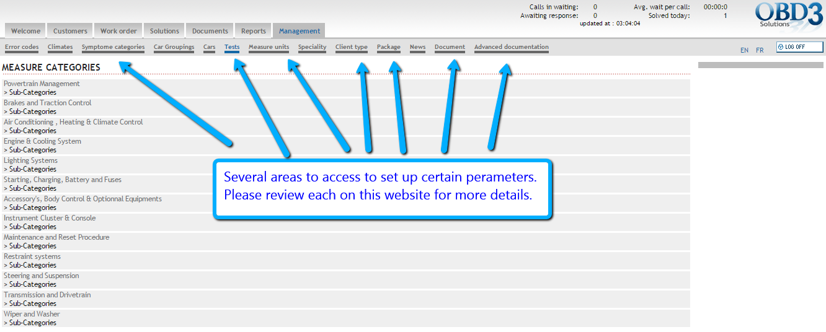
· We want to:
o So we can:
· We want to:
o So we can:
· We want to:
o So we can:

· We want to: (MORE STORIES TBD)

