Issues
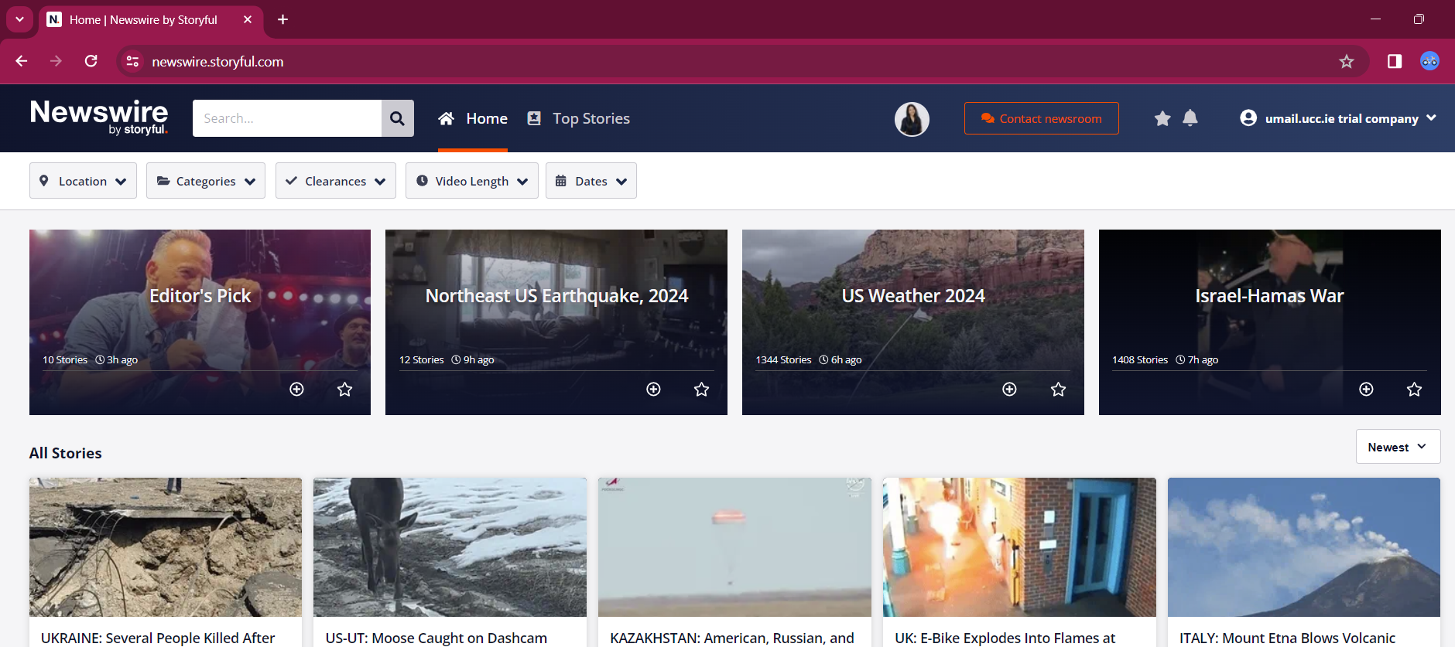
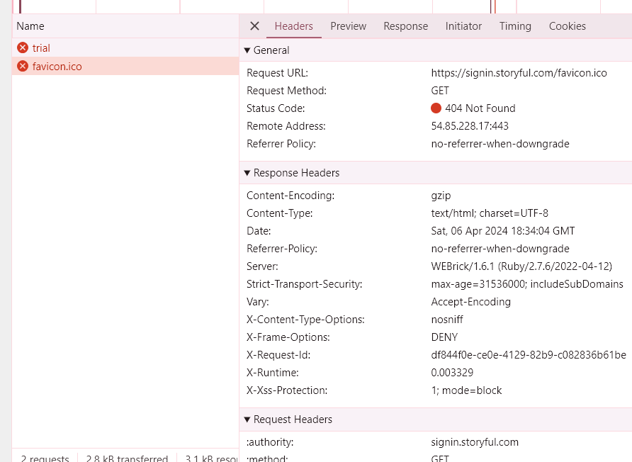
Issue 1 | After signging up for the first time, user got account deactivated message
Note | This Issue was specific to my user, didn't reproduce when used with any other user.
Steps
1 | Enter the required user details
2 | Agree the terms and condition and verify the CAPTCHA
3 | Click on TRIAL SINGUP
4 | Following error message appeared with console error and API failure

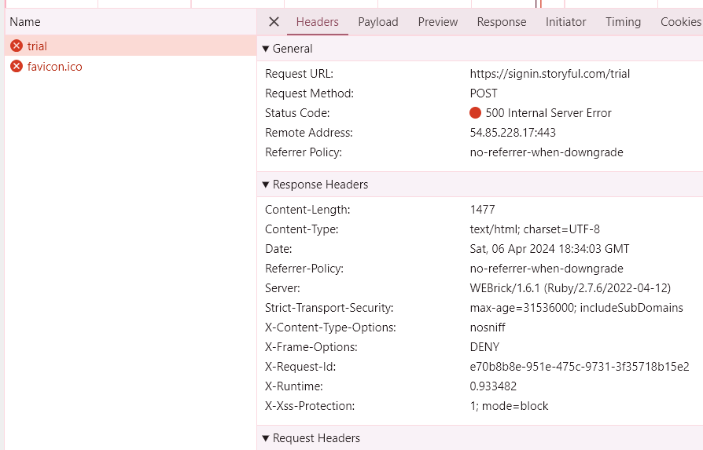

Issue2 | After user sign up it didn't ask user to authenticate by sending the verification link.
Note | It depends on requirement if user authentication is required or not
Steps:
1 | Enter the required user details
2 | Agree the terms and condition and verify the CAPTCHA
3 | Click on TRIAL SINGUP
4 | User logged in and is able to access the platform.

