Z-Score-1
Steps | mean | X-mean | std. dev. | z-score
7500 | 7680 | -180 | 1033.5698654 | -0.17415368426
8200 |  | 520 |  | 0.50311064342
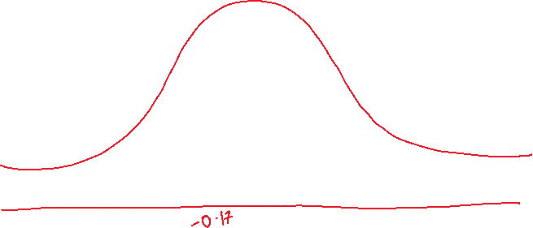
7800 |  | 120 |  | 0.11610245617 | 7800
7300 |  | -380 |  | -0.36765777788
7900 |  | 220 |  | 0.21285450298
4000 |  | -3680 |  | -3.5604753227
8400 |  | 720 |  | 0.69661473704
8100 |  | 420 |  | 0.40635859661
7600 |  | -80 |  | -0.077401637449
8000 |  | 320 |  | 0.3096065498
8500 |  | 820 |  | 0.79336678385
7700 |  | 20 |  | 0.019350409362
7900 |  | 220 |  | 0.21285450298
8100 |  | 420 |  | 0.40635859661
8200 |  | 520 |  | 0.50311064342

Z-Score-2
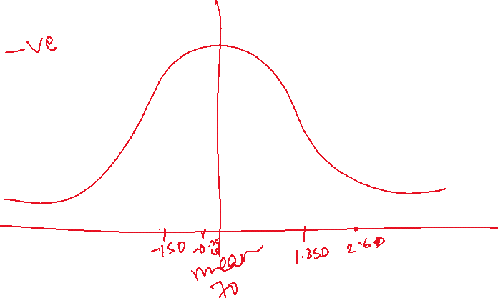

Scores | Mean | Std. Dev. | X-mean | Z-score
85 | 70 | 8 | 15 | 1.875
62 |  |  | -8 | -1
75 |  |  | 5 | 0.625
91 |  |  | 21 | 2.625
68 |  |  | -2 | -0.25
80 |  |  | 10 | 1.25
67 |  |  | -3 | -0.375
72 |  |  | 2 | 0.25
95 |  |  | 25 | 3.125
58 |  |  | -12 | -1.5

 |  |  |  |  | A high school tracks the scores of its students in a math exam. The scores are normally distributed with a mean of 70 and a standard deviation of 8. If Sam has a Z-score of 1.5, calculate the Sam's exam score.

