July 2026
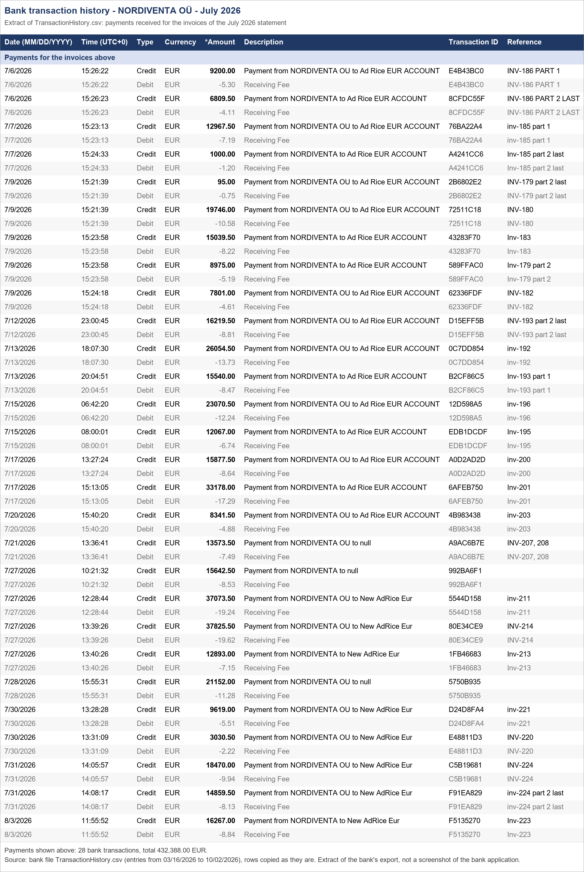
NORDIVENTA OÜ - Statement and payment confirmation - July 2026
Statement no. 1054 dated 02.10.2026, issued by Ad Rice LLC FZ. Payments are taken from the bank file TransactionHistory.csv.

Statement total (per PDF) |  |  |  | 432,388.00
Received per statement (per PDF) |  |  |  | 432,388.00
Paid per bank (payments in table 2) |  |  |  | 432,388.00
Open balance (statement total - paid per bank) |  |  |  | -
Check: invoices in table 2 - statement total (should be -) |  |  |  | -
Check: paid per bank - 'received' per statement (should be -) |  |  |  | -

Jump to: | 1. Statement | 2. Payments | 3. Bank proof

1. Statement as issued
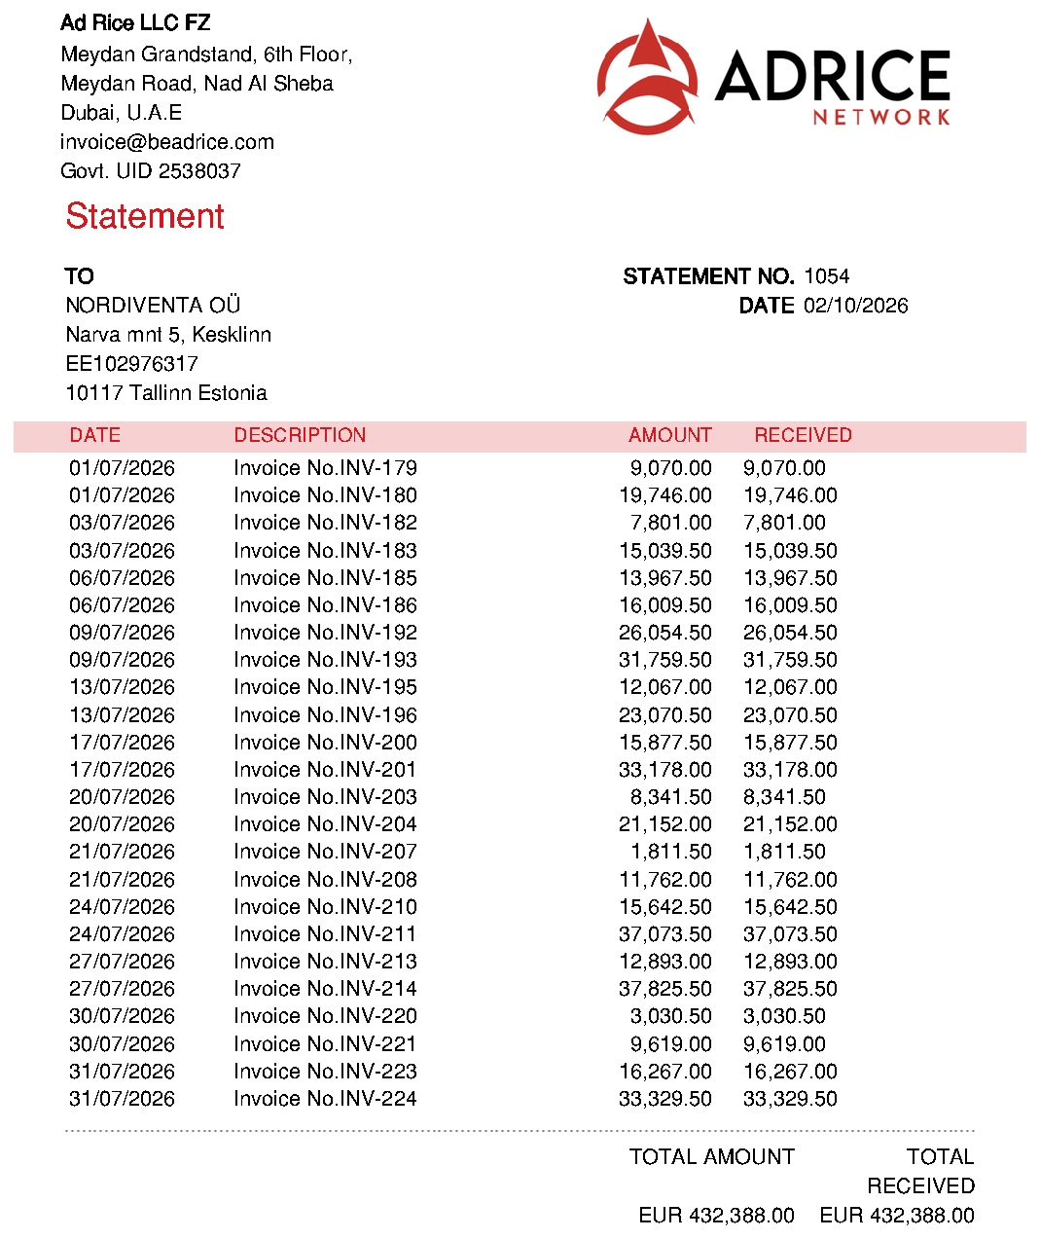

2. Invoices and the payments that settled them
Invoice | Invoice date | Invoice amount (EUR) | Payment date | Payment amount (EUR) | Bank reference (as sent by payer) | Bank transaction ID | Open balance (EUR) | Note
INV-179 | 2026-07-01 | 9,070.00 | 2026-07-09 | 95.00 | INV-179 part 2 last | 2B6802E2 |  | Part payment (invoice settled in 2 payments)
INV-179 |  |  | 2026-07-09 | 8,975.00 | Inv-179 part 2 | 589FFAC0 |  | Part payment (invoice settled in 2 payments)
INV-180 | 2026-07-01 | 19,746.00 | 2026-07-09 | 19,746.00 | INV-180 | 72511C18
INV-182 | 2026-07-03 | 7,801.00 | 2026-07-09 | 7,801.00 | INV-182 | 62336FDF
INV-183 | 2026-07-03 | 15,039.50 | 2026-07-09 | 15,039.50 | Inv-183 | 43283F70 | -
INV-185 | 2026-07-06 | 13,967.50 | 2026-07-07 | 12,967.50 | inv-185 part 1 | 76BA22A4 | - | Part payment (invoice settled in 2 payments)
INV-185 |  |  | 2026-07-07 | 1,000.00 | Inv-185 part 2 last | A4241CC6 |  | Part payment (invoice settled in 2 payments)
INV-186 | 2026-07-06 | 16,009.50 | 2026-07-06 | 9,200.00 | INV-186 PART 1 | E4B43BC0 | - | Part payment (invoice settled in 2 payments)
INV-186 |  |  | 2026-07-06 | 6,809.50 | INV-186 PART 2 LAST | 8CFDC55F |  | Part payment (invoice settled in 2 payments)
INV-192 | 2026-07-09 | 26,054.50 | 2026-07-13 | 26,054.50 | inv-192 | 0C7DD854 | -
INV-193 | 2026-07-09 | 31,759.50 | 2026-07-12 | 16,219.50 | INV-193 part 2 last | D15EFF5B | - | Part payment (invoice settled in 2 payments)
INV-193 |  |  | 2026-07-13 | 15,540.00 | Inv-193 part 1 | B2CF86C5 |  | Part payment (invoice settled in 2 payments)
INV-195 | 2026-07-13 | 12,067.00 | 2026-07-15 | 12,067.00 | Inv-195 | EDB1DCDF
INV-196 | 2026-07-13 | 23,070.50 | 2026-07-15 | 23,070.50 | inv-196 | 12D598A5 | -
INV-200 | 2026-07-17 | 15,877.50 | 2026-07-17 | 15,877.50 | inv-200 | A0D2AD2D | -
INV-201 | 2026-07-17 | 33,178.00 | 2026-07-17 | 33,178.00 | Inv-201 | 6AFEB750
INV-203 | 2026-07-20 | 8,341.50 | 2026-07-20 | 8,341.50 | inv-203 | 4B983438 | -
INV-204 | 2026-07-20 | 21,152.00 | 2026-07-28 | 21,152.00 |  | 5750B935 |  | No reference in the bank file - matched by exact amount
INV-207 | 2026-07-21 | 1,811.50 | 2026-07-21 | 1,811.50 | INV-207, 208 | A9AC6B7E | - | One bank payment of 13,573.50 covers INV-207 + INV-208 (split by invoice amounts)
INV-208 | 2026-07-21 | 11,762.00 | 2026-07-21 | 11,762.00 | INV-207, 208 | A9AC6B7E |  | One bank payment of 13,573.50 covers INV-207 + INV-208 (split by invoice amounts)
INV-210 | 2026-07-24 | 15,642.50 | 2026-07-27 | 15,642.50 |  | 992BA6F1 | - | No reference in the bank file - matched by exact amount
INV-211 | 2026-07-24 | 37,073.50 | 2026-07-27 | 37,073.50 | inv-211 | 5544D158 | -
INV-213 | 2026-07-27 | 12,893.00 | 2026-07-27 | 12,893.00 | Inv-213 | 1FB46683
INV-214 | 2026-07-27 | 37,825.50 | 2026-07-27 | 37,825.50 | INV-214 | 80E34CE9 | -
INV-220 | 2026-07-30 | 3,030.50 | 2026-07-30 | 3,030.50 | INV-220 | E48811D3 | -
INV-221 | 2026-07-30 | 9,619.00 | 2026-07-30 | 9,619.00 | inv-221 | D24D8FA4
INV-223 | 2026-07-31 | 16,267.00 | 2026-08-03 | 16,267.00 | Inv-223 | F5135270
INV-224 | 2026-07-31 | 33,329.50 | 2026-07-31 | 18,470.00 | INV-224 | C5B19681 | - | Part payment (invoice settled in 2 payments)
INV-224 |  |  | 2026-07-31 | 14,859.50 | inv-224 part 2 last | F91EA829 |  | Part payment (invoice settled in 2 payments)
Total |  | 432,388.00 |  | 432,388.00 |  |  | -

Invoices are grouped by the invoice date on the statement; a payment can be dated in a later month (see 'Payment date').
Bank fees (Receiving Fee) are charged on top of each payment and are not part of the invoice amounts; they are visible in the bank proof.
Payments without any reference in the bank file were matched to the open invoice with exactly the same amount (yellow).
A payment that settles two invoices is shown on each invoice with that invoice's share; the bank booked it as one transaction.
Blue = values taken from the statement PDF / bank file, black = formulas, yellow = needs attention.

3. Bank proof - matching rows of TransactionHistory.csv

August 2026
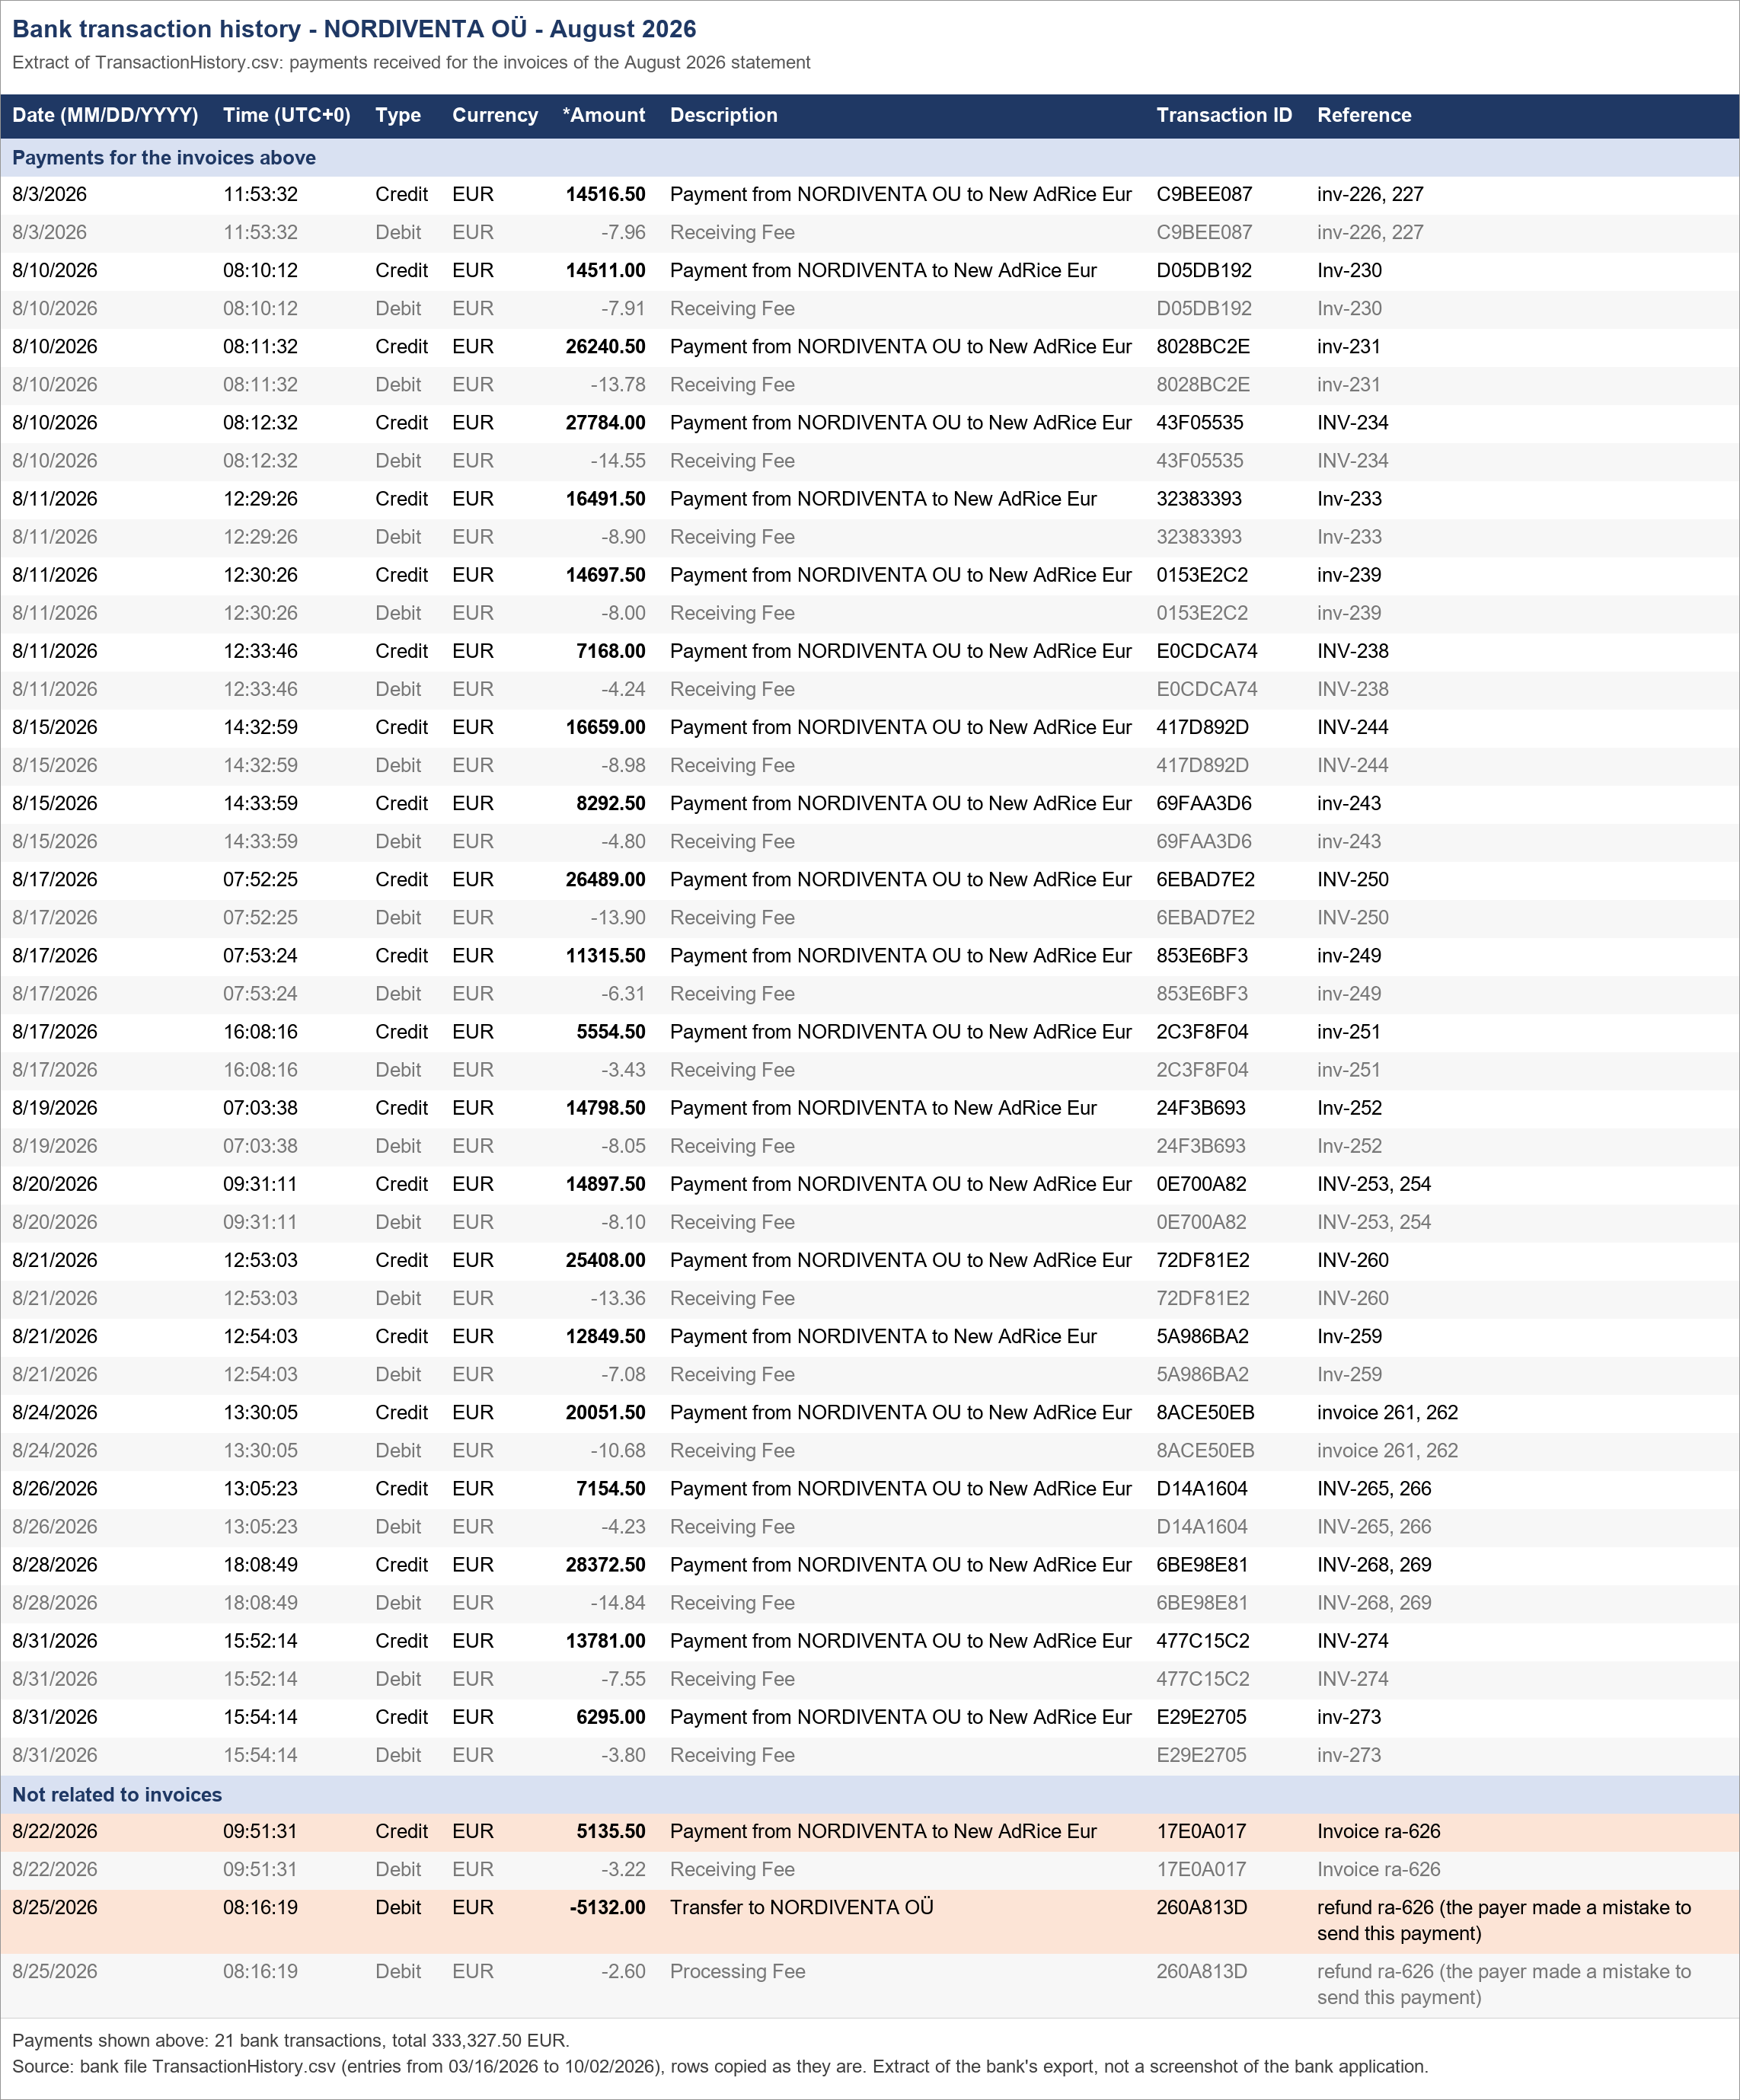
NORDIVENTA OÜ - Statement and payment confirmation - August 2026
Statement no. 1055 dated 02.10.2026, issued by Ad Rice LLC FZ. Payments are taken from the bank file TransactionHistory.csv.

Statement total (per PDF) |  |  |  | 333,327.50
Received per statement (per PDF) |  |  |  | 333,327.50
Paid per bank (payments in table 2) |  |  |  | 333,327.50
Open balance (statement total - paid per bank) |  |  |  | -
Check: invoices in table 2 - statement total (should be -) |  |  |  | -
Check: paid per bank - 'received' per statement (should be -) |  |  |  | -

Jump to: | 1. Statement | 2. Payments | 3. Bank proof

1. Statement as issued
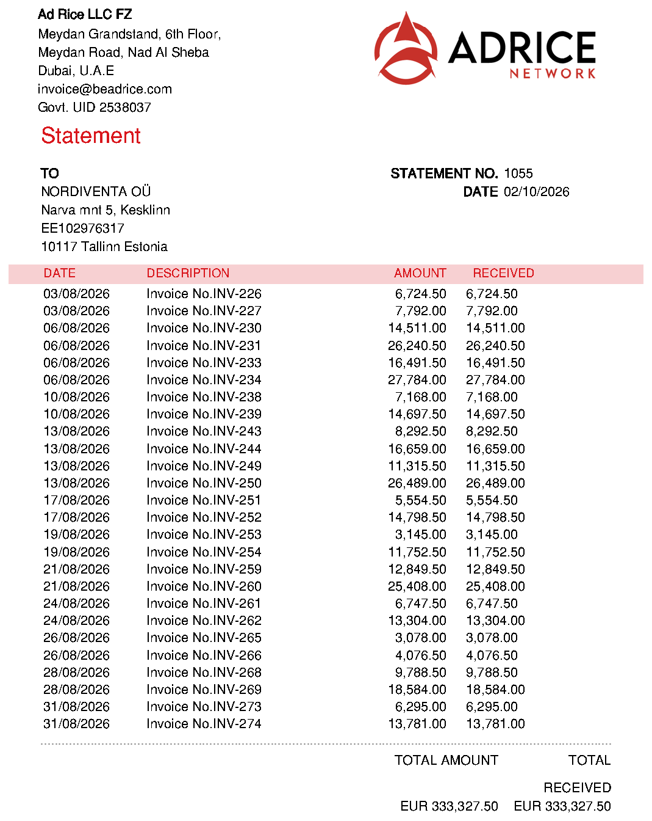

2. Invoices and the payments that settled them
Invoice | Invoice date | Invoice amount (EUR) | Payment date | Payment amount (EUR) | Bank reference (as sent by payer) | Bank transaction ID | Open balance (EUR) | Note
INV-226 | 2026-08-03 | 6,724.50 | 2026-08-03 | 6,724.50 | inv-226, 227 | C9BEE087 | - | One bank payment of 14,516.50 covers INV-226 + INV-227 (split by invoice amounts)
INV-227 | 2026-08-03 | 7,792.00 | 2026-08-03 | 7,792.00 | inv-226, 227 | C9BEE087 |  | One bank payment of 14,516.50 covers INV-226 + INV-227 (split by invoice amounts)
INV-230 | 2026-08-06 | 14,511.00 | 2026-08-10 | 14,511.00 | Inv-230 | D05DB192
INV-231 | 2026-08-06 | 26,240.50 | 2026-08-10 | 26,240.50 | inv-231 | 8028BC2E | -
INV-233 | 2026-08-06 | 16,491.50 | 2026-08-11 | 16,491.50 | Inv-233 | 32383393 | -
INV-234 | 2026-08-06 | 27,784.00 | 2026-08-10 | 27,784.00 | INV-234 | 43F05535
INV-238 | 2026-08-10 | 7,168.00 | 2026-08-11 | 7,168.00 | INV-238 | E0CDCA74
INV-239 | 2026-08-10 | 14,697.50 | 2026-08-11 | 14,697.50 | inv-239 | 0153E2C2 | -
INV-243 | 2026-08-13 | 8,292.50 | 2026-08-15 | 8,292.50 | inv-243 | 69FAA3D6 | -
INV-244 | 2026-08-13 | 16,659.00 | 2026-08-15 | 16,659.00 | INV-244 | 417D892D
INV-249 | 2026-08-13 | 11,315.50 | 2026-08-17 | 11,315.50 | inv-249 | 853E6BF3 | -
INV-250 | 2026-08-13 | 26,489.00 | 2026-08-17 | 26,489.00 | INV-250 | 6EBAD7E2
INV-251 | 2026-08-17 | 5,554.50 | 2026-08-17 | 5,554.50 | inv-251 | 2C3F8F04 | -
INV-252 | 2026-08-17 | 14,798.50 | 2026-08-19 | 14,798.50 | Inv-252 | 24F3B693 | -
INV-253 | 2026-08-19 | 3,145.00 | 2026-08-20 | 3,145.00 | INV-253, 254 | 0E700A82 |  | One bank payment of 14,897.50 covers INV-253 + INV-254 (split by invoice amounts)
INV-254 | 2026-08-19 | 11,752.50 | 2026-08-20 | 11,752.50 | INV-253, 254 | 0E700A82 | - | One bank payment of 14,897.50 covers INV-253 + INV-254 (split by invoice amounts)
INV-259 | 2026-08-21 | 12,849.50 | 2026-08-21 | 12,849.50 | Inv-259 | 5A986BA2 | -
INV-260 | 2026-08-21 | 25,408.00 | 2026-08-21 | 25,408.00 | INV-260 | 72DF81E2
INV-261 | 2026-08-24 | 6,747.50 | 2026-08-24 | 6,747.50 | invoice 261, 262 | 8ACE50EB | - | One bank payment of 20,051.50 covers INV-261 + INV-262 (split by invoice amounts)
INV-262 | 2026-08-24 | 13,304.00 | 2026-08-24 | 13,304.00 | invoice 261, 262 | 8ACE50EB |  | One bank payment of 20,051.50 covers INV-261 + INV-262 (split by invoice amounts)
INV-265 | 2026-08-26 | 3,078.00 | 2026-08-26 | 3,078.00 | INV-265, 266 | D14A1604 |  | One bank payment of 7,154.50 covers INV-265 + INV-266 (split by invoice amounts)
INV-266 | 2026-08-26 | 4,076.50 | 2026-08-26 | 4,076.50 | INV-265, 266 | D14A1604 | - | One bank payment of 7,154.50 covers INV-265 + INV-266 (split by invoice amounts)
INV-268 | 2026-08-28 | 9,788.50 | 2026-08-28 | 9,788.50 | INV-268, 269 | 6BE98E81 | - | One bank payment of 28,372.50 covers INV-268 + INV-269 (split by invoice amounts)
INV-269 | 2026-08-28 | 18,584.00 | 2026-08-28 | 18,584.00 | INV-268, 269 | 6BE98E81 |  | One bank payment of 28,372.50 covers INV-268 + INV-269 (split by invoice amounts)
INV-273 | 2026-08-31 | 6,295.00 | 2026-08-31 | 6,295.00 | inv-273 | E29E2705
INV-274 | 2026-08-31 | 13,781.00 | 2026-08-31 | 13,781.00 | INV-274 | 477C15C2
Total |  | 333,327.50 |  | 333,327.50 |  |  | -

Invoices are grouped by the invoice date on the statement; a payment can be dated in a later month (see 'Payment date').
Bank fees (Receiving Fee) are charged on top of each payment and are not part of the invoice amounts; they are visible in the bank proof.
A payment that settles two invoices is shown on each invoice with that invoice's share; the bank booked it as one transaction.
Blue = values taken from the statement PDF / bank file, black = formulas, yellow = needs attention.
Not an invoice payment: the payer sent 5,135.50 on 22.08.2026 (ref 'Invoice ra-626') by mistake; 5,132.00 was sent back on 25.08.2026 (ref 'refund ra-626 (the payer made a mistake to send this payment)'). Shown in section 3 under 'Not related to invoices'.

3. Bank proof - matching rows of TransactionHistory.csv

September 2026
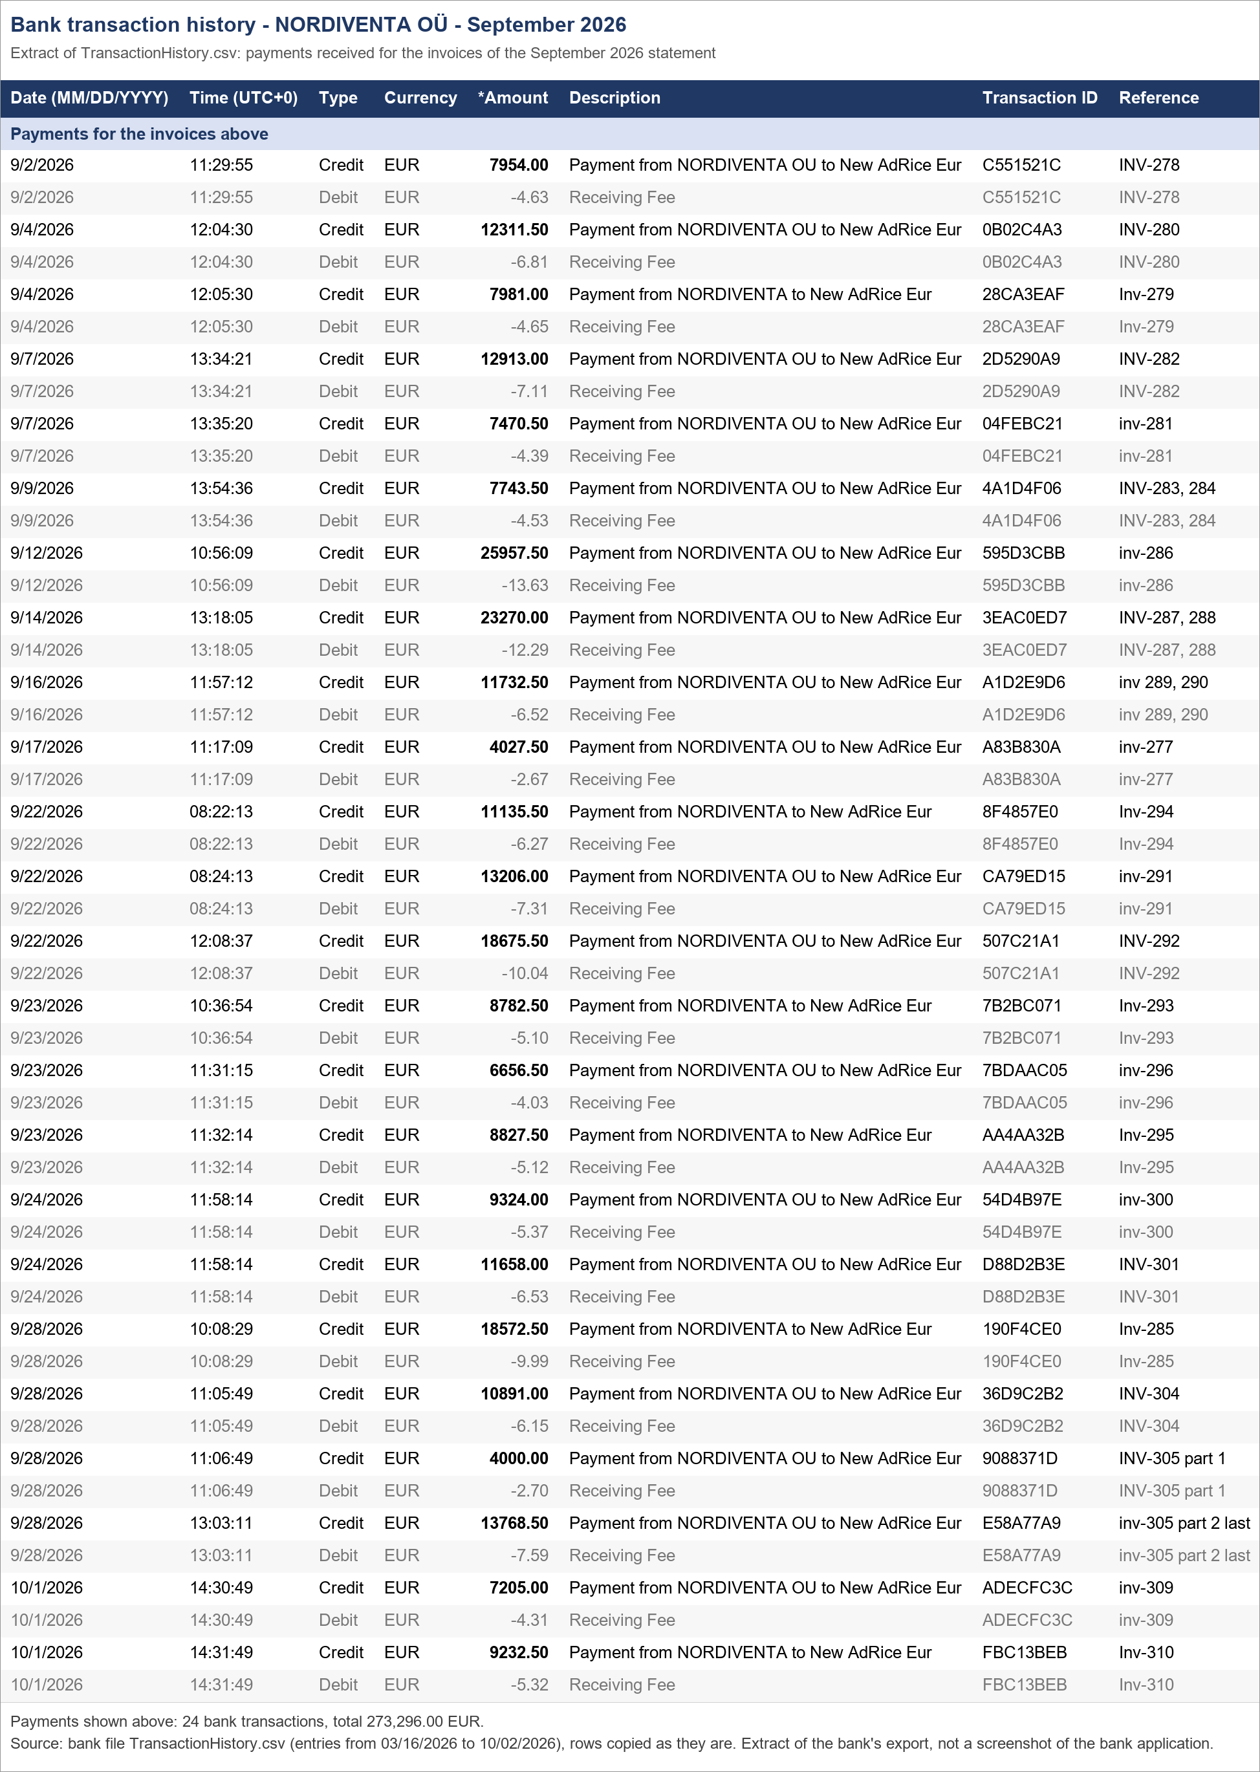
NORDIVENTA OÜ - Statement and payment confirmation - September 2026
Statement no. 1056 dated 02.10.2026, issued by Ad Rice LLC FZ. Payments are taken from the bank file TransactionHistory.csv.

Statement total (per PDF) |  |  |  | 273,296.00
Received per statement (per PDF) |  |  |  | 273,296.00
Paid per bank (payments in table 2) |  |  |  | 273,296.00
Open balance (statement total - paid per bank) |  |  |  | -
Check: invoices in table 2 - statement total (should be -) |  |  |  | -
Check: paid per bank - 'received' per statement (should be -) |  |  |  | -

Jump to: | 1. Statement | 2. Payments | 3. Bank proof

1. Statement as issued
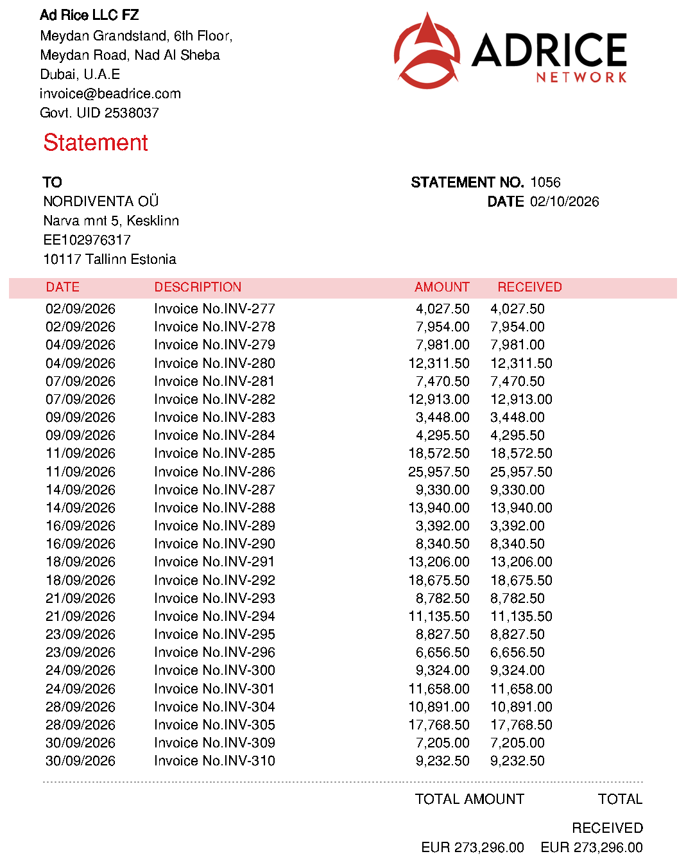

2. Invoices and the payments that settled them
Invoice | Invoice date | Invoice amount (EUR) | Payment date | Payment amount (EUR) | Bank reference (as sent by payer) | Bank transaction ID | Open balance (EUR) | Note
INV-277 | 2026-09-02 | 4,027.50 | 2026-09-17 | 4,027.50 | inv-277 | A83B830A | -
INV-278 | 2026-09-02 | 7,954.00 | 2026-09-02 | 7,954.00 | INV-278 | C551521C
INV-279 | 2026-09-04 | 7,981.00 | 2026-09-04 | 7,981.00 | Inv-279 | 28CA3EAF
INV-280 | 2026-09-04 | 12,311.50 | 2026-09-04 | 12,311.50 | INV-280 | 0B02C4A3 | -
INV-281 | 2026-09-07 | 7,470.50 | 2026-09-07 | 7,470.50 | inv-281 | 04FEBC21 | -
INV-282 | 2026-09-07 | 12,913.00 | 2026-09-07 | 12,913.00 | INV-282 | 2D5290A9
INV-283 | 2026-09-09 | 3,448.00 | 2026-09-09 | 3,448.00 | INV-283, 284 | 4A1D4F06 |  | One bank payment of 7,743.50 covers INV-283 + INV-284 (split by invoice amounts)
INV-284 | 2026-09-09 | 4,295.50 | 2026-09-09 | 4,295.50 | INV-283, 284 | 4A1D4F06 | - | One bank payment of 7,743.50 covers INV-283 + INV-284 (split by invoice amounts)
INV-285 | 2026-09-11 | 18,572.50 | 2026-09-28 | 18,572.50 | Inv-285 | 190F4CE0 | -
INV-286 | 2026-09-11 | 25,957.50 | 2026-09-12 | 25,957.50 | inv-286 | 595D3CBB | -
INV-287 | 2026-09-14 | 9,330.00 | 2026-09-14 | 9,330.00 | INV-287, 288 | 3EAC0ED7 |  | One bank payment of 23,270.00 covers INV-287 + INV-288 (split by invoice amounts)
INV-288 | 2026-09-14 | 13,940.00 | 2026-09-14 | 13,940.00 | INV-287, 288 | 3EAC0ED7 |  | One bank payment of 23,270.00 covers INV-287 + INV-288 (split by invoice amounts)
INV-289 | 2026-09-16 | 3,392.00 | 2026-09-16 | 3,392.00 | inv 289, 290 | A1D2E9D6 |  | One bank payment of 11,732.50 covers INV-289 + INV-290 (split by invoice amounts)
INV-290 | 2026-09-16 | 8,340.50 | 2026-09-16 | 8,340.50 | inv 289, 290 | A1D2E9D6 | - | One bank payment of 11,732.50 covers INV-289 + INV-290 (split by invoice amounts)
INV-291 | 2026-09-18 | 13,206.00 | 2026-09-22 | 13,206.00 | inv-291 | CA79ED15
INV-292 | 2026-09-18 | 18,675.50 | 2026-09-22 | 18,675.50 | INV-292 | 507C21A1 | -
INV-293 | 2026-09-21 | 8,782.50 | 2026-09-23 | 8,782.50 | Inv-293 | 7B2BC071 | -
INV-294 | 2026-09-21 | 11,135.50 | 2026-09-22 | 11,135.50 | Inv-294 | 8F4857E0 | -
INV-295 | 2026-09-23 | 8,827.50 | 2026-09-23 | 8,827.50 | Inv-295 | AA4AA32B | -
INV-296 | 2026-09-23 | 6,656.50 | 2026-09-23 | 6,656.50 | inv-296 | 7BDAAC05 | -
INV-300 | 2026-09-24 | 9,324.00 | 2026-09-24 | 9,324.00 | inv-300 | 54D4B97E
INV-301 | 2026-09-24 | 11,658.00 | 2026-09-24 | 11,658.00 | INV-301 | D88D2B3E
INV-304 | 2026-09-28 | 10,891.00 | 2026-09-28 | 10,891.00 | INV-304 | 36D9C2B2
INV-305 | 2026-09-28 | 17,768.50 | 2026-09-28 | 4,000.00 | INV-305 part 1 | 9088371D | - | Part payment (invoice settled in 2 payments)
INV-305 |  |  | 2026-09-28 | 13,768.50 | inv-305 part 2 last | E58A77A9 |  | Part payment (invoice settled in 2 payments)
INV-309 | 2026-09-30 | 7,205.00 | 2026-10-01 | 7,205.00 | inv-309 | ADECFC3C
INV-310 | 2026-09-30 | 9,232.50 | 2026-10-01 | 9,232.50 | Inv-310 | FBC13BEB | -
Total |  | 273,296.00 |  | 273,296.00 |  |  | -

Invoices are grouped by the invoice date on the statement; a payment can be dated in a later month (see 'Payment date').
Bank fees (Receiving Fee) are charged on top of each payment and are not part of the invoice amounts; they are visible in the bank proof.
A payment that settles two invoices is shown on each invoice with that invoice's share; the bank booked it as one transaction.
Blue = values taken from the statement PDF / bank file, black = formulas, yellow = needs attention.

3. Bank proof - matching rows of TransactionHistory.csv

October 2026
NORDIVENTA OÜ - Statement and payment confirmation - October 2026
Statement no. 1057 dated 02.10.2026, issued by Ad Rice LLC FZ. Payments are taken from the bank file TransactionHistory.csv.

Statement total (per PDF) |  |  |  | 27,174.50
Received per statement (per PDF) |  |  |  | -
Paid per bank (payments in table 2)
Open balance (statement total - paid per bank) |  |  |  | 27,174.50
Check: invoices in table 2 - statement total (should be -) |  |  |  | -
Check: paid per bank - 'received' per statement (should be -)

Jump to: | 1. Statement | 2. Payments | 3. Bank proof

1. Statement as issued
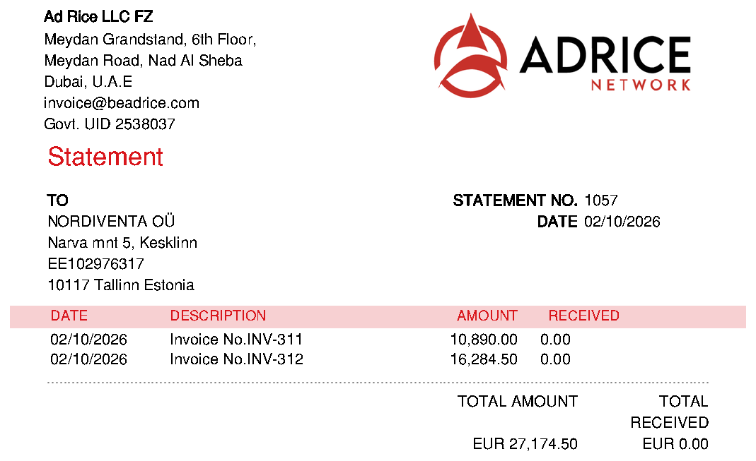

2. Invoices and the payments that settled them
Invoice | Invoice date | Invoice amount (EUR) | Payment date | Payment amount (EUR) | Bank reference (as sent by payer) | Bank transaction ID | Open balance (EUR) | Note
INV-311 | 2026-10-02 | 10,890.00 |  |  |  |  | 10,890.00 | Not paid yet - no payment from NORDIVENTA OÜ in the bank file (file ends 02.10.2026 09:08 UTC)
INV-312 | 2026-10-02 | 16,284.50 |  |  |  |  | 16,284.50 | Not paid yet - no payment from NORDIVENTA OÜ in the bank file (file ends 02.10.2026 09:08 UTC)
Total |  | 27,174.50 |  |  |  |  | 27,174.50

Invoices are grouped by the invoice date on the statement; a payment can be dated in a later month (see 'Payment date').
Bank fees (Receiving Fee) are charged on top of each payment and are not part of the invoice amounts; they are visible in the bank proof.
Blue = values taken from the statement PDF / bank file, black = formulas, yellow = needs attention.

3. Bank proof - matching rows of TransactionHistory.csv
No payments from NORDIVENTA OÜ for these invoices are in the bank file yet (it ends 02.10.2026 09:08 UTC), so there is nothing to confirm.

