Think Cell
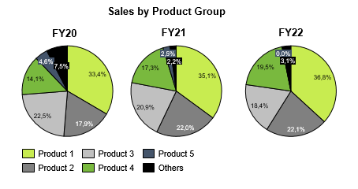
Revenue Split

 | 2022-12-31 |  |  | 2023-12-31 |  |  | 2024-12-31 |  |  | 2025-05-31
Dummy 1
Dummy 2
Dummy 3
Dummy 4

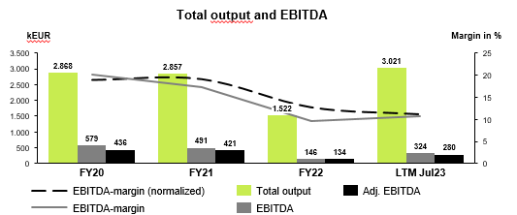
Total Output and EBITDA

 | 2022-12-31 | 2023-12-31 | 2024-12-31 | 2025-05-31
 | FY | FY | FY | LTM
EBITDA-margin (normalized) | n/a | n/a | n/a | n/a
EBITDA-margin | n/a | n/a | n/a | n/a
Total Output | - | - | - | -
EBITDA | - | - | - | -
Adj. EBITDA | - | - | - | -

EBITDA-Bridge

 | EBITDA FY22 Act. | ∆ Revenues | ∆ Change in inventory | ∆ Own work capitalized | ∆ Dummy 1 | ∆ Dummy 2 | ∆ Dummy 3 | ∆ Cost of materials | ∆ Personnel expenses | ∆ Premise costs | ∆ Repair and maintenance | ∆ Sales costs | ∆ Delivery costs | ∆ Vehicle costs | ∆ Insurance, contributions and levies expenses | ∆ Advertising and travel expenses | ∆ Other operating income | ∆ Other operating expenses | ∆ Dummy 1 | ∆ Dummy 2 | ∆ Dummy 3 | EBITDA FY23 Act. | ∆ Revenues | ∆ Change in inventory | ∆ Own work capitalized | ∆ Dummy 1 | ∆ Dummy 2 | ∆ Dummy 3 | ∆ Cost of materials | ∆ Personnel expenses | ∆ Premise costs | ∆ Repair and maintenance | ∆ Sales costs | ∆ Delivery costs | ∆ Vehicle costs | ∆ Insurance, contributions and levies expenses | ∆ Advertising and travel expenses | ∆ Other operating income | ∆ Other operating expenses | ∆ Dummy 1 | ∆ Dummy 2 | ∆ Dummy 3 | EBITDA FY24 Act.

EBITDA | - | - | - | - | - | - | - | - | - | - | - | - | - | - | - | - | - | - | - | - | - | - | - | - | - | - | - | - | - | - | - | - | - | - | - | - | - | - | - | - | - | - | -
Check |  |  |  |  |  |  |  |  |  |  |  |  |  |  |  |  |  |  |  |  |  | - |  |  |  |  |  |  |  |  |  |  |  |  |  |  |  |  |  |  |  |  | -

Monthly Trade Working Capital

 | 2022-01-31 | 2022-02-28 | 2022-03-31 | 2022-04-30 | 2022-05-31 | 2022-06-30 | 2022-07-31 | 2022-08-31 | 2022-09-30 | 2022-10-31 | 2022-11-30 | 2022-12-31 | 2023-01-31 | 2023-02-28 | 2023-03-31 | 2023-04-30 | 2023-05-31 | 2023-06-30 | 2023-07-31 | 2023-08-31 | 2023-09-30 | 2023-10-31 | 2023-11-30 | 2023-12-31 | 2024-01-31 | 2024-02-29 | 2024-03-31 | 2024-04-30 | 2024-05-31 | 2024-06-30 | 2024-07-31 | 2024-08-31 | 2024-09-30 | 2024-10-31 | 2024-11-30 | 2024-12-31 | 2025-01-31 | 2025-02-28 | 2025-03-31 | 2025-04-30 | 2025-05-31 | 2025-06-30 | 2025-07-31 | 2025-08-31 | 2025-09-30 | 2025-10-31 | 2025-11-30
Inventories | - | - | - | - | - | - | - | - | - | - | - | - | - | - | - | - | - | - | - | - | - | - | - | - | - | - | - | - | - | - | - | - | - | - | - | - | - | - | - | - | - | - | - | - | - | - | -
Trade receivables | - | - | - | - | - | - | - | - | - | - | - | - | - | - | - | - | - | - | - | - | - | - | - | - | - | - | - | - | - | - | - | - | - | - | - | - | - | - | - | - | - | - | - | - | - | - | -
Trade payables | - | - | - | - | - | - | - | - | - | - | - | - | - | - | - | - | - | - | - | - | - | - | - | - | - | - | - | - | - | - | - | - | - | - | - | - | - | - | - | - | - | - | - | - | - | - | -
Advance payments received | - | - | - | - | - | - | - | - | - | - | - | - | - | - | - | - | - | - | - | - | - | - | - | - | - | - | - | - | - | - | - | - | - | - | - | - | - | - | - | - | - | - | - | - | - | - | -
Trade working capital | - | - | - | - | - | - | - | - | - | - | - | - | - | - | - | - | - | - | - | - | - | - | - | - | - | - | - | - | - | - | - | - | - | - | - | - | - | - | - | - | - | - | - | - | - | - | -
Net working capital | - | - | - | - | - | - | - | - | - | - | - | - | - | - | - | - | - | - | - | - | - | - | - | - | - | - | - | - | - | - | - | - | - | - | - | - | - | - | - | - | - | - | - | - | - | - | -
Cash | - | - | - | - | - | - | - | - | - | - | - | - | - | - | - | - | - | - | - | - | - | - | - | - | - | - | - | - | - | - | - | - | - | - | - | - | - | - | - | - | - | - | - | - | - | - | -
Revenues | - | - | - | - | - | - | - | - | - | - | - | - | - | - | - | - | - | - | - | - | - | - | - | - | - | - | - | - | - | - | - | - | - | - | - | - | - | - | - | - | - | - | - | - | - | - | -
TWC in % LTM Revenue | 0% | 0% | 0% | 0% | 0% | 0% | 0% | 0% | 0% | 0% | 0% | 0% | 0% | 0% | 0% | 0% | 0% | 0% | 0% | 0% | 0% | 0% | 0% | 0% | 0% | 0% | 0% | 0% | 0% | 0% | 0% | 0% | 0% | 0% | 0% | 0% | 0% | 0% | 0% | 0% | 0% | 0% | 0% | 0% | 0% | 0% | 0%

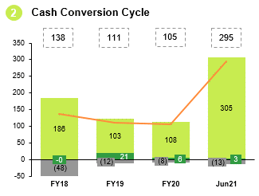
Cash Conversion Cycle

 | 2022-12-31 | 2023-12-31 | 2024-12-31 | 2025-05-31

Ø Days inventory outstanding (DIO) | n/a | n/a | n/a | n/a
Ø Days sales outstanding (DSO) | n/a | n/a | n/a | n/a
Ø Days payables outstanding (DPO) | n/a | n/a | n/a | n/a
Cash conversion cycle | - | - | - | -

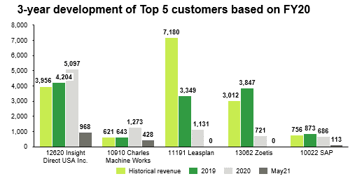
TOP Customer Analyse

 | Customer 1 | Customer 2 | Customer 3 | Customer 4 | Customer 5

FYXX
FYXX
FYXX
FYXX

Contribution Margin

2020-12-31
 | Revenue | Contribution margin 1 in % | Revenue
Dummy 1
Dummy 2
Dummy 3
Dummy 4
Total output

