Design
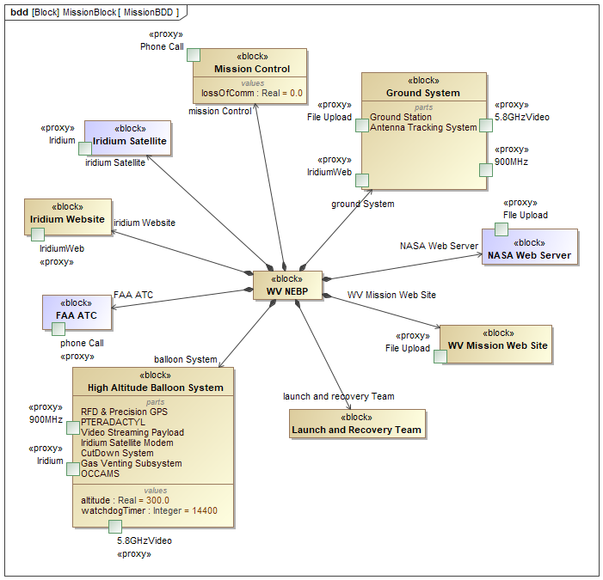
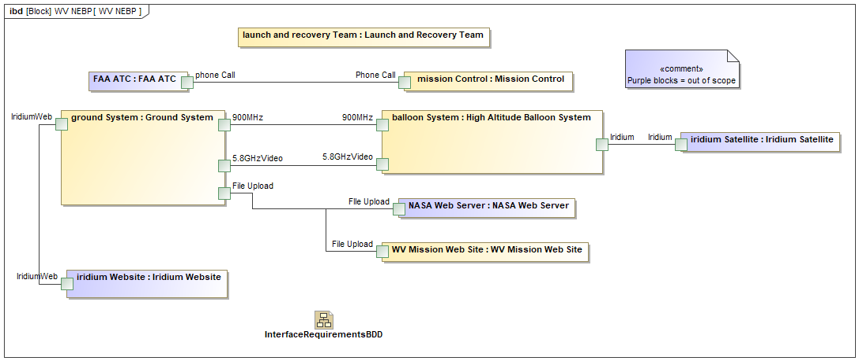

Weight
C
A
B
D
E
F
L
G
I
H
J
K
 | Subsystem | Weight (g)
A | Balloon | 1600.00
B | Helium Gas
C | Venting & Cutdown
D | Backup Cutdown (?)
E | Spot Tracker (?)
F | Parachute
G | Iridium Modem / OCAM board
H | Radar Reflector
I | Video Subsystem | 1097.00
J | RFD 900
K | Pteradactyl | 300.00
L | Payload X
 | Flight Line (< 50 feet)
 | Mechanisms & Structures (Boxes, paint, tape, zip ties, etc)
 |  | 2997.00 | 5443.104 | Max in grams (12 lbs)

TestFlight-1
C
A
B
D
E
F
L
G
I
H
J
K
 | Subsystem | Weight (g) | Status | Lead | Comment / Status
A | Balloon | 1600.00
B | Helium Gas
C | Venting & Cutdown
D | Backup Cutdown (?)
E | Spot Tracker (?)
F | Parachute
G | Iridium Modem / OCAM board
H | Radar Reflector
I | Video Subsystem | 1097.00
J | RFD 900
K | Pteradactyl | 300.00
L | Payload X
 | Flight Line (< 50 feet)
 | Mechanisms & Structures (Boxes, paint, tape, zip ties, etc)
 |  | 2997.00 | 5443.104 | Max in grams (12 lbs)

 | Ground Subsystem | n/a
 | Launch Site | n/a
 | Ground Station Site | n/a
 | Launch Gear | n/a

