overview
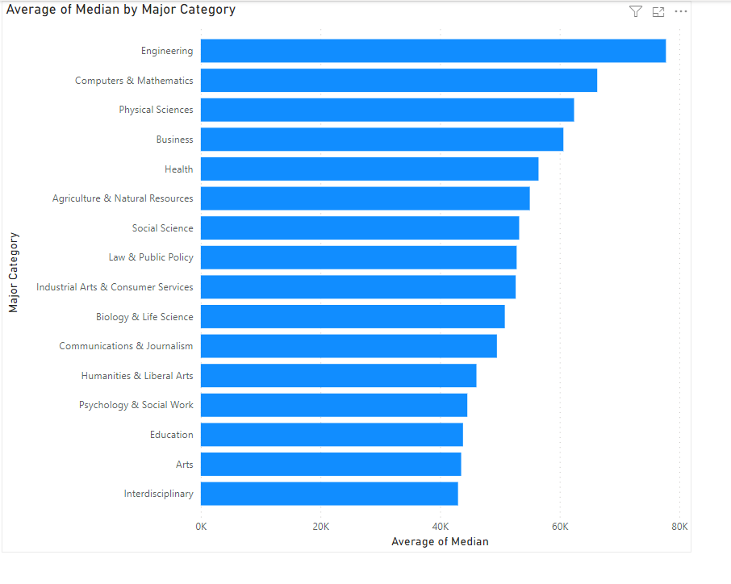
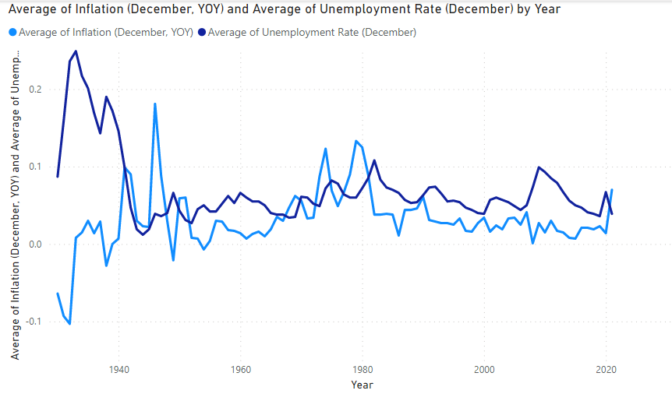
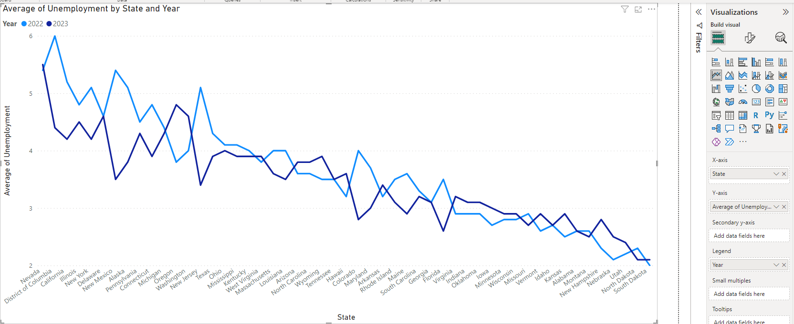
College Major Salary Dataset

Source: https://data.world/fivethirtyeight/college-majors

From Kaggle,
 | This repository contains a selection of the data -- and the data-processing scripts -- behind the articles, graphics and interactives at FiveThirtyEight.

 | We hope you'll use it to check our work and to create stories and visualizations of your own. The data is available under the Creative Commons Attribution 4.0 International License and the code is available under the MIT License. If you do find it useful, please let us know](andrei.scheinkman@fivethirtyeight.com).

 | Source: https://github.com/fivethirtyeight/data

Header | Description
Rank | Rank by median earnings
Major_code | Major code, FO1DP in ACS PUMS
Major | Major description
Major_category | Category of major from Carnevale et al
Total | Total number of people with major
Sample_size | Sample size (unweighted) of full-time, year-round ONLY (used for earnings)
Men | Male graduates
Women | Female graduates
ShareWomen | Women as share of total
Employed | Number employed (ESR == 1 or 2)
Full_time | Employed 35 hours or more
Part_time | Employed less than 35 hours
Full_time_year_round | Employed at least 50 weeks (WKW == 1) and at least 35 hours (WKHP >= 35)
Unemployed | Number unemployed (ESR == 3)
Unemployment_rate | Unemployed / (Unemployed + Employed)
Median | Median earnings of full-time, year-round workers
P25th | 25th percentile of earnigns
P75th | 75th percentile of earnings
College_jobs | Number with job requiring a college degree
Non_college_jobs | Number with job not requiring a college degree
Low_wage_jobs | Number in low-wage service jobs

solution
Data Model

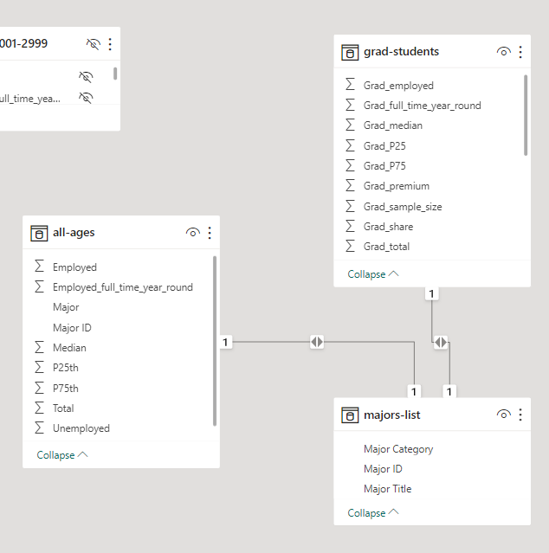

note one-to-one relations (bi-directional)

All ages 001-2999
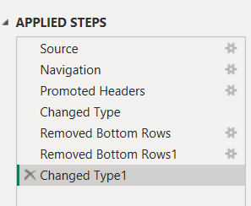

look for text to numbers

All ages
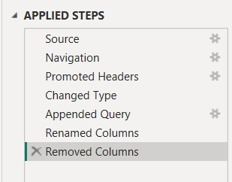

look for text to numbers

append query

Graduate Students

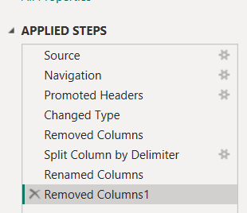

look for text to numbers

split

Majors List

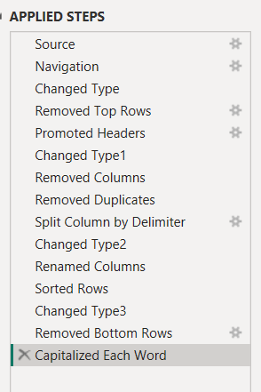

look for text to numbers

remove duplicates

Sort and remove bad data

Economy by year

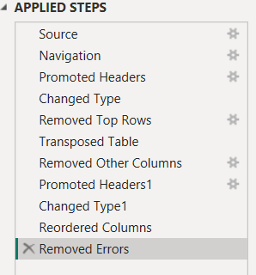

transpose, not pivot/unpivot

Unemployment by State

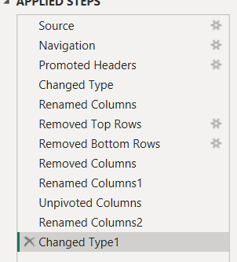

unpivot

