Todo
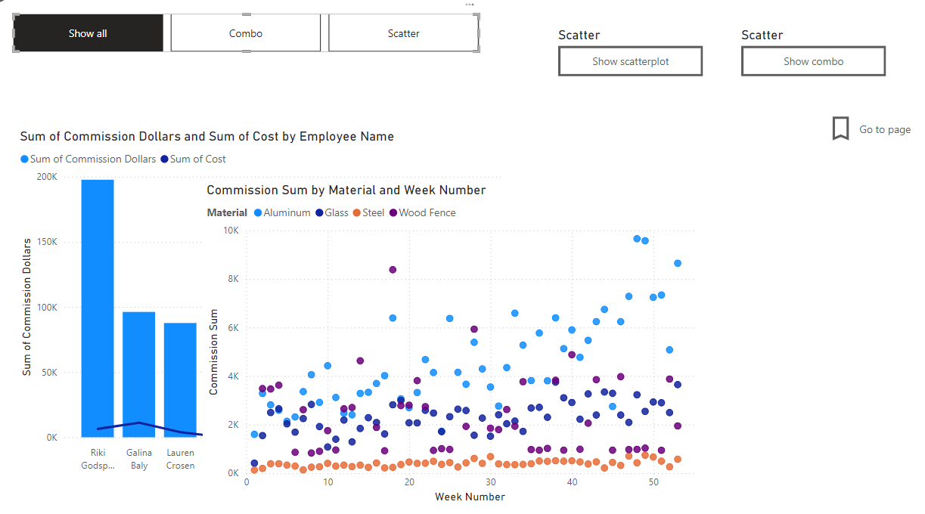
AP PowerBI Report

Suppliers

Split address into parts (city, state, zip)
Fix empty fields/rows
Delete null records

Orders

Create date column. Be careful about the year! You may need to concat first
Create a total sale column, using cost and amount
Create a commission rate column. Use 5% discount if the employee is either 4 or 6, other 10% otherwise
Create a commission dollars column.
Create a Commission Sum measure

Materials

Create a measure to calculate the COGs for each sale
Fix header rows
Turn COGS into a percentage field

Checks

Fix column name
Change data format to 12/1/24
Change aggregation defaults to properly show check-amount and not check-id

Employee

Create a Full name field that shows "First Last"
Hide old name
Fix Mogantown city

Date

Create date table
Add Year, Day of Week, Week Number, Fiscal Year (ending in June)

Relationships

Fix relationships for tables. Use a star diagram
Create a new table called Employee Check Signer to remove the problematic relationships between employee, orders, and checks.
Make suppliers link to orders, not checks.

Report - Slicers

 | Create bar chart
 | Create pie chart
 | Add slicers for year (choose single selection)
 | Add slicers for material (choose multiple selection)
 | Add card for total sales
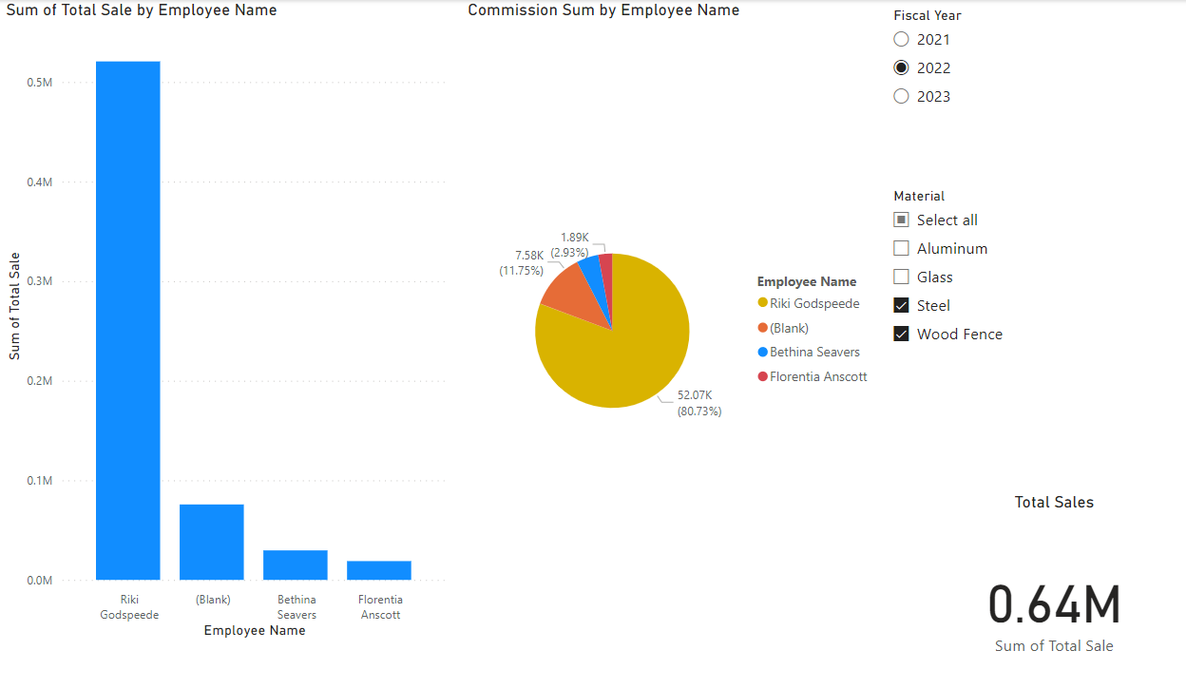

Report - Hide Button

 | Create combo chart
 | Create tooltip for materials
 | Set page to allow use as tooltip
 | Set page to cavnas of tooltip
 | Add bar chart
 | Set as tooltip for combo chart
 | Create scatterplot
 | Create buttons
 | Back button
 | Insert page navigator
 | Insert bookmark navigator
 | Add bookmark (hint: show selections and then add/hide)
 | Insert button to activate bookmark
 | Insert button to move to a new page
 | Create conditional formatting on table
 | Create sparkline

