Six Chart Types
The six types of charts…

Profit by Round

 | Round 1 | Round 2 | Round 3 | Round 4
Apple | $50 | $90 | $125 | $190 | $455
Blight | $200 | $190 | $90 | $55 | $535
Cats | $50 | $240 | $80 | $175 | $545
Sum | $300 | $520 | $295 | $420

Profit - Version A
Profit - Version B
Profit - Version C

Profit - Version E
Profit - Version F
Profit - Version D

Profit

Year | Andre | Bruce | Cherry | Total
2001 | $100.00 | $- | $10.00 | $110.00
2002 | $90.00 | $50.00 | $20.00 | $160.00
2003 | $110.00 | $80.00 | $30.00 | $220.00
2004 | $125.00 | $110.00 | $44.00 | $279.00
2005 | $110.00 | $60.00 | $40.00 | $210.00
Total | $535.00 | $300.00 | $144.00

Lines and Area
Lines and Area Charts

Profit by Round

 | Round 1 | Round 2 | Round 3 | Round 4
Apple | $50 | $90 | $125 | $190 | $455
Blight | $200 | $190 | $90 | $55 | $535
Cats | $50 | $240 | $80 | $175 | $545
Sum | $300 | $520 | $295 | $420

Type A
Type C
Type E

Type B
Type D
Type F

Type A
Type C
Type E

Type B
 | Round 1 | Round 2 | Round 3 | Round 4 | Round 5
Apple | $50 | $90 | $125 | $190 | $150
Blight | $200 | $190 | $90 | $55 | $95
Cats | $50 | $240 | $80 | $175 | $85
Type D
 | Round 1 | Round 2 | Round 3 | Round 4 | Round 5
Apple | $50 | $90 | $125 | $190 | $150
Blight | $200 | $190 | $90 | $55 | $95
Cats | $50 | $240 | $80 | $175 | $85
Type F
 | Round 1 | Round 2 | Round 3 | Round 4 | Round 5
Apple | $50 | $90 | $125 | $190 | $150
Blight | $200 | $190 | $90 | $55 | $95
Cats | $50 | $240 | $80 | $175 | $85

Chart Styling
Chart Styling

Profit by Round

 | Round 1 | Round 2 | Round 3 | Round 4
A | $1,800 | $1,575 | $2,000 | $3,000
B | $- | $1,200 | $520 | $204
C | $1,875 | $1,800 | $1,938 | $2,010
D | $1,800 | $1,800 | $1,547 | $2,043
E | $1,800 | $1,632 | $2,174 | $200
F | $1,632 | $1,869 | $1,986 | $10

Profit by Round

Best round!

 | Round 1 | Round 2 | Round 3 | Round 4
A | $6.50 | $6.75 | $6.25 | $6.25
B | $5.00 | $5.50 | $6.50 | $6.24
C | $6.25 | $6.00 | $6.25 | $6.25
D | $6.50 | $6.00 | $6.75 | $6.75
E | $6.00 | $5.80 | $5.90 | $5.90
F | $6.70 | $6.18 | $6.35 | $6.30

Price by Round

 | Round 0 | Round 1 | Round 2 | Round 3 | Round 4 | Round 5 | Round 6 | Round 7
Product A | 800 | 800 | 600 | 1,400 | 1,500 | 300 | 350 | 1,000
Product B | 300 | 350 | 450 | 100 | 1,400 | 1,500 | 1,300 | 1,200
Product C | 300 | 350 | 300 | 350 | 300 | 350 | 300 | 350

 | Round 0 | Round 1 | Round 2 | Round 3 | Round 4 | Round 5 | Round 6 | Round 7
Product A | 800 | 800 | 600 | 1,400 | 1,500 | 300 | 350 | 1,000
Product B | 300 | 350 | 450 | 100 | 1,400 | 1,500 | 1,300 | 1,200
Product C | 300 | 350 | 300 | 350 | 300 | 350 | 300 | 350

Chart Mistakes
Sample Bad Charts

 | Round 0 | Round 1 | Round 2 | Round 3 | Round 4 | Round 5 | Round 6 | Round 7
Team A Sales | 800 | 800 | 600 | 1,400 | 1,500 | 1,300 | 1,200 | 1,000
Team C Sales | 400 | 400 | 300 | 700 | 750 | 650 | 600 | 500
Team B Sales | 300 | 350 | 450 | 100 | 50 | 0 | 0 | 0
Market Average | 500 | 517 | 450 | 733 | 767 | 650 | 600 | 500

Bar Charts

 | Round 0 | Round 1 | Round 2 | Round 3 | Round 4 | Round 5 | Round 6 | Round 7
Sale Unit Count | 1,000 | 2,000 | 1,500 | 2,000 | 1,000 | 150 | 1,000 | 1,000
Avg. Unit Revenue | 5 | 5 | 5 | 6 | 6 | 6 | 7 | 7
Contribution Margin | 5% | 10% | 30% | 130% | 400% | 500% | -100% | 0%

 | Round 0 | Round 1 | Round 2 | Round 3 | Round 4 | Round 5 | Round 6 | Round 7
Product A | 800 | 800 | 600 | 1,400 | 1,500 | 300 | 350 | 1,000
Product B | 300 | 350 | 450 | 100 | 1,400 | 1,500 | 1,300 | 1,200
Product C | 300 | 350 | 300 | 350 | 300 | 350 | 300 | 350

 | Round 0
Product A | 800
Product B | 300
Product C | 400

 | Round 0 | Round 1 | Round 2 | Round 3 | Round 4 | Round 5 | Round 6 | Round 7
Product A | 800 | 800 | 200 | 1,400 | 1,500 | 300 | 350 | 1,000
Product B | 300 | 350 | -100 | 100 | 1,400 | 500 | 1,300 | 1,200

 | Product A | Product B | #REF!
Round 0 | 800 | 300 | 1
Round 1 | 800 | 350
Round 2 | 200 | -100
Round 3 | 1,400 | 100
Round 4 | 1,500 | 1400
Round 5 | 300 | 500
Round 6 | 350 | 1300
Round 7 | 1,000 | 1200

10K Bad Charts
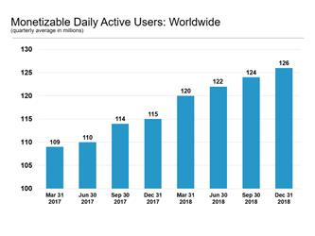

 | 2017-03-31 | 2017-06-30 | 2017-09-30 | 31-Dec-17 | 31-Mar-18 | 30-Jun-18 | 30-Sep-18 | 31-Dec-18
Users | 109 | 110 | 114 | 115 | 120 | 122 | 124 | 126

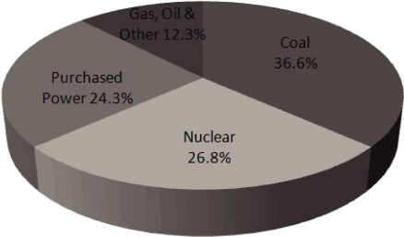
 |  | Nuclear | Purchased Power | Gas, Oil, Other | Coal
 | Percentage | 26.8 | 24.3 | 12.3 | 36.6

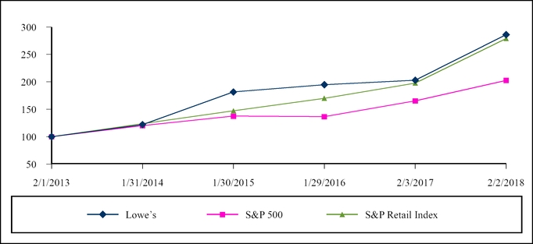

 |  |  |  | Data (estimated)

 |  |  |  |  | 2013-02-01 | 2014-01-31 | 2015-01-30 | 2016-01-29 | 2017-02-03 | 2018-02-02
 |  |  |  | Lowes | 100 | 120 | 175 | 180 | 200 | 275
 |  |  |  | S&P 500 | 100 | 120 | 150 | 170 | 190 | 270
 |  |  |  | S&P Retail | 100 | 115 | 140 | 140 | 150 | 175

 |  |  |  |  | Gross Margin
 |  |  |  |  |  | Margin
 |  |  |  |  | 10 | 52%
 |  |  |  |  | 9 | 49.50%
 |  |  |  |  | 8 | 50.50%

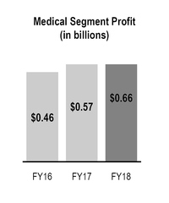

 |  |  |  |  |  | Segment Profit
 |  |  |  |  | FY 16 | 0.46
 |  |  |  |  | FY 17 | 0.57
 |  |  |  |  | FY 18 | 0.66

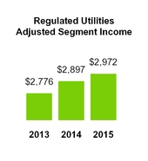

 |  |  |  |  | Year | Income
 |  |  |  |  | 2013 | 2776
 |  |  |  |  | 2014 | 2897
 |  |  |  |  | 2015 | 2972

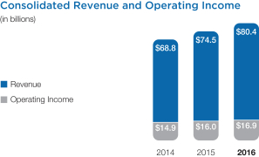

 |  |  |  |  | Year | Revenue | Operating Income
 |  |  |  |  | 2014 | 68.8 | 14.9
 |  |  |  |  | 2015 | 74.5 | 16
 |  |  |  |  | 2016 | 80.4 | 16.9

