Info
GHCN Daily
Downloaded 1/12/24 by NDG
https://www.ncei.noaa.gov/maps/daily-summaries/

PRCP = Precipitation (mm or inches as per user preference, inches to hundredths on Daily Form pdf file)
SNOW = Snowfall (mm or inches as per user preference, inches to tenths on Daily Form pdf file)
SNWD = Snow depth (mm or inches as per user preference, inches on Daily Form pdf file)
TMAX = Maximum temperature (Fahrenheit or Celsius as per user preference, Fahrenheit to tenths on Daily Form pdf file
TMIN = Minimum temperature (Fahrenheit or Celsius as per user preference, Fahrenheit to tenths on Daily Form pdf file

STATION | NAME
USC00462523 | DUNMORE 1 N, WV US
US1WVRD0008 | ELKINS 2.5 SSE, WV US
USC00461393 | CANAAN VALLEY, WV US
US1WVPC0001 | ARBOVALE 0.8 NW, WV US

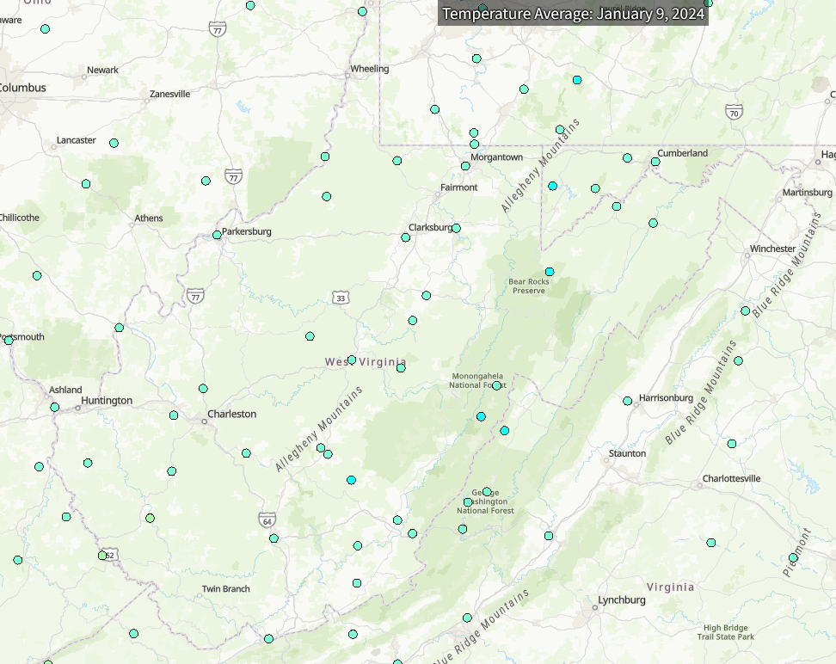

Canaan

Elkins

Arborvale
Dunmore

