MNIST
MNIST
Single GPU benchmark of Individual layers
 |  |  |  |  |  |  |  |  |  | Runtime (ms) at different Batch sizes
Layer | mat_size | channels_in | kernel_size | channels_out | padding | strides | use_bias | activation | optimizer | 8 | 16 | 24 | 32 | 48 | 64 | 80 | 96
conv1 | 28 | 1 | 3 | 32 | VALID | 1 | TRUE | relu | Adam | 0.59442997 | 0.57988644 | 0.60680866 | 0.62565804 | 0.82152367 | 0.94638348 | 1.02965355 | 1.1507082
conv2 | 13 | 32 | 3 | 32 | VALID | 1 | TRUE | relu | Adam | 0.6333828 | 0.65617561 | 0.64942837 | 0.65006733 | 0.65414429 | 0.6910944 | 0.75010777 | 0.79191685
fc1 | 5 | 32 | 5 | 128 | VALID | 1 | TRUE | relu | Adam | 0.62963486 | 0.61230183 | 0.63182831 | 0.61097145 | 0.676651 | 0.721035 | 0.67431927 | 0.70612431
fc2 | 1 | 128 | 1 | 10 | VALID | 1 | TRUE | softmax | Adam | 0.57207584 | 0.56800842 | 0.54514885 | 0.56889534 | 0.55069923 | 0.5541563 | 0.5583477 | 0.56004524

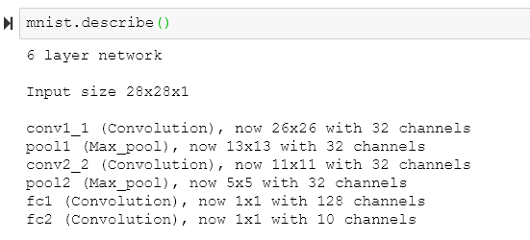
 |  |  |  |  |  |  |  |  | Total runtime (ms): | 2.42952347 | 2.4163723 | 2.43321419 | 2.45559216 | 2.70301819 | 2.91266918 | 3.01242829 | 3.2087946
 |  |  |  |  |  |  |  |  | (sum of all layers)
 |  |  |  |  |  |  |  |  | Actual batch runtime: | 2.2091545423 | 2.2336481094 | 2.1815550486 | 2.154998525 | 2.1834261576 | 2.3824353547 | 2.3188581467 | 2.2967024485
 |  |  |  |  |  |  |  |  | Ratio: | 1.0997526083 | 1.0818052717 | 1.1153576856 | 1.139486701 | 1.2379709662 | 1.2225595856 | 1.2990998584 | 1.3971311791

Benchmarked vs Actual runtimes
 |  |  |  |  |  |  |  |  |  |  |  |  |  |  |  |  | AVG Ratio | 1.199145482

CIFAR
CIFAR
Single GPU benchmark of Individual layers
 |  |  |  |  |  |  |  |  |  | Runtime (ms) at different Batch sizes
Layer | mat_size | channels_in | kernel_size | channels_out | padding | strides | use_bias | activation | optimizer | 8 | 16 | 24 | 32 | 48 | 64 | 80 | 96
conv1 | 32 | 3 | 3 | 64 | VALID | 1 | TRUE | relu | Adam | 0.65823078 | 0.828228 | 0.94693661 | 1.08637333 | 1.62242413 | 1.96643829 | 2.2977972 | 2.678895
conv2 | 15 | 64 | 3 | 64 | VALID | 1 | TRUE | relu | Adam | 0.5977869 | 0.62405586 | 0.71423054 | 0.75159073 | 0.88699341 | 1.02890491 | 1.18871689 | 1.31768227
conv3 | 6 | 64 | 3 | 32 | VALID | 1 | TRUE | relu | Adam | 0.5829525 | 0.56367397 | 0.61779022 | 0.5988884 | 0.61602116 | 0.63223362 | 0.66412449 | 0.66622734
fc1 | 2 | 32 | 2 | 512 | VALID | 1 | TRUE | relu | Adam | 0.59075832 | 0.58704376 | 0.60018063 | 0.60892105 | 0.56963444 | 0.61691284 | 0.604496 | 0.63742161
fc2 | 1 | 512 | 1 | 256 | VALID | 1 | TRUE | relu | Adam | 0.57570934 | 0.57743073 | 0.56923866 | 0.56085587 | 0.61757565 | 0.62652588 | 0.71219921 | 0.67122459
fc3 | 1 | 256 | 1 | 128 | VALID | 1 | TRUE | relu | Adam | 0.58541775 | 0.57013512 | 0.59280396 | 0.59279442 | 0.56224346 | 0.58201313 | 0.57472229 | 0.56114674
fc4 | 1 | 128 | 1 | 10 | VALID | 1 | TRUE | relu | Adam | 0.5713129 | 0.56920052 | 0.57357311 | 0.55301666 | 0.52952766 | 0.55566788 | 0.52674294 | 0.53852081

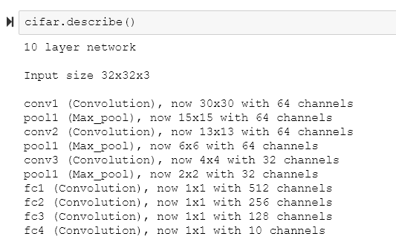
 |  |  |  |  |  |  |  |  | Total runtime (ms): | 4.16216849 | 4.31976796 | 4.61475373 | 4.75244046 | 5.40441991 | 6.00869655 | 6.56879902 | 7.07111836
 |  |  |  |  |  |  |  |  | (sum of all layers)
 |  |  |  |  |  |  |  |  | Actual batch runtime: | 2.6970920563 | 2.8106229655 | 3.0750459917 | 3.1226555862 | 3.2654960264 | 3.6360045731 | 3.6813699087 | 4.2118629582
 |  |  |  |  |  |  |  |  | Ratio: | 1.543205943 | 1.5369432375 | 1.5007104747 | 1.5219227125 | 1.6550073454 | 1.6525547284 | 1.7843355009 | 1.6788576528
Benchmarked vs Actual runtimes
 |  |  |  |  |  |  |  |  |  |  |  |  |  |  |  |  | AVG Ratio | 1.6091921994

