Sheet1
 | How to Create Signature

Step 1 | Fill below mention blank space in order to create signature

Signature Maker |  | Preview
Message | Best Regards, | Best Regards,
Name | Sajid Sikander | Sajid Sikander
Designation | Deputy Manager | Deputy Manager - Product Development
Department | Product Development | Tel (92-21) 111-111-622 Ext -219 | Fax (92-21) 32460827 | Web www.nccpl.com.pk
Telephone | (92-21) 111-111-622 | Please select phone number and fax numbers of your respective location.
Extension | 219
Fax | (92-21) 32460827
Website | www.nccpl.com.pk

 | <p><font=Calibri>Best Regards,<p><b>Sajid Sikander</b><br>Deputy Manager - Product Development<span style="line-height: 8px; display:block"><br><font size="2">Tel: (92-21) 111-111-622 Ext - 219<font color="red"> I</font> Fax: (92-21) 32460827<font color="red"> I</font> Web: <a href="http://www.nccpl.com.pk">www.nccpl.com.pk</a></fontsize></br></p><img src="file:///C:\Signature\NCC Logo.png" alt="Google logo"><style><!--.moz-txt-sig, .moz-signature { opacity: inherit !important;}
Step 2 | ↑ Copy contents of the above Cell

 | Adding Signature in thunderbird
Step 3 | Open Thunderbird and press tool on the upper part of the screen (Press ALT button if no tool tab is shown)
Step 4 | In tool tab press Account setting option
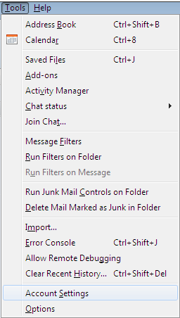

Step 5 | Paste it in the Signature Field of Account Settings (Tools -> Account Settings) of Thunderbird

Step 6 | Select "Use HTML" as shown in the pic
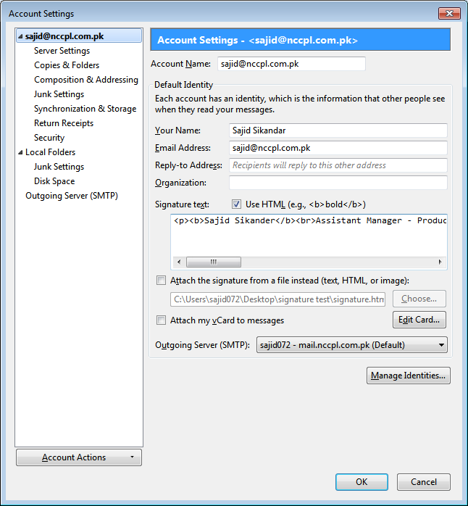

 |  |  | Step 6

 |  |  | Step 5

