User instructions
Version 4.5: September 2024
Issued in accordance with the following legislation as current on the Federal Register of Legislation website: Part 121 of the Civil Aviation Safety Regulations 1998 (CASR)

Important information for users of this worksheet
1. The (OPS.121) Worksheet contains the assessment criteria that must be considered during the assessment of a Part 121 operator. Given the over-arching nature of the Part 121 regulations, most questions in this worksheet appear to be a simple yes / no response. Inspectors are required to consult (OPS.121) Principle that aligns with this worksheet for more in-depth information and guidance related to each question.

2. This worksheet is intended to be used in conjunction with the policy, processes and guidance contained in (OPS.121) Principle (within the OPS.121 protocol document suite).

3. The purpose and intent of this worksheet is to ensure a standardised approach to the assessment and to maintain a CASA record of the decision-making process.

4. This worksheet is a web-based asset. This means that once it is printed or saved locally, it becomes an uncontrolled document. To ensure the latest revision is being used, you should always refer to the published electronic version available in the CASA Document Catalogue.

5. An 'Additional Assessment Information' tab has been included to provide a means to address new or changed legislation and/or to enter additional assessment criteria questions and comments or notes relating to the assessment. This sheet can also be useful for addressing temporary management instructions that may be issued from time to time.

6. Once the worksheet has been completed, the final version must be saved as a PDF document into CASA’s records management system (RMS). Ensure you remove any filters on the worksheet before saving as a PDF so that the final PDF copy shows all comments and all questions.

7. Enquiries or questions regarding the content of this worksheet should be directed to the Operational Implementation Branch (OIB).

Notes and tips
1. To start a new line in any of the unlocked cells, press ALT+Enter.

2. If insufficient space is provided within any of the cells, you can adjust the row height by selecting the row you want to increase the height for, putting your cursor at the bottom of that row and when you see the drag symbol, clicking and dragging downwards to the desired height.

3. When saving as a PDF, you can save each sheet tab as an individual PDF or save the entire workbook as a PDF. To save individual sheet tabs, click on the tab you want to save (e.g. Applicant) and select File>Save As. Change Excel Workbook to .PDF in the save as type and click Save. To save the entire workbook as a PDF, select File>Save As. Change Excel Workbook to .PDF in the save as type and select More options.
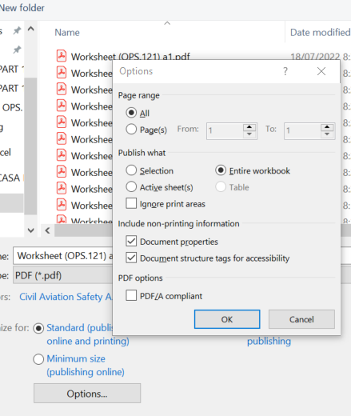 In the Save as dialog box, select Options… Select Entire workbook under the Publish what heading and click OK. Click Save.

Worksheet tabs

You are currently in this tab. This tab provides important information and instructions on using other worksheet tabs | This tab is used to plan the assessment and record what was assessed and who was involved in the assessment. | This tab is used to record the operations that the applicant can be approved to conduct. | These tabs contain the assessment criteria for assessing compliance against relevant legislation for specific areas within an organisation. | This tab has several uses. It can be used to include additional assessment information and questions or it may be used as a note pad. | This tab is to be used by the document developers to record revisions made to this worksheet.

Assessment summary tab
Note: see the notes and tips section above for instructions on expanding row heights and adding a new line within an unlocked cell.
The following guidance explains how to use and complete the assessment summary tab.

1. Case Details
This section should be completed before conducting the assessment and should include relevant details of the applicant and the people involved in the assessment. EAP case number and File Reference can be obtained in the EAP system. The name of applicant, applicant ARN, EAP case number and the file reference included in this section will automatically populate on the approval data sheet and assessment worksheets. Ensure the information entered into these three fields is correct; if an error is made, that error will transfer across to the other worksheet tabs and can only be rectified in this section of the assessment summary tab.

2. Assessment Scope
This section should summarise the scope of the assessment for the application. This information provides high level justification of what criteria is applicable to the application. Inspectors first need to identify whether this assessment is for an initial AOC or an existing AOC holder. Once clearly defined, the appropriate section needs to be filled in. For initial AOC applications, all of the tabs in the worksheet will be used and additional worksheets will be needed if subordinate approvals are required. All subordinate approvals and respective case numbers must identified in this section. For an existing AOC holder, it is most likely that only some parts of the worksheet will be used during the assessment. The relevant check boxes need to be ticked. Sections of the worksheet not relevant to the assessment scope can be left blank. The inspector should make a statement in the assessment scope on which sections are applicable. It is important to note that all parts of the worksheet should be reviewed for applicability. If the scope changes during the assessment, or there are changes in the assessment team, details of these changes should be recorded in the relevant 'Comments' section of the assessment scope.

3. Recommendation
This section is the recommendation for the assessment. The assessment participant(s) should complete the Recommendation field by ticking the appropriate box and including their name(s), title(s), the date of the recommendation and any comments deemed necessary. The worksheet should then be forwarded to the Endorser, who must do the same in the respective fields. Finally, the worksheet is forwarded to the Delegate for approval.

Approval data sheet tab
Note: see the notes and tips section above for instructions on adding a new line within an unlocked cell, expanding row heights and copying and pasting table rows.
The following guidance explains how to use and complete the approval data sheet tab.

Certain provisions of the regulations refer to a person holding an approval. Some of these approvals are required to authorise a particular activity whilst others allow CASA to authorise an acceptable means of compliance. For approvals where there is an independent protocol suite (e.g. OPS.04 Navigation authorisations), the inspector will use the associated approval data sheet. For all other approvals, use this approval data sheet. The inspector must select the operations that the applicant can be approved for, by ticking the relevant boxes, and specify the aeroplanes and/or conditions of that approval.

Assessment worksheet tabs
The following guidance, explanations and filtering examples explain how to use the worksheet tabs.

The image above is of the top rows in the assessment worksheet tabs. It is automatically populated from the corresponding text entered into the case details section of the assessment summary. It includes the name and ARN of the applicant, as well as the EAP case number and the file reference. These rows are locked from editing, which means you cannot click on or edit the text. If there is an error in any of the fields in these rows, the error must be corrected in the corresponding section of the Assessment summary.
Row 4 – Title row

The above image is of the row that contains the titles for all of the columns used in the worksheet and is the row you will use to apply filters to the content. This row is locked from editing.

Worksheet filtering
The assessment worksheet tabs can be filtered to assist in assessing certain regulatory requirements and for identifying outstanding or unsatisfactory criteria.
To apply filters
1. Click on the drop down arrows against each heading in row 4 to view the list of available filters for each column. The image below shows the drop-down menu with the options available for filtering.
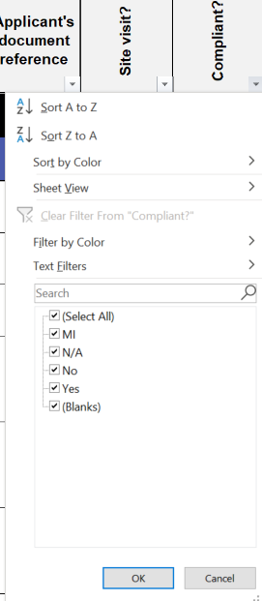

2. Apply the filter using one of the following methods: (i) tick or un-tick items to select certain criteria; or (ii) use the search field to type in the criteria you want to display. When you have applied a filter, rows that do not meet the criteria are hidden and rows that remain visible have a blue number in the row. The drop-down arrow within the column you have chosen to filter also changes to a filter symbol. You can apply multiple filters to multiple headings in Row 4, which will reduce the criteria further based on the filters already applied.

To remove filters
1. To remove a filter from a single column, click the drop down arrow for that column and click on 'Clear Filter From….' This will remove all filters you have applied to this column. The image below shows the icon in row 4 of the Assessment Worksheet used to remove filters.

2. To remove filters from multiple columns, select 'clear' from the Sort & Filter drop down menu under the editing group of the home tab. Note: You should ensure all filters are removed before trying to apply a new filter. If you have not removed existing filters, you will not return all of the results you are looking for and instead will further filter your existing results.

Columns
Note: The columns in the Applicant tab differ slightly from below.

Columns A and B - Legislation reference
Column A specifies the legislation applicable to the question. Column B provides the subregulation, paragraph or subparagraph (if any) applicable to the legislation in column A. Both columns are locked from editing. Both columns can be filtered, although filtering column B without first filtering column A will not provide practical results. Filtering these columns can be useful in conducting the assessment by regulation.

Column C - Questions in Worksheet tabs
This column provides the regulatory questions to be assessed. Some questions have been broken across multiple rows to allow each part of the question to be assessed individually. This column is locked from editing.

Column D - More info
This column provides additional guidance and information for responding to the assessment questions. Where more information is available, this column contains a diamond and a red arrow in the top right hand corner of the cell. Click in those cells to view the information. Note: The information provided in the More Info cells is high level guidance only; detailed information is provided in the principle document and is generally not duplicated in the worksheet.

Column E - Principle reference
This column provides a reference to the Principle section where information and considerations that aid in determining the applicant's performance / compliance are found. This column is locked from editing.

Column F – Applicant’s document reference
This column is used to record the reference to where evidence of compliance with the requirements can be found in the applicant’s exposition or other related manuals. This may be reference to a page number or a numbered heading as applicable. The references provided in this column may provide sufficient justification to support the assessment outcome, alleviating the need for detailed comments in column J. This is an unlocked free text column, allowing you to reference the applicant’s documentation using the referencing system they have chosen for their documents.

Column G – Site visit
The cells in this column are used to record items for which a site visit is conducted to assess suitability. This field contains a drop down option for which you can select Yes if a site visit is required. Note: For traceability, ensure the Yes option is retained for the items you went onsite to verify—do not delete the Yes option or any comments when compliance is achieved. This column provides a history of items checked onsite (including initial deficiencies) for reference during surveillance.

Column H - Compliant
The cells in this column are used to record evidence that supports an assessment of present and suitable for the operation. This field contains drop down lists for which you must select a response. There are four available responses: Yes / No / MI (more Information) / N/A (not applicable) Yes indicates that both present and suitable have been satisfied and the element is compliant with the rule.

Column I – Inspector
This column identifies the inspector for the particular question. This is useful in identifying specialist questions that must be assessed by an expert (i.e. airworthiness or safety systems SME). If multiple inspectors are required to assess a particular question, list each inspector in column I and use the 'Additional assess' tab to capture the individual comments of each inspector. Ensure you include the following comment in column J against the particular question in the assessment worksheet: ‘refer to Additional assess tab for detailed comments’.

Column J - Comments
The purpose of this column is to record relevant comments and decisions for the assessed criteria, which will support the final status of the criteria. All comments must be professional and provide sufficient information on how you made your decision. Relevant comments may include 'why' and 'where' clarification or verification is required. The comments cells have been formatted to wrap text. This means that the cells will automatically resize to fit the text entered. When entering multiple comments against a particular question, it is recommended that you add a space between each comment (see notes and tips section above) and that you add the date and your initials to the end of your comment. This will ensure that comments are easy to read and you can easily identify who has made the comment. Note: For traceability, all comments entered during the assessment should be retained—do not delete comments when compliance is achieved. This column provides a detailed history of the decision-making process (including initial deficiencies) for reference during surveillance.

