Pipeline Anatomy
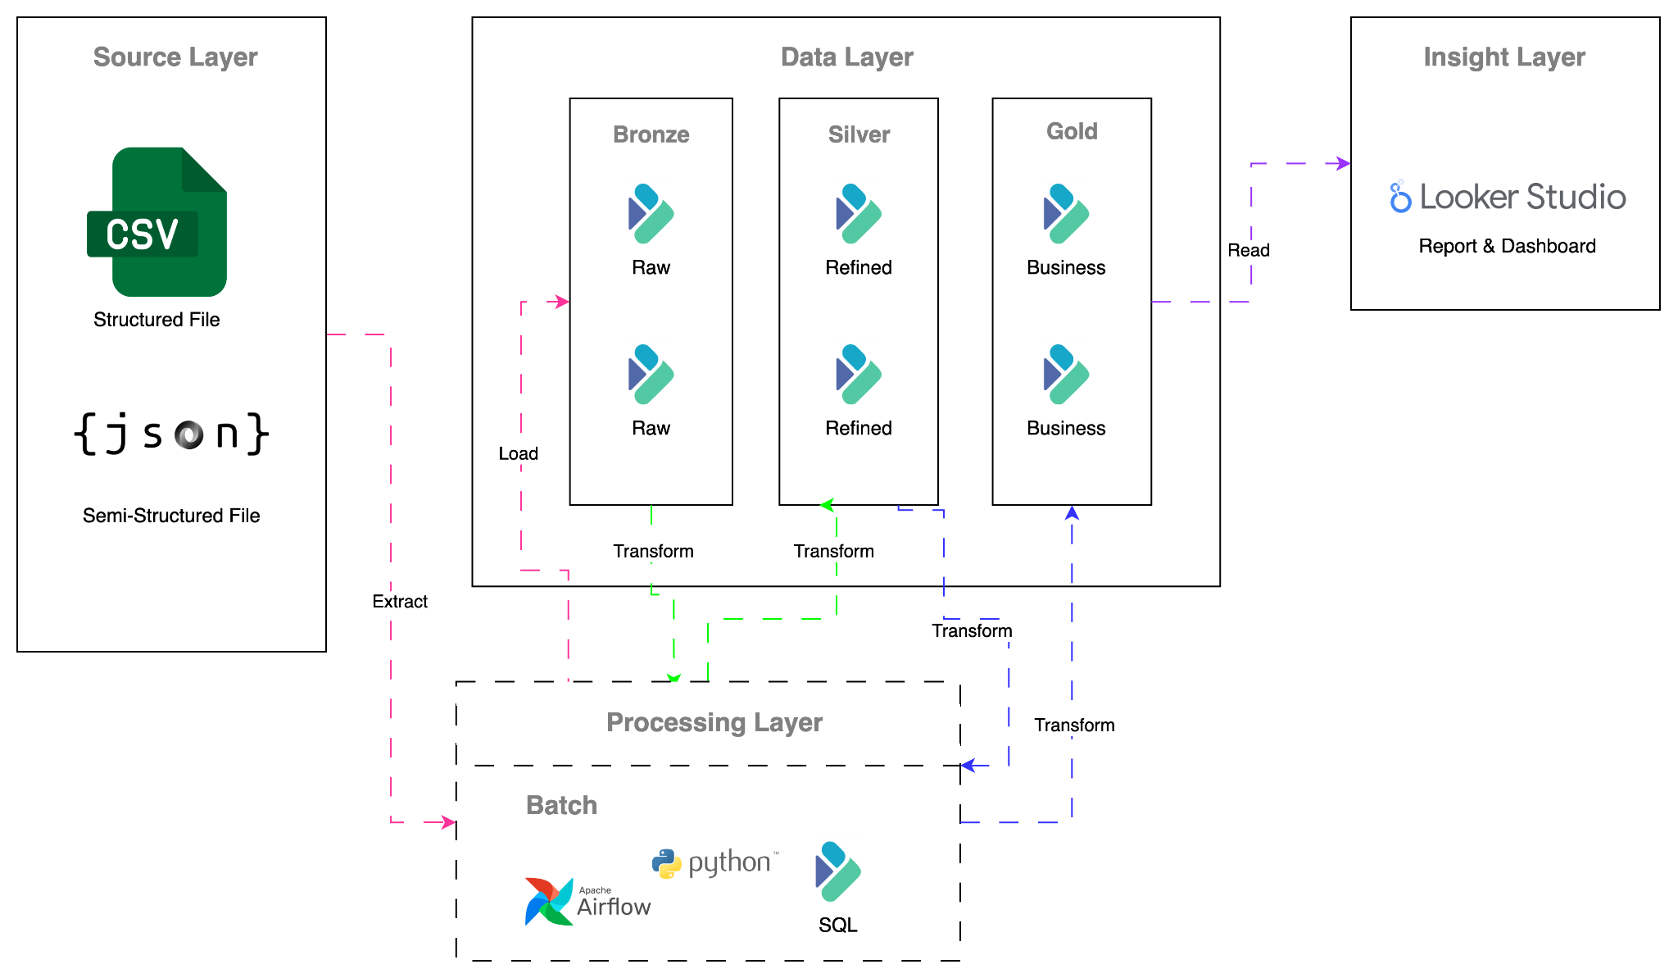

back to Table of Content

ERD
Bronze Layer
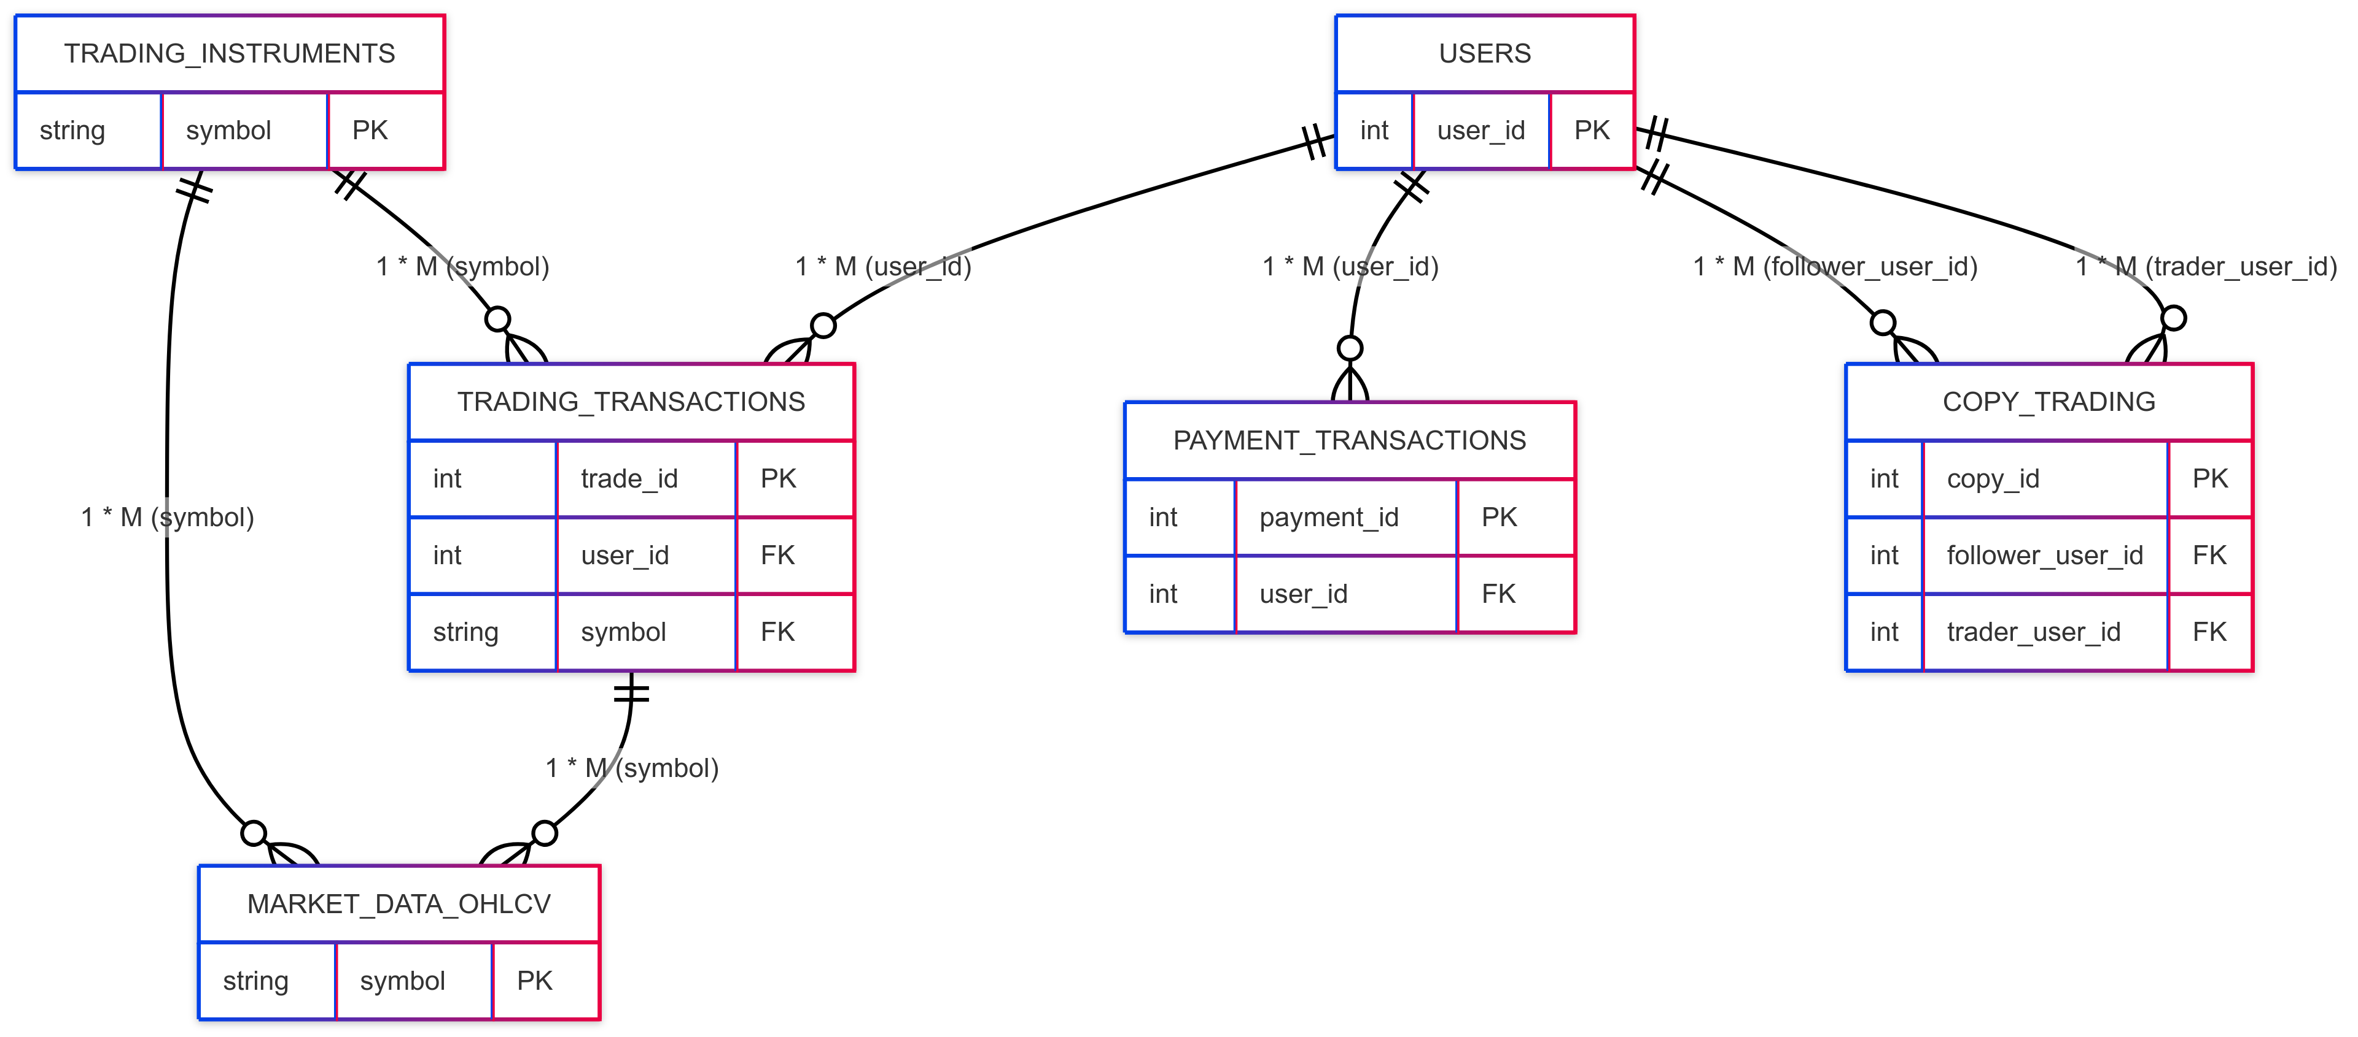
No. | Table Name | Description
1 | users | users information
2 | payment_transactions | transaction users deposit, withdraw, etc
3 | market_data_ohlcv | market data open high low close volume
4 | trading_instruments | master data of trading instruments
5 | trading_transactions | transactions of trade history
6 | copy_trading | copy trading trade transactions

 | back to Table of Content

