Common Services
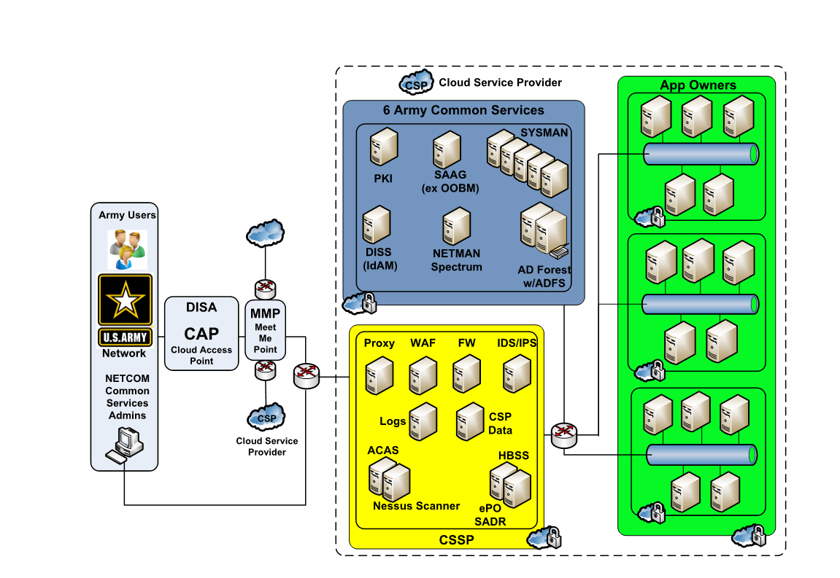
Assumptions
Please report the monthly rates assuming a 1-year hosting commitment.

Discounts/Price Reductions
If volume discounts may apply, please insert a column to indicate discounted price, and notes on volume of applications needed to achieve the reduced price.
If prices may reduce in future years, please indicate the reduction. Add columns as necessary.

Other Factors Impacting Pricing
Would hosting costs depend on the size/complexity of an application (above and beyond the size+complexity captured in the cost elements below)?

Common Services (Vendor operated) | IaaS |  |  | PaaS |  |  | SaaS
NETCOM Core Common Services | Vendor Offering (Yes/No) | Unit of Measure | Monthly Rate | Vendor Offering (Yes/No) | Unit of Measure | Monthly Rate | Vendor Offering (Yes/No) | Unit of Measure | Monthly Rate | Notes/description
Public Key Infrastructure (PKI ) - Certificate Validation, OCSP, Certificate Revocation List Verification
Secure Administration Authenticate Gateway (SAAG) Out-of-Band Management -NIPRNet
SYSMAN - System Center Configuration Manager (SCCM), System Center Updates Publisher (SCUP), System Center Operations Manager (SCOM), System Center ORCHestra (SCORCH), Windows Server Update Services (WSUS)
Defense Information System for Security (DISS) Identity and Access Management (IdAM)
Network Management (NetMan) Spectrum
Active Directory (AD) - Active Directory Federation Services (ADFS), AD Domain Name Services (DNS) and Dynamic Host Configuration Protocol (DHCP)
Other Common Services
DoD Compliant Cloud Access Point (CAP)
Antivirus
Anti-Malware
Anti-Spamware
Message Queues
NIPRNet Connection
SIPRNet Connection
Proxy/Firewall Configuration
File Transfer
File/Change Tracking service
Virtual Load Balancers
Local DSN
Web Proxy
Reverse Proxy
Mail Gateway
Tier 3 DNS
Dynamic Host Configuration Protocol (DHCP)
Other? (Provide Description)

CSSP Element Structure (DoD/Vendor Supported*) | IaaS |  |  | PaaS |  |  | SaaS
NETCOM Core Common Services | Vendor Offering (Yes/No) | Unit of Measure | Monthly Rate | Vendor Offering (Yes/No) | Unit of Measure | Monthly Rate | Vendor Offering (Yes/No) | Unit of Measure | Monthly Rate | Notes/description
Public Key Infrastructure (PKI ) - Certificate Validation, OCSP, Certificate Revocation List Verification
Secure Administration Authenticate Gateway (SAAG) Out-of-Band Management -NIPRNet
SYSMAN - System Center Configuration Manager (SCCM), System Center Updates Publisher (SCUP), System Center Operations Manager (SCOM), System Center ORCHestra (SCORCH), Windows Server Update Services (WSUS)
Defense Information System for Security (DISS) Identity and Access Management (IdAM)
Network Management (NetMan) Spectrum
Active Directory (AD) - Active Directory Federation Services (ADFS), AD Domain Name Services (DNS) and Dynamic Host Configuration Protocol (DHCP)
Other Common Services
DoD Compliant Cloud Access Point (CAP)
Antivirus
Anti-Malware
Anti-Spamware
Message Queues
NIPRNet Connection
SIPRNet Connection
Proxy/Firewall Configuration
File Transfer
File/Change Tracking service
Virtual Load Balancers
Local DSN
Web Proxy
Reverse Proxy
Mail Gateway
Tier 3 DNS
Dynamic Host Configuration Protocol (DHCP)
Other? (Provide Description)

* Vendor would provided the DoD with logs, data, and allow DoD-instanced services access into the cloud environment, to carry out these common services

