Smoke, Critical Path
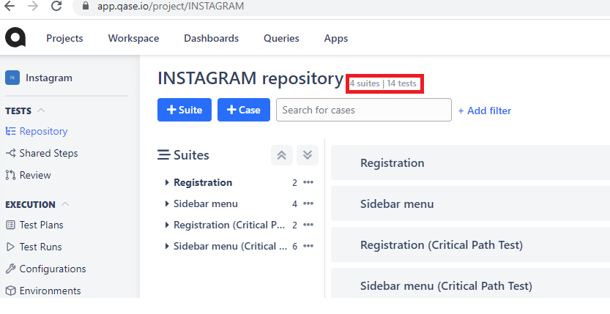
Project in Qase | Type of testing | Link in Qase | Comments | Screen shot
INSTAGRAM | Smoke Testing | https://app.qase.io/project/INSTAGRAM | Created 2 suete cases (Registration and Sidebar menu) and 6 test cases (New user registration (Login with Facebook), New user registration, Create publications, Profile, Messanges, Exit)
 | Critical Path |  | Created 2 suete cases (Registration(Critical Path Test) and Sidebar menu(Critical Path Test)) and 8 test cases (New user registration (Login with Facebook), New user registration, Create publications, Main, Profile, Messanges, Reels, Exit)

Beta Testing
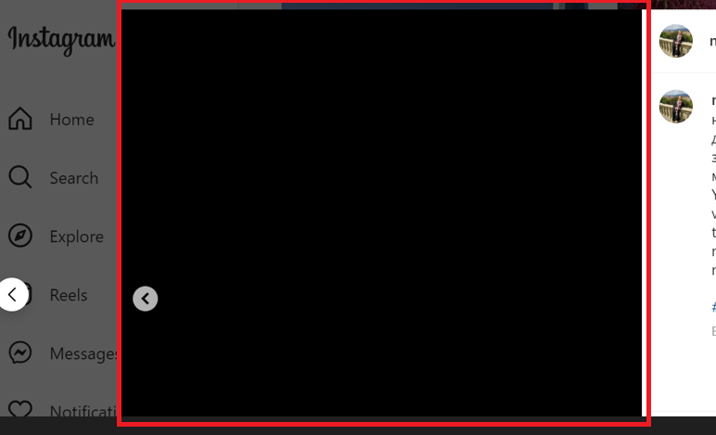
Type of testing: | Beta testing
Beta tester: | Natalya Osypenko

Questions | Actual result
What are the feelings when using Instagram | It is a convenient social network for blogging. Especially for photos. The home page looks good. Nice post layout. Stories format is comfortable.
Is everything intuitively understandable in the work of the program? | Creation of highlights is not intuitively understandable. Highlights are created differently on desktops and smart phones.
What other problems did you face? | In some cases when posting a serve of photos some photos are visible as black squares in the resulting post.

Bug-Reports
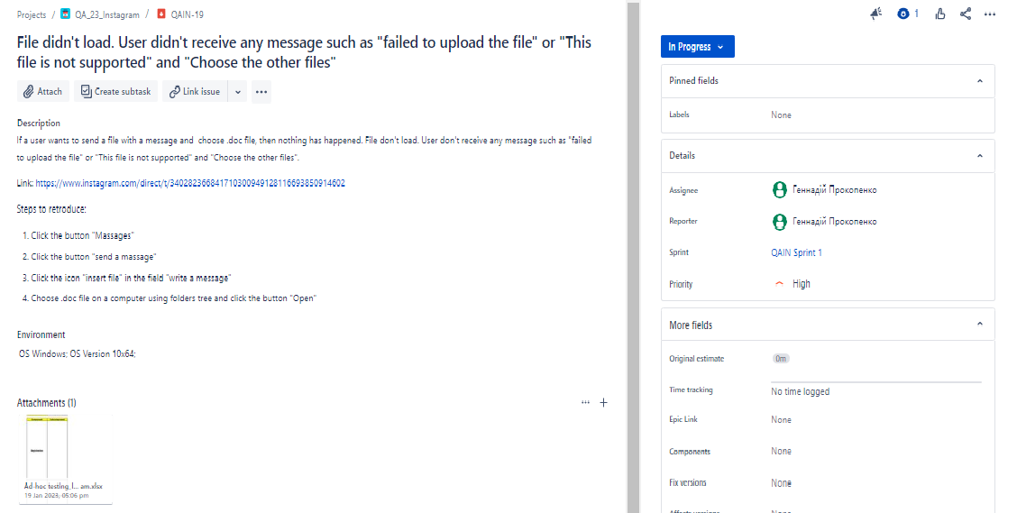
Bug Report: | File didn't load. User didn't receive any message such as "failed to upload the file" or "This file is not supported" and "Choose the other files"
Link in Jira | https://prokopenkoga.atlassian.net/browse/QAIN-19?atlOrigin=eyJpIjoiZGU5N2JlNjIxZGMxNDU4Y2I2ZTNjNTliZjMwZDA5M2UiLCJwIjoiaiJ9
ScreenShot

Bug Report: | Black photos in post
Link in Jira | https://prokopenkoga.atlassian.net/browse/QAIN-20?atlOrigin=eyJpIjoiNjU4MDdhMzc2Yjk0NDZlOWFhZTY1NDAxNTJjZWExODUiLCJwIjoiaiJ9
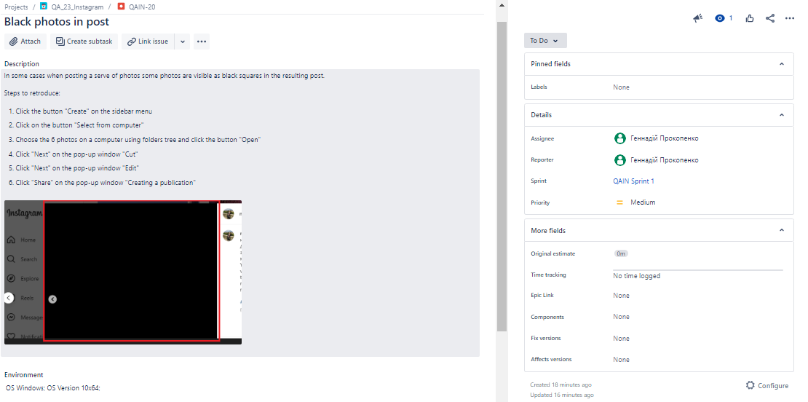 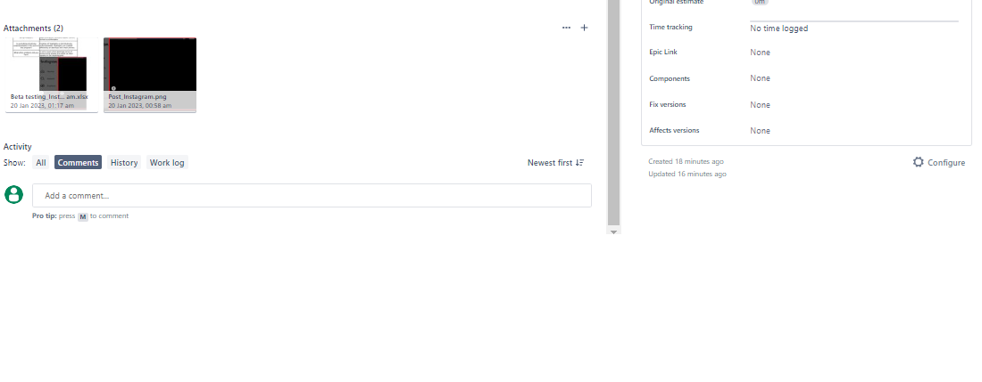 ScreenShot

Kanban Board
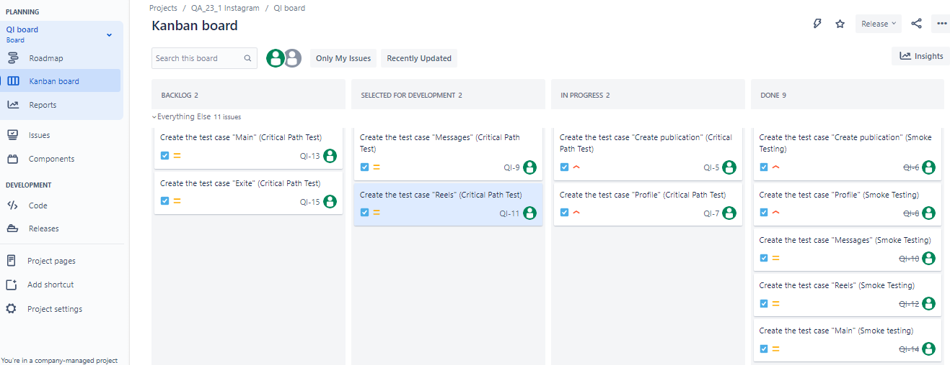
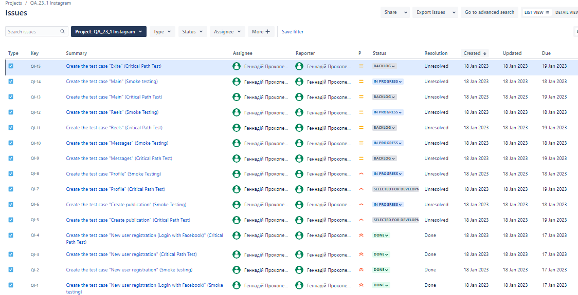
Kanban board
Project: | QA_23_1 Instagram
Link in Jira: | https://prokopenkoga.atlassian.net/jira/software/c/projects/QI/boards/4?selectedIssue=QI-11
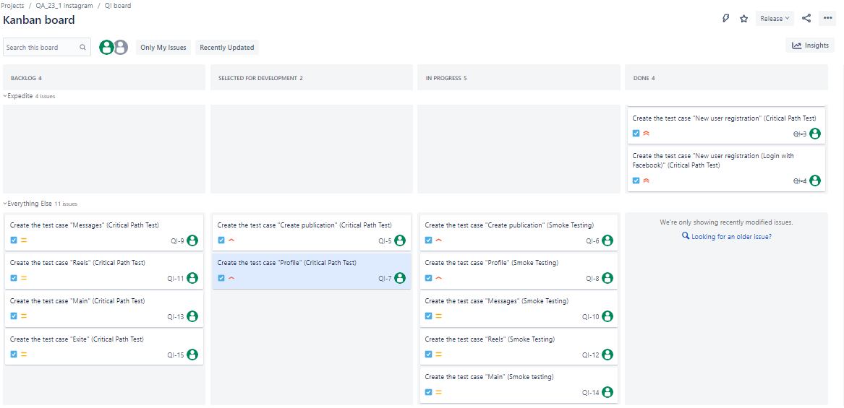
ScreenShots

Scrum Board
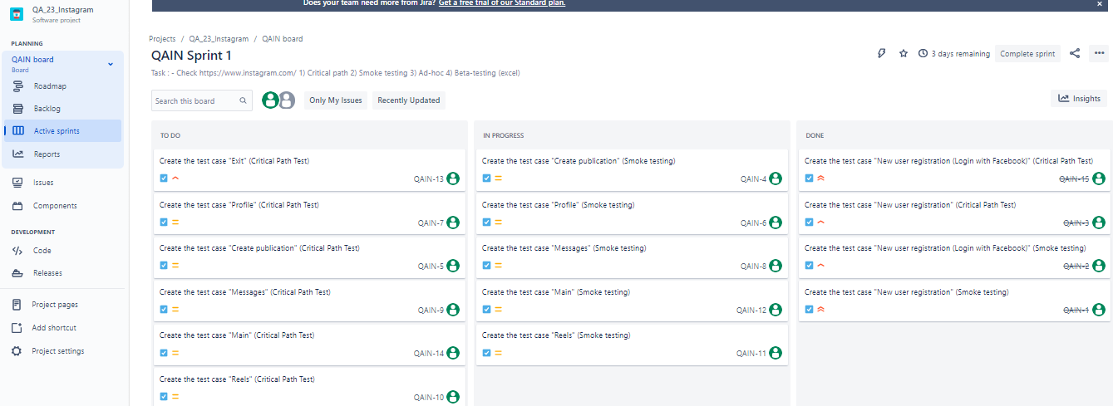
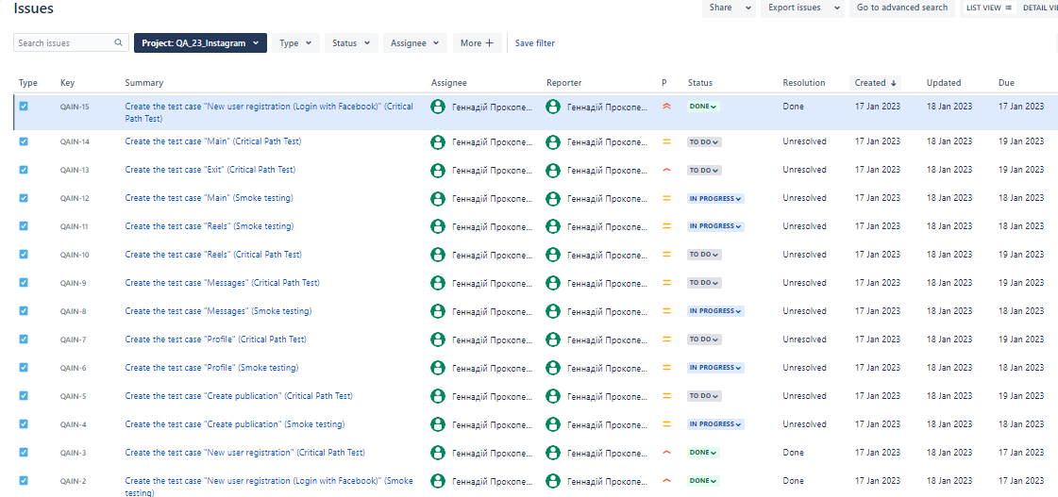
Scrum board
Project: | QA_23_Instagram
Link in Jira: | https://prokopenkoga.atlassian.net/jira/software/c/projects/QAIN/boards/3
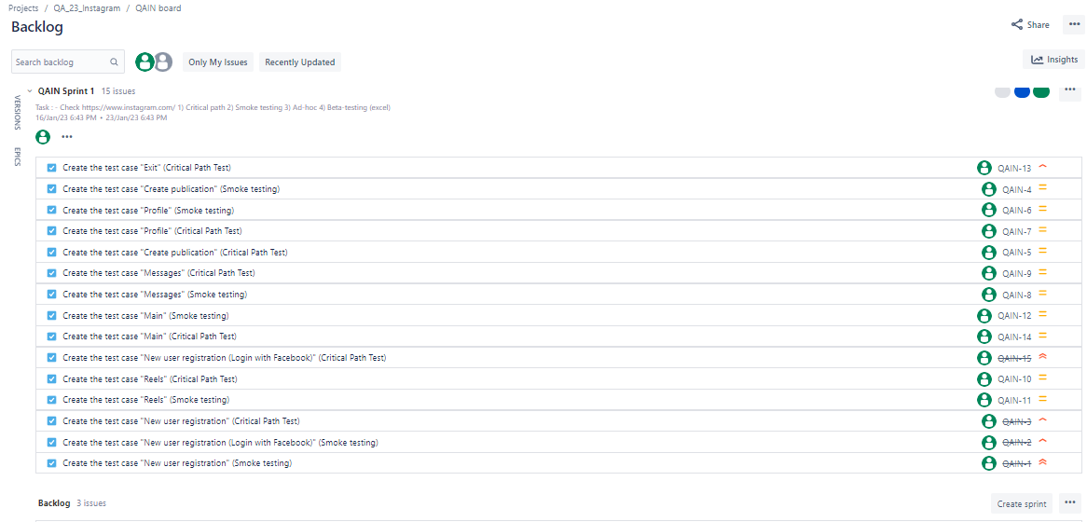
ScreenShots

