GUI introduce
 | ProductList Screen
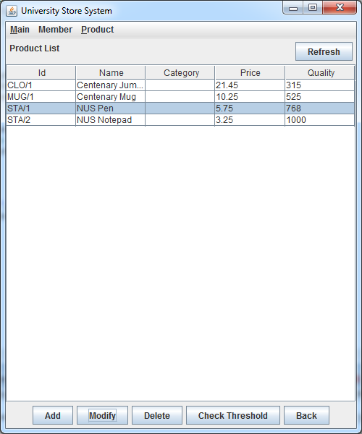

 | Click [Add]
 | Popup AddProduct Dialog
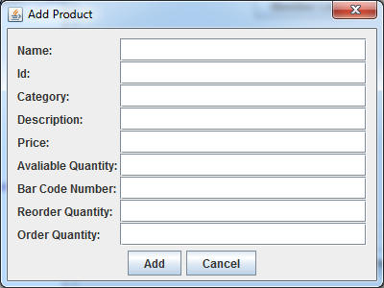
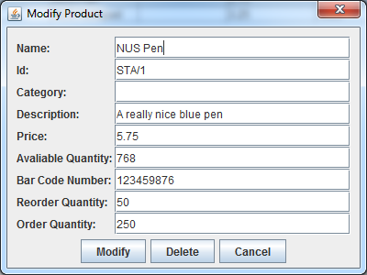

AddProductDialog
class

ModifyProductDialog
class

 |  | these two dialogs share the same fields, so build them in a abstract class
 |  | different buttons implemented in subclass

hierarchy
ProductDialog

AddProductDialog
ModifyProductDialog

Abstract Class ProductDialog

Question:
1 | using 3 classes to create a dialog, is this really necessary
2 | is it proper to put ProductDialog class in Util package

