GUI introduce
This whole screen is the StoreWindow class
 | After successfully login
 | MainMenu Screen
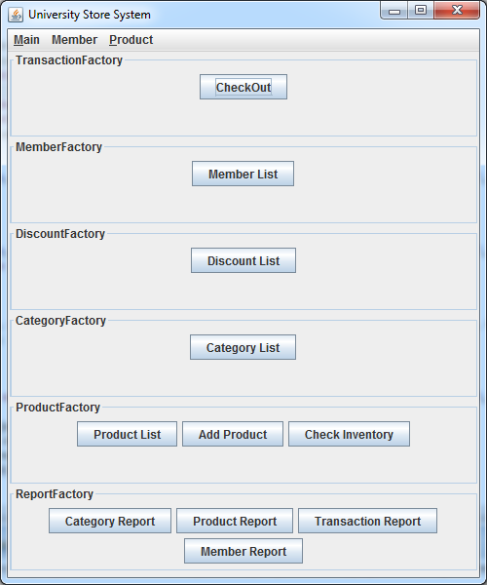

MenuBar
(Fixed)

cards Panel
(content changable)
current one is MainCard

 | Click [Product List]
 | ProductList Screen
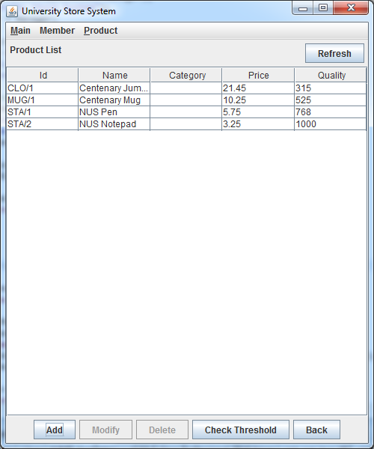

content of cards change to ProductListPanel

 | Click [Add]
 | Popup AddProduct Dialog
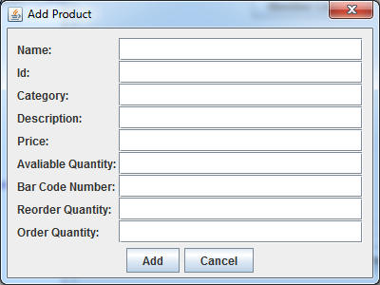

Modal Dialog

Hence, steps to add a list screen to our system:
1 | create a public class like ProductsListPanel.java
2 | contact Jiabao to add your panel to StoreWindow and ensure when the relevant button is clicked, your panel shows
 | Or you can add it yourself if you are sure no one else is modifing this class

2.1 add your panel as an attribute

2.2 instantiate it

2.3 add it to cards, 2nd parameter is panelID, which will be used to assign a displayed panel

2.4 In relevant buttons' eventListener, you can call changeCard method using panelID

