Property x Characterisation
KEY PROPERTIES | SUB-PROPERTIES | TECHNIQUES |  |  |  |  |  |  |  |  |  |  |  |  |  |  |  |  |  | Instrument | Sample State | Sample Preparation | Sample Suitability
Morphological, Topographical | Size and structure | SEM | TEM | AFM | MPSS | EM | PTA | spICP-MS | HRTEM | XRD | MALDI | NMR | SMPS | STM | STS |  | 1 | 3D TOM | 3D Tomography | SEM | Solid or dry | Mount on stub, coat with conductive layer (e.g., gold) if non-conductive, dry | Conductive and non-conductive (with coating) samples, solid powders, films
 | Size distribution | NTA | SLS | CLS | DLS | MPSS | MALS | SAXS | SEC | EXAFS | DSC | SEM | TRPS | ICP-MS | DTA | FMR | 2 | AES | Auger Electron Spectroscopy | TEM | Solid or dry, on grid | Drop-cast suspension onto carbon-coated copper grid, air-dry | Thin, electron-transparent samples, nanoparticles in suspension
 | Concentration (particle number) | CLS | PTA | SAXS | sp-ICP-MS | UV-Vis |  |  |  |  |  |  |  |  |  |  | 3 | AFM | Atomic Force Microscopy | AFM | Solid, on flat substrate | Disperse in solvent, drop-cast or spin-coat onto substrate (e.g., mica), dry | Conductive and non-conductive samples, soft and hard materials
 | Agglomeration/Aggregation | AFM | EM | DLS | Zeta Potential | DCS | UV-VIS | SEM | CRYO-TEM | TEM |  |  |  |  |  |  | 4 | CSM | Continuous Stiffness Measurement | SMPS (MPSS) | Aerosol | Aerosolize powders with high-pressure air gun or liquids with nebulizer | Nanoparticles that can be aerosolized, for size distribution in gas phase
 | Dispersibility | AFM | AF4 | EM | DLS | MALS |  |  |  |  |  |  |  |  |  |  | 5 | CV | Cyclic Voltammetry | PTA (NTA) | Liquid suspension | Dilute to optimal concentration (10⁶–10⁹ particles/mL), filter, load into sample chamber | Monodisperse or polydisperse nanoparticles in low-viscosity dispersants, 10–1000 nm
 | Localization | STS |  |  |  |  |  |  |  |  |  |  |  |  |  |  | 6 | DMA | Dynamic Mechanical Analysis | spICP-MS | Liquid suspension | Dilute in ultrapure water (10⁴–10⁶ particles/mL), sonicate, filter | Metal or metal-containing nanoparticles
 | Surface Area/Porosity | BET (BJH) | Porosimetry | Liquid NMR |  |  |  |  |  |  |  |  |  |  |  |  | 7 | DRS | Diffuse Reflectance Spectroscopy | HRTEM | Solid or dry, on grid | Drop-cast suspension onto carbon-coated grid, air-dry | Crystalline or amorphous nanoparticles requiring atomic-level analysis
 | Surface Structure | SEM | AFM |  |  |  |  |  |  |  |  |  |  |  |  |  | 8 | DSC | Differential Scanning Calorimetry | XRD | Solid (powder or thin film) | Press powders into holder or spread on substrate, mount thin films | Crystalline nanoparticles or polycrystalline samples
 | Shape | TEM | EM | AFM | SAXS | HRTEM | EPLS | 3D TOMOGRAPHY |  | FMR |  |  |  |  |  |  | 9 | DTA | Differential Thermal Analysis | MALDI | Solid (dried droplet) | Mix with matrix (e.g., 2,5-DHB), deposit on target plate, air-dry | Organic nanoparticles, biomolecules, nanoparticle-biomolecule conjugates
 | Surface Charge | Zeta Potential (ELECTROPHORETIC MOBILITY) | TRPS | LDA | EPM | DLS | CLS | SAXS |  |  |  |  |  |  |  |  | 10 | ED | Electron Diffraction | NMR | Liquid suspension or solution | Dissolve or suspend in deuterated solvent (e.g., D₂O), filter, load into NMR tube | Organic nanoparticles, polymer coatings, suspensions in solution
Structural, Chemical | Composition | XRD | EDX | FT-IR | RAMAN | EXAFS | HRTEM | Electron Diffraction | HAADF | XPS |  |  |  |  |  |  | 11 | EELS | Electron Energy Loss Spectroscopy | STM | Solid, on conductive substrate | Drop-cast or spin-coat onto conductive substrate (e.g., graphite), dry under inert conditions | Conductive or semiconductive nanoparticles
 | Crystallinity | XRD | Raman |  |  |  |  |  |  |  |  |  |  |  |  |  | 12 | EELS-STEM | Electron Energy Loss Spectroscopy - Scanning Transmission Electron Microscopy | STS | Solid, on conductive substrate | Same as STM | Conductive or semiconductive nanoparticles
 | Phase | XRD |  |  |  |  |  |  |  |  |  |  |  |  |  |  | 13 | EM | Electron Microscopy
 | Functionalization | FTIR conductometry | TOF-SIMS | LEIS | qNMR | TGA | AES | XPS | SIMS |  |  |  |  |  |  |  | 14 | EXAFS | Extended X-ray Absorption Fine Structure
 | Surface Charge | Zeta Potential |  |  |  |  |  |  |  |  |  |  |  |  |  |  | 15 | FMMR | Ferromagnetic Resonance Microscopy
 | Polarity | FTIR |  |  |  |  |  |  |  |  |  |  |  |  |  |  | 16 | FMR | Ferromagnetic Resonance
 | Bonding | XPS | FTIR | Raman |  |  |  |  |  |  |  |  |  |  |  |  | 17 | FTIR | Fourier Transform Infrared Spectroscopy
 | Electrochemical | CV | XPS |  |  |  |  |  |  |  |  |  |  |  |  |  | 18 | HRTEM | High-Resolution Transmission Electron Microscopy
 | Elemental-Chemical Composition | XPS | XRD | ICP-MS | ICP-OES | RAMAN | NMR | SEM-EDX | MFM | LEIS |  |  |  |  |  |  | 19 | ICP-MS | Inductively Coupled Plasma Mass Spectrometry
 | Chemical state - Oxidation state | XAS | EELS | XPS | Mossbauer | FTIR | Cyclic Voltammtery |  |  |  |  |  |  |  |  |  | 20 | ICP-OES | Inductively Coupled Plasma Optical Emission Spectroscopy
 | Ligand Binding (ligand density, arrangement | AFM | FTIR |  |  |  |  |  |  |  |  |  |  |  |  |  | 21 | LEIS | Low-Energy Ion Scattering
Mechanical | Toughness | Nanoindentation |  |  |  |  |  |  |  |  |  |  |  |  |  |  | 22 | MALDI | Matrix-Assisted Laser Desorption/Ionization
 | Tensile Strength | UTM |  |  |  |  |  |  |  |  |  |  |  |  |  |  | 23 | MFM | Magnetic Force Microscopy
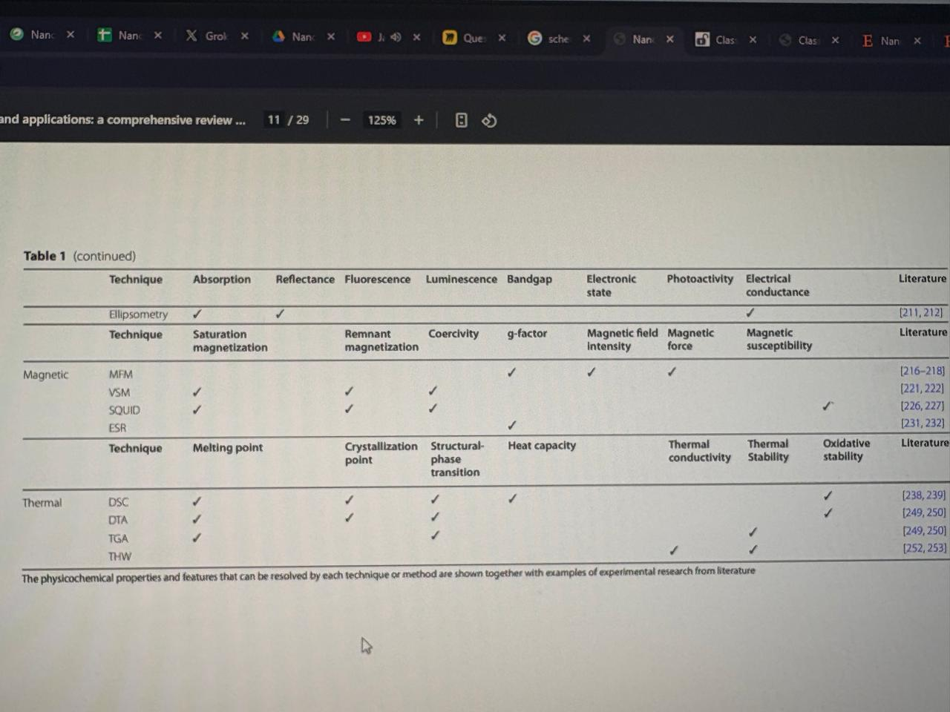
 | Compressive Strength | UTM | Nanoindentation |  |  |  |  |  |  |  |  |  |  |  |  |  | 24 | MOSS | Mössbauer Spectroscopy
 | Elasticity | UTM | Nanoindentation |  |  |  |  |  |  |  |  |  |  |  |  |  | 25 | MPSS | Massively Parallel Signature Sequencing
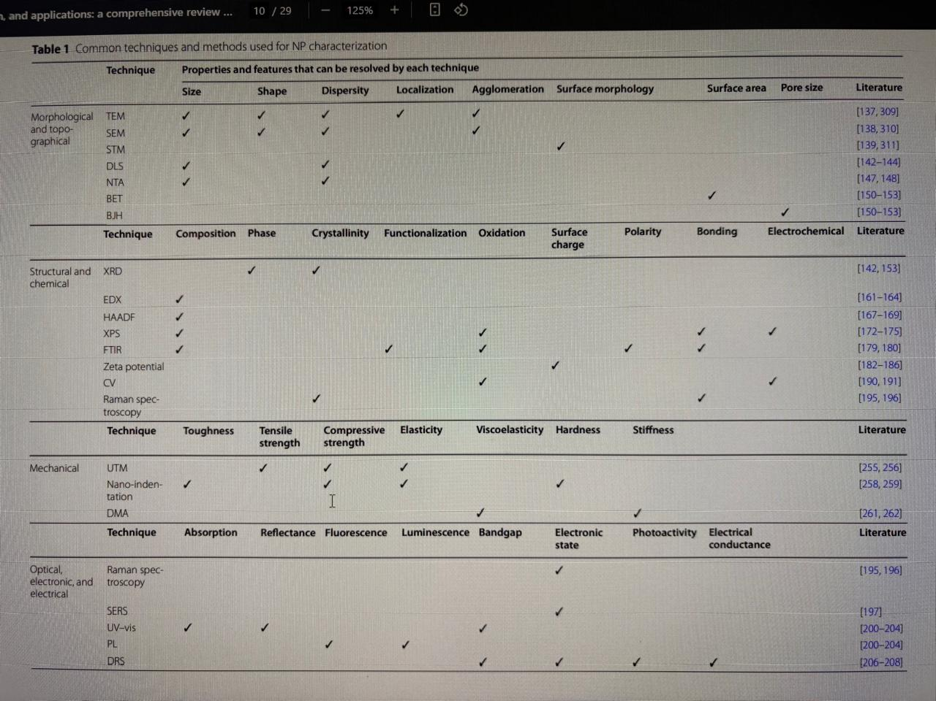
 | Viscoelasticity | DMA |  |  |  |  |  |  |  |  |  |  |  |  |  |  | 26 | NFM | Near-Field Microscopy
 | Hardness | Nanoindentation |  |  |  |  |  |  |  |  |  |  |  |  |  |  | 27 | NMR | Nuclear Magnetic Resonance
 | Stiffness | DMA |  |  |  |  |  |  |  |  |  |  |  |  |  |  | 28 | PL | Photoluminescence
Optical, electronic, electrical | Optical Properties (general) | UV-VIS | PL | EELS-STEM |  |  |  |  |  |  |  |  |  |  |  |  | 29 | PTA | Particle Tracking Analysis
 | Absorption | UV-Vis | Ellipsometry |  |  |  |  |  |  |  |  |  |  |  |  |  | 30 | qNMR | Quantitative Nuclear Magnetic Resonance
 | Reflectance | UV-Vis | Ellipsometry |  |  |  |  |  |  |  |  |  |  |  |  |  | 31 | RAMAN | Raman Spectroscopy
 | Fluorescence | PL |  |  |  |  |  |  |  |  |  |  |  |  |  |  | 32 | RMM-MEMS | Resonant Mass Measurement - Microelectromechanical Systems
 | Luminiscence | PL |  |  |  |  |  |  |  |  |  |  |  |  |  |  | 33 | SAXS | Small-Angle X-ray Scattering
 | Bandgap | UV-Vis | DRS |  |  |  |  |  |  |  |  |  |  |  |  |  | 34 | SEM | Scanning Electron Microscopy
 | Electronic State | Raman | SERS | DRS |  |  |  |  |  |  |  |  |  |  |  |  | 35 | SERS | Surface-Enhanced Raman Spectroscopy
 | Photoactivity | DRS |  |  |  |  |  |  |  |  |  |  |  |  |  |  | 36 | SIMS | Secondary Ion Mass Spectrometry
 | Electrical conductance | DRS | Ellipsometry |  |  |  |  |  |  |  |  |  |  |  |  |  | 37 | SMPS | Scanning Mobility Particle Sizer
Magnetic | Magnetic Properties (general) | SQUID | CSM | Mossbauer | FMMR | MFM | XMCD | Magnetic Susceptibility |  |  |  |  |  |  |  |  | 38 | spICP-MS | Single Particle Inductively Coupled Plasma Mass Spectrometry
 | Stauration magnetization |  |  |  |  |  |  |  |  |  |  |  |  |  |  |  | 39 | SQUID | Superconducting Quantum Interference Device
 | Remnant Magnetization |  |  |  |  |  |  |  |  |  |  |  |  |  |  |  | 40 | STM | Scanning Tunneling Microscopy
 | Coercivity |  |  |  |  |  |  |  |  |  |  |  |  |  |  |  | 41 | STS | Scanning Tunneling Spectroscopy
 | g-Factor |  |  |  |  |  |  |  |  |  |  |  |  |  |  |  | 42 | TEM | Transmission Electron Microscopy
 | Magnetic field Intensity |  |  |  |  |  |  |  |  |  |  |  |  |  |  |  | 43 | TGA | Thermogravimetric Analysis
 | Magnetic Force |  |  |  |  |  |  |  |  |  |  |  |  |  |  |  | 44 | TGS | Thermal Gravimetric Spectroscopy
 | Magnetic susceptibility |  |  |  |  |  |  |  |  |  |  |  |  |  |  |  | 45 | THW | Transient Hot-Wire Method
Thermal | Thermal Properties (general) | TGA |  |  |  |  |  |  |  |  |  |  |  |  |  |  | 46 | TOF-SIMS | Time-of-Flight Secondary Ion Mass Spectrometry
 | Melting Point | DSC | DTA | TGA |  |  |  |  |  |  |  |  |  |  |  |  | 47 | TRPS | Tunable Resistive Pulse Sensing
 | Crystallization point | DSC | TGA |  |  |  |  |  |  |  |  |  |  |  |  |  | 48 | UTM | Universal Testing Machine
 | Strctural-phase transition | DSC | DTA | TGA |  |  |  |  |  |  |  |  |  |  |  |  | 49 | UV-VIS | Ultraviolet-Visible Spectroscopy
 | Heat capacity | DSC |  |  |  |  |  |  |  |  |  |  |  |  |  |  | 50 | XANES | X-ray Absorption Near Edge Structure
 | Thermal conductivity | THW |  |  |  |  |  |  |  |  |  |  |  |  |  |  | 51 | XAS | X-ray Absorption Spectroscopy
 | Thermal stability | TGA | THW |  |  |  |  |  |  |  |  |  |  |  |  |  | 52 | XMCD | X-ray Magnetic Circular Dichroism
 | Oxidative stability | DSC | DTA |  |  |  |  |  |  |  |  |  |  |  |  |  | 53 | XPS | X-ray Photoelectron Spectroscopy
 |  |  |  |  |  |  |  |  |  |  |  |  |  |  |  |  | 54 | XRD | X-ray Diffraction
 | Miscellaneous Properties

 | X-Ray absorption coefficient | XAS (EXAFS, XANES)
 | Chemical state of the species | XAS (EXAFS, XANES)
 | Interatomic distance | XAS (EXAFS, XANES)
 | Debye-Waller factors | XAS (EXAFS, XANES)
 | Growth Kinetics | SAXS
 | Ligand density and arrangement | FTIR
 | Electronic core structure | FTIR
 | Atomic composition | FTIR
 | Influence of ligands on NP shape, size | FTIR
 | Mass, composition of stabilisers | TGA
 | Thickness, composition of self-assembled monolayers of NPs | LEIS
 | Density | DCS | RMM-MEMS
 | 3D visualization | 3D TOMOGRAPHY | AFM | SEM
 | Mass Fraction | ICP-MS

 | NP Subtype | Material Examples | Key Properties | Recommended Techniques | Not Recommended Techniques | Sample Prep Considerations | Database Query Relevance
 | Metallic | Au, Ag, Fe, Pt | Plasmonic, conductive, magnetic | XPS, TEM, UV-VIS, SPR, SQUID, SERS, AES | NMR, Cryo-TEM (non-hydrated) | Thin films for XPS/SIMS; dilute suspensions for DLS/UV-VIS | Filters for plasmonic, magnetic, or catalytic NP techniques
 | Polymeric | PLA, PEG, PS | Biocompatible, tunable chemistry | FTIR, DLS, SEM, AFM, NTA | SQUID, XMCD (non-magnetic) | Suspensions for DLS; films for FTIR/AFM; avoid high heat | Filters for drug delivery, biocompatible NP techniques
 | Lipid | Liposomes, SLNs | Hydrated, biocompatible | Cryo-TEM, DLS, EPLS, MALDI, PAS | XRD, SQUID (non-crystalline, non-magnetic) | Flash-freezing for Cryo-TEM; aqueous suspensions for DLS | Filters for hydrated, biological NP techniques
 | Semiconductor (Quantum Dots) | CdSe, ZnS | Fluorescent, size-dependent optics | PL, TRS, TEM, SAXS, KPFM | BET, FMR (non-porous, non-magnetic) | Thin films for PL/KPFM; suspensions for SAXS | Filters for optical, electronic NP techniques
 | Ceramic/Oxide | TiO₂, SiO₂, ZnO | Stable, photocatalytic | XRD, BET, XRF, ICP-MS, Raman | NMR, SPR (non-organic, non-plasmonic) | Powders for XRD/BET; suspensions for ICP-MS | Filters for stable, inorganic NP techniques
 | Carbon-Based | CNTs, Graphene, Fullerenes | Conductive, high strength | STM, Raman, SERS, EELS-STEM, AFM | MALDI, EPLS (non-biomolecular, non-colloidal) | Films for STM/AFM; powders for Raman | Filters for electronic, structural NP techniques
 | Magnetic | Fe₃O₄, Co, Ni | Superparamagnetic | SQUID, VSM, MFM, FMR, XMCD | UV-VIS, FTIR (non-optical, non-functional) | Powders for SQUID; films for MFM | Filters for magnetic NP techniques
 | Hybrid | Au@SiO₂, Polymer-Metal | Combined properties | SIMS, HR-TEM, XPS, SPR, NSOM | DSC, DTA (complex thermal behavior) | Thin films for SIMS/XPS; suspensions for SPR | Filters for core-shell, multifunctional NP techniques
 | Biological | Protein NPs, Exosomes | Biomolecular, hydrated | Cryo-TEM, MALDI, NTA, PAS, EPLS | XRD, LEIS (non-crystalline, volatile) | Flash-freezing for Cryo-TEM; aqueous for NTA | Filters for biological, sensitive NP techniques
 | Other (e.g., MOFs, Dendrimers) | MOFs, PAMAM Dendrimers | Porous, branched | BET, NMR, SAXS, DLS | MFM, XMCD (non-magnetic) | Powders for BET; solutions for NMR/DLS | Filters for porous, complex NP techniques

