ServoCal
cmd | deg

 |  |  |  | 100 | 177
 |  |  |  | 125 | 164
 |  |  |  | 150 | 152
 |  |  |  | 175 | 140.5
 |  |  |  | 200 | 129
 |  |  |  | 225 | 119
 |  |  |  | 250 | 109.5
300 | 90 |  |  | 275 | 99.5
305 | 93 |  |  | 300 | 90
310 | 95 |  |  | 325 | 80.5
315 | 97.5 |  |  | 350 | 71
320 | 100 |  |  | 375 | 60
325 | 102.5 |  |  | 400 | 49
330 | 105 |  |  | 425 | 38
335 | 107.5 |  |  | 450 | 27
300 | 90
305 | 93
310 | 95
315 | 97.5
320 | 100
325 | 102.5
330 | 105
335 | 107.5
340 | 110
345 | 112.5
350 | 115
355 | 117
360 | 119.5
365 | 122
370 | 124.5
375 | 127
380 | 129.5
385 | 132
390 | 134.5
395 | 137
400 | 140
405 | 143
410 | 145
415 | 148
420 | 150.5
425 | 153
430
435
440 | 160.5
445 | 163
450 | 165
455 | 168
460 | 170
465 | 173
470 | 175
475 | 178
480 | 180
485
490
495
500
340 | 110 |  |  | 475 | 16
345 | 112.5 |  |  | 500 | 3.5
350 | 115
355 | 117
360 | 119.5
365 | 122
370 | 124.5
375 | 127
380 | 129.5
385 | 132
390 | 134.5
395 | 137
400 | 140
405 | 143
410 | 145
415 | 148
420 | 150.5
425 | 153
430
435 |  |  |  |  |  | cmd | deg
440 | 160.5 |  |  |  |  | 300 | 195.34664964
445 | 163 | input | output
450 | 165 | cmd | angle
455 | 168 | 300 | 89.80476
460 | 170
465 | 173
470 | 175 | input | output
475 | 178 | angle | cmd
480 | 180 | 0 | 121.24848726
485
490
495
500

Sheet1
 | x | y | z
Servo 1 | 0 | 8.5 | ?

straight down el | 290 | pwm
horizontal el | ~500
270 az | 282
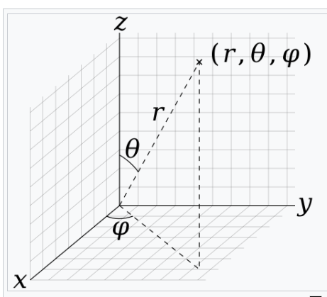
0,0

el | 360 | pwm
az | 282 | pwm

 |  |  |  | 210

 |  |  | horizontal | 500
 |  |  | down | 290
 |  |  |  | 210
 |  |  |  | 2.3333333333

