1 - Grocery Items
Product Image | Product Name | Brand | Ingredients | Contains Milk? | Contains Wheat | Contains Gluten? | Contains Soy? | Suitable for nut allergy sufferers | Serving Size | Calories | Total fat (g) | Sat fat (g) | Cholesterol (mg) | Sodium (mg) | Total carbohydrate (g) | Dietary fibre (g) | Sugar (g) | Protein (g) | Vitamin A (%) | Vitamin C (%) | Calcium (%) | Iron (%) | Trans Fat (g) | Product Description | Country of Origin | URL
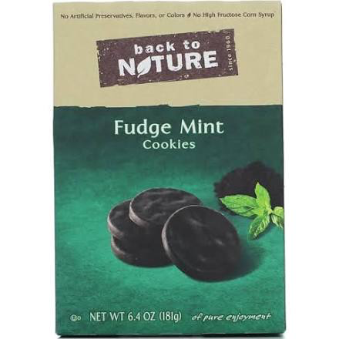 | Back To Nature Fudge Mint Cookies - 6.4 oz box | Back to Nature | Fudge Coating Sugar Palm Kernel Oil Cocoa Cocoa Process with Alkali {Dutched} Palm Oil Whey (from Milk) Soy Lecithin Natural Flavour Unbleached Wheat Flour Evaporated Cane Juice Palm Oil Cocoa Process with Alkali {Dutched} Organic Evaporated Cane Juice Invert Syrup Baking Soda Sea Salt Soy Lecithin Peppermint Oil | Yes | Yes | Not specified | Yes | Not specified | 1 piece | 150 | 7 | 4.5 | 0 | 160 | 21 |  | 12 | 1 | 0 | 0 | 0 | 6 | 0 |  |  | https://www.google.com/shopping/express/#ProductDetailPlace:id=10358732488238385561&cid=4172123157978059826
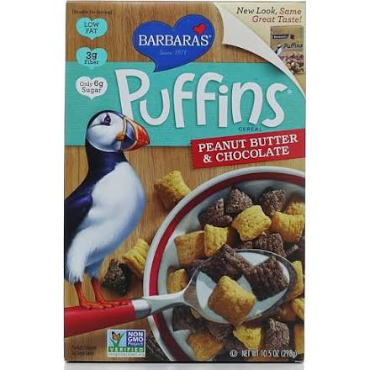 | Barbara's Puffins Honey Rice Cereal - 10.5 oz box | Barbara's | Whole Grain Brown Rice Flour Dehydrated Cane Juice Fructan Expeller Pressed High Oleic Oil (Canola and/or Sunflower) Honey Calcium Carbonate Salt Natural Flavor Natural Vitamin E | Might | Might | Might (< 20 ppm) | Might | Might | 0.75 cup |  | 1 | 0 | 0 | 80 | 25 | 3 | 6 | 2 | 0 | 0 | 10 | 4 | 0 |  |  | https://www.google.com/shopping/express/#ProductDetailPlace:id=1415884718579459923&cid=1257259259437591923
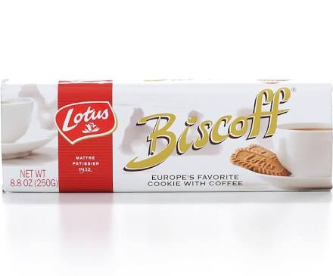 | Biscoff Biscoff Cookies - 8.7 oz | Lotus | Wheat Flour Sugar Vegetable Oil Brown Sugar Sodium Bicarbonate Soy Flour Salt Cinnamon | No | Yes | Not specified | Yes | Not specified | 4 pieces |  | 6 | 3 | 0 | 120 | 23 | 0.4 | 12 | 2 | 0 | 0 | 1 | 1 | 0 |  |  | https://www.google.com/shopping/express/#ProductDetailPlace:cat=412.422.1876.2229&id=2748048257965807222&cid=13482566268678550804
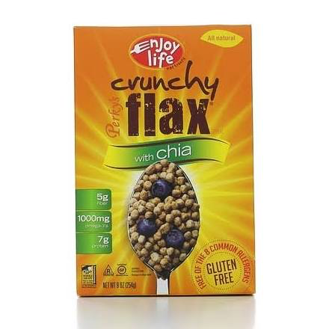 | Enjoy Life Perky's Cereal, Cruncy Flax with Chia - 9 oz box | Enjoy Life | Whole Sorghum Flour Golden Flax Flour Organic Evaporated Cane Juice Raisin Juice Concentrate Chia Flour Salt | Not specified | Not specified | Not specified | Not specified | Not specified | 0.75 cup |  | 4 | 0 | 0 | 120 | 41 | 5 | 3 | 7 | 0 | 0 | 4 | 15 | 0 | High in fiber, protein and Omega-3's. 44g of Whole Grains and 7g of protein per serving. All natural and sweetened with fruit juice and honey. 1000mg of Omega-3's per serving. Certified Gluten free symbol on each package. Made in a dedicated nut-free and certified gluten free facility. This facility also processes soy; however, strict manufacturing and sanitation practices are employed to prevent cross-contamination. This product is batch tested for soy and gluten. Shelf Life: 9 months. Ingredients: whole sorghum flour, golden flax flour, organic evaporated cane juice, raisin juice concentrate, chia flour, salt. Product of United States. Nutrition Facts; Serving size volume: 0.75 cup. Serving size weight: 55g. Servings per package: 5 Calories, 200 Calories from fat, 35 Total fat, 4g - 6% Saturated fat, 0g Trans fat, 0g Cholesterol, 0mg Sodium 120mg, 5% Total carbohydrates 41g, 14% Dietary fiber 5g, 20% Sugars 3g Protein 7g, 14% Vitamin A, 0% Vitamin C, 0% Calcium, 4% Iron, 15%. |  | https://www.google.com/shopping/express/#ProductDetailPlace:id=4092734282043194066&cid=11464202311374336090
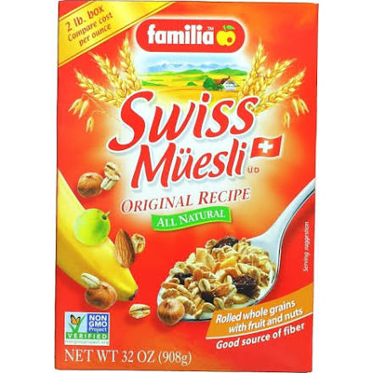 | Familia Swiss Muesli Mixed Cereals - 32 oz box | Familia | Oat Flake Wheat Flake Fruit Flake Wholemeal Flour Wheat Rye Barley Date Pulp Apple Banana Puree Millet Flake Raisin Vegetable Oil Wheat Germ Roasted Hazelnut Roasted Almond | Not specified | Not specified | Not specified | Not specified | Not specified | 0.5 cup |  | 3 | 0.5 | 0 | 0 | 41 | 4 | 7 | 6 | 0 | 0 | 2 | 15 | 0 | Mixed cereals with fruit and nuts. No added sugar. Not a low calorie food. Bio-Familia was established in 1954 in Sachseln, a quaint village nestled in the beautiful Swiss countryside. We are known worldwide as the pioneer maker of traditional Swiss Muesli but few know of our early role in supporting natural farming techniques that respect the environment. Since 1958 Bio-Familia has been using organically grown cereals and fruits in its products. A close relationship with the pioneer of organic cultivation in Switzerland, Dr. Hans Muller, made Bio-Familia one of the first companies to discover the benefit of growing grains that replenish and maintain healthy soil while eliminating toxic chemicals. Thanks to this experience and know how, Bio-Familia manufactures naturally grown cereal products that deliver outstanding taste and quality. Familia is proud to continue our tradition of wholesome cereals by bringing you unique cereals grown in balance with the land. For 100% of nature's best in every bowl. Product of Switzerland. |  | https://www.google.com/shopping/express/#ProductDetailPlace:id=3301550060030898484&cid=9597950798905085363
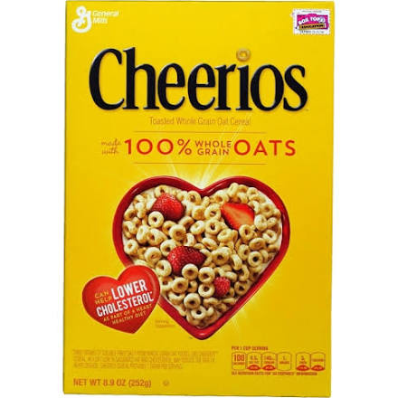 | General Mills Cheerios - 8.9 oz box | General Mills | Whole Grain Oat Modified Corn Starch Sugar Salt Tipotassium Phosphate Wheat Starch Vitamin E {Mixed Tocopherols} Calcium Carbonate Iron Zinc Vitamin C {Sodium Ascorbate} Vitamin B {Niacinamide} Vitamin B6 {Pyridoxine Hydrochloride} Vitamin A {Palmitate} Vitamin B2 {Riboflavin} Vitamin B1 {Thiamin Mononitrate} Vitamin B {Folic Acid} Vitamin B12 Vitamin D3 | Not specified | Not specified | Not specified | Not specified | Not specified | 1 cup |  | 2 | 0 | 0 | 160 | 20 | 3 | 1 | 3 | 10 | 10 | 10 | 45 | 0 | Cheerios Cereal contains 23 grams whole grain per serving (at least 48 grams recommended daily). A whole grain food is made by using all three parts of the grain. All General Mills Big G cereals contain more whole grain than any other single ingredient. Smile. Perfectly familiar and crunchy, there's something about the taste of Cheerios that kids never outgrow. The one and only. Carefully selected oats can help lower cholesterol. Three grams of soluble fiber from whole grain oat foods, like Cheerios cereal, in a diet low in saturated fat and cholesterol may reduce the risk of heart disease (Cheerios Cereal provides one gram per serving). |  | https://www.google.com/shopping/express/#ProductDetailPlace:id=15383874616732104015&cid=9124848182995783178
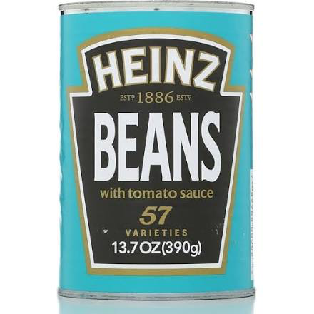 | Heinz Beans with Tomato Sauce - 13 oz can | Heinz | Bean Tomato Water Sugar Salt Modified Cornstarch Spirit Vinegar Spice Extract Onion Extract | Not specified | Not Specified | Not Specified | Not Specified | Not Specified | 0.5 | 100 | 0 | 0 | 0 | 440 | 18 | 5 | 7 | 6 | 0 | 0 | 6 | 10 | 0 | No artificial colors, preservatives or flavors. Suitable for vegetarians. Excellent source of fiber. Recyclable steel. Made in England. Product of the United Kingdom. | United Kingdom | https://www.google.com/shopping/express/#ProductDetailPlace:id=17724018848621038991&cid=6563291455815913379
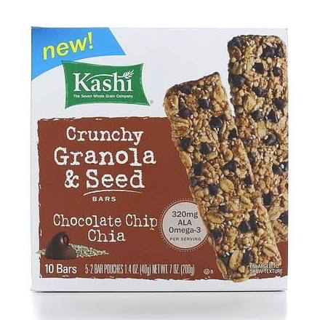 | Kashi crunch chocolate chip bar - 7 oz box | Kashi | Whole Grain Oat Whole Grain Blend Barley Buckwheat Hard Red Wheat Rye Triticale Quinoa Dried Cane Syrup Semisweet Chocolate Chip Dried Cane Syrup Chocolate Liquor Cocoa Butter Soy Lecithin Vanilla Bean Expeller Pressed Canola Oil Invert Cane Syrup Unmodified Cornstarch Chia Seed Brown Rice Flour Coconut Whole Oat Flour Evaporated Salt Molasses Vanilla Extract Sodium Bicarbonate Soy Lecithin Spice Extractive | Not specified | Not specified | Not specified | Not specified | Not specified | 1 piece |  | 7 | 2 | 0 | 100 | 27 | 3 | 9 | 3 | 0 | 0 | 2 | 6 | 0 |  |  | https://www.google.com/shopping/express/#ProductDetailPlace:id=5897707514489708656&cid=13034325607821044100
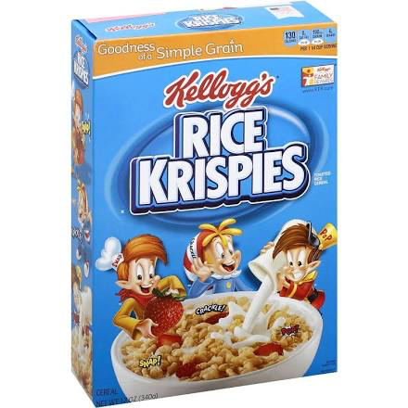 | Kellog's Rice Krispies Cereal - 12 oz box | Kellogg's | Rice Sugar Salt Malt Flavor Iron Vitamin C (Ascorbic Acid) Vitamin E (Alpha Tocopherol Acetate) Vitamin B6 (Pyridoxine Hydrochloride) Vitamin B2 (Riboflavin) Vitamin B1 (Thiamin Hydrochloride) Folic Acid Vitamin B12 Vitamin D | Not specified | Not specified | Not specified | Not specified | Not specified | 0.75 |  | 0 | 0 | 0 | 190 | 29 | < 1 | 4 | 2 | 25 | 25 | 0 | 50 | 0 |  |  | https://www.google.com/shopping/express/#ProductDetailPlace:id=7516600457643612690&cid=5536113978396198690
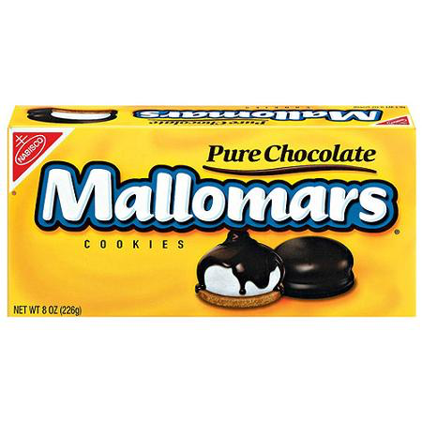 | Mallomars Cookies, Pure Chocolate - 8 oz tray | Nabisco | Sweet Chocolate Coating Sugar Chocolate Cocoa Butter Chocolate Process with Alkali and Soy Lecithin Milk Enriched Flour Wheat Flour Niacin Reduced Iron Thiamine Mononitrate {Vitamin B1} Riboflavin {Vitamin B2} Folic Acid Sugar High Fructose Corn Syrup Corn Syrup Canola Oil Palm Oil Palm Kernel Oil Invert Sugar Water Gelatin Leavening Baking Soda Calcium Phosphate Salt Soy Lecithin Artificial Flavour | Not specified | Not specified | Not specified | Not specified | Not specified | 2 pieces |  | 9 | 3 | 0 | 40 | 18 | 1 | 12 | 1 | 0 | 0 | 0 | 4 | 0 | Enjoyed for over 90 years! Mallomars were created by Nabisco in 1913 and first sold to a grocer in West Hoboken, NJ. The metropolitan New York City area boasts the most loyal Mallomars fans. More than 70% of all Mallomars sales are generated in the shadow of the Big Apple. Made in Canada. |  | https://www.google.com/shopping/express/#ProductDetailPlace:id=1040470362795556389&cid=1030852360450010835&q=Mallomars+Cookies&mall=SanFrancisco
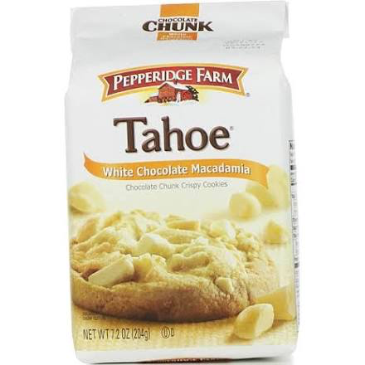 | Pepperidge Farm Tahoe White Chocolate Macademia Cookies - 7.2 oz | Pepperidge Farm | Unbleached Enriched Wheat Flour White Chocolate Sugar Cocoa Butter Skim Milk Powder Whole Milk Powder Soy Lecithin Vanilla Extract Sugar Vegetable Oil Palm and/or Interesterified and Hydrogenated Soybean and/or Hydrogenated Cottonseed Macademia Nut Butter Brown Sugar Egg Salt Cornstarch Tree Nut Meal Pecan Macademia Walnut Cashew Almond Baking Soda Cream of Tartar Ammonium Bicarbonate | Not specified | Not specified | Not specified | Not specified | Not specified | 1 piece |  | 6 | 3.5 | < 5 | 60 | 17 | 0 | 10 | 1 | 0 | 0 | 0 | 0 | 0 | In the mood for a melt-in-your-mouth dessert experience? Our soft Dessert ShopTM cookies are made with ingredients like real cream cheese and dark chocolate chunks. They're dessert . . . reimagined. |  | https://www.google.com/shopping/express/#ProductDetailPlace:id=1137261811469324755&cid=13320601108542731095
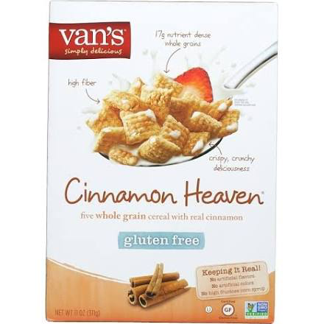 | Van's Gluten Free Cinnamon Heaven Cereal - 11 oz box | Van's | Oat Brown Rice Millet Quinoa Flour Amaranth Flour Cane Sugar Oat Fibre Inulin Invert Cane Sugar Non-GMO Expellet Pressed Canola Oil Cinnamon Salt Calcium Carbonate | Not specified | No | No | Not specified | Not specified | 0.75 |  | 1 | 0 | 0 | 130 | 26 | 5 | 9 | 2 | 0 | 0 | 8 | 6 | 0 |  |  | https://www.google.com/shopping/express/#ProductDetailPlace:id=16974534909408546437&cid=10185241418387097593
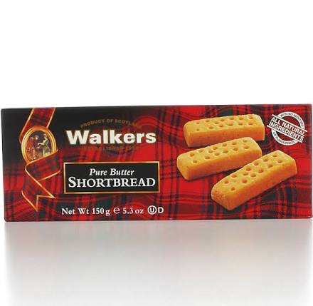 | Walkers Pure Butter Shortbread Fingers - 5.3 oz box | Walkers | Wheat Flour Butter Sugar Salt | Yes | Yes | Yes | Not specified | No | 1 piece |  | 6 | 4 | 15 | 50 | 11 | < 1 | 3 | 1 | 4 | 0 | 0 | 0 | 0 | All natural ingredients with no additives or flavourings. Walkers Pure Butter Shortbread is baked in the secluded village of Aberlour, Speyside, in the heart of Scottish Highlands. The shortbread is produced to a traditional recipe which has been handed down through generations of the Walker family. Walkers personally guarantee that this product is made using only the finest ingredients possible to obtain and contains no artificial colours, flavourings or preservatives. Product of Scotland. |  | https://www.google.com/shopping/express/#ProductDetailPlace:id=13020415065567397576&cid=18371701569417952854

