AllCountryExportReport
All Country Export Report

Country | Export | 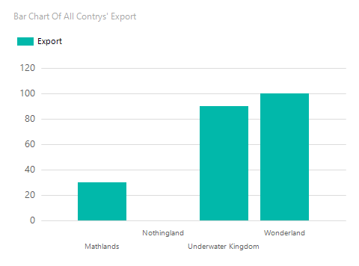 | 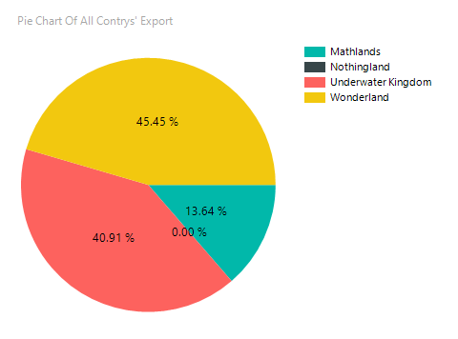
Mathlands | 30
Nothingland | 0
Underwater Kingdom | 90
Wonderland | 100
Total | 220

