Sheet1
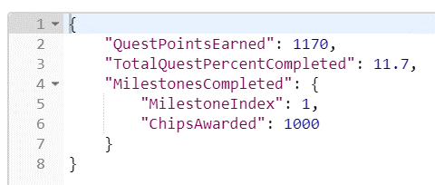
 | SERVER |  | CLIENT

REQUEST
 |  |  |  | PlayerId
 |  |  |  | PlayerLevel
 |  |  |  | ChipAmountBet

RESPONSE
QuestPointEarned
TotalQuestPercentComplete
Milestone is NULL since not yet complete

REQUEST
 |  |  |  | Bet more chips?

RESPONSE
QuestPointEarned Increases
TotalQuest % Increases
Milestone still NULL since not yet complete

 |  | Repeat

 |  | Repeat

 |  | Repeat

REQUEST

RESPONSE
QuestPointEarned Increases
TotalQuest % Increases
MilestoneCompleted Response
MilestoneIndex Increment
Chips Awared value

