Sheet1
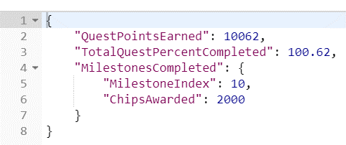
 |  | SERVER |  | CLIENT

REQUEST
 |  |  |  |  | PlayerId
 |  |  |  |  | PlayerLevel
 |  |  |  |  | ChipAmountBet

RESPONSE
 | QuestPointEarned
 | TotalQuestPercentComplete
 | Milestone is NULL since not yet complete

REQUEST
 |  |  |  |  | Bet more chips?

RESPONSE
 | QuestPointEarned Increases
 | TotalQuest % Increases
 | Milestone still NULL since not yet complete

 |  |  | Repeat

 |  |  | Repeat

 |  |  | Repeat

REQUEST

RESPONSE
 | QuestPointEarned Increases
 | TotalQuest % Increases
 | MilestoneCompleted Response
 | MilestoneIndex Increment
 | Chips Awared value
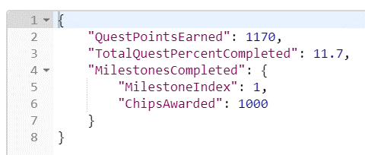

 |  |  | Repeat

 |  |  | Repeat

 |  |  | Repeat
REQUEST

RESPONSE
All milestone complete for Quest
New Quest start, new milestone start

