Side Experiments
th | Type | Summary | Conclusion | Results

2025.10.16 | Small Progress | Curse of repetition of llms during reasoning | Has to turn on frequency_penalty in vllm | oss20b high acc:0.5->0.83 avg_gen_tokens:100k->43k at freq_pen=0.005
2025.10.14 | Technical 🗒️ | \boxed{} extraction fail: cut half after first closing bracket instead of last | New method that tracks depth | HMMT_Feb25 benchmark fixed performance | 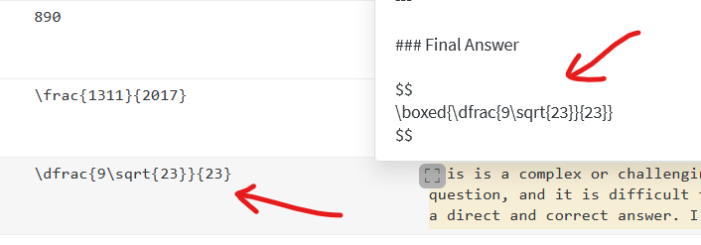
2025.10.14 | Technical 🗒️ | Project moveable | Every dependency is put into pyproject.toml. No more version conflicts | uv lock & uv sync
2025.10.14 | Milestone ⭐ | Successful run on all small models, each performing aligned to their published results. |  |  | 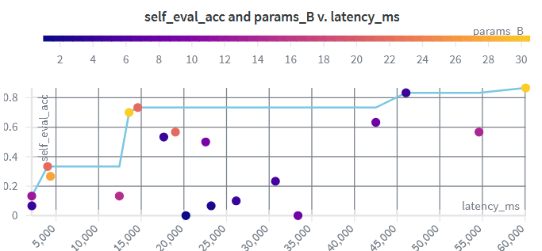
2025.10.13. | Small Progress | Configurable system prompt and chat template input parameters | gpt oss 20b low | medium | high reasoning effort. | Works as intended. Altough high reasoning keep exceeding thinking budget | 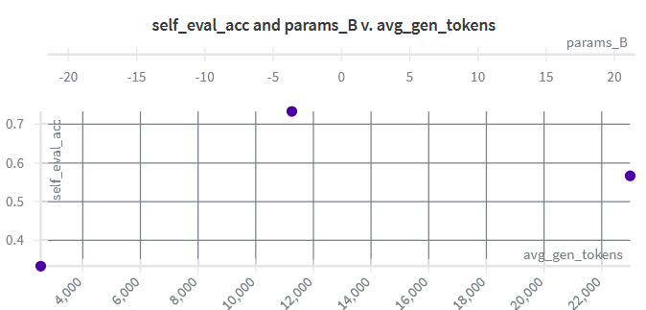
2025.10.13. | Small Progress | Switching to chat templates in vLLM. | Until now we used casual language generation. Now prompts are converted to chat templates, user messages. | Much better accuracy. Qwen 30b a3b achieves 83% on AIME25. - This alings with the results published by the authors. | 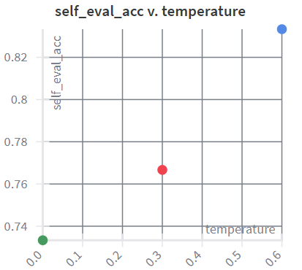
2025.10.13. | Small Progress | Temperature tuning to investigate poor accuracies. | Qwen generation param tuning | temperature=X, top_p=0.95, top_k=20 | Lowering the temperature does not guarantee no loops, neither better accuracy. | 