SUMMARY
Circulation Results for the Past Three Years

Town | Circulation
Beverly | 3,245,998
Cherrydale | 4,197,439
Jamestown
Larksburg
Washerville
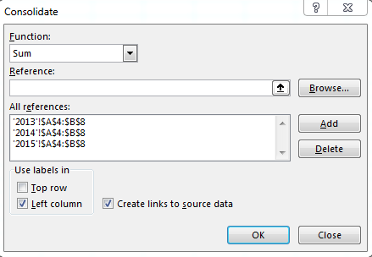

Town | Circulation
Beverly | 3,245,998
Cherrydale | 4,197,439
Jamestown | 5,599,346
Larksburg | 3,293,297
Washerville | 3,184,977

pivot table
Sum of Sales | Column Labels
Row Labels | Frozen Yogurt | Ice Cream | Popsicles | Tasty Treats | Grand Total
1st Q | ₹ 478,300.70 | ₹ 408,839.60 | ₹ 143,647.80 | ₹ 427,097.35 | ₹ 1,457,885.45
2nd Q | ₹ 26,775.80 | ₹ 613,801.60 | ₹ 161,194.30 | ₹ 267,235.10 | ₹ 1,069,006.80
3rd Q | ₹ 145,001.00 | ₹ 356,932.00 | ₹ 79,970.50 | ₹ 145,781.20 | ₹ 727,684.70
Grand Total | ₹ 650,077.50 | ₹ 1,379,573.20 | ₹ 384,812.60 | ₹ 840,113.65 | ₹ 3,254,576.95

 | Sum of Sales | % difference | Average of Sales
January | ₹24,803.00 |  | 6200.75
February | ₹24,561.00 | -0.98% | 6140.25
March | ₹30,240.00 | 23.12% | 7560
April | ₹83,882.50 | 177.39% | 8388.25
May | ₹28,697.50 | -65.79% | 7174.375
November | ₹12,712.50 | -55.70% | 3178.125
December | ₹28,047.50 | 120.63% | 7011.875

Row Labels | Sum of Sales | % difference | Average of Sales
January | ₹ 24,803.00 |  | 6200.75
February | ₹ 24,561.00 | -0.98% | 6140.25
March | ₹ 30,240.00 | 23.12% | 7560
April | ₹ 83,882.50 | 177.39% | 8388.25
May | ₹ 28,697.50 | -65.79% | 7174.375
November | ₹ 12,712.50 | -55.70% | 3178.125
December | ₹ 28,047.50 | 120.63% | 7011.875
Grand Total | ₹ 232,944.00 |  | 6851.2941176

