motherboard pcb
 |  |  |  |  |  |  |  |  |  |  |  |  |  |  |  |  |  |  |  |  |  |  | Connection side of the pcb

 |  | ARDUINO NANO |  |  |  |  |  |  |  |  |  | CH340 |  |  |  | LCD connector |  |  |  |  |  |  | VCC connector |  |  |  | GSM |  |  |  |  |  |  | Pi |  |  | GPIO |  | to extension board
#O - RFM |  | D12 |  |  | D13 | #C - RFM |  |  |  |  |  | 5V |  |  | SDA | 1 | 3 | 5 | SCL |  |  | GND GSM, Pi#6 - #39 |  | in + 5V |  | GND | 39 | 40 |  |  |  |  |  | 40 | 39 | GND | 39 | 40
#I - RFM |  | D11 |  |  | 3V3 |  |  |  |  |  | to +5V - VCC | VCC | GND | NC | +5V | 2 | 4 | 6 | 3,3V |  |  | ATMEGA, RFM69HCW |  |  |  |  | 37 | 38 |  |  |  |  |  | 38 | 37 |  | 37 | 38
#S - RFM |  | D10 |  |  | REF |  |  |  |  |  |  | 3V3 | D- | USB |  |  | GND |  |  |  | to activity LED |  | GND - etc. |  |  |  | 35 | 36 |  |  |  |  |  | 36 | 35 |  | 35 | 36 |  | >>> |  |  | outputs | 8+1 pins
activity LED |  | + D9 | expansion board |  | A0 | A0 |  |  |  |  | TXD - GSM | TXD | D+ |  |  |  |  |  |  |  |  |  |  | +5V #4 - #2 GPIO, LCD, etc. |  |  | 33 | 34 |  |  |  |  |  | 34 | 33 |  | 33 | 34
cmd OFF | X | D8 |  |  | A1 | A1 |  | #D8 - ATMEGA |  |  | RXD - GSM | RXD | 5VUSB | NC |  |  |  |  |  |  |  |  |  |  |  |  | 31 | 32 |  |  |  |  |  | 32 | 31 |  | 31 | 32
 | D7 | D7 |  |  | A2 | A2 |  |  |  |  | to GND - VCC | GND |  |  |  |  |  | EL817 |  |  |  |  |  | Vin = 5V |  |  | 29 | 30 |  |  |  |  | GND | 30 | 29 |  | 29 | 30
 | D6 | D6 |  |  | A3 | A3 |  |  |  |  |  |  |  | GSM-RESET #22 - Pi |  |  |  | 1 | 4 | +3,3V |  |  |  | LD1117STR |  |  | 27 | 28 |  |  |  |  |  | 28 | 27 |  | 27 | 28
#11 - Pi | X | D5 |  |  | A4 | A4 | SDA |  |  |  | GND |  |  |  |  |  | GND | 2 | 3 | GSM-reset |  | >>> |  |  |  |  | 25 | 26 |  |  |  |  | GSM >> STATUS LED | 26 | 25 | GND | 25 | 26
 | D4 | D4 |  |  | A5 | A5 | SCL |  |  |  |  |  |  |  |  |  |  |  |  |  |  |  |  |  |  |  | 23 | 24 |  |  |  |  | to ATMEGA-RST | 24 | 23 |  | 23 | 24
 | D3 | D3 |  |  | A6 | A6 |  |  |  | +3.3v - ATMEGA |  |  |  |  |  |  |  |  |  |  |  |  |  |  |  |  | 21 | 22 |  |  |  |  | GSM >>> - reset | 22 | 21 |  | 21 | 22 |  | >>> |  |  | inputs | 8 pins
#0 - RFM | X | D2 |  |  | A7 | A7 |  |  |  |  |  |  |  |  |  |  |  |  |  |  |  |  |  | Vout = 3,3V / max. 800 mA |  |  | 19 | 20 |  |  |  |  | GND | 20 | 19 |  | 19 | 20
#24 - Pi |  | GND |  |  | 5V | +3.3v - OUT LD1117 | -OUT LD1117STR |  |  |  |  |  |  |  |  |  |  | EL817 |  |  |  |  |  | +3.3V - RFM, NANO, etc. |  |  | 17 | 18 |  |  |  |  | GSM >>> power | 18 | 17 | +3,3V | 17 | 18 |  | >>> | >>> | >>> | input/output
 |  | RST |  |  | RST | ATMEGA-RESET #24 - Pi |  |  |  |  |  |  |  | GSM-POWER #18 - Pi |  |  |  | 1 | 4 | +3,3V |  |  |  |  |  |  | 15 | 16 |  | GND |  | to LCD scroll button |  | 16 | 15 |  | 15 | 16
#8 - Pi |  | RX0 |  |  | GND | to GND - VCC |  |  |  |  |  |  |  |  |  |  | GND | 2 | 3 | GSM-power |  | >>> |  |  |  |  | 13 | 14 |  |  |  |  | GND | 14 | 13 |  | 13 | 14
#10 - Pi |  | TX1 |  |  | VIN |  |  |  |  |  |  |  |  |  |  |  |  |  |  |  |  |  |  |  | >>> | GSM-power | 11 | 12 | GSM-reset |  | <<< |  |  | 12 | 11 | SHUTDOWN - to ATMEGA D5 | 11 | 12
 |  |  |  |  |  |  |  |  |  |  |  |  |  |  |  |  |  |  |  |  |  |  |  |  |  |  | X | 10 | RXD from CH340 |  |  |  | ATMEGA TX1 - Rx | 10 | 9 | GND | 9 | 10
 |  |  |  |  |  |  |  |  | +3.3v - OUT LD1117 |  |  |  |  |  | RTC |  |  |  |  |  |  |  |  |  |  |  | 7 | 8 | TXD from CH340 |  |  |  | ATMEGA RX0 - Tx | 8 | 7 | to 1WIRE sensors | 7 | 8 |  | >>> | to RJ45 connector
 |  | #D12 - ATMEGA | #D11 - ATMEGA | #D13 - ATMEGA | #D10 - ATMEGA |  | #D2 - ATMEGA | to GND - VCC |  |  |  |  |  |  | - | NC | C | D | + |  |  |  |  |  |  | to RTC - SCL | 5 | 6 | GND #6 - Pi |  |  |  | GSM - GND | 6 | 5 | to GSM - SCL | 5 | 6
 |  |  |  |  |  |  |  |  |  |  |  |  |  |  | GND #39 Pi |  | SCL #5 Pi | SDA #3 Pi | +3,3V #1 Pi |  |  |  |  |  |  | to RTC - SDA | 3 | 4 | +5V #4 - Pi |  | GND |  | GSM +5V | 4 | 3 | to GSM - SDA | 3 | 4
 |  |  |  |  |  |  |  |  |  |  |  |  |  |  |  |  |  |  |  |  |  |  |  |  |  | +3,3V #1 Pi | 1 | 2 | +5V #2 - Pi |  | +5V |  | GSM +5V | 2 | 1 | to GSM - +3.3V | 1 | 2

 |  | O | I | C | S | R | 0 | G | 3,3V | RFM69HCW |  |  |  |  |  |  |  |  |  |  |  |  |  |  |  | LEGENDA
 |  |  |  |  |  |  |  |  |  |  |  |  |  |  |  |  |  |  |  |  |  |  |  |  |  | conexiune cositor |  |  |  |  |  |  |  | +5V
 |  |  |  |  |  |  |  |  |  |  |  |  |  |  |  |  |  |  |  |  |  |  |  |  |  | conexiune fir colorat albastru
 |  |  |  |  |  |  |  |  |  |  |  |  |  |  |  |  |  |  |  |  |  |  |  |  |  | conexiune fir colorat verde
 |  | 1 | 2 | 3 | 4 | 5 | G | G (A) | GND |  |  |  |  |  |  |  |  |  |  |  |  |  |  |  |  | conexiune fir colorat rosu
 |  |  |  |  |  |  |  |  |  |  |  |  |  |  |  |  |  |  |  |  |  |  |  |  |  | conexiune fir colorat negru

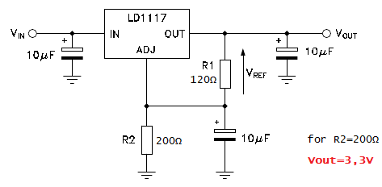
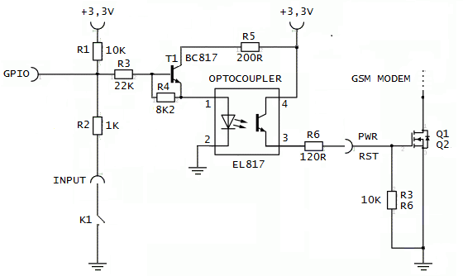
 |  | baud rate |  |  |  |  |  |  |  |  |  |  |  |  |  |  |  |  |  |  |  |  | LD1117STR - power (3.3v/800mA) schematic |  |  |  |  |  |  |  |  | EL817 - optocoupler interface schematic
 |  | avrdude |  | minicom
 |  | hex |  | AMA0
emonPi |  | 57600 |  | 19200 |  |  |  | minicom -b 19200 -o -D /dev/ttyAMA0
emonBase |  | 57600 |  | 38400 |  |  |  | minicom -b 38400 -o -D /dev/ttyAMA0
GSM |  | - |  | 115200 |  |  |  | minicom -b 9600 -o -D /dev/rs232c { ls -l /dev/rs232c to check driver }

