power analysis
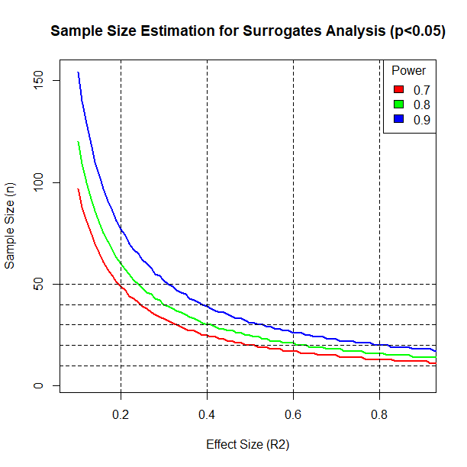

Effect size = F2 = R2 / (1 - R2)

Therefore: R2 = F2 / (1 + F2)

