PRI_ELC
 |  |  |  |  | mlnm3/kt
 |  |  |  |  |  |  |  |  |  |  |  |  |  |  |  |  | ~FI_Process
 |  | ~FI_T:PL |  |  |  |  |  |  |  |  |  |  |  |  |  |  | Sets | Region | TechName | TechDesc | Tact | Tcap | Tslvl | PrimaryCG | Vintage
TechName | Comm-IN | Comm-OUT | Year | START | CEFF | ACTFLO | AFA | INVCOST | FIXOM | VAROM | LIFE | ENV_ACT | CAP2ACT | FLO_COST | Share-I | Share-I~0 | PRE | PL | AGR_NEW_BIOG_MAN | Biogas plant - animal manure | mln m3 | mln m3 / rok
AGR_NEW_BIOG_MAN |  |  |  | 2005 |  |  | 1 | 5.251 | 0 | 0.575 | 25 |  | 1 |  |  |  | PRE | PL | AGR_NEW_BIOG_MIX | Biogas plant - mixed residues | mln m3 | mln m3 / rok
 | AGR_RESID_CROP_WHEAT |  |  |  | 0.30590 |  |  |  |  |  |  |  |  | 0.1402 | 0.00 | 3 | PRE | PL | AGR_NEW_BIOG_LIGN | Biogas plant - dry crop residues | mln m3 | mln m3 / rok
 | AGR_RESID_CROP_BARLEY |  |  |  | 0.30590 |  |  |  |  |  |  |  |  | 0.1402 | 0.00 | 3 | PRE | PL | AGR_NEW_BIO_CH4_MAN | Biomethane plant - animal manure | mln m3 | mln m3 / rok
 | AGR_RESID_CROP_MAIZE |  |  |  | 0.38855 |  |  |  |  |  |  |  |  | 0.1104 | 0.00 | 3 | PRE | PL | AGR_NEW_BIO_CH4_MIX | Biomethane plant - mixed residues | mln m3 | mln m3 / rok
 | AGR_RESID_CROP_CER-MIX |  |  |  | 0.30590 |  |  |  |  |  |  |  |  | 0.1402 | 0.00 | 3 | PRE | PL | AGR_NEW_BIO_CH4_LIGN | Biomethane plant - dry crop residues | mln m3 | mln m3 / rok
 | AGR_RESID_CROP_TRITICALE |  |  |  | 0.30590 |  |  |  |  |  |  |  |  | 0.1402 | 0.00 | 3
 | AGR_RESID_CROP_OATS |  |  |  | 0.30590 |  |  |  |  |  |  |  |  | 0.1402 | 0.00 | 3
 | AGR_RESID_CROP_RYE |  |  |  | 0.30590 |  |  |  |  |  |  |  |  | 0.1402 | 0.00 | 3
 | AGR_RESID_CROP_MILL-BUCK |  |  |  | 0.30590 |  |  |  |  |  |  |  |  | 0.1402 | 0.00 | 3
 | AGR_LIV_MANURE_CAT_DAIRY |  |  |  | 0.09785 |  |  |  |  |  |  |  |  | 0.5700 | 0.40 | 3
 | AGR_LIV_MANURE_CAT_NON-DAIRY |  |  |  | 0.09785 |  |  |  |  |  |  |  |  | 0.5700 | 0.35 | 3
 | AGR_LIV_MANURE_SWINE |  |  |  | 0.01188 |  |  |  |  |  |  |  |  | 4.6964 | 0.30 | 3
 | AGR_LIV_MANURE_POULTRY |  |  |  | 0.08835 |  |  |  |  |  |  |  |  | 0.6312 | 0.10 | 3
 |  | PRI_BIOG_AGR |  |  |  | 0.023

 |  | ~FI_T:PL
TechName | Comm-IN | Comm-OUT | Year | START | CEFF | ACTFLO | AFA | INVCOST | FIXOM | VAROM | LIFE | ENV_ACT | CAP2ACT | FLO_COST | Share-I | Share-I~0
AGR_NEW_BIOG_MIX |  |  |  | 2005 |  |  | 1 | 5.251 | 0 | 0.575 | 25 |  | 1
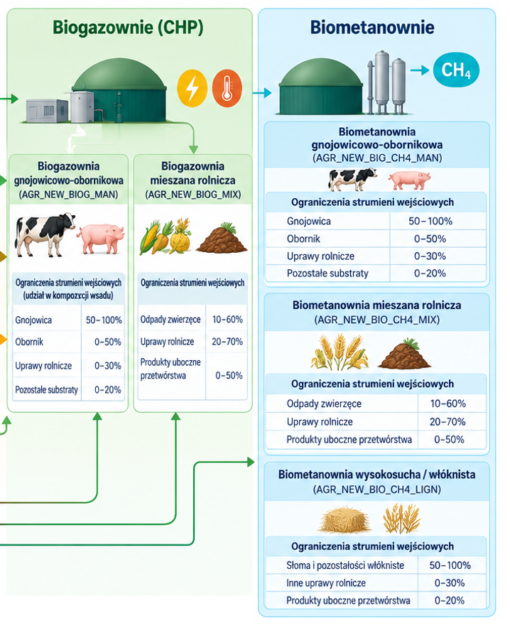
 | AGR_RESID_CROP_WHEAT |  |  |  | 0.30590 |  |  |  |  |  |  |  |  | 0.1402 | 0.10 | 3
 | AGR_RESID_CROP_BARLEY |  |  |  | 0.30590 |  |  |  |  |  |  |  |  | 0.1402 | 0.03 | 3
 | AGR_RESID_CROP_MAIZE |  |  |  | 0.38855 |  |  |  |  |  |  |  |  | 0.1104 | 0.25 | 3
 | AGR_RESID_CROP_CER-MIX |  |  |  | 0.30590 |  |  |  |  |  |  |  |  | 0.1402 | 0.01 | 3
 | AGR_RESID_CROP_TRITICALE |  |  |  | 0.30590 |  |  |  |  |  |  |  |  | 0.1402 | 0.05 | 3
 | AGR_RESID_CROP_OATS |  |  |  | 0.30590 |  |  |  |  |  |  |  |  | 0.1402 | 0.02 | 3
 | AGR_RESID_CROP_RYE |  |  |  | 0.30590 |  |  |  |  |  |  |  |  | 0.1402 | 0.03 | 3
 | AGR_RESID_CROP_MILL-BUCK |  |  |  | 0.30590 |  |  |  |  |  |  |  |  | 0.1402 | 0.01 | 3
 | AGR_LIV_MANURE_CAT_DAIRY |  |  |  | 0.09785 |  |  |  |  |  |  |  |  | 0.5700 | 0.20 | 3
 | AGR_LIV_MANURE_CAT_NON-DAIRY |  |  |  | 0.09785 |  |  |  |  |  |  |  |  | 0.5700 | 0.15 | 3
 | AGR_LIV_MANURE_SWINE |  |  |  | 0.01188 |  |  |  |  |  |  |  |  | 4.6964 | 0.10 | 3
 | AGR_LIV_MANURE_POULTRY |  |  |  | 0.08835 |  |  |  |  |  |  |  |  | 0.6312 | 0.05 | 3
 |  | PRI_BIOG_AGR |  |  |  | 0.023

 |  | ~FI_T:PL
TechName | Comm-IN | Comm-OUT | Year | START | CEFF | ACTFLO | AFA | INVCOST | FIXOM | VAROM | LIFE | ENV_ACT | CAP2ACT | FLO_COST | Share-I | Share-I~0
AGR_NEW_BIOG_LIGN |  |  |  | 2005 |  |  | 1 | 5.251 | 0 | 0.575 | 25 |  | 1
 | AGR_RESID_CROP_WHEAT |  |  |  | 0.30590 |  |  |  |  |  |  |  |  | 0.1402 | 0.15 | 3
 | AGR_RESID_CROP_BARLEY |  |  |  | 0.30590 |  |  |  |  |  |  |  |  | 0.1402 | 0.00 | 3
 | AGR_RESID_CROP_MAIZE |  |  |  | 0.38855 |  |  |  |  |  |  |  |  | 0.1104 | 0.75 | 3
 | AGR_RESID_CROP_CER-MIX |  |  |  | 0.30590 |  |  |  |  |  |  |  |  | 0.1402 | 0.00 | 3
 | AGR_RESID_CROP_TRITICALE |  |  |  | 0.30590 |  |  |  |  |  |  |  |  | 0.1402 | 0.10 | 3
 | AGR_RESID_CROP_OATS |  |  |  | 0.30590 |  |  |  |  |  |  |  |  | 0.1402 | 0.00 | 3
 | AGR_RESID_CROP_RYE |  |  |  | 0.30590 |  |  |  |  |  |  |  |  | 0.1402 | 0.00 | 3
 | AGR_RESID_CROP_MILL-BUCK |  |  |  | 0.30590 |  |  |  |  |  |  |  |  | 0.1402 | 0.00 | 3
 | AGR_LIV_MANURE_CAT_DAIRY |  |  |  | 0.09785 |  |  |  |  |  |  |  |  | 0.5700 | 0.00 | 3
 | AGR_LIV_MANURE_CAT_NON-DAIRY |  |  |  | 0.09785 |  |  |  |  |  |  |  |  | 0.5700 | 0.00 | 3
 | AGR_LIV_MANURE_SWINE |  |  |  | 0.01188 |  |  |  |  |  |  |  |  | 4.6964 | 0.00 | 3
 | AGR_LIV_MANURE_POULTRY |  |  |  | 0.08835 |  |  |  |  |  |  |  |  | 0.6312 | 0.00 | 3
 |  | PRI_BIOG_AGR |  |  |  | 0.023

 |  | ~FI_T:PL
TechName | Comm-IN | Comm-OUT | Year | START | CEFF | ACTFLO | AFA | INVCOST | FIXOM | VAROM | LIFE | ENV_ACT | CAP2ACT | FLO_COST | Share-I | Share-I~0
AGR_NEW_BIO_CH4_MAN |  |  |  | 2005 |  |  | 1 | 11.273 | 0.00 | 1.481 | 25 |  | 1
 | AGR_RESID_CROP_WHEAT |  |  |  | 0.22135 |  |  |  |  |  |  |  |  | 0.2033 | 0.00 | 3
 | AGR_RESID_CROP_BARLEY |  |  |  | 0.22135 |  |  |  |  |  |  |  |  | 0.2033 | 0.00 | 3
 | AGR_RESID_CROP_MAIZE |  |  |  | 0.19190 |  |  |  |  |  |  |  |  | 0.2345 | 0.00 | 3
 | AGR_RESID_CROP_CER-MIX |  |  |  | 0.22135 |  |  |  |  |  |  |  |  | 0.2033 | 0.00 | 3
 | AGR_RESID_CROP_TRITICALE |  |  |  | 0.22135 |  |  |  |  |  |  |  |  | 0.2033 | 0.00 | 3
 | AGR_RESID_CROP_OATS |  |  |  | 0.22135 |  |  |  |  |  |  |  |  | 0.2033 | 0.00 | 3
 | AGR_RESID_CROP_RYE |  |  |  | 0.22135 |  |  |  |  |  |  |  |  | 0.2033 | 0.00 | 3
 | AGR_RESID_CROP_MILL-BUCK |  |  |  | 0.22135 |  |  |  |  |  |  |  |  | 0.2033 | 0.00 | 3
 | AGR_LIV_MANURE_CAT_DAIRY |  |  |  | 0.05510 |  |  |  |  |  |  |  |  | 1.0617 | 0.38 | 3
 | AGR_LIV_MANURE_CAT_NON-DAIRY |  |  |  | 0.05510 |  |  |  |  |  |  |  |  | 1.0617 | 0.29 | 3
 | AGR_LIV_MANURE_SWINE |  |  |  | 0.00760 |  |  |  |  |  |  |  |  | 7.6974 | 0.25 | 3
 | AGR_LIV_MANURE_POULTRY |  |  |  | 0.04940 |  |  |  |  |  |  |  |  | 1.1842 | 0.07 | 3
 |  | PRI_BIO_CH4_AGR |  |  |  | 0.0395

 |  | ~FI_T:PL
TechName | Comm-IN | Comm-OUT | Year | START | CEFF | ACTFLO | AFA | INVCOST | FIXOM | VAROM | LIFE | ENV_ACT | CAP2ACT | FLO_COST | Share-I | Share-I~0
AGR_NEW_BIO_CH4_MIX |  |  |  | 2005 |  |  | 1 | 11.273 | 0.00 | 1.481 | 25 |  | 1
 | AGR_RESID_CROP_WHEAT |  |  |  | 0.22135 |  |  |  |  |  |  |  |  | 0.2033 | 0.1 | 3
 | AGR_RESID_CROP_BARLEY |  |  |  | 0.22135 |  |  |  |  |  |  |  |  | 0.2033 | 0.03 | 3
 | AGR_RESID_CROP_MAIZE |  |  |  | 0.19190 |  |  |  |  |  |  |  |  | 0.2345 | 0.25 | 3
 | AGR_RESID_CROP_CER-MIX |  |  |  | 0.22135 |  |  |  |  |  |  |  |  | 0.2033 | 0.01 | 3
 | AGR_RESID_CROP_TRITICALE |  |  |  | 0.22135 |  |  |  |  |  |  |  |  | 0.2033 | 0.05 | 3
 | AGR_RESID_CROP_OATS |  |  |  | 0.22135 |  |  |  |  |  |  |  |  | 0.2033 | 0.02 | 3
 | AGR_RESID_CROP_RYE |  |  |  | 0.22135 |  |  |  |  |  |  |  |  | 0.2033 | 0.03 | 3
 | AGR_RESID_CROP_MILL-BUCK |  |  |  | 0.22135 |  |  |  |  |  |  |  |  | 0.2033 | 0.01 | 3
 | AGR_LIV_MANURE_CAT_DAIRY |  |  |  | 0.05510 |  |  |  |  |  |  |  |  | 1.0617 | 0.2 | 3
 | AGR_LIV_MANURE_CAT_NON-DAIRY |  |  |  | 0.05510 |  |  |  |  |  |  |  |  | 1.0617 | 0.15 | 3
 | AGR_LIV_MANURE_SWINE |  |  |  | 0.00760 |  |  |  |  |  |  |  |  | 7.6974 | 0.1 | 3
 | AGR_LIV_MANURE_POULTRY |  |  |  | 0.04940 |  |  |  |  |  |  |  |  | 1.1842 | 0.05 | 3
 |  | PRI_BIO_CH4_AGR |  |  |  | 0.0395

 |  | ~FI_T:PL
TechName | Comm-IN | Comm-OUT | Year | START | CEFF | ACTFLO | AFA | INVCOST | FIXOM | VAROM | LIFE | ENV_ACT | CAP2ACT | FLO_COST | Share-I | Share-I~0
AGR_NEW_BIO_CH4_LIGN |  |  |  | 2005 |  |  | 1 | 11.273 | 0.00 | 1.481 | 25 |  | 1
 | AGR_RESID_CROP_WHEAT |  |  |  | 0.22135 |  |  |  |  |  |  |  |  | 0.2033 | 0.25 | 3
 | AGR_RESID_CROP_BARLEY |  |  |  | 0.22135 |  |  |  |  |  |  |  |  | 0.2033 | 0.06 | 3
 | AGR_RESID_CROP_MAIZE |  |  |  | 0.19190 |  |  |  |  |  |  |  |  | 0.2345 | 0.19 | 3
 | AGR_RESID_CROP_CER-MIX |  |  |  | 0.22135 |  |  |  |  |  |  |  |  | 0.2033 | 0.02 | 3
 | AGR_RESID_CROP_TRITICALE |  |  |  | 0.22135 |  |  |  |  |  |  |  |  | 0.2033 | 0.12 | 3
 | AGR_RESID_CROP_OATS |  |  |  | 0.22135 |  |  |  |  |  |  |  |  | 0.2033 | 0.04 | 3
 | AGR_RESID_CROP_RYE |  |  |  | 0.22135 |  |  |  |  |  |  |  |  | 0.2033 | 0.32 | 3
 | AGR_RESID_CROP_MILL-BUCK |  |  |  | 0.22135 |  |  |  |  |  |  |  |  | 0.2033 | 0.01 | 3
 | AGR_LIV_MANURE_CAT_DAIRY |  |  |  | 0.05510 |  |  |  |  |  |  |  |  | 1.0617 | 0.00 | 3
 | AGR_LIV_MANURE_CAT_NON-DAIRY |  |  |  | 0.05510 |  |  |  |  |  |  |  |  | 1.0617 | 0.00 | 3
 | AGR_LIV_MANURE_SWINE |  |  |  | 0.00760 |  |  |  |  |  |  |  |  | 7.6974 | 0.00 | 3
 | AGR_LIV_MANURE_POULTRY |  |  |  | 0.04940 |  |  |  |  |  |  |  |  | 1.1842 | 0.00 | 3
 |  | PRI_BIO_CH4_AGR |  |  |  | 0.0395

