Interpol_Extrapol_Defaults
Global interpolation settings
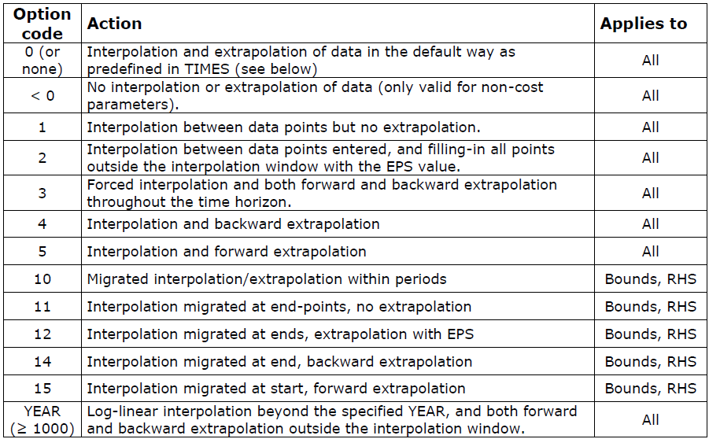
~TFM_MIG
LimType | Attribute | Year2 | AllRegions | Pset_PN

Dummy Import Prices

~TFM_UPD
Attribute | AllRegions | Pset_Set | Pset_PN
ACTCOST | 5555 | IRE | IMP*Z
ACTCOST | 9999 | IRE | IMPDEMZ

