Sheet1
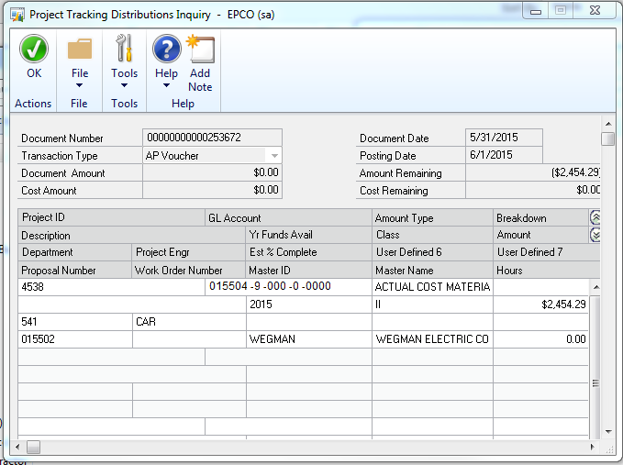
AFENum | GLAccount | JournalEntry | GLPOSTDT | TrnAmt |  | REFRENCE | VCHRNMBR | DOCNUMBR | BACHNUMB |  | TRXSORCE | ORCTRNUM | ORMSTRNM | ORDOCNUM | DSCRIPTN | ME Originating Mstr Name | Dist Ref | ACCATDSC
4538 | 015504-9-000-0-0000 | 467081 | 2015-06-01 | 2,454.69 |  | Purchases | 00000000000253672 | 20322-1 | MM 06/24/15B | #N/A | PMTRX00013619 | 00000000000253672 | WEGMAN ELECTRIC COMPANY | 20322-1 | Purchases | WEGMAN ELECTRIC COMPANY | CONSTRUCTION-INSTALL CONTRACT | Construction in Progress

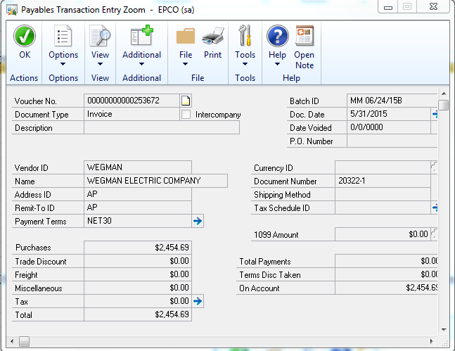

In Project Distribution Tables:

ME_Job_ID | GRANTID | ME_Trx_Type | ME_Breakdown_Code | LNITMSEQ | SQNCLINE | DOCDATE | DOCNUMBR | ME_Document_Number_WORK | DOCTYPE | MEuserdefined2 | ME_Work_Order_Number | ME_User_Defined | DSCRIPTN | ME_Amount_Type | TRXAMNT | ME_Originating_Master_ID | MEuserdefined1 | ME_Proposal_Number | JRNENTRY | MEuserdefined3 | ME_User_Defined_5 | ME_User_Defined_6 | ME_User_Defined_7 | ACTINDX | HOURSWKD | GLPOSTDT | ME_GL_Distribution_LI_In | ME_Module_LI_Index | ORIGAMT | VOIDED | COMMNTID | ME_Originating_Mstr_Name | DSCRPTN255 | ORIGPONUMBER | TRXUNIT | DECPLQTY | DEX_ROW_ID
4538 |  | 1 |  | 16384 | 0 | 2015-05-31 00:00:00 | 253672 | 253672 | 1 | II |  | 2015 |  | 9 | 2454.29 | WEGMAN | CAR | 15502 | 0 | 541 |  |  |  | 17 | 0 | 2015-06-01 00:00:00 | 16384 | 0 | 2454.29 | 0 |  | WEGMAN ELECTRIC COMPANY |  |  | 0 | 0 | 389730

