Index_Intro_Empty
Ticker Symbol | NAVI

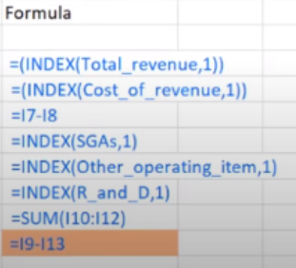
 | Income Statement
 |  | Historical |  |  | Formula
 |  | Year 1 | Year 2 | Year 3
 | Revenue | $5,015,000,000.00 |  |  | =(INDEX(Total_Revenue,1))
 | COGS | $1,844,000,000.00 |  |  | =(INDEX(Cost_of_Revenue,1))
 | Gross Profit | $3,171,000,000.00 |  |  | =I7-I8
 | Sales General and Admin | $446,000,000.00 |  |  | =INDEX(SGAs,1)
 | Other Operating Expenses | $104,000,000.00 |  |  | =INDEX(Other_Operating_Items,1)
 | Research and Development |  |  |  | (Not Needed)
 | Total Operating Expenses | $550,000,000.00 |  |  | =SUM(I10:I12)
 | Operating Income / EBIT | $2,621,000,000.00 |  |  | =I9-I13

Dashboard_Matching
Ticker Symbol | WRK

 | Income Statement
 |  | Historical |  |  |  | Formula
 |  | Year 1 | Year 2 | Year 3
 | Revenue | $8,025,000,000.00 | #N/A | #N/A |  | =(INDEX(Total_Revenue,1))
 | COGS | $1,844,000,000.00 |  |  |  | =(INDEX(Cost_of_Revenue,1))
 | Gross Profit | $6,181,000,000.00 |  |  |  | =I7-I8
 | Sales General and Admin | $446,000,000.00 |  |  |  | =INDEX(SGAs,1)
 | Other Operating Expenses | $104,000,000.00 |  |  |  | =INDEX(Other_Operating_Items,1)
 | Research and Development |  |  |  |  | (Not Needed)
 | Total Operating Expenses | $550,000,000.00 |  |  |  | =SUM(I10:I12)
 | Operating Income / EBIT | $5,631,000,000.00 |  |  |  | =I9-I13
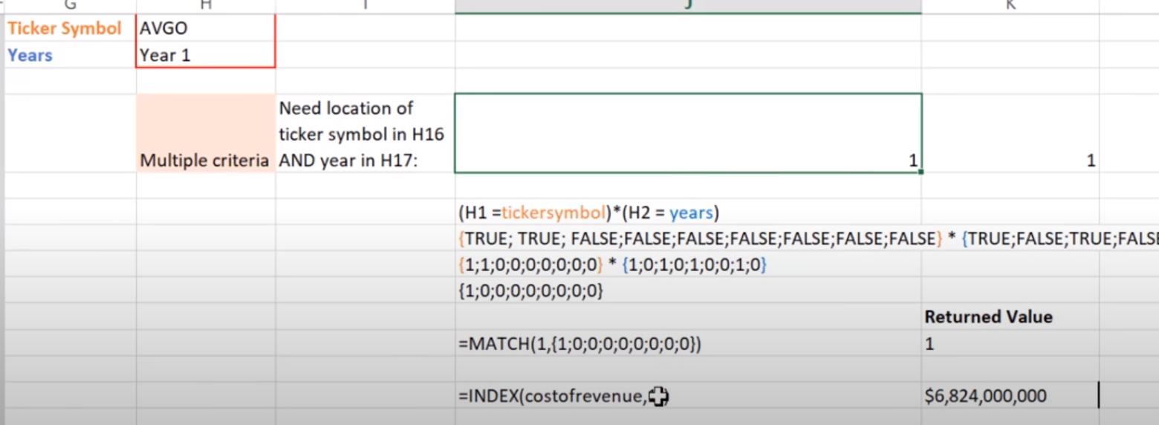

 |  |  |  |  | =INDEX(Total_Revenue,MATCH(1,(B2=Ticker_Symbol)*(F6=Years),0))

