Commodity
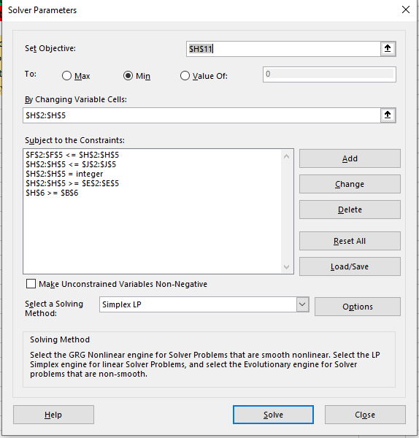
Month | Commodity | Prod Cost | Min | Order Min |  | Commodity Order |  | Max | Remaining Inventory | Storage Cost | Target | Minimize the net cost
1 | 500 | $50.00 | 0 | 500 | <= | 1150 | <= | 2850 | 650 | $20.00 | Changing Cells | Commodity orders each month
2 | 650 | $80.00 | 0 | 0 | <= | 0 | <= | 2350 | 0 | $20.00 | Constraints
3 | 1000 | $40.00 | 0 | 1000 | <= | 1700 | <= | 1700 | 700 | $20.00 | 1 | Monthly totals must be met
4 | 700 | $70.00 | 0 | 0 | <= | 0 | <= | 700 | 0 | $20.00 | 2 | Total of commodity order >= 2850
 | 2850 |  |  |  |  | 2850 |  |  |  |  | 3 | Commodity order must be between min and max values
 |  |  |  |  |  |  |  |  |  |  | 4 | commodity order must be an integer
Storage Costs |  | $20 |  | Ordered Cost |  | $125,500.00 |  |  | Inventory Cost | $27,000.00
End of Month 4 |  | $60
 |  |  |  | Total Cost |  | $152,500.00

MomissRiver
 | P1 | P2 | Cost/Ton | Min | Tons Processed | Max | Target | Minimum Total Cost | LP Assumptions - 1. Proportionality - This is valid because if Tons processed is increased or decreased the P1 and P2 pollutants also increase or decrease proportionally. 2. Additivity - Sum of contributions from each facory will clear the state minimus needed for P1 and P2 pollutants. 3. Divisibility - The divisibility property assumption is valid since the tons process is a non integer value. We can roud it off to a closest integer or solve the problem again by adding a constraint.
Factory1 | 0.1 | 0.45 | 1500 | 0 | 57.69 | 999 | Changing Cell | Tons processed in each factory
Factory2 | 0.2 | 0.25 | 2500 | 0 | 0.00 | 999 | Constraints
Factory3 | 0.4 | 0.5 | 3000 | 0 | 298.08 | 999 | 1 | Tons processed must be beween min and maximum limits.
 |  |  |  |  |  |  | 2 | Total tons processed must be greater than or equal to State Minimums
 |  | State Miminums |  | Processed Totals
 |  | P1 | 125 | Total P1 | 125.00
 |  | P2 | 175 | Total P2 | 175.00

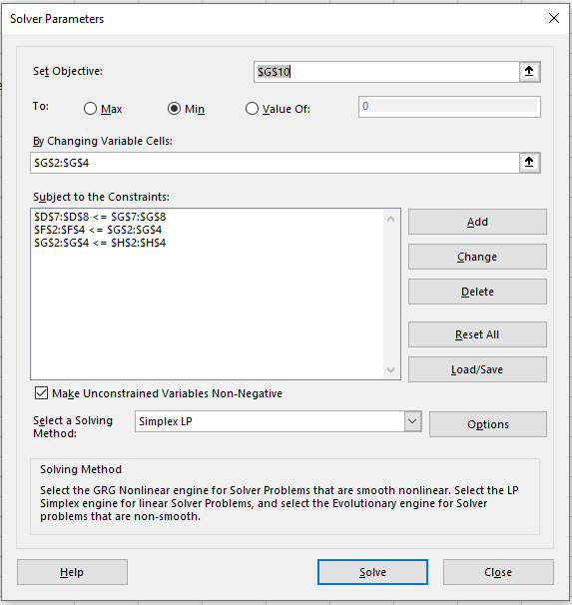
 |  |  |  | Total cost | 980769.23077

LG-A
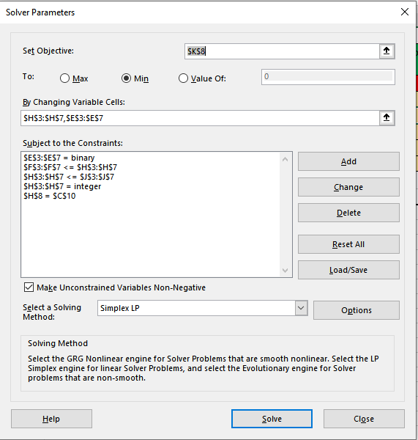
 | Production | Plant | Cost per
Plant | Capacity | Fixed Cost | Television | Produce or not? | Lower Limit |  | Units Produced |  | Capacity | Cost | Target (Objective) | Max Profit or Min Total Cost. Since Total Revenue is constant, considered Min of Total cost to solve this problem
1 | 10000 | $9,000,000.00 | $1,600.00 | 1 | 0 | <= | 10000 | >= | 10000 | $25,000,000.00 | Changing cells (Decisions) | # Units in each plant and whether to produce or not
2 | 8000 | $5,000,000.00 | $2,000.00 | 0 | 0 | <= | 0 | >= | 0 | $- | Constraints | 1. Sum of Units = 25000
3 | 9000 | $3,000,000.00 | $2,300.00 | 1 | 0 | <= | 9000 | >= | 9000 | $23,700,000.00 |  | 2. Whether to produce at this plant or not
4 | 7000 | $4,000,000.00 | $2,100.00 | 0 | 0 | <= | 0 | >= | 0 | $- |  | 3. Units produced is between the upper (Capacity) and lower limit
5 | 6000 | $1,000,000.00 | $2,400.00 | 1 | 0 | <= | 6000 | >= | 6000 | $15,400,000.00 |  | 4. Produce or not is a binary
 |  |  |  |  |  |  | 25000 |  | Total Cost | $64,100,000.00 |  | 5. No. of Units is an Integer
 | Selling Price | $4,000.00 | Total Revenue | $100,000,000.00
 | Total Units | 25000 | Total Profit | $35,900,000.00

LG-B
Oneway analysis for Solver model in LG-A worksheet |  |  |  |  |  |  |  |  | Sensitivity of $E$10 to Input

When you select an output from the dropdown list in cell $K$4, the chart will adapt to that output.
Input (cell $C$10) values along side, output cell(s) along top |  |  |  |  |  |  |  |  | Data for chart
 | $E$10 | $K$8 | $H$3 | $H$4 | $H$5 | $H$6 | $H$7 | 1 | $E$10
20000 | $28,200,000.00 | $51,800,000.00 | 10000 | 8000 | 0 | 0 | 2000 |  | 28200000
21000 | $29,800,000.00 | $54,200,000.00 | 10000 | 8000 | 0 | 0 | 3000 |  | 29800000
22000 | $31,400,000.00 | $56,600,000.00 | 10000 | 8000 | 0 | 0 | 4000 |  | 31400000
23000 | $33,000,000.00 | $59,000,000.00 | 10000 | 8000 | 0 | 0 | 5000 |  | 33000000
24000 | $34,600,000.00 | $61,400,000.00 | 10000 | 8000 | 0 | 0 | 6000 |  | 34600000
25000 | $35,900,000.00 | $64,100,000.00 | 10000 | 0 | 9000 | 0 | 6000 |  | 35900000
26000 | $36,600,000.00 | $67,400,000.00 | 10000 | 8000 | 8000 | 0 | 0 |  | 36600000
27000 | $38,300,000.00 | $69,700,000.00 | 10000 | 8000 | 9000 | 0 | 0 |  | 38300000
28000 | $39,100,000.00 | $72,900,000.00 | 10000 | 8000 | 0 | 7000 | 3000 |  | 39100000
29000 | $40,700,000.00 | $75,300,000.00 | 10000 | 8000 | 0 | 7000 | 4000 |  | 40700000
30000 | $42,300,000.00 | $77,700,000.00 | 10000 | 8000 | 0 | 7000 | 5000 |  | 42300000
Sensitivity of $E$10 to Input

