Overview
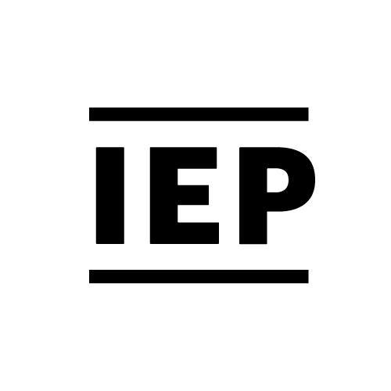
 | The Global Peace Index
This is the fourteenth edition of the Global Peace Index (GPI), which ranks 163 states and territories according to their level of peacefulness.
Produced by the Institute for Economics and Peace (IEP) under the guidance of an international panel of independent experts, the GPI is the world’s leading measure of global peacefulness.
For more information about the Global Peace Index including an interactive map and a copy of the full report please visit the site: http://www.visionofhumanity.org/

Licensing Terms
The content of this spreadsheet is the copyright of the The Institute for Economics and Peace Limited (IEP). IEP grants each recipient authorised by IEP a license to use this data only for its own internal non-commerical purposes. The license includes no right to sub-license and the data may not be distributed in excel format to any person without IEP's consent.
Licenses for additional IEP data are available for purchase. For more information please contact info@economicsandpeace.org

