SDWAN Check-Up
Test ID | Test description | Procedure | Expected outcome | Frequency of check | Status | Action in case of "faulty" status | Comments | Results
1 | Check VCO health | Open and login into https://myapplications.microsoft.com > With your TOTAL START login Credentials > On MyApps Dashboard >Click on SDWAN tab > Click and Open Velocloud portal. Click on Sign in With Your Identity Provider | Once logged in > 1st page is MSP and on this page > Manage Customers >you will look for Customer name as "Total Start - HPR" and "Total Start - PRD" | Everytime (As you would be logged into VCO dashboard to check other components VCG (Gateways) and VCE (Edge). | Good | 1.Clear cache and cookies from web-browser. And follow same as mentioned in Procedure. 2. Open web-brower incognito. And follow same as mentioned in Procedure. 3. Transfer and Report this case to L2 and L3 SDWAN Team, to log a case with Vmware support. | Login to VCO was working and furthur able to check MSP Customer links for PRD and HPR

2 | Check Gateways health | 1. Open and login into https://myapplications.microsoft.com > With your TOTAL START login Credentials > On MyApps Dashboard >Click on SDWAN tab > Click and Open Velocloud portal. Click on Sign in With Your Identity Provider 2. On the 1st page of MSP > Click on Gateways | 1. Check Status of VCG should be Green. 2. Check CPU and Memory utlization 3. On same window click on "View" To view list of Edge Assignment to that particular Gateway. | Everytime (As you would be logged into VCO dashboard to check other components VCG (Gateways) and VCE (Edge). | Good | Transfer and Report this case to L2 and L3 SDWAN Team | All VCG Status are green and CPU utlization is normal.

3 | Screen-shot of the VCMP tunnels count's on FRC-HUB and TOTAL IS vVCE (DAILY) | 1. Open and login into https://myapplications.microsoft.com > With your TOTAL START login Credentials > On MyApps Dashboard >Click on SDWAN tab > Click and Open Velocloud portal. 2. Click on > Customer name as "Total Start - PRD" Under Monitor > Edges > System > Tunnel Counts | . 1. Tunnel count number will be increasing day-by-day as we proceed migration. 2. Tunnel count number should be EXACT same on PRD_VCE_HUB-FRC_1_01 PRD_VCE_HUB-FRC_1_02 PRD_VCE_HUB-FRC_2_01 PRD_VCE_HUB-FRC_2_02 also on PRD_VCE_TOTAL-IS_1_01 Outcome from this step has dependency on below step 4 | Daily - Start and End of the shift and pass this in handover. | Good

4 | Check Azure START Hub health | 1. Open and login into https://myapplications.microsoft.com > With your TOTAL START login Credentials > On MyApps Dashboard >Click on SDWAN tab > Click and Open Velocloud portal. 2. Click on > Customer name as "Total Start - PRD" Under Monitor > Edges > Look/search PRD_VCE_HUB-FRC_1_01 and PRD_VCE_HUB-FRC_1_02 2.a Click on > Customer name as "Total Start - PRD" Under Monitor > Edges > Look/search PRD_VCE_HUB-FRC_2_01 and PRD_VCE_HUB-FRC_2_02 | PRD_VCE_HUB-FRC_1_01 (Primary Azure Hub - vVCE) and PRD_VCE_HUB-FRC_2_01 (Primary Azure Hub - vVCE) status should be Green (Connected) > Furthur click on name "PRD_VCE_HUB-FRC_1_01" and "PRD_VCE_HUB-FRC_2_01" > GoTo System Tab > Look for CPU, Memory and Tunnel Count (Tunnel Count should be similar from the screen-shot captured on step 3) PRD_VCE_HUB-FRC_1_02 (Secondary Azure Hub - vVCE) status should be Red (Offline) PRD_VCE_HUB-FRC_2_02 (Secondary Azure Hub - vVCE) status should be Red (Offline) | Daily - Start and End of the shift and pass this in handover. | Good | Raise a ticket to L3 Site-connectivity team for further action on down vVCE of FRC HUB.

5 | Check Overlay Global route table (Overlay Flow Control) | 1. Open and login into https://myapplications.microsoft.com > With your TOTAL START login Credentials > On MyApps Dashboard >Click on SDWAN tab > Click and Open Velocloud portal. 2. Click on > Customer name as "Total Start - PRD" Under Configure > Overlay Flow Control > Click on "Seach" Preferred Exist | Contains | <Edge_Name_Mentioned_Below> PRD_VCE_HUB-FRC_1_01 PRD_VCE_HUB-FRC_1_02 PRD_VCE_HUB-FRC_2_01 PRD_VCE_HUB-FRC_2_02 | List of route should be similar when compared with the screen-shot took from above step 5 | Daily - Start and End of the shift and pass this in handover.F15:XFD17 | Good | 1. Need to report this to L3 - SDWAN team, as need to check routing part in Edge configration. | Appropriate routes are learned on FRC HUB

6 | Check Station health | 1. Open and login into https://myapplications.microsoft.com > With your TOTAL START login Credentials > On MyApps Dashboard >Click on SDWAN tab > Click and Open Velocloud portal. 2. Click on > Customer name as "Total Start - PRD" Under Monitor > Edges > Next to seach box > Click on "Down_Arrow" > Add filter as Edge Status | IS NOT | Connected Add filter as Edge Status | IS NOT | Never Activated Add filter as Name | DOES NOT CONTAIN | LAB Add filter as Name | DOES NOT CONTAIN | CAP Add filter as Name | DOES NOT CONTAIN | HUB | You will find the list of Edge DOWN (Offline) | Everytime (As you would be logged into VCO dashboard to check other components VCG (Gateways) and VCE (Edge). | Good | 1. If have event for edge DOWN. Check the other event related to the edge based on the latest time for that particular edge name. If after sometime we get event of edge UP. 2. Need to raise a ticket in Daisy for Afflicate to check Internet link status as its flapping or abnormal. So, Afflicate has to check underlay (Physical WAN Cable). 3. Close the ticket raised by ELK.

7 | Check Events | 1. Open and login into https://myapplications.microsoft.com > With your TOTAL START login Credentials > On MyApps Dashboard >Click on SDWAN tab > Click and Open Velocloud portal. 2. Click on > Customer name as "Total Start - PRD" Under Monitor > Events > Click on "Seach" Add filter as Event | IS | Link dead (Take snap-shot) Filter as Event | IS | Edge down (Take snap-shot) Add filter as Event | IS | Link Alive (Take snap-shot) Filter as Event | IS | Edge up (Take snap-shot) | It will show events for all VCE (Edge) as per Severity Example : CSS tunnels are up/down Edge Interface down Link dead Edge Down | Everytime (As you would be logged into VCO dashboard to check other components VCG (Gateways) and VCE (Edge). | Good | 1. Action for CSS Tunnels down - A. Check the latest event related to the edge based on the latest time for that particular edge name. B. If we could see Edge Down event then need to Check the link status (Mentioned below) B. If we see edge UP and can make successful ping edge loopback IP address from Remote Diagnostics. C. VMware has to provide IKE Reset. 2. Edge Interface Down - We will get this event for Any ENABLED/No SHUT Inteface on Edge. Raise a ticket in Daisy for Afflicate to check link status. To check Physical LAN Cable may un-plugged on VCE (Edge) or LAN Switchside 3. Link Dead - We will get this event for ENABLED Interface on Edge - MAPPED as WAN. Raise a ticket in Daisy for Afflicate to check WAN link status. To check Physical WAN Cable may un-plugged on VCE (Edge) or Internet Service Provider Modem. 4. Edge Down - A. Check the latest event related to the edge based on the latest time for that particular edge name. B. Raise a ticket in Daisy for Afflicate to check link status. To check Power status of VCE (Edge). | Events are generating properly as per different filters.

8 | Overlay status and reachability to HUB vVCE and VCG | 1. Open and login into https://myapplications.microsoft.com > With your TOTAL START login Credentials > On MyApps Dashboard >Click on SDWAN tab > Click and Open Velocloud portal. 2. Click on > Customer name as "Total Start - PRD" Under Test & Troubleshoot> Remote Diagnosticts >"Select the VCE"> List Path> "Select anyone vVCE or Gateway from drop down list" > Click Run PRD_VCE_HUB-FRC_1_01 PRD_VCE_HUB-FRC_1_02 PRD_VCE_HUB-FRC_2_01 PRD_VCE_HUB-FRC_2_02 PRD_VCE_TOTAL-IS_1_01 Gateways | It will show the Status as "STABLE " and VPN should be "UP" for "each vVCE" attempte to run. | This check-up need to run when a particular VCE from Station was DOWN and came UP/online recently. To verify the overlay reachablity. | Good | 1. Run this for test for other HUB vVCE if result for on vVCE is shows "failed/down" 2. For VCG (Gateways), In test result Primary/First one shows DOWN and Secondary/Next one shows UP, Run similar test from other VCE to verify. If other VCE shows same outcome, "work on steps 2 from this sheet" | VCMP (Overlay) VPN connectivity seems normal.

9 | Traffic activity on FRC HUB Prisma Tunnel (CBH) | 1.Open and login into https://myapplications.microsoft.com > With your TOTAL START login Credentials > On MyApps Dashboard >Click on CYBERSEC tab > Click/ and Open PALOALTO PRD 2.Click on Use Single Sign-On > On Next page > Click Continue > Panaroma > Monitor tab > Device Group : Remote_Network_Device_Group in filter box paste ( zone.src eq IPSEC-PRISMA-HUB-FRC-1-01) time window : Last 24 Hrs and click on -> (arrow) ( zone.src eq IPSEC-PRISMA-HUB-FRC-2-01) time window : Last 24 Hrs and click on -> (arrow) | 1. There should be NO traffic 2. If there is a traffic activity, you can detect : - The concerned affiliate trigram in Rule column : "AFF-[TRIGRAM]_to_Internet" - The concerned station in the source IP column : the NAT IP of the station on the SDWAN. | After every 30 mintues | Good | we could add to merge incident tickets, if relevant, between the one for edge down and the one for CBH activation.. | Traffic monitored on - GQ0 ( IP address:10.135.8.178 / HASSAN II) KE0 ( IP address:10.135.3.67 / NEW KISII) GQ0 ( IP address:10.135.8.171 / Niefang) | 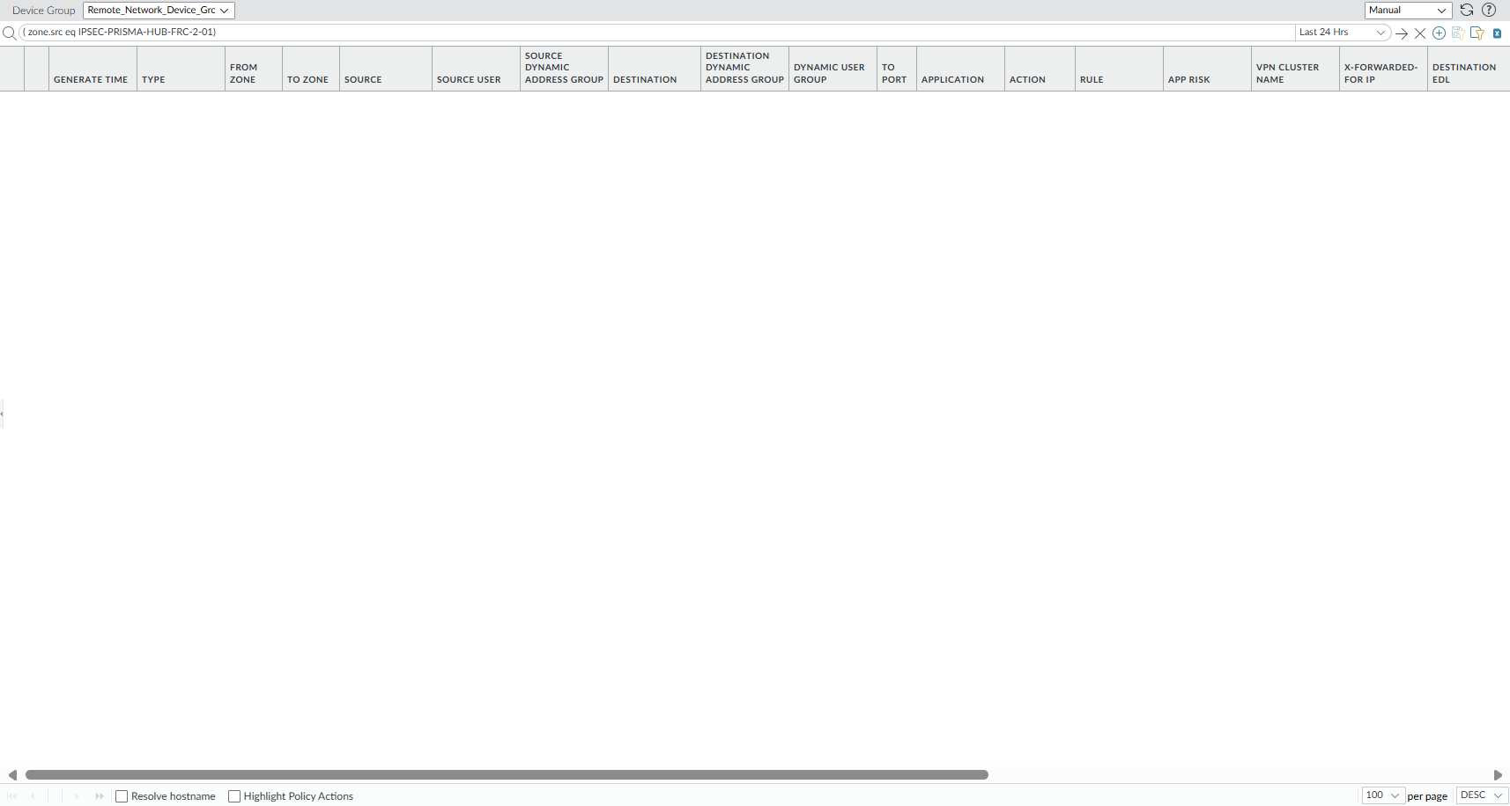 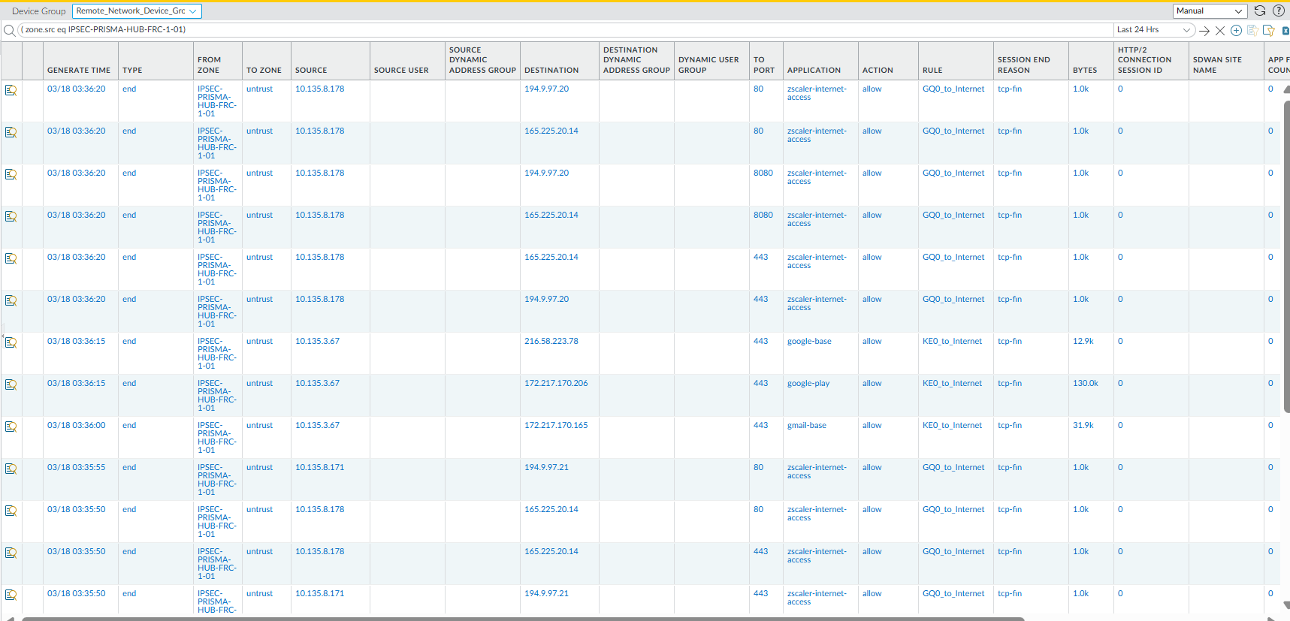

10 | VMware Product lifecycle matrix | 1.Open https://support.broadcom.com/group/ecx/productlifecycle 2. Login with email address : imtotalstart_monitoring_l1_team@capgemini.com 2.Apply filter as "SD-WAN" on coloum Product Release 3. Take screen-shot | The termination date of VMware product support is specified. 1. End of General Support 2. End of Technical Guidance | Once before preparing sanity checklist | Good | NA | VMware SD-WAN Orchestrator, Gateway and Edge running on 5.2.3 software version which has end of service on 16-March-2027

