Defects
DF# | Description | Status | Priorty | Environment
DF01 | 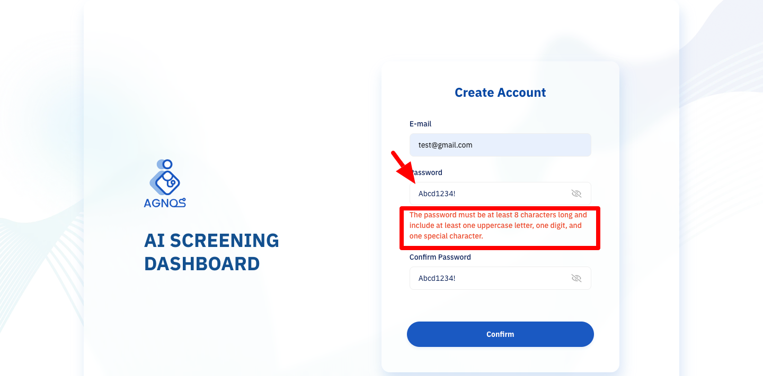 Subject : [Registration] The system does not allow registration when a correct password format is entered Step 1. Go to registration page 2. Input correct email (aimm@gmail.com) 3. Input correct password and confirm password (Abcd1234!) 4. Click 'Confirm' button Actual result : The system displays an error message and does not allow the user to register. Expected result : If the user inputs the correct password format, the system must allow the user to register without any errors. | Open | High | SIT
DF02 | 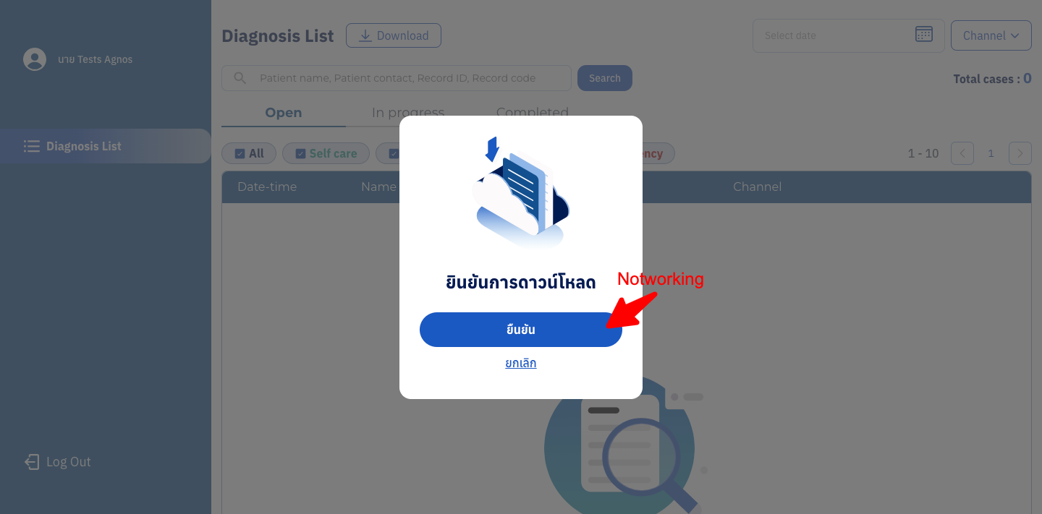 Subject : [Download] Download records feature is not working well when data not found Step 1. Login (test@gmail.com/12345) 2. Do not search or filter 3. Click 'Download' button 4. Click 'Confirm' button Actual result : The 'Confirm' button is not working. Expected result : Able to download CSV file with empty data. | Open | Medium | SIT
DF03 | 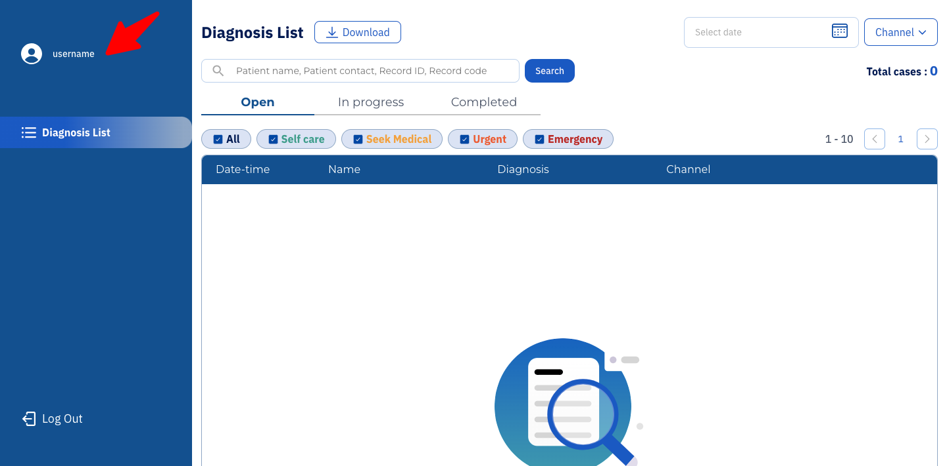 Subject : [Logout] The system does not properly log out the user, allowing access to the system even after logout. Step 1. Login (test@gmail.com/12345) 2. Click 'Logout' button 4. Click back on browser Actaul result : Able to access the system. Expected result : After logging out, if the user clicks the browser's back button or accesses the direct URL, the system should redirect them to the login page. | Open | High | SIT
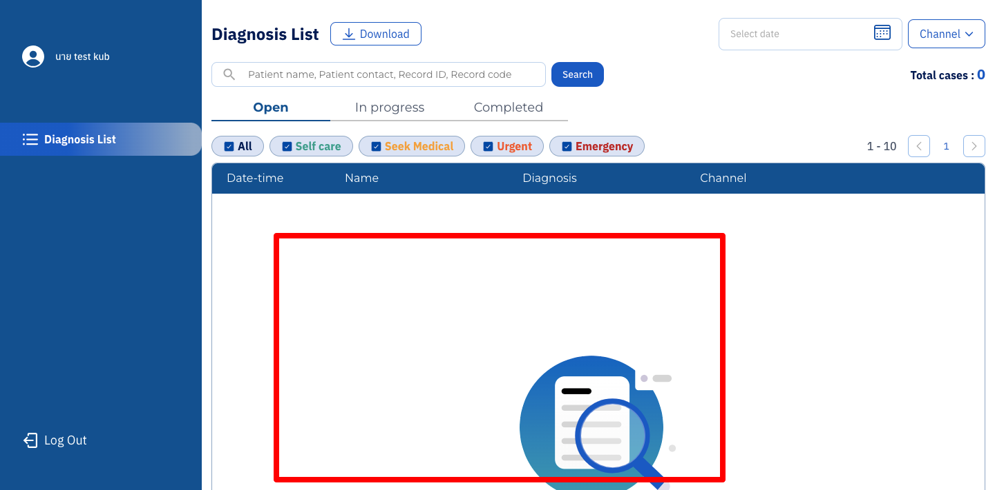
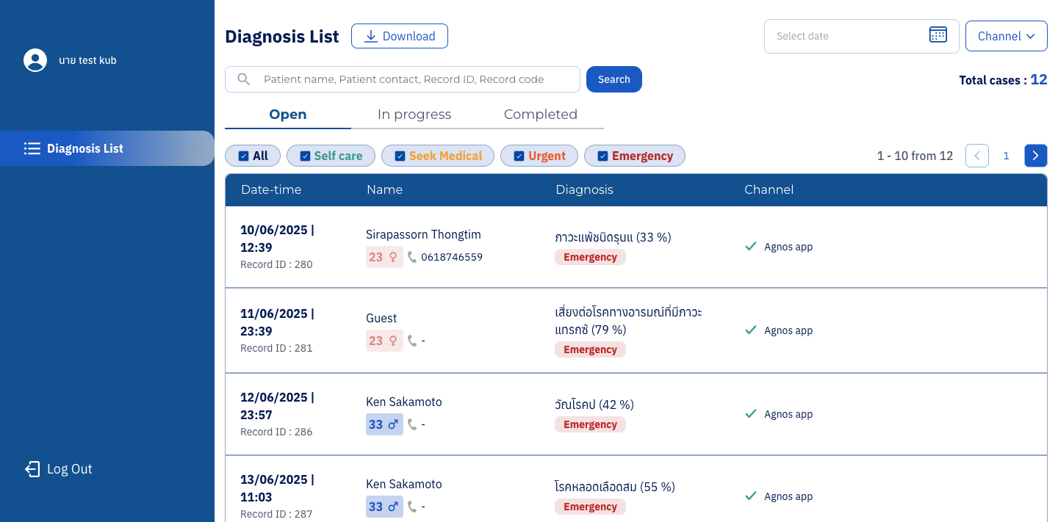
DF04 | Subject : [Dashboard] The "Open" tab is the default active tab, but no records are displayed and the system shows a "Data not found" message. Step 1. Login (test@gmail.com/12345) Actual result : The system display no record found After try to select tab 'Complete' >>> 'Inprogress' >>> 'Open' , the records display normally Expected result : The Open tab is active and system displays records with status Open. Remark** It seems that the filter by triage is not working correctly. When switch the tab and apply multiple filters together returns incorrect results This defect blocked test case that relate to filter and we decided to test after this defect is fixed. | Open | Highest | SIT

