Rayleigh vs wavelength, Toluene
RUu data from Hua Wu, Chemical Physics 367 (2010) 44–47. 10.1016/j.chemphys.2009.10.019 |  |  |  |  |  |  |  |  |  |  |  | << Use lo here, not l
Toluene |  |  |  |  | RUv=2RUu(1+ru) | RUv group |  |  |  |  |  | lo in microns
lo/nm | lo/mm | n | RUu(90)/10-6cm-1 | ru | RUv(90)/10-6cm-1 | Averages | Stdevs | % Stdev | Moutzouris, K., Papamichael, M., Betsis, S.C. et al. Refractive, dispersive and thermo-optic properties of twelve organic solvents in the visible and near-infrared. Appl. Phys. B 116, 617–622 (2014). https://doi.org/10.1007/s00340-013-5744-3
435.8 | 0.4358 | 1.5128643603 | 49 | 0.495 | 65.533 | 65.533 | 0 | 0 | A0 | A1 | A2 | A3 | A4
488 | 0.488 | 1.5030263303 | 30.7 |  | 41.058 |  |  |  | 2.161659124 | 0.000495188 | 0.02138179 | 0.000058838 | 0.000087632
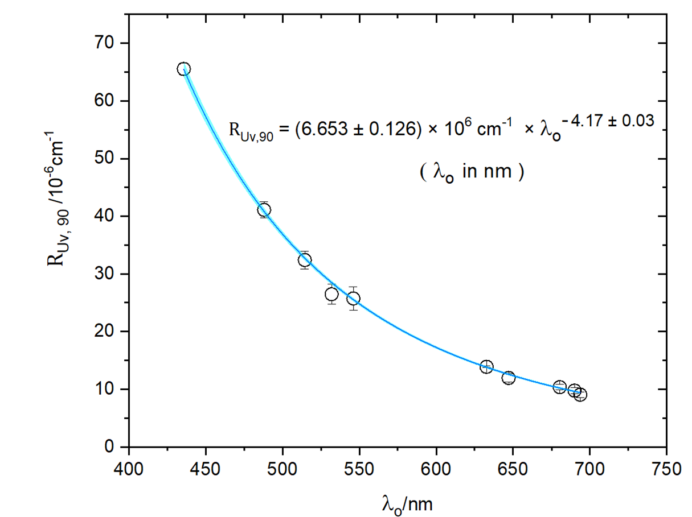
488 | 0.488 | 1.5030263303 | 30.6 |  | 40.925
488 | 0.488 | 1.5030263303 | 32.1 | 0.51 | 42.931
488 | 0.488 | 1.5030263303 | 29.5 |  | 39.454 | 41.092 | 1.4253503497 | 3.4686894014 | Gathered data for plot |  |  | If error is ruled
514.5 | 0.5145 | 1.4993760869 | 23.9 |  | 31.964 |  |  |  | lo in nm | Avg/10-6cm-1 | Stdev | by ru (~2%)
514.5 | 0.5145 | 1.4993760869 | 23.9 |  | 31.964 |  |  |  | 435.8 | 65.533 | 0.000 | 1.311
514.5 | 0.5145 | 1.4993760869 | 24.2 | 0.47 | 32.365 |  |  |  | 488 | 41.092 | 1.425 | 0.822
514.5 | 0.5145 | 1.4993760869 | 26.1 |  | 34.906 |  |  |  | 514.5 | 32.392 | 1.529 | 0.648
514.5 | 0.5145 | 1.4993760869 | 23 |  | 30.760 | 32.392 | 1.5289810945 | 4.7202353714 | 532 | 26.481 | 1.702 | 0.530
532 | 0.532 | 1.4973131987 | 18.9 |  | 25.277 |  |  |  | 546.1 | 25.723 | 2.043 | 0.514
532 | 0.532 | 1.4973131987 | 20.7 |  | 27.684 | 26.481 | 1.7022440663 | 6.4282434653 | 632.8 | 13.882 | 0.174 | 0.278
546.1 | 0.5461 | 1.4958171919 | 18.9 | 0.468 | 25.277 |  |  |  | 647.1 | 11.961 | 0.709 | 0.239
546 | 0.546 | 1.4958273295 | 20.9 |  | 27.952 |  |  |  | 680.4 | 10.365 | 0.000 | 0.207
546 | 0.546 | 1.4958273295 | 17.9 |  | 23.940 | 25.723 | 2.0429263702 | 7.9420722616 | 690 | 9.763 | 0.000 | 0.195
630 | 0.63 | 1.48912818 | 10.4 |  | 13.909 |  |  |  | 693.7 | 9.041 | 0.000 | 0.181
632.8 | 0.6328 | 1.4889544757 | 8.77 | 0.506 | 11.729
633 | 0.633 | 1.4889421651 | 10.5 | 0.491 | 14.043
632.8 | 0.6328 | 1.4889544757 | 10.2 |  | 13.642
633 | 0.633 | 1.4889421651 | 10.3 | 0.528 | 13.775 |  |  |  | ru effect on RUv uncertainty
633 | 0.633 | 1.4889421651 | 10.5 |  | 14.043 | 13.882 | 0.17437683163 | 1.2561083632 | 2/(1+ru) (min) | 1.32
647.1 | 0.6471 | 1.4881054993 | 8.95 |  | 11.970 |  |  |  | 2/(1-ru) (max) | 1.36
647.1 | 0.6471 | 1.4881054993 | 8.41 |  | 11.248 |  |  |  | Difference | 0.03
647.1 | 0.6471 | 1.4881054993 | 9.47 |  | 12.665 | 11.961 | 0.70886895668 | 5.9265536222 | Average | 1.34
680.4 | 0.6804 | 1.486348776 | 7.75 |  | 10.365 | 10.365 | 0 | 0 | % Diff | 1.93
690 | 0.69 | 1.4858925842 | 7.3 |  | 9.763 | 9.763 | 0 | 0
693.7 | 0.6937 | 1.4857221714 | 6.76 |  | 9.041 | 9.041 | 0 | 0 |  |  |  |  |  | From Origin file: RayleighVsWavelength_StdevErrors.opju in NormaSize folder

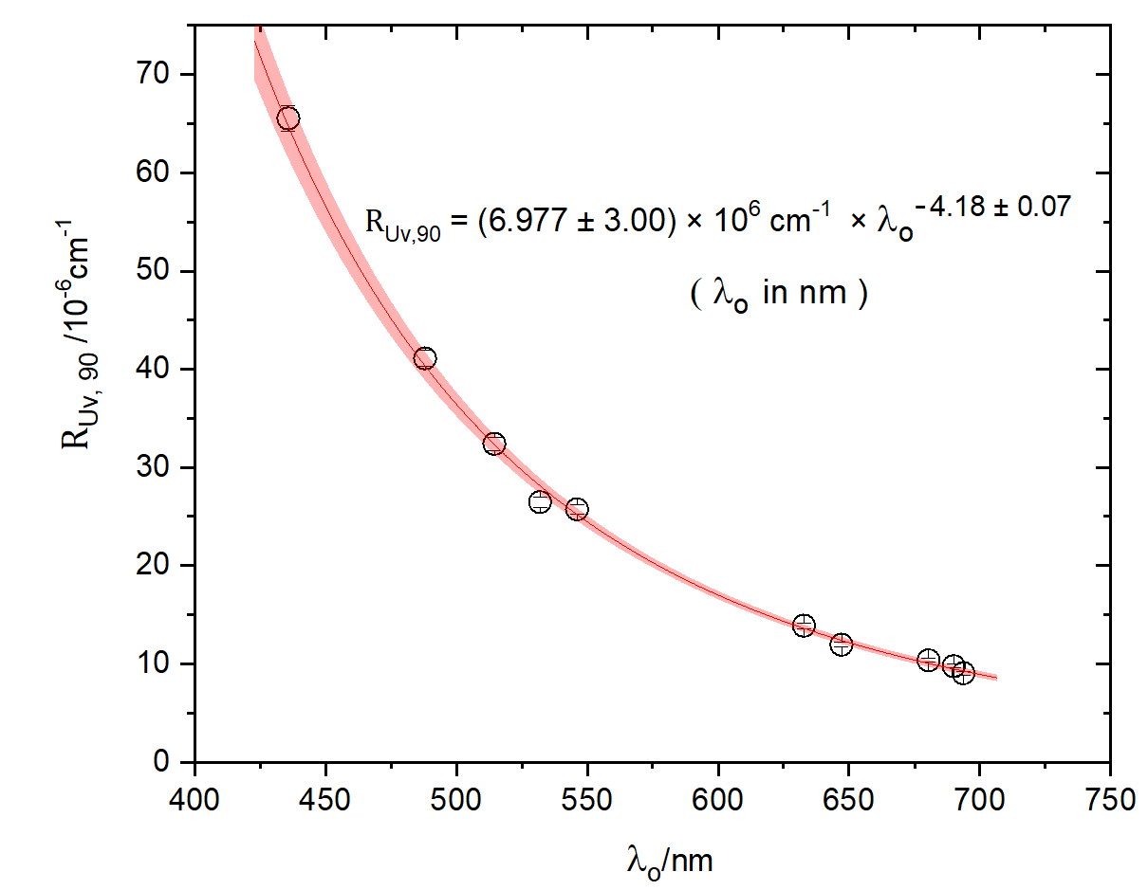
 |  |  |  | Avg ru | Stdev | % Stdev
 |  |  |  | 0.49542857143 | 0.0216 | 4.36

 |  |  |  |  |  |  |  |  |  |  |  |  |  | From Origin file: RayleighVsWavelength_2PercentErrors.opju

